Responsive_testing
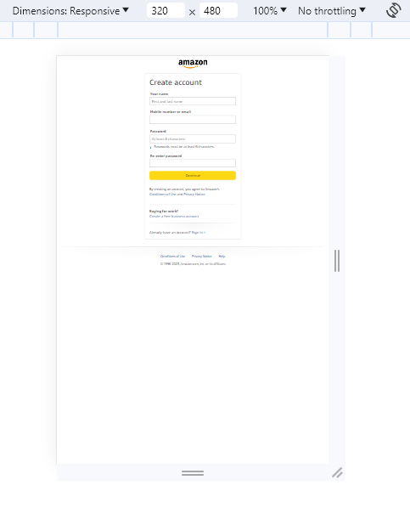
Desktop
Tool:- Google Resizer
This application registration page is responsive in Desktop
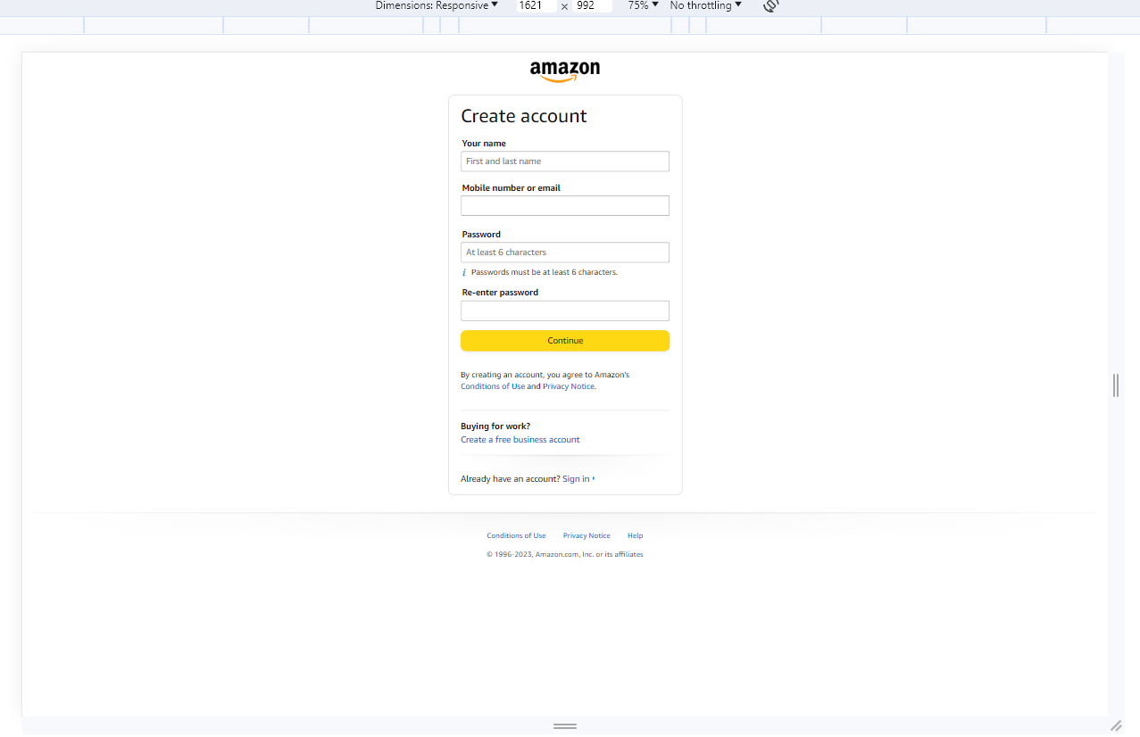

Laptop
Tool:- Google Resizer
This application registration page is responsive in Laptop

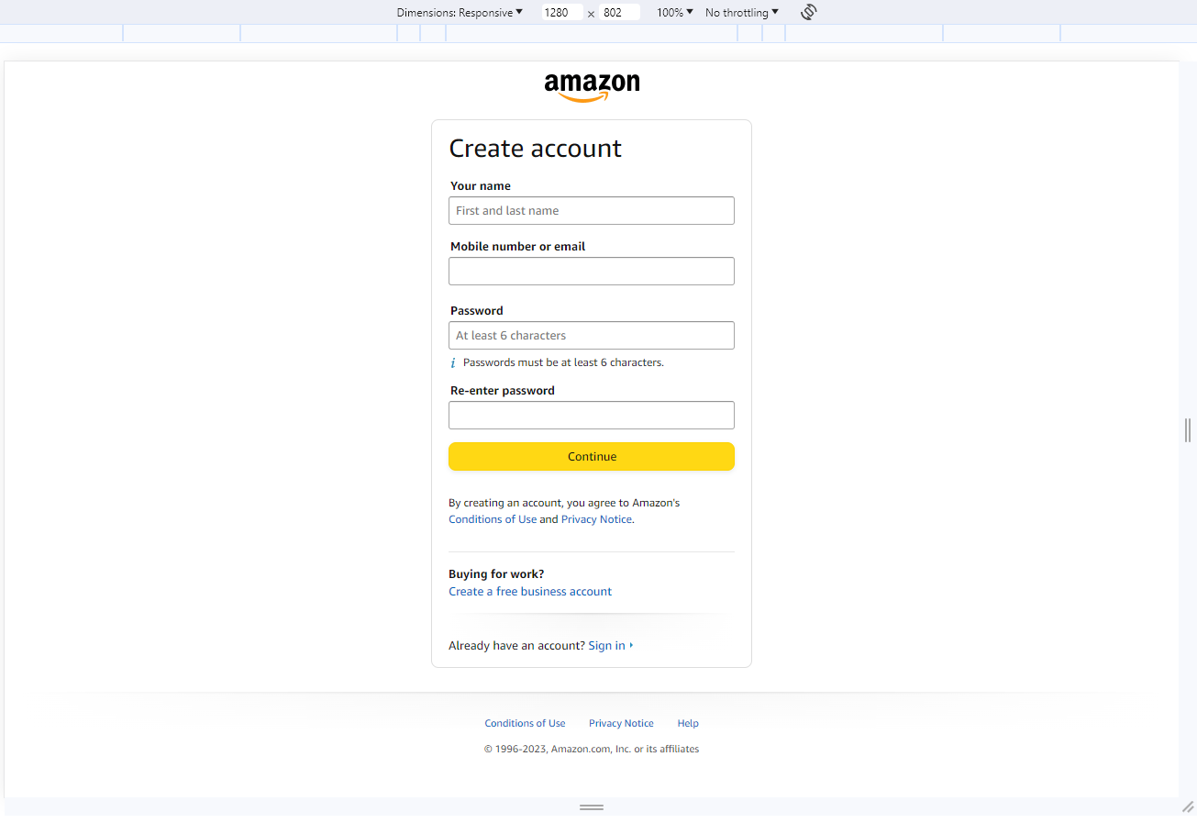

Tablet
Tool:- Google Resizer
This application registration page is responsive in Tablte

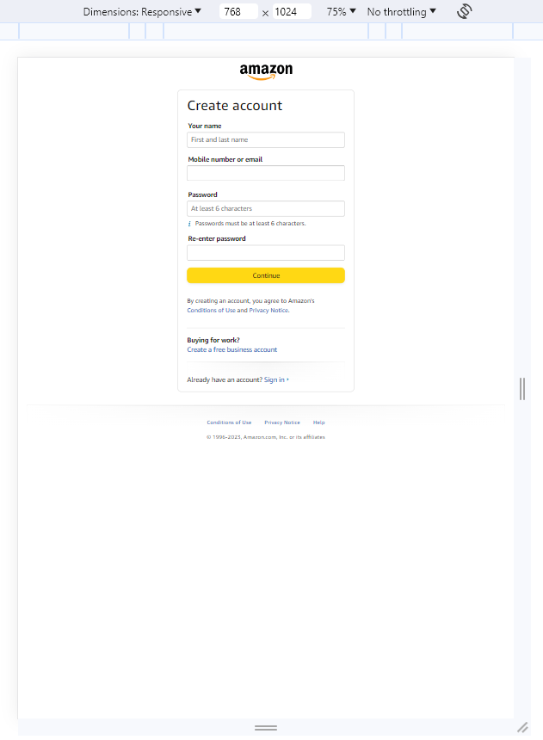

Mobile
Tool:- Google Resizer
This application registration page is responsive in Mobile

