Dashboard
STEEL SECTOR: CARBON RISK & INVESTMENT STRATEGY (2030)

 | Portfolio EBITDA ($B) | Avg. Margin Erosion | Total Carbon Cost ($B) | High-Risk Assets
 | $48.40 | 70% | $33.64 | 40%

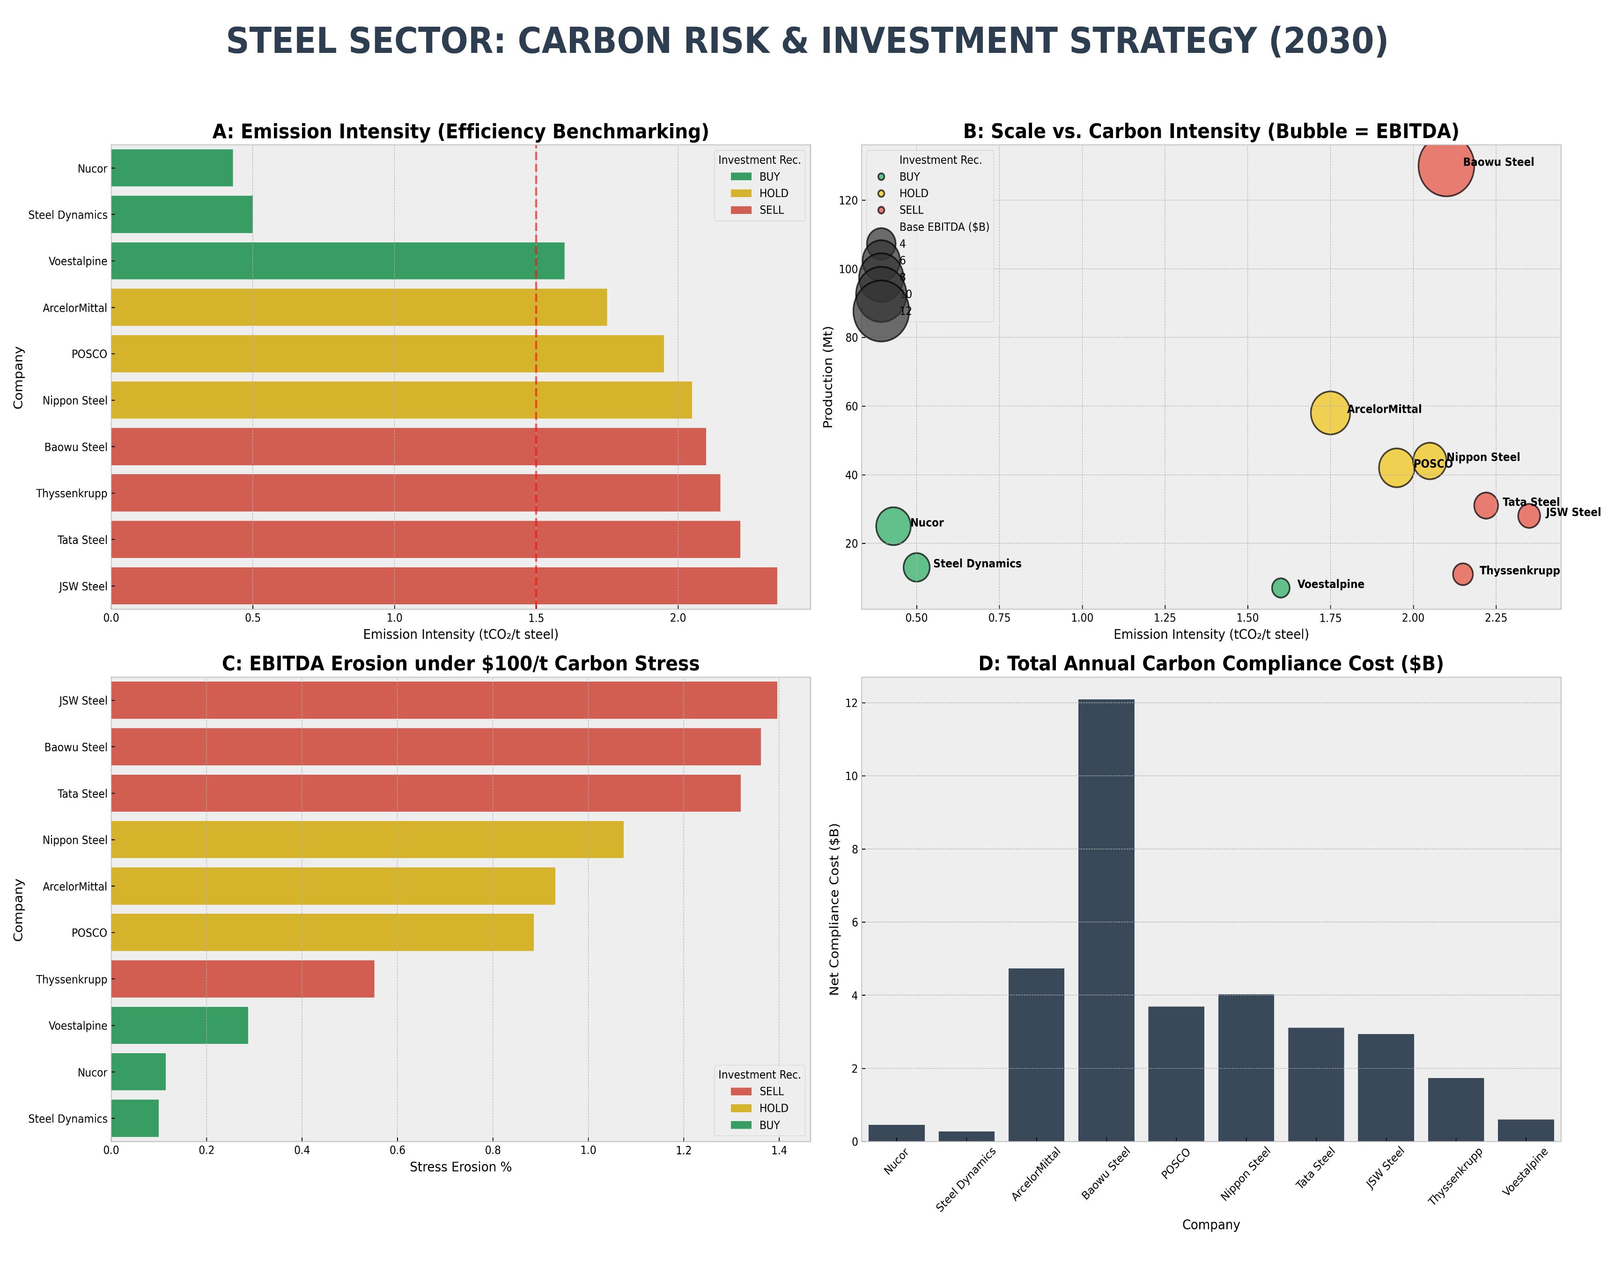

 |  |  |  |  | Company | Base EBITDA ($B) | Domestic Carbon Cost ($B) | Stress Erosion %
 |  |  |  |  | Nucor | $5.30 | $0.45 | 11%
 |  |  |  |  | Steel Dynamics | $3.50 | $0.27 | 10%
 |  |  |  |  | ArcelorMittal | $6.50 | $4.26 | 93%
 |  |  |  |  | Baowu Steel | $12.00 | $11.47 | 136%
 |  |  |  |  | POSCO | $5.50 | $3.44 | 89%
 |  |  |  |  | Nippon Steel | $5.00 | $3.79 | 107%
 |  |  |  |  | Tata Steel | $3.10 | $2.89 | 132%
 |  |  |  |  | JSW Steel | $2.80 | $2.76 | 140%
 |  |  |  |  | Thyssenkrupp | $2.50 | $0.99 | 55%
 |  |  |  |  | Voestalpine | $2.20 | $0.47 | 29%

STRATEGIC FINDING: The global steel sector is facing a "Margin Cliff." Companies relying on Coal-based (BF-BOF) production face 100%+ margin erosion by 2030 unless they deploy massive Green Hydrogen/EAF capex. We recommend an Overweight position on US-based scrap recyclers (Nucor/SDI) and a Sell on high-intensity Asian producers.

README
Project Overview: Stress-Testing Global Steel Equity Against Carbon Transition Risk
The Problem: Decarbonization has shifted from an ESG checkbox to a core financial liability for the global steel industry. With the phase-in of the EU Carbon Border Adjustment Mechanism (CBAM) and rising domestic carbon prices, industrial margins are at severe risk. Traditional valuation models often overlook the hidden "Carbon Beta" of these companies.
The Methodology: This project features a proprietary Carbon Risk Engine that evaluates 10 global steel producers (representing 400Mt+ of capacity). The model integrates technical production data (EAF vs. BF-BOF shares) with financial metrics to estimate EBITDA margin erosion. I stress-tested the portfolio against two scenarios: a Base Case ($70/t$ carbon) and a Stress Case ($100/t$ carbon), incorporating EU CBAM liability for exports.
The Finding: The analysis reveals a stark divergence in "Carbon Winners" and "Losers." Low-intensity producers like Nucor and Steel Dynamics (USA) show negligible margin impact (<3%), whereas high-intensity players in India and China face up to 40% margin erosion. This model demonstrates that unless traditional players invest heavily in H2-DRI transition capex (est. $600/t$), their current equity valuations are fundamentally unsustainable in a Net Zero scenario.

