Summary
 |  |  |  |  |  |  |  | PCB should-cost report
360 DEGREE CAMERA PCB
Should-cost summary · per board
Build: China · Volume: 250,000 boards/yr · Basis: delivered UK, duty paid · Prepared: 06 Oct 2026 · Currency: GBP (£) · Automotive camera board

DELIVERED / BOARD |  |  | EX-WORKS / BOARD |  |  | LIKELY RANGE | ONE-TIME NRE
£15.26 |  |  | £14.72 |  |  | £12.59 – £19.27 | £16,200
China build · UK, duty paid |  |  | China factory gate, packed |  |  | Low confidence · see To verify | PPAP · FMEA · DV/PV · audit — not in unit cost

Delivered £15.26 per board
Cost composition |  |  |  |  |  | detail on the Cost Breakdown tab
 | Cost element |  | £/board | % of total
■ | Components |  | £12.70 | 83.2%
■ | EMS material burden |  | £0.64 | 4.2%
■ | Bare PCB fabrication |  | £0.27 | 1.8%
■ | Automotive grade |  | £0.32 | 2.1%
■ | Assembly & test |  | £0.65 | 4.3%
■ | Energy, packaging & other |  | £0.14 | 0.9%
■ | Freight & UK duty |  | £0.54 | 3.5%
 | Delivered per board |  | £15.26 | 100.0%

Top cost drivers |  | all lines: Bill of Materials
# | Line |  | £/board | % of total
1 | Image sensor · needs a quote |  | £4.64 | 30.4%
2 | Li-Ion and Li-Pol Charger IC |  | £2.10 | 13.7%
3 | FPD-Link III Serializer With CSI-2 Interface |  | £1.87 | 12.3%

Key facts |  |  |  |  | To verify
Board |  | Automotive camera board |  |  | • Low confidence — likely £12.59 to £19.27 per board.
Build country |  | China (Shenzhen / Suzhou) |  |  | • 1 line of £1.00+ priced from a range, not a quote (£4.64): see "Quote" on Bill of Materials.
Annual volume |  | 250,000 boards
Parts list from |  | BOM image · 11 lines · 80 parts
Size |  | 20 × 20 mm (estimated from the photos)
Layers |  | 8
ISO 26262 |  | ASIL-B costed
Price engine |  | Deterministic — the AI never sets a price

What this tells you
• 3 lines carry 56% of the board: Image sensor £4.64; Li-Ion and Li-Pol Charger IC (BQ24025DRCR) £2.10; FPD-Link III Serializer With CSI-2 Interface (DS90UB935-Q1) £1.87. These are the quotes to get first.
• Components are 83% of the board (87% with the EMS material burden); bare board 3%, assembly and test 5% (each with its automotive grade). A should-cost discussion on this board is a component-price discussion.
• China (Shenzhen / Suzhou) is the lowest delivered cost of the 14 countries compared.

Not in this unit cost
• One-time automotive NRE (£16,200 — PPAP, FMEA, DV/PV, audit) is not in the unit cost; see Volume & Notes.
• Stencils, test fixtures and programming are inside the EMS price, spread over the order (no separate tooling line).
• Tier-1 / distributor margin above the EMS price, and the enclosure, lens and cable of a module, are not in this board cost.

Board & Assembly
 |  |  |  |  |  | PCB should-cost report
360 DEGREE CAMERA PCB
Board & assembly · specification, build-up and photographs
Build: China · Volume: 250,000 boards/yr · Basis: delivered UK, duty paid · Prepared: 06 Oct 2026 · Currency: GBP (£) · Automotive camera board

Board specification |  |  | Bare-board build-up | £/board
Size | 20 × 20 mm estimated |  | Base laminate & process |  | £0.01
Layers | 8 |  | Layers |  | £0.03
Technology / HDI | FR4 HTg |  | Vias & drilling |  | £0.22
Finish · copper | OSP · 2 oz |  | Impedance control |  | £0.01
Vias (through / blind / micro) | 115 / 0 / 0 |  | Heavy copper |  | £0.01
Impedance control | Yes |  | Build-up items |  | £0.28
Placements · BGA/CSP | 80 SMT · 1 BGA/CSP · 2 reflow side(s) |  | Rounding (items rounded to the penny) |  | -£0.01
Panel | 280 boards on 480 × 350 mm (67% used) |  | + Automotive fab grade |  | £0.14
 |  |  | = Bare PCB per board |  | £0.41

 |  |  | Assembly & test | £/board
 |  |  | SMT / THT assembly |  | £0.26
 |  |  | Test & inspection (AOI, X-ray, ICT) |  | £0.39
 |  |  | Automotive assembly grade |  | £0.18
 |  |  | = Assembly & test per board |  | £0.83

Source photographs (3) |  | as uploaded for the analysis
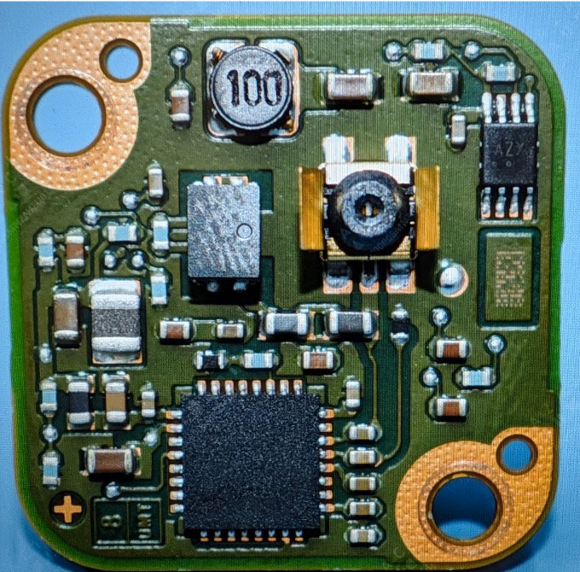
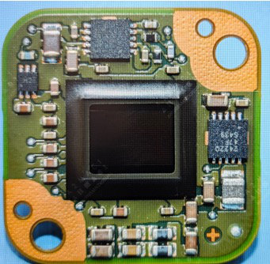

Photo 1 · uploaded as "Top side" |  |  | Photo 2 · uploaded as "Bottom side"

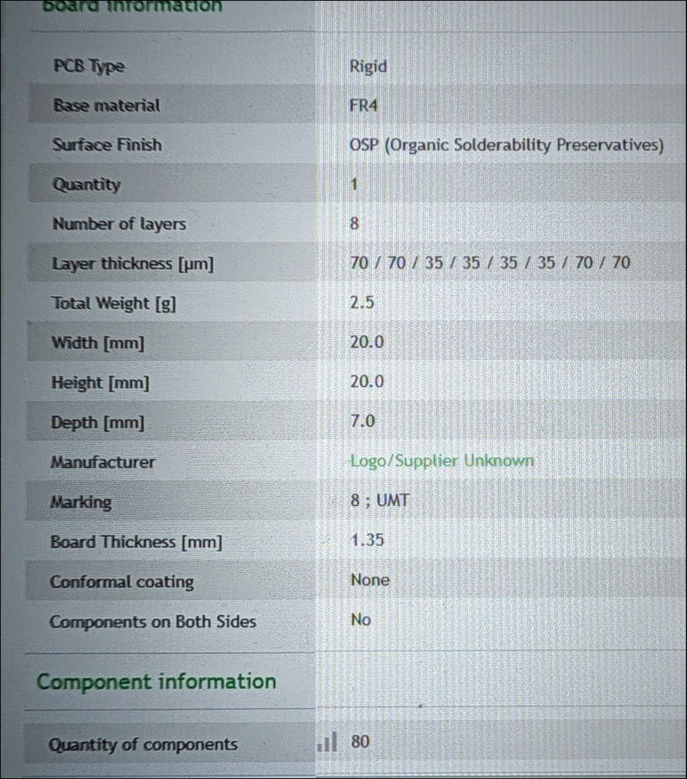

Photo 3 · uploaded as "Close-up 1"

Countries
 |  |  |  |  |  |  |  |  |  |  |  | PCB should-cost report
360 DEGREE CAMERA PCB
Build-country comparison · the same board in each country
Build: China · Volume: 250,000 boards/yr · Basis: delivered UK, duty paid · Prepared: 06 Oct 2026 · Currency: GBP (£) · Automotive camera board

Build-country comparison |  |  |  |  |  |  | each row: this board built there, delivered UK, duty paid
Rank | Country | Components + EMS burden | Bare board | Assembly & test | Other | Ex-works | Freight & duty | Delivered | Δ vs China | Δ % | Change | Lead
1 | China | £13.34 | £0.41 | £0.83 | £0.14 | £14.72 | £0.54 | £15.26 | £0.00 | 0.0% | costed | 3 wk
2 | Vietnam | £13.95 | £0.49 | £0.52 | £0.13 | £15.09 | £0.83 | £15.92 | +£0.66 | +4.3% | dearer | 3 wk
3 | Malaysia | £13.80 | £0.57 | £0.92 | £0.13 | £15.42 | £0.84 | £16.26 | +£1.00 | +6.6% | dearer | 3 wk
4 | Thailand | £14.10 | £0.58 | £0.79 | £0.15 | £15.62 | £0.85 | £16.47 | +£1.21 | +7.9% | dearer | 3 wk
5 | India | £14.40 | £0.52 | £0.73 | £0.17 | £15.82 | £0.86 | £16.68 | +£1.42 | +9.3% | dearer | 4 wk
6 | Taiwan | £13.65 | £0.93 | £1.76 | £0.17 | £16.51 | £0.61 | £17.12 | +£1.86 | +12.2% | dearer | 3 wk
7 | Mexico | £14.86 | £0.80 | £1.16 | £0.16 | £16.98 | £0.63 | £17.61 | +£2.35 | +15.4% | dearer | 3 wk
8 | South Korea | £13.95 | £1.24 | £2.72 | £0.21 | £18.12 | £0.00 | £18.12 | +£2.86 | +18.7% | dearer | 3 wk
9 | Czech Republic | £15.92 | £1.04 | £1.62 | £0.22 | £18.80 | £0.00 | £18.80 | +£3.54 | +23.2% | dearer | 2 wk
10 | Poland | £16.07 | £0.94 | £1.58 | £0.21 | £18.80 | £0.00 | £18.80 | +£3.54 | +23.2% | dearer | 2 wk
11 | Germany | £17.89 | £2.14 | £4.17 | £0.33 | £24.53 | £0.00 | £24.53 | +£9.27 | +60.7% | dearer | 2 wk
12 | USA | £17.44 | £2.02 | £3.95 | £0.33 | £23.74 | £0.86 | £24.60 | +£9.34 | +61.2% | dearer | 2 wk
13 | United Kingdom | £18.50 | £2.49 | £3.75 | £0.37 | £25.11 | £0.00 | £25.11 | +£9.85 | +64.5% | dearer | 2 wk
14 | Japan | £18.19 | £3.53 | £3.60 | £0.35 | £25.67 | £0.00 | £25.67 | +£10.41 | +68.2% | dearer | 3 wk
Components include the EMS material burden. "Other" is energy, ESD packaging and cost of quality (rework and scrap at the country's defect rate). Freight by sea is under a penny a board at this size and volume, so it shows as £0.00; UK import duty is 0% where the UK tariff for that origin is 0% (trade agreement). Δ: + dearer, − cheaper than the costed country.

Delivered cost per board by build country (£) — highlighted: China, as costed

Volume & Notes
 |  |  |  |  |  | PCB should-cost report
360 DEGREE CAMERA PCB
Volume, one-time costs & notes
Build: China · Volume: 250,000 boards/yr · Basis: delivered UK, duty paid · Prepared: 06 Oct 2026 · Currency: GBP (£) · Automotive camera board

Delivered cost per board vs annual volume (£, volume on a log scale)
Volume curve |  |  |  | delivered cost per board at each annual volume
Boards / year | China (costed) | United Kingdom (onshore reference)
100 | £99.04 | £155.44
250 | £68.47 | £109.76
500 | £49.64 | £79.68
1,000 | £36.76 | £55.71
2,500 | £28.89 | £42.23
5,000 | £23.37 | £35.41
10,000 | £19.76 | £30.84
25,000 | £18.25 | £29.00
100,000 | £17.00 | £27.42
250,000 | £15.26 | £25.11
Highlighted: this analysis (250,000 boards a year).

One-time automotive NRE |  |  |  | not in the unit cost
Item |  |  | One-time £ |  | Per board, year 1 (£)
PPAP |  |  | £2,600 |  | £0.0104
FMEA |  |  | £4,400 |  | £0.0176
DV / PV (DVP&R) |  |  | £7,000 |  | £0.0280
ASIL audit |  |  | £2,200 |  | £0.0088
Total NRE |  |  | £16,200 |  | £0.0648

Functional safety (ISO 26262)
• Costed as ASIL-B; quality grade auto grade 2.
• An ASIL comes from the hazard analysis (HARA), not from a photograph — confirm it against the safety concept.

Analysis checks
• BOM taken from your BOM image (transcribed by the AI reader; prices come from the catalogue and rate tables, never from the reader): 11 lines, 80 SMT placements. The photos were used for the board build and to fill gaps, not to write the BOM.

Limitations stated by the AI photo reader
• The image sensor model is unknown.

Method & sources
• Every price is deterministic arithmetic in the CostVision engine; the AI only reads the photos and classifies — it never sets a price.
• Component prices: the dated offline catalogue (distributor listings and labelled engineering estimates) or, where a part is not catalogued, the tool's own range for that kind of part; breaks follow the parts bought (qty per board × boards).
• Fabrication, assembly, test, energy, packaging, cost of quality, freight and duty: country rate tables for China and each compared country (2026 rates).
• Totals, percentages and deltas in this workbook are live formulas over the analysis figures.
• What the unit cost excludes (one-time NRE, Tier-1 margin, module housing) is listed on the Summary tab.

