Summary
TATA ALTROZ — FRONT BUMPER ASSEMBLY · SHOULD-COST SUMMARY (INDIA)
CostVision AI Cost Intelligence · July 2026 · Currency: INR, ex-works · Bottom-up physics build-up with live formulas

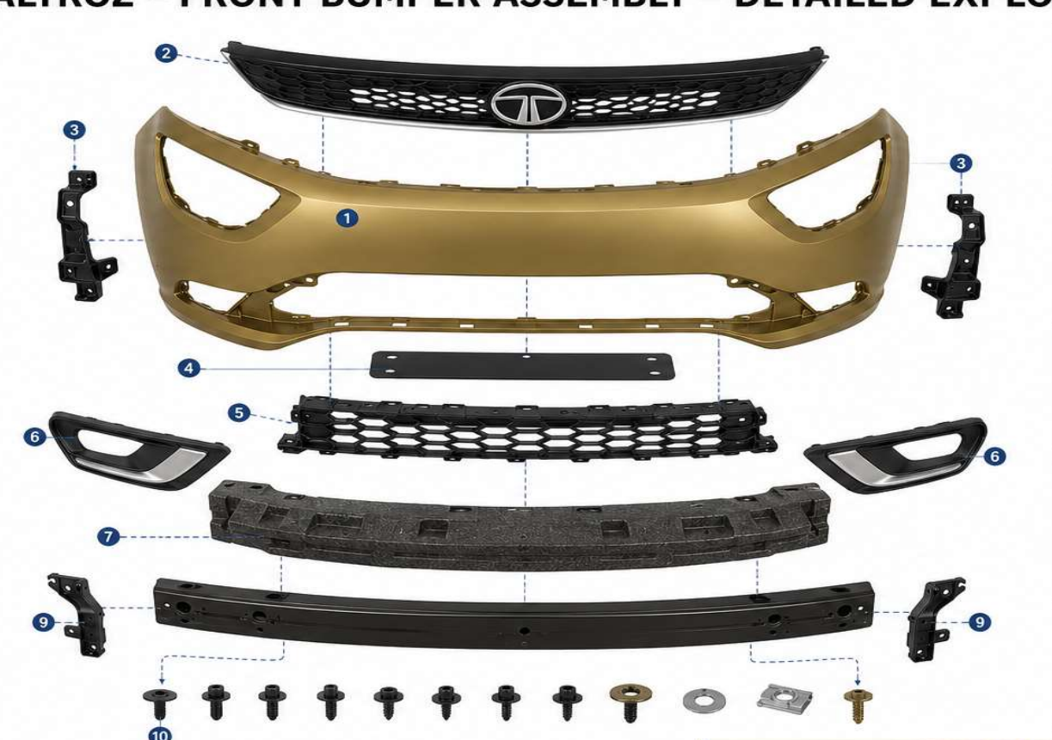
# | Cost block | Basis | ₹ / vehicle set | % of total
1 | Manufactured parts (18 line items) | Bottom-up: material + process + labour + tooling amort + OH + margin
2 | Bought-out parts & hardware | Market reference + handling
3 | Assembly & packing | Station labour + fixtures + overhead + dunnage
 | TOTAL SHOULD COST — FRONT BUMPER ASSEMBLY |  |  | 100.0%

 | Mechanical module only (excl. electronics: sensors, radar, camera, harness)
 | One-time tooling & equipment investment (amortised in the prices above)
 | Annual volume assumption
 | Painted fascia only (compare against fascia-only quotes)

COST BREAKDOWN — THREE VIEWS (1: mechanical vs electronics · 2: cost structure · 3: part-level)
Mechanical vs Electronics
Cost structure (₹/veh)
Part-level breakup — 25 items (see CHART DATA below & cost drivers)

TOP COST DRIVERS
1. Front radar sensor (bought-out) |  |  |  | Largest single item — negotiate LTA with annual step-downs
2. Painted fascia (moulding + paint) |  |  |  | Largest manufactured item — see savings idea #1
3. Front camera module (bought-out) |  |  |  | Directed part — bundle with radar for leverage
4. Parking sensors ×4 (bought-out) |  |  |  | Sensor count is trim-dependent (Assumptions B44)
5. Reinforcement beam (form + weld) |  |  |  | Steel mass dominates — gauge optimisation is the lever

KEY NOTES & BASIS
1. Basis: ex-works tier-1 supplier, India, 2026 rates. Edit any yellow cell (Assumptions / Parts Costing) — every figure recalculates.
2. Masses & cycle times are engineering estimates from typical B-segment bumper benchmarks — replace with actual CAD/part weights when available.
3. Electronics (radar, camera, sensors, harness) are customer-nominated buy items shown at market reference prices, not bottom-up should-costs.
4. Drawing notes PP for grilles while the part list says ABS — costed as PP (textured black, typical for this segment); switch material price ref on Parts Costing if ABS.
5. Parking sensor count set to 4 (base trim). Part list allows 4–8 — change one cell on Assumptions (B44) for higher trims.
6. Tooling amortised over volume × 5 years into piece price. For tooling paid separately by OEM, set tool costs to 0 on Parts Costing (column S).
7. Paint: fascia costed body-colour painted (material + robotic line). Delete row 5 on Parts Costing if supplied moulded-in-colour.
8. Logistics to OEM plant, warranty and ED/GST excluded (per should-cost convention).
9. COMPARING TO A QUOTE: match the scope first. A bumper supplier quote normally EXCLUDES radar/camera/sensors/harness (directed parts) and often the steel beam — compare it to the mechanical-module or painted-fascia lines above, not the headline total.

COST-SAVING IDEAS (VA/VE) — indicative ₹/vehicle, each needs engineering validation
# | Idea | Area | Saving ₹/veh
1 | Moulded-in-colour fascia — delete the paint operation entirely | Fascia
2 | TPO resin long-term agreement / price indexing (−₹10/kg) | Material
3 | Closed-loop runner regrind reuse instead of selling scrap | Material | ₹ 8.00
4 | Conformal-cooled fascia mould — cycle −6 s | Process
5 | Beam gauge/grade optimisation — take 0.4 kg out of the steel | Beam
6 | Integrate bracket piercing into rollform — fewer weld operations | Beam | ₹ 12.00
7 | EPP density 45 → 38 g/l (validated crash performance) | Energy absorber
8 | Mould sensor-holder bosses into fascia — delete 4 parts + 1 tool | Small parts
9 | Family mould: wheel-arch retainers + side supports in one tool | Tooling | ₹ 6.00
10 | Snap-fits replace 6 screws (fascia dress parts) | Fasteners / assembly | ₹ 18.00
11 | Single-vendor moulding consolidation (−2% conversion overhead) | All plastics | ₹ 9.00
12 | Radar + camera LTA with 5% annual step-down | Electronics
13 | Parking-sensor price negotiation to ₹200 (−₹20 each) | Electronics
14 | Returnable-packaging pooling across programmes (−25% trip cost) | Logistics
15 | Combine assembly stations 4 + 5 (line balancing) | Assembly | ₹ 10.00
 | TOTAL IDENTIFIED POTENTIAL (not all additive — pursue top 5 first)

CHART DATA (live formulas — do not delete)
Mechanical parts & assembly
Electronics (radar, camera, sensors, harness)

Material
Process
Tooling
Overheads
SG&A
Profit
Bought-out
Logistics
Assembly

