Claim Settlement Growth
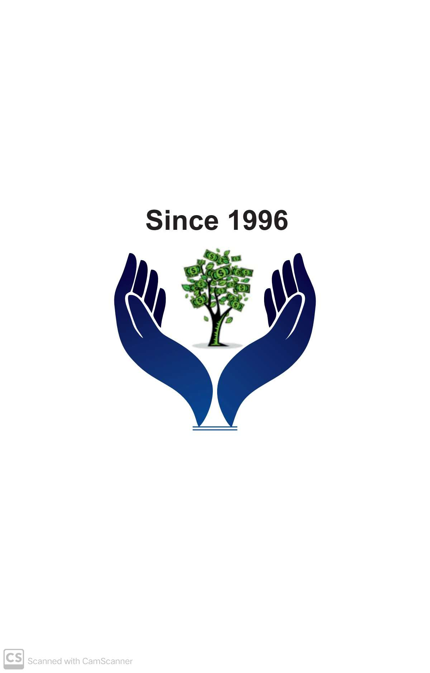
BHARAT BIMA SEVA
Aapka Suraksha Hamari Zimmedari
Year | Claim Settlement Index
2015 | 100
2016 | 107.5
Claim Settlement Growth Over The Years
2017 | 115.56
2018 | 124.23
2019 | 133.55
2020 | 181.61
2021 | 236.1
2022 | 269.13
2023 | 347.16
2024 | 478.67
2025 | 631.05

