Ridge motor inn
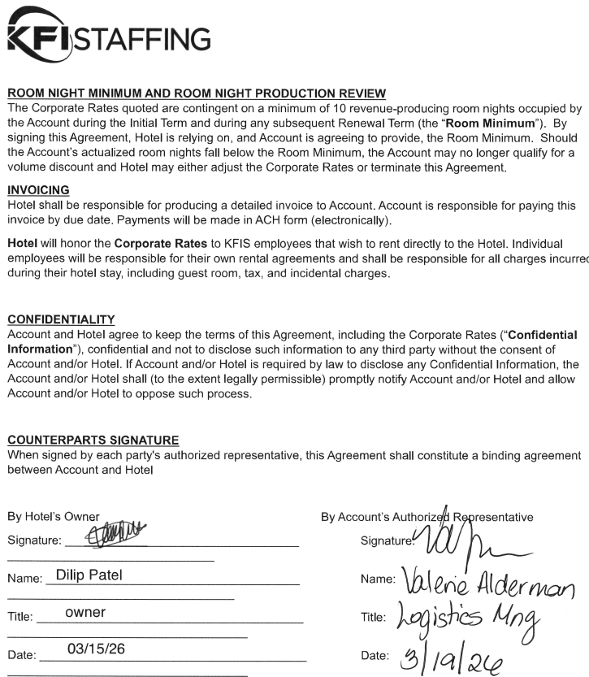
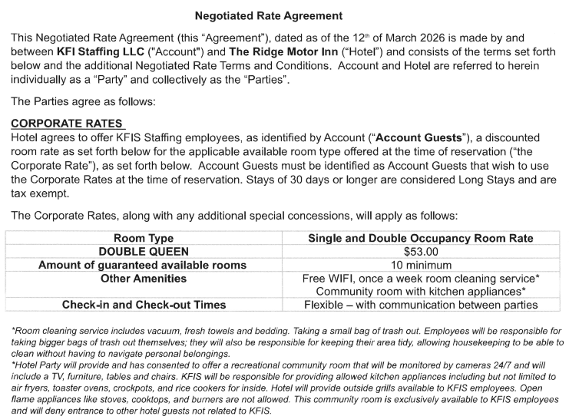

AVU-4855 In-2:30pm
1
2
3
4
5
6
7
8
9
10
11
12

