MV.Baraboo,WI
Prairie Hill Village |  | 1850 W Pine St #___ Baraboo, WI 53913 |  |  |  |  |  |  | 1850 W Pine St #Baraboo53913
$0 | Apt. # | Rooms | Capacity | Bed 1-MR | Bed 2-B | Room In use = 1 Empty = 0 | Occupied Beds | Beds Available |  |  |  |  |  |  | Shifts | EE per Shift
1002 | 509 | 1 | 2 | Eladio Ramos Jr | Pedro Garcia | 1 | 2 | 0 | Eladio Ramos Jr | Lawrence Cortez | Pedro Garcia | Jonathan Ariola |  | #BFBFBF | 2nd - 2pm to midnight | #NAME?
 |  | 2 | 2 | Lawrence Cortez | Jonathan Ariola | 1 | 2 | 0 | was in 812 |  |  |  |  | #F2F2F2 | 1st - 5am to 2pm | #NAME?
1003 | 510 | 1 | 2 |  | Carlos Galvez Garcia | 0 | 1 | 1 | 0 | 0 | Carlos Galvez | Jacob Zepeda
 |  | 2 | 2 |  | Jacob Zepeda | 0 | 1 | 1 | 1 | was in 812 | 1 | 2 | Apt. # | Bed1 or 2 | Name of EE that move OUT | Last day at the housing | Apt. # | Name of EE that move IN | Move In day
1004 | 512 | 1 | 2 | Alexander A Marrero | Xavior R Robinson | 1 | 2 | 0 | Alexander | Alexis Perez | Xavior R Robinson | Dorian Kyles
 |  | 2 | 2 | Alexis Perez | Dorian Kyles | 1 | 2 | 0 |  |  |  |  |  |  |  |  | 512 | ALEXANDER A MARRERO | 2025-10-01
1000 | 811 | 1 | 2 | Moices Bernal | Gabriel Romero | 1 | 2 | 0 | Moices Bernal | Jacob C Ferguson | Gabriel Romero | Ricco Antonio |  |  |  |  | 512 | ALEXIS PEREZ | 2025-10-01
 |  | 2 | 2 | Jacob C Ferguson |  | 1 | 1 | 1 |  |  |  |  |  |  |  |  | 512 | Xavior R Robinson | 2025-10-01
1001 | 812 | 1 | 2 | Abein Flores | Jose Castro | 1 | 2 | 0 | Abein Flores | Antonio Hernandez | Jose Castro | Ismael Meza |  |  |  |  | 512 | Dorian Kyles | 2025-10-01
 |  | 2 | 2 | Antonio Hernandez | Ismael Meza | 1 | 2 | 0 | was in 509 | was in 510 | wrong room |  |  |  |  |  | 811 | Moices Bernal | 2025-10-01
Totals | 5 | 10 | 20 |  |  | 8 | 17 | 3 |  |  |  |  |  |  |  |  | 811 | Ricco Antonio Lorenzana | 2025-10-01 | JOSE CISNEROS | m
 |  |  |  |  |  |  |  |  |  |  |  |  |  |  |  |  | 812 | Abein Flores | 2025-10-04 | JUAN SOLITAIRE | 244 12th St Apt 907 Prairie Du Sac, WI - 53578
 |  |  |  |  |  | Room In use = 1 Empty = 0 | Occupied Beds | Beds Available |  |  |  |  |  |  |  |  | 812 | Antonio Hernandez | 2025-10-04 | ROBERT VILLANUEVA | 244 12th St Apt 907 Prairie Du Sac, WI - 53578
 |  |  |  | Transportation - Night | Transportation - DAY |  |  |  |  |  |  |  |  |  |  |  | 812 | Jose Castro | 2025-10-04 | TYLER GUERRERO | S7559 US Highway 12 Lot N 08 North Freedom, WI 53951
 |  |  | 1 | Alexander A Marrero | Abein Flores |  |  |  |  |  |  |  |  |  |  |  | 812 | Ismael Meza | 2025-10-04
 |  |  | 2 | Lawrence Cortez | Antonio Hernandez |  |  |  |  |  |  |  |  |  |  |  | 510 | Claudio Alvarado | 2025-10-04
 |  |  | 3 | Pedro Garcia | Jose Castro |  |  |  |  |  |  |  |  |  |  |  | 510 | Juan Lozada Lugo | 2025-10-04
 |  |  | 4 | … missing one person… | Ismael Meza |  |  |  |  |  |  |  |  |  |  |  | 510 | Carlos Galvez Garcia | 2025-10-04
 |  |  | 5 |  |  |  |  |  |  |  |  |  |  |  |  |  | 510 | Jacob Zepeda | 2025-10-04
 |  |  | 6 |  |  |  |  |  |  |  |  |  |  |  |  |  | 509 | Eladio Ramos Jr | 2025-10-04
 |  |  | 7 |  |  |  |  |  |  |  |  |  |  |  |  |  | 509 | Lawrence Cortez | 2025-10-04
 |  |  | 8 |  |  |  |  |  |  |  |  |  |  |  |  |  | 509 | Pedro Garcia | 2025-10-04
 |  |  | 9 |  |  |  |  |  |  |  |  |  |  |  |  |  | 509 | Jonathan Ariola | 2025-10-04
 |  |  | 10 |  |  |  |  |  |  |  |  |  |  |  |  |  |  | 1850 W Pine St #Baraboo53913
 |  |  | 11
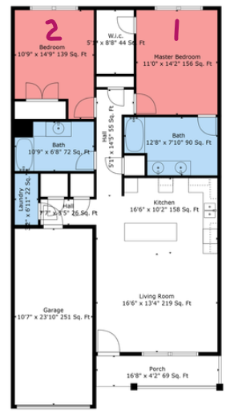
 |  |  | 12 | MV - DRIVER | MV - DRIVER

 | Unit |  |  | Move Out | Date |  |  |  |  | Owns a car - Night | Plate | Marca | Modelo | A~o | Color
 | 510 - 2 |  |  | Juan Lozada Lugo | 2026-01-24 |  |  |  |  | Jacob C Ferguson | JZS-6793 | Toyota | Camry | 2005 | Red
 | 811 - 2 |  |  | Ricco A. Lorenzana | 2026-02-21 |  |  |  |  | Alexis Perez | 012762A39 | Jeep | Cherokee | 2015 | orange
 | 510 - 2 |  |  | Claudio Alvarado | 2026-03-20 |  |  |  |  | Claudio Alvarado | BBS-8671 | Chevrolet | Cruze | 2012 | Red
 |  |  |  |  |  |  |  |  |  | Jacob Zepeda | BCB-2504 | Volkswagen | Passat | 2012 | White
 |  |  |  |  |  |  |  |  |  | Carlos Galvez Garcia | BAF-7626 | Chevrolet | Cruze | 2011 | Gray
 |  |  |  |  |  |  |  |  |  | Dorian Kyles | BCE1187 | Chevrolet | Impala | 2016 | Gray

Schuette.Wausau,WI
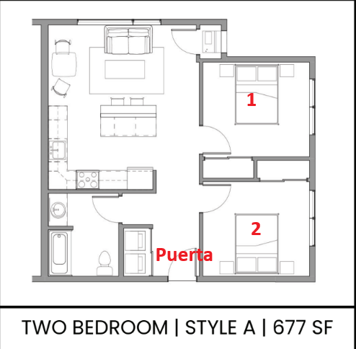
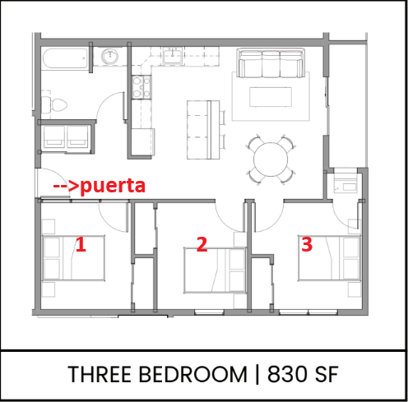
 |  | ***Different address***
$0 | Address | Apt. # | Bedrooms | Capacity | Bedroom # | Person 1 | Person 2 | Room In use = 1 Empty = 0 | Occupied Beds | Beds Available |  | MOVE IN - 2026 | First day at housing | MOVE OUT - 2026 | Last day at housing | MOVE IN | First day at housing | MOVE OUT | Last day at housing
 | 1331 S 8th Ave Apt 200 Wausau, WI 54401 | 200 | 3 | 2 | 1 | COLE C HAYEK | ERIN B MILLER | 1 | 2 | 0 |  | William Johnson | 2026-05-01
 |  |  |  | 2 | 2 | JOSHUA B ALLEN | William Johnson | 1 | 2 | 0
 |  |  |  | 2 | 3 | JULIAN T LEWIS | ELIJAH PATTERSON | 1 | 2 | 0
 | 1341 S 8th Ave Apt 108 Wausau, WI 54401 | 108 | 2 | 2 | 1 | Giovanni | Jaylon | 1 | 2 | 0 | 5/1 to 10/31 - $1,410
 |  |  |  | 2 | 2 | Marquis |  | 1 | 1 | 1
 |  |  |  |  |  |  |  | 5 | 9 | 1
 |  |  |  |  |  |  |  | Room In use = 1 Empty = 0 | Occupied Beds | Beds Available

 |  |  |  |  | Empleado | Correo electronico | Número de teléfono del empleado | Fecha de inicio | Turno
 |  |  |  |  | COLE C HAYEK | colehayek82@gmail.com | 5079775522 | 03/30/2026 | 5-3 1st Shift
 |  |  |  |  | ELIJAH PATTERSON | avewisconsin@gmail.com | 5342469295 | 03/30/2026 | 5-3 1st Shift
 |  |  |  |  | ERIN B MILLER | erin11685@gmail.com | 5079777382 | 03/30/2026 | 5-3 1st Shift
 |  |  |  |  | JOSHUA B ALLEN | joshuaburlinallen@gmail.com | 2696890027 | 03/30/2026 | 5-3 1st Shift
 |  |  |  |  | JULIAN T LEWIS | industrialwi812@gmail.com | 5342469296 | 03/30/2026 | 5-3 1st Shift
 |  |  |  |  | William Johnson

Penda-Portage,WI
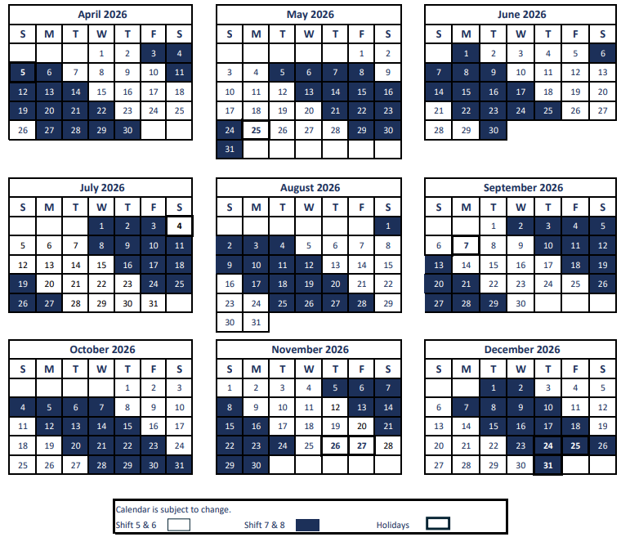
 |  | 2900 New Pinery Rd Portage, WI 53901
$175 | # | Room # | Capacity | Bed #1 - Door | Bed #2 - Window | Room In use = 1 Empty = 0 | Occupied Beds | Beds Available | 14 | Room | MOVE IN - 2026 | First day at housing |  | MOVE OUT - 2026 | Last day at housing | MOVE IN | First day at housing | MOVE OUT | Last day at housing
 | 1 | 303 | 2 |  |  | 0 | 0 | 2 |  |  | Luis Ruiz -T4 | 2026-04-10 |  | Luis Ruiz -T4 | 2026-04-19
 | 2 | 305 | 2 | Bucky Lee Gonzalez -T4 |  | 1 | 1 | 1 |  |  | Evian D Napier - P7 | 2026-04-10 |  | Andrew Granville - P6 | 2026-04-19
 | 3 | 205 | 2 | Ryan Fiegen | Brandon Johnson | 1 | 2 | 0 |  |  | Justin R Hernandez - P7 | 2026-04-10 |  | Christopher M Tuttle -T7 | 4/22/26-called-doesn’t know when he left
 | 4 | 134 | 2 | Jasmine Arce -T4 | Thalia Romero | 1 | 2 | 0 |  |  | Esdras N Lopez - P7 | 2026-04-10
 | 5 | 149 | 2 | Zabdi X Rodriguez - P6 | John Tyler Clark - P6 | 1 | 2 | 0 |  |  | Alfonzo Deray Tucker- P7 | 2026-04-10 |  | Michael B. Felix-T7 | 2026-04-25
 | 6 | 216 | 2 | Brandon Morgan | Diego Martinez | 1 | 2 | 0 |  |  | Jordan T. Smith-T7 | 2026-04-10 |  | Elijah Lee-T7 | 2026-04-16
 | 7 | 215 | 2 | Jared Novak |  | 1 | 1 | 1 |  |  | Trey Grant-T7 | 2026-04-10 |  | Victoria Brannon-T7 | 2026-04-16
 | 8 | 247 | 2 | Jordan T. Smith-T7 | Trey Grant-T7 | 1 | 2 | 0 |  |  | Brandon Hudson- P5 | 2026-04-11 |  | Justin R Hernandez - P7 | 2026-04-26
 | 9 | 122 | 2 | Jonathan P Wheeler - T5 | Cody Troy Smith - T5 | 1 | 2 | 0 |  |  | Emory L. Lewis- P5 | 2026-04-11
 | 10 | 232 | 2 |  |  | 0 | 0 | 2 |  |  | Joshua L Ritch-T5 | 2026-04-11 | 242 | RICKY ARGUELLES-T5 | 2026-04-30
 |  |  |  |  |  |  |  |  |  |  | Christian Hunter-T5 | 2026-04-11 | 242 | CEDRIC T LEE-T7 | 2026-05-01
 | 11 | 113 |  |  |  | 0 | 0 | 0 |  |  | Christian Lee Richardson-T5 | 2026-04-11
 | 12 | 236 |  |  |  | 0 | 0 | 0 |  |  | RICKY ARGUELLES-T5 | 2026-04-11 | 305 | Derwin B. Williams- P5 | 2026-04-30
 | 13 | 248 |  |  |  | 0 | 0 | 0 |  |  | Michael B. Felix-T7 | 2026-04-11 | 248 | Brandon Hudson- P5 | 2026-04-30
 | 14 | 242 |  |  |  | 0 | 0 | 0 |  |  | CEDRIC T LEE-T7 | 2026-04-11 | 248 | Emory L. Lewis- P5 | 2026-04-30
 | 15 |  |  |  |  | 0 | 0 | 0 |  |  | Christopher Lauderdale-T5 | 2026-04-11
 | 16 |  |  |  |  | 0 | 0 | 0 |  |  | Dulce Ascencio (P5-8)-Noche | 2026-04-11 | 306 | Jeremy W Ellis - P5 | 2026-04-29
 | 17 |  |  |  |  | 0 | 0 | 0 |  |  | Andrew Granville - P6 | 2026-04-11 | 306 | Erick F Garcia - P5 | 2026-04-29
 | 18 |  |  |  |  | 0 | 0 | 0 |  |  | Zabdi X Rodriguez - P6 | 2026-04-11 | 113 | Claudia Villalobos - P5 | 2026-04-29
 | 19 |  |  |  |  | 0 | 0 | 0 |  |  | John Tyler Clark - P6 | 2026-04-11
 | 20 |  |  |  |  | 0 | 0 | 0 |  |  | Derwin B. Williams- P5 | 2026-04-11 | 215 | Christopher Lauderdale-T5 | 2026-05-04
 | 21 |  |  |  |  | 0 | 0 | 0 |  |  | Bucky Lee Gonzalez -T4 | 2026-04-11
 | 22 |  |  |  |  | 0 | 0 | 0 |  |  | Christopher M Tuttle -T7 | 2026-04-12 |  | John Aguero - P7 | 2026-05-04
 | 23 |  |  |  |  | 0 | 0 | 0 |  |  | Jasmine Arce -T4 | 2026-04-12 |  | Alfonzo Deray Tucker- P7 | 2026-05-03
 | 24 |  |  |  |  | 0 | 0 | 0 |  |  | Victoria Brannon-T7 | 2026-04-16
 | 25 |  |  |  |  | 0 | 0 | 0 |  |  | Elijah Lee-T7 | 2026-04-16 |  | Christian Hunter-T5 | 2026-05-02
 | 26 |  |  |  |  | 0 | 0 | 0 |  |  |  |  |  | Joshua L Ritch-T5 | 2026-05-02
 | 27 |  |  |  |  | 0 | 0 | 0 |  |  | Jonathan Wheeler - T5 | 2026-04-24
 | 28 |  |  |  |  | 0 | 0 | 0 |  |  | Cody Smith - T5 | 2026-04-24 |  | Esdras N Lopez - P7 | 2026-05-04
 | 29 |  |  |  |  | 0 | 0 | 0 |  |  |  |  |  | Evian D Napier - P7 | 2026-05-04
 | 30 |  |  |  |  | 0 | 0 | 0 |  |  | Ryan Fiegen | 2026-05-11
 | 31 |  |  |  |  | 0 | 0 | 0 |  |  | Brandon Johnson | 2026-05-11 |  | John Anthony Salazar -T6
 | 32 |  |  |  |  | 0 | 0 | 0
 | 33 |  |  |  |  | 0 | 0 | 0 |  |  |  |  |  | Rafael Benavides - P7 | 2026-05-10
 |  |  |  |  |  | 8 | 14 | 6 |  |  |  |  |  | John Salazar -T4 | 2026-05-09
 |  |  |  |  |  | Room In use = 1 Empty = 0 | Occupied Beds | Beds Available

 |  | 122 | 2
 |  | 303 | 2 | Evian D Napier - P7
 |  | 248 | 2
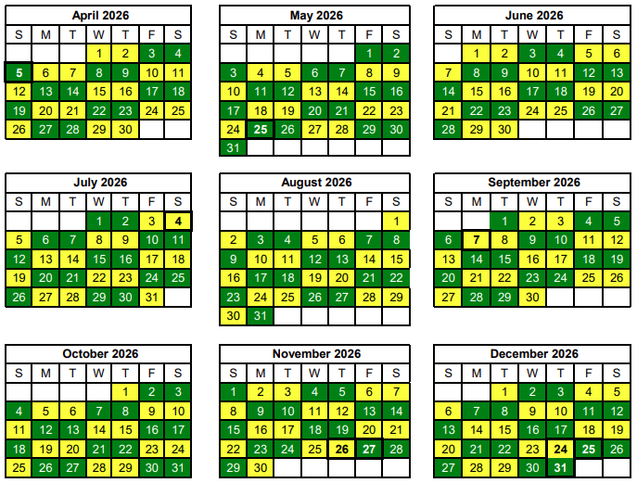
 |  | 305 | 2 |  | Bucky Lee Gonzalez -T4
 |  | 205 | 2 | Esdras N Lopez - P7 | Alfonzo Deray Tucker- P7
 |  | 134 | 2 | Jasmine Arce -T4
 |  | 232 | 2 | Dulce Ascencio (P5-8)-Noche
 |  | 236 | 2
 |  | 149 | 2 | Zabdi X Rodriguez - P6 | John Tyler Clark - P6
 |  | 242 | 2
 |  | 216 | 2 | Christian Hunter-T5 | Joshua L Ritch-T5
 |  | 215 | 2 |  | Christopher Lauderdale-T5
 |  | 247 | 2 | Jordan T. Smith-T7 | Trey Grant-T7
 |  | 113 | 2
 |  |  |  |  | Line 6 (Room 134)
 |  |  |  |  | Line 9 (Room 149)

 |  |  |  |  | Sundays:
 |  |  |  |  | Line 10 (Room 242)
 |  |  |  |  | Line 13 (Room 247)
 |  |  |  |  | Line 3 (Room 248)

Shusters.Greenock.
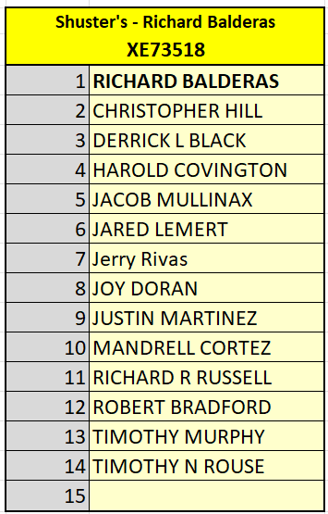
 |  |  |  | Room 1/ Cuarto 1 |  | Room 2/ Cuarto 2 |  |  |  |  |  | MOVE IN - 2026 | First day at housing |  | MOVE OUT - 2026 | Last day at housing | MOVE IN | First day at housing | MOVE OUT | Last day at housing
$0 | Apt. # | Capacity | #Tenant | Person 1 | Person 2 | Persona 3 | Person 4 | Room In use = 1 Empty = 0 | Occupied Beds | Beds Available |  | Jerry Rivas | 2026-04-14 | 36 | Andres Gallegos
900 Seneca CT Apt 42 Mckeesport, PA 15135-2333 | 45 | 4 | 4 | Harold Covington | Lucas J Young | Gage | Richard Fuller | 1 | 4 | 0 |  | Xavier Aaron Addison | 2026-04-18
900 Seneca CT Apt 36 Mckeesport, PA 15135-2333 | 36 | 4 | 4 | Justin Martinez |  | Derrick Black | Robert Bradford | 1 | 3 | 1 |  | Rolando Rene Avitia | 2026-04-18 |  | Timothy Murphy
900 Seneca CT Apt 48 Mckeesport, PA 15135-2333 | 48 | 4 | 4 | Tony Perry |  | Tyler Smith | Jared Lemert | 1 | 3 | 1 |  | Benjamin Zacatzontle | 2026-04-18 |  | Christopher Hill
900 Seneca CT Apt 49 Mckeesport, PA 15135-2333 | 49 | 4 | 4 | Mandrell Coretz | Joy Doran | Richard Balderas |  | 1 | 3 | 1 |  | Michael J Wilson | 2026-04-18 |  | Jaime Alvarado
900 Seneca CT Apt 32 Mckeesport, PA 15135-2333 | 32 | 4 | 4 | Christian Decuire |  | Sam Houston | Christopher Hopson | 1 | 3 | 1 |  | Lucas J Young | 2026-04-18
900 Seneca CT Apt 42 Mckeesport, PA 15135-2333 | 42 | 4 | 4 | Timothy Rouse | Jacob Mullinax | Richard Russell | Jerry Rivas | 1 | 4 | 0
 | 52 | 4 | 4 | Xavier Aaron Addison | Rolando Rene Avitia | Benjamin Zacatzontle | Michael J Wilson | 1 | 4 | 0
 |  |  |  |  |  |  |  | 0 | 0 | 0
 |  |  |  |  |  |  |  | 7 | 24 | 4
 |  |  |  |  |  |  |  | Room In use = 1 Empty = 0 | Occupied Beds | Beds Available

 | 1. Jerry |  |  | Employee | APT | Column1 | Email Address | Phone | Start Date
 |  |  |  | ANDRES GALLEGOS | 36 |  | andres_gallegos78520@yahoo.com | 9564317617 | 03/23/2026
 |  |  |  | Benjamin Zacatzontle | 52
 |  |  |  | CHRISTIAN M DECUIRE | 32 |  | franciscohernandezdz3210@gmail.com | 7653893662 | 12/03/2025
 |  |  |  | CHRISTOPHER D HOPSON | 32 |  | hopsonchristopherd@gmail.com | 5745208101 | 03/26/2026 |  | Jeffrey Jackson
 |  |  |  | CHRISTOPHER HILL | 48 | X | fgonzales03@icloud.com | 9125487136 | 11/10/2025 |  | KOSSIVI BEDZRA
 |  |  |  | DERRICK L BLACK | 36 | X | jesusdavidperezgomez85@gmail.com | 2603196215 | 11/10/2025
 |  |  |  | HAROLD COVINGTON | 45 | X | junio.vale32@gmail.com | 6167965148 | 12/29/2025
Greenock Manor 32 McKeesport, PA - Shuster
 |  |  |  | JACOB MULLINAX | 42 | X | jmullinax313@gmail.com | 3158134658 | 03/30/2026
 |  |  |  | JAIME ALVARADO | 32 |  | albaradojaime438@gmail.com | 5743973919 | 03/26/2026
 |  |  |  | JARED LEMERT | 48 | X | juancarlopz1704@gmail.com | 2569494578 | 11/10/2025
 |  |  |  | Jerry Rivas | 42 | X
 |  |  |  | JOY DORAN | 49 | X | doranjoy991@gmail.com | 9122783847 | 12/02/2024
 |  |  |  | JUSTIN MARTINEZ | 36 | X | jm9835682@gmail.com | 8782902895 | 01/06/2025
 |  |  |  | Lucas J Young | 52
 |  |  |  | MANDRELL CORTEZ | 49 | X | mandrellcortez36@gmail.com | 3152759350 | 01/06/2025
 |  |  |  | Michael J Wilson | 45
 |  |  |  | RICHARD BALDERAS | 49 | D | rsbalderas18@gmail.com | 9796330649 | 03/05/2026
 |  |  |  | RICHARD R RUSSELL | 42 | X | vs7141998@gmail.com | 3094595332 | 03/30/2026
 |  |  |  | ROBERT BRADFORD | 36 | X | azzz1234567890.lopez@gmail.com | 2244787536 | 01/26/2026
 |  |  |  | Rolando Rene Avitia | 45
 |  |  |  | SAM D HOUSTON | 32 |  | ruizdiazpedro534@gmail.com | 7657601326 | 12/03/2025
 |  |  |  | TIMOTHY MURPHY | 45 | X | p3547256@gmail.com | 8105424749 | 12/29/2025
 |  |  |  | TIMOTHY N ROUSE | 42 | X | nrousetimothy@gmail.com | 3153678825 | 03/30/2026
 |  |  |  | TONY A PERRY | 48 |  | aperrytony39@gmail.com | 5743975814 | 03/23/2026
 |  |  |  | TYLER SMITH | 48 |  | smithztyler5@gmail.com | 5743973031 | 03/23/2026
 |  |  |  | Xavier Aaron Addison | 52

 |  |  | Apt. # | Person 1 | Person 2 | Person 3 | Person 4
 |  |  | 45 | Harold Covington | Lucas J Young | Gage | Richard Fuller
 |  |  | 36 | Justin Martinez | 0 | Derrick Black | Robert Bradford
 |  |  | 48 | Tony Perry | 0 | Tyler Smith | Jared Lemert
900 SENECA CT APT 49 (Range 41 - 49)
MCKEESPORT PA 15135-2333
918 ZIMMER LN APT (Range 61 - 69)
MCKEESPORT PA 15135-2334
1040 COMPLEX DR APT (Range 71 - 79)
MCKEESPORT PA 15135-2332
 |  |  | 49 | Mandrell Coretz | Joy Doran | Richard Balderas
 |  |  | 32 | Christian Decuire | 0 | Sam Houston | Christopher Hopson
 |  |  | 42 | Timothy Rouse | Jacob Mullinax | Richard Russell | Jerry Rivas
 |  |  | 52 | Xavier Aaron Addison | Rolando Rene Avitia | Benjamin Zacatzontle

 |  |  | Shuster's - Richard Balderas |  |  | Shuster's - 12 cap
 |  |  | XE73518 |  |  | AXN2194
 |  |  | 1 | RICHARD BALDERAS |  | 1
 |  |  | 2 | CHRISTOPHER HILL |  | 2
 |  |  | 3 | DERRICK L BLACK |  | 3
 |  |  | 4 | HAROLD COVINGTON |  | 4
 |  |  | 5 | JACOB MULLINAX |  | 5
 |  |  | 6 | JARED LEMERT |  | 6
 |  |  | 7 | Jerry Rivas |  | 7
 |  |  | 8 | JOY DORAN |  | 8
 |  |  | 9 | JUSTIN MARTINEZ |  | 9
 |  |  | 10 | MANDRELL CORTEZ |  | 10
 |  |  | 11 | RICHARD R RUSSELL |  | 11
 |  |  | 12 | ROBERT BRADFORD |  | 12
 |  |  | 13 | TIMOTHY MURPHY |  | 13
 |  |  | 14 | TIMOTHY N ROUSE |  | 14
 |  |  | 15 |  |  | 15

