Material List
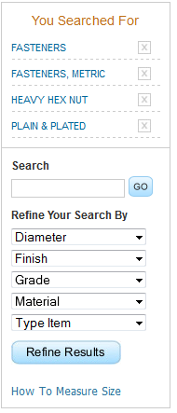
 | BN 272 - DIN 912 - ISO 4762
 | Hex socket head cap screws
 | fully threaded | Material | Steel | Quality | 8.8
 |  | Surface | black

 | DIN 912 | Material | Steel
 | ISO 4762 | Surface | black
 | ~UNI 5931 | Quality | 8.8
Material Id/ Part No/ SKU | Product Discription | Dia | Length | Box Qty | Availability | Price per box | Box Weight | No of Box Require | Price Per Pc | Per Pc Weight | No Of Pcs Require
111490 | Socket Head Cap Screw 12.9 Black Full Thread Fine | 12 | 40 | 200 | Avl | 45
111491 | Socket Head Cap Screw 12.9 Black Full Thread Fine | 12 | 45 | 200 | N/A | 47
111492 | Socket Head Cap Screw 12.9 Black Full Thread Fine | 12 | 50 | 200 | N/A | 49
111493 | Socket Head Cap Screw 12.9 Black Full Thread Fine | 12 | 55
111494 | Socket Head Cap Screw 12.9 Black Full Thread Fine | 12 | 60
111495 | Socket Head Cap Screw 12.9 Black Full Thread Fine | 12 | 65
111496 | Socket Head Cap Screw 12.9 Black Full Thread Fine | 16 | 40
111497 | Socket Head Cap Screw 12.9 Black Full Thread Fine | 16 | 45
111498 | Socket Head Cap Screw 12.9 Black Full Thread Fine | 16 | 50
111499 | Socket Head Cap Screw 12.9 Black Full Thread Fine | 16 | 55
111500 | Socket Head Cap Screw 12.9 Black Full Thread Fine | 16 | 60
111501 | Socket Head Cap Screw 12.9 Black Full Thread Fine | 16 | 65

Stock Availability & Non-Avail
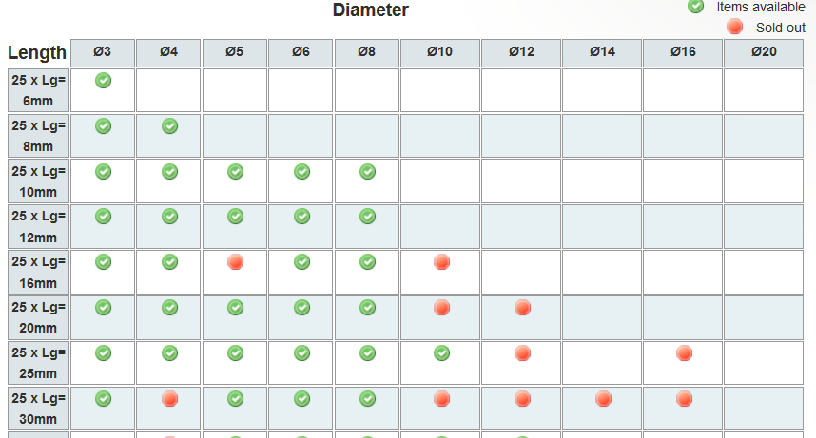

The product is sold out or insufficient quantity, click the desired size

Out-Of-Stock
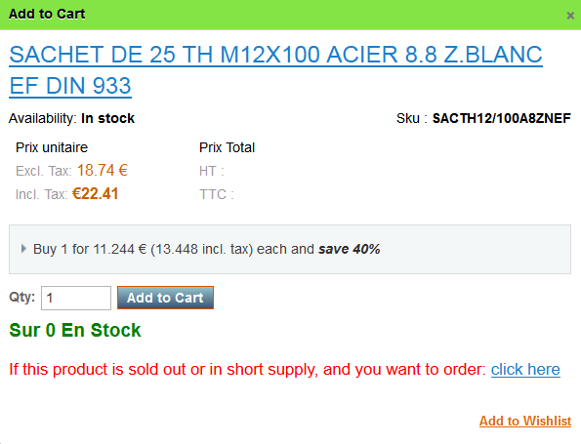

Free Shipping
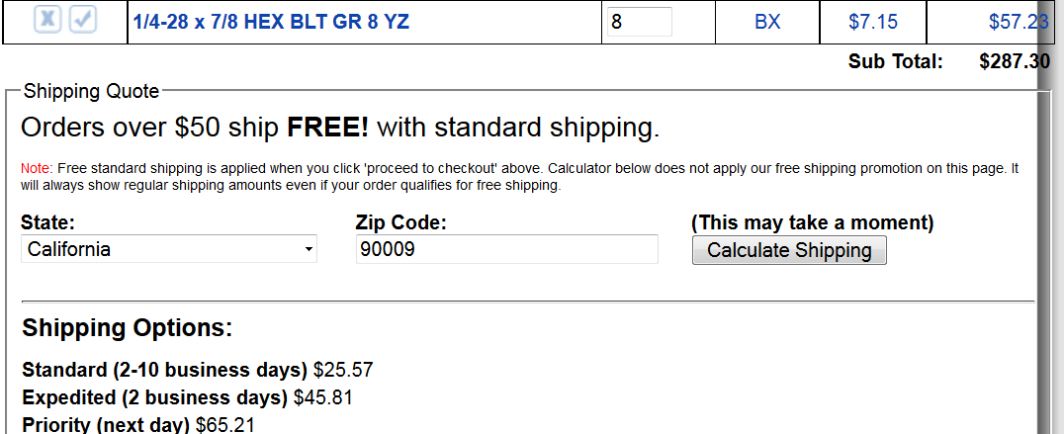

Invoice
