1. Title Page
[Instacart Grocery Basket Analysis]

Project Name: Instacart Basket analysis
Date: 1/31/2024
Analyst Name: Sunita Lamichhane

Contents:
Population Flow
Consistency checks
Wrangling steps
Column derivations
Visualizations
Recommendations

 |  | Data Citation
 |  |  | "The Instacart Online Grocery Shopping Dataset 2017"
 | Note: |  |  | The price information are fabricated by CareerFounday

2. Population Flow
Title page

Population flow

Exclusion flag
Condition: max_order < 5
Obervations to be removed: 1,440,295
Final total count of order_products_all: 30,964,564

Orders_products_combined
Orders_products_merged
Orders_products_all

Total: 32,404,859
Total: 32,434,489
Total: 32,404,859

1.) The grey boxes in the first row of the population flow represent the original data sets as they were when you downloaded them. In the Total fields you need to add the count of the rows when you imported the data set into Jupyter.
2.) The second row of boxes (coloured) represents the data sets after you manipulated them, e.g., removed missing values and duplicates. In the Total fields you need to add the count of the rows after conducting these operations. This offers a visual oveview of how the data flows throughout the data consistency checks.
3.) The third row, where also the arrows are coloured, represents the merges you performed between the datasets. In the Total fields you need to add the count of the rows in the merged datasets, so that you end up with the final dataset (in the red box). Keep in mind the final dataset should be without exclusions (based on the exclusion flag).

3. Consistency checks
 |  |  |  | Title page
Consistency checks

Dataset | Missing values | Missing values treatment | Duplicates
orders | 206209 missing values in days_since_prior_order column | created a column to show if the order is first order or not. If the column has missing value, it will say it is first order, if not it is not the first order | No Duplicates Value
products | 16 missing values in product_name Column | Removed rows containing 16 missing Values | There are 5 duplicate values in the data frame
orders_products_prior | None | N/A | None
customers | First Name has 11259 missing values | Dropped the column as the name was not needed | None

4. Wrangling steps
 |  |  |  | Title page
Wrangling steps

Columns dropped | Columns renamed | Columns' type changed | Comment/Reason
Eval_set (order table) | order_dow to order_day_of_week | order_id (Order table) | To make it easy to understand.
 | order_hour_of_day to order_time_of_day | user_id (Order Table) | To make it easy to understand.
First Name (customer table) | STATE to State (Customer table)
Surname (Customer table) | n_dependants to Number_of_Dependants (Customer table) | user_id (Customer table) | To make it easy to understand.
 | fam_status to Family_Status (Customer table)

5. Column derivations
 |  |  |  | Title page

Column derivations and aggregations

In this tab you should add tables below that the frequences of flags/label variables that you produced after deriving them. NB: don't do this for continuous variables, only for flags.
Dataset | New column | Column/s it was derived from | Conditions
Orders | First_order | days_since_prior_order | If the Column has NaN give First Order otherwise give Not First Order
ords_prods_merge | busiest_day | orders_day_of_week | for value in df_ords_prods_merge["orders_day_of_week"]: if value == 0: result.append("Busiest day") elif value == 4: result.append("Least busy") else: result.append("Regularly busy")
ords_prods_merge | busiest_days_modified | orders_day_of_week | for value in df_ords_prods_merge["orders_day_of_week"]: if value in (0,1): result1.append("Busiest days") elif value in (3,4): result1.append("Slowest days") else: result1.append("Regular days")
ords_prods_merge | busiest-period_of_day | time_of_day | for value in df_ords_prods_merge["time_of_day"]: if value in (10,11,14,15,13,12,16,9,17): result2.append("Most orders") elif value in (8,18,19,20,7,21,22,23): result2.append("Average orders") else: result2.append("Fewest orders")
ords_prods_merge | price_range_loc | prices | if row['prices'] <= 5: return 'Low-range product' elif (row['prices'] > 5) and (row['prices'] <= 15): return 'Mid-range product' elif row['prices'] > 15: return 'High range' else: return 'Not enough data'
ords_prods_merge | max_order | order_number group by user_id | df_ords_prods_merge_final.groupby(['user_id'])['order_number']. transform(np.max)
ords_prods_merge | loyalty_flag | max_order | df_ords_prods_merge_final.loc[df_ords_prods_merge_final['max_order'] > 40, 'loyalty_flag'] = 'Loyal customer' df_ords_prods_merge_final.loc[(df_ords_prods_merge_final['max_order'] <= 40) & (df_ords_prods_merge_final['max_order'] > 10), 'loyalty_flag'] = 'Regular customer df_ords_prods_merge_final.loc[df_ords_prods_merge_final['max_order'] <= 10, 'loyalty_flag'] = 'New customer'
ords_prods_merge | mean_product_price | prices group by user_id | df_ords_prods_merge_final.groupby(['user_id'])['prices'].transform(np.mean)
ords_prods_merge | spending_flag | mean_product_price | df_ords_prods_merge_final.loc[df_ords_prods_merge_final['mean_product_price'] < 10, 'spending_flag'] = 'Low spender df_ords_prods_merge_final.loc[df_ords_prods_merge_final['mean_product_price'] >= 10, 'spending_flag'] = 'High spender'
ords_prods_merge | median_days_between_orders | days_since_prior_order group by user_id | df_ords_prods_merge_final.groupby(['user_id'])['days_since_prior_order'].transform(np.median)
ords_prods_merge | order_frequency | median_days_between_orders | df_ords_prods_merge_final.loc[df_ords_prods_merge_final['median_days_between_orders'] > 20, 'order_frequency'] = 'Non-frequent customer' df_ords_prods_merge_final.loc[(df_ords_prods_merge_final['median_days_between_orders'] <= 20) & (df_ords_prods_merge_final['median_days_between_orders'] > 10), 'order_frequency'] = 'Regular customer' df_ords_prods_merge_final.loc[df_ords_prods_merge_final['median_days_between_orders'] <= 10, 'order_frequency'] = 'Frequent customer'
final_combined_data | Region | State | df.merge(Region, on = ['State'])
final_combined_data | Age_Category | Age | Age'] > 18) & (df_filtered['Age'] <= 35), 'Age_Category'] = 'Young Adult' Age'] > 35) & (df_filtered['Age'] <= 65), 'Age_Category'] = 'Adult' Age'] > 65, 'Age_Category'] = 'Old Age'
final_combined_data | Income_Category | income | income'] <= 50000), 'Income_Category'] ='Low Income' income'] > 50000) & (df_filtered['income'] <=100000), 'Income_Category'] ='Medium Income' 'income'] > 100000), 'Income_Category'] = 'High Income'
final_combined_data | Dependants_Category | Number_of_Dependants | Number_of_Dependants'] == 0, 'Dependants_Category'] = "No Dependants" Number_of_Dependants'] >= 1) & (df_filtered['Number_of_Dependants'] <=2), 'Dependants_Category'] ='2 or Less Dependents' Number_of_Dependants'] >= 3, 'Dependants_Category'] = "3 or More Dependants"

6. Visualizations
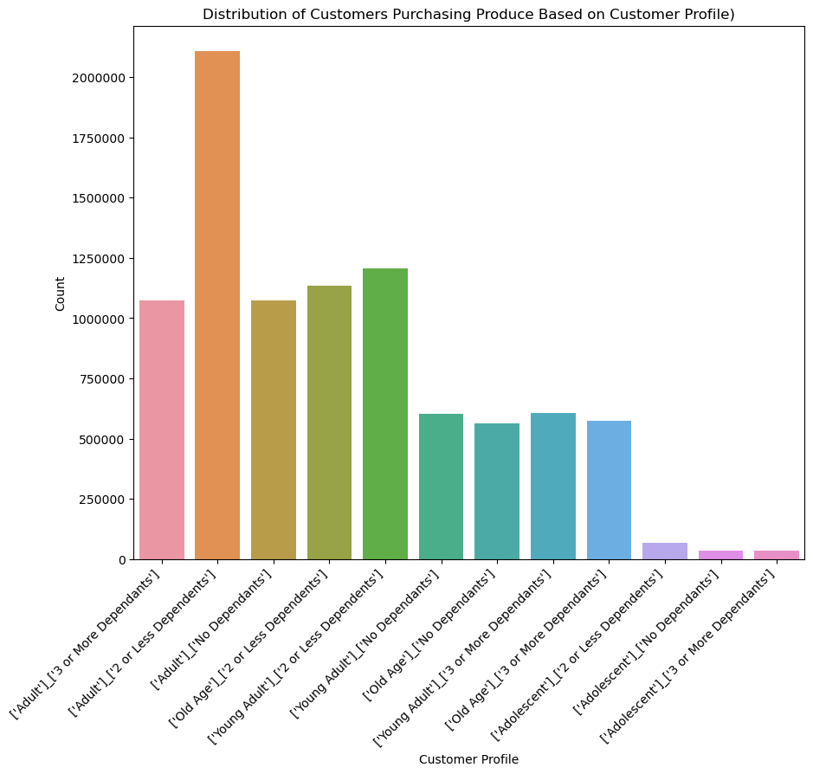
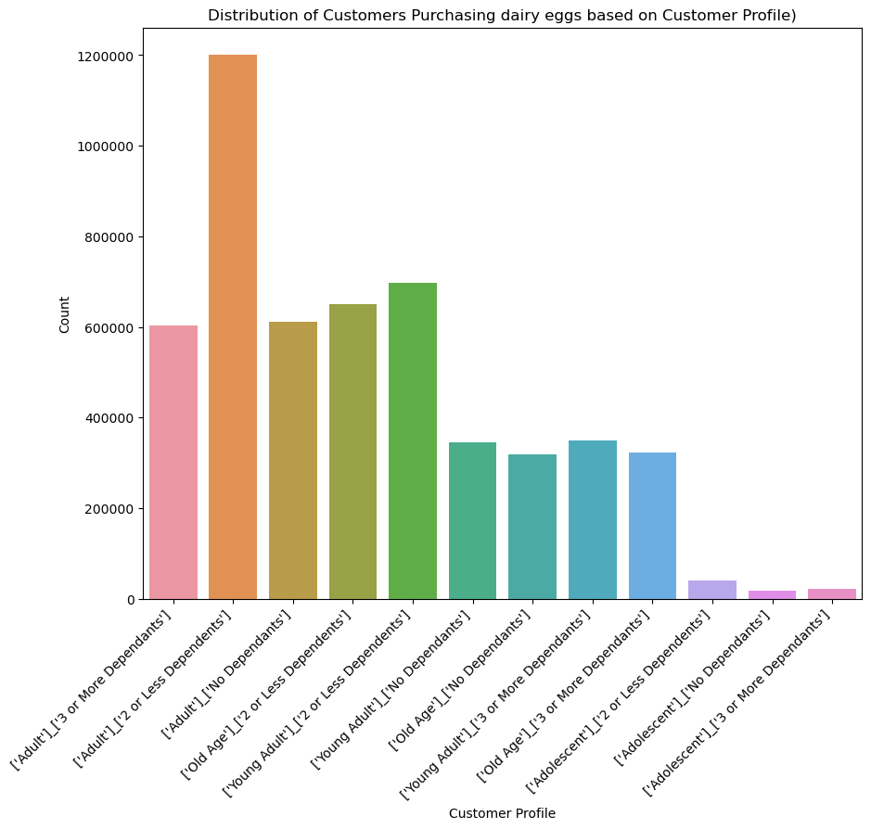

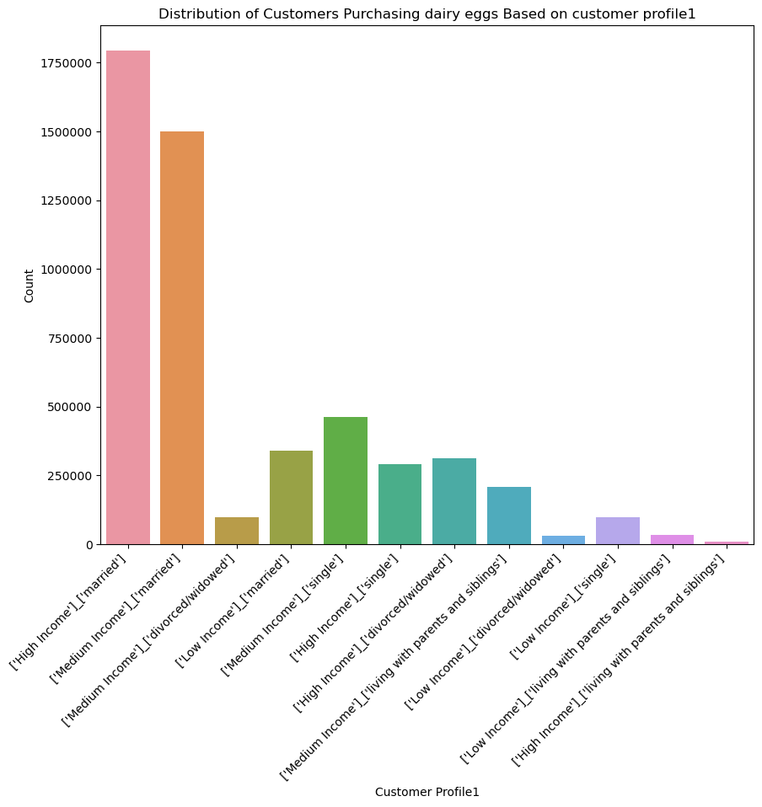
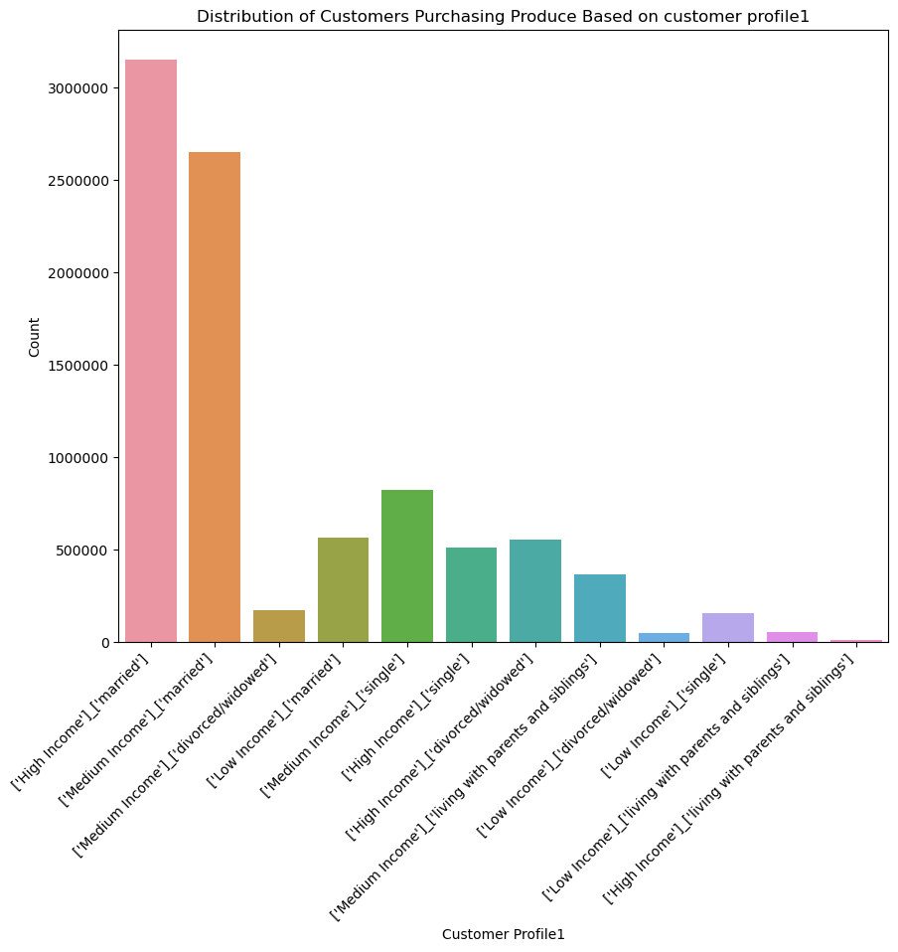
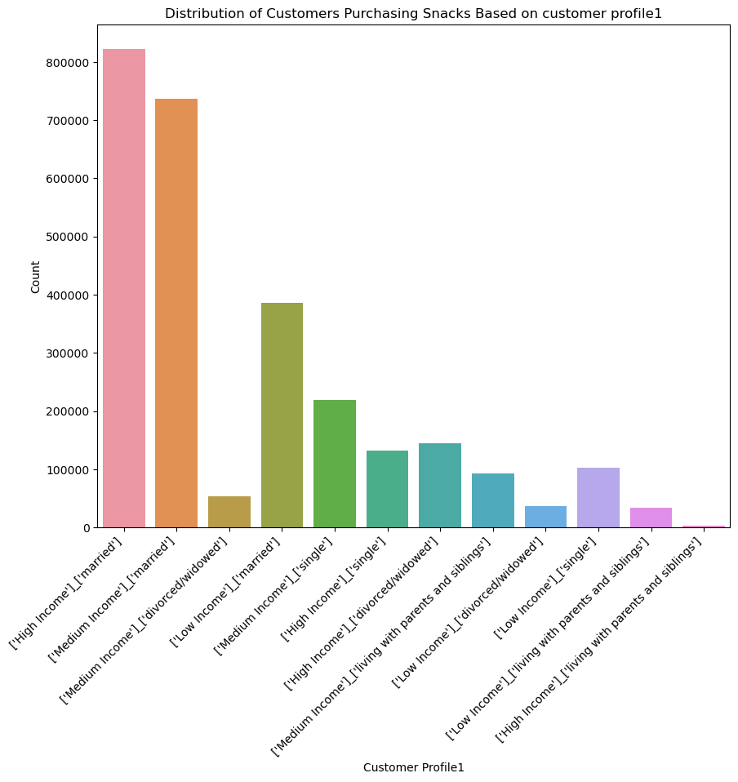
 |  | Title page

Visualisations

In this tab you should include all the visualtions from Exercises 4.9 and 4.10, alongside the questions from the project brief that they answer. Include any commentary on the relationship between different variables.

Key Question1) The sales team needs to know what the busiest days of the week and hours of the day are (i.e., the days and times with the most orders) in order to schedule ads at times when there are fewer orders.

Answer: Based on the analysis, Saturday is the busiest day of the week followed by Sunday. Tuesday and Wednesday are the slowest days of the week. 3 PM is the busisest hour of the day after which sales decline consistently. Most of the order happen from 9 AM to 3 PM.
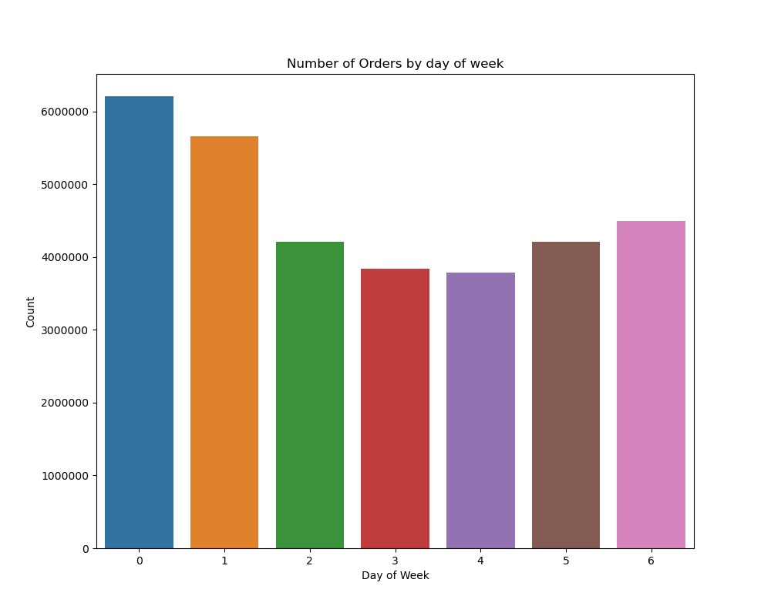
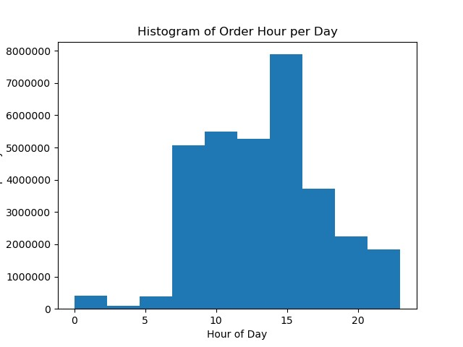

Key Question2) They also want to know whether there are particular times of the day when people spend the most money, as this might inform the type of products they advertise at these times.

Answer: The costliest hours of the day are in the night after midnight. It peaks at 2 PM. The prices are low after 9 AM and remains lowest at 10 PM.

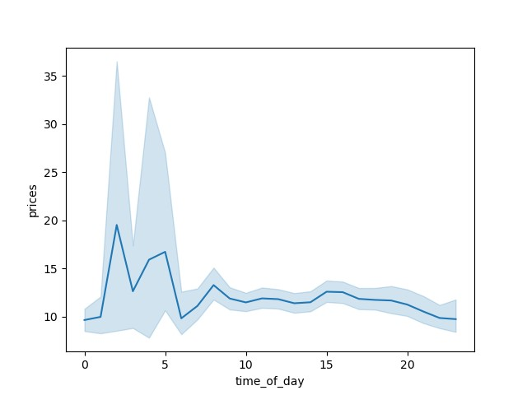
Prices at different times of the day

Key Question3) Instacart has a lot of products with different price tags. Marketing and sales want to use simpler price range groupings to help direct their efforts.

Answer: The price should be less than 15 dollars. There are hardly any sales after 15 dollars. There might be some products that might warrant higher prices, but in general the prices should be below 15 dollars

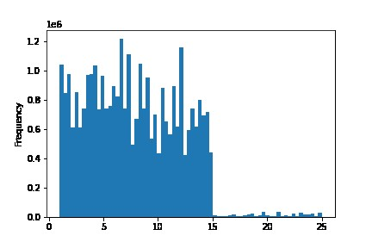
Histogram of Price

Key Question 4) Are there certain types of products that are more popular than others? The marketing and sales teams want to know which departments have the highest frequency of product orders

Answer: Produce is the highest selling product followed by dairy eggs, snacks and beverages.

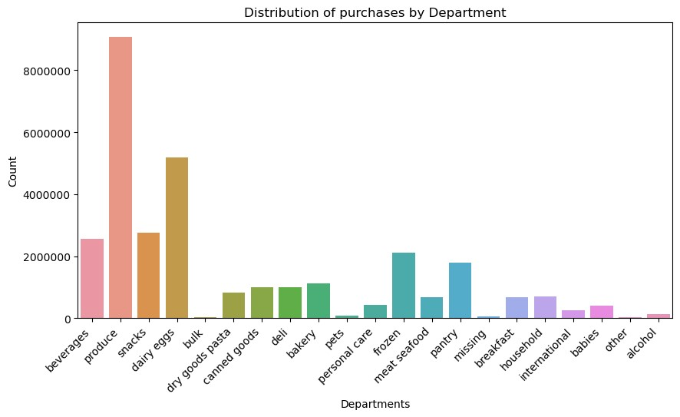

 | Key Question 5) The marketing and sales teams are particularly interested in the different types of customers in their system and how their ordering behaviors differ. 5-1) What’s the distribution among users in regards to their brand loyalty (i.e., how often do they return to Instacart)?

Answer: Most of the customers of instacart at Regular Customers (Having orders between 10 and 40 orders). Instacart also has loyal customers with having more than 40 orders.

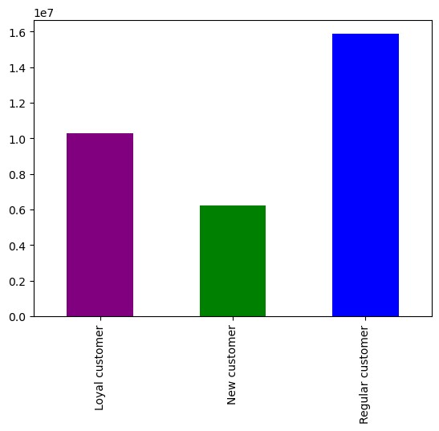
Customer Distribution by Loyalty

Key Question 5) The marketing and sales teams are particularly interested in the different types of customers in their system and how their ordering behaviors differ. 5-2) Are there differences in ordering habits based on a customer’s loyalty status?

Answer: All type of customers have similar shopping patters. All of the customer's major shopping is produce, and dairy eggs.

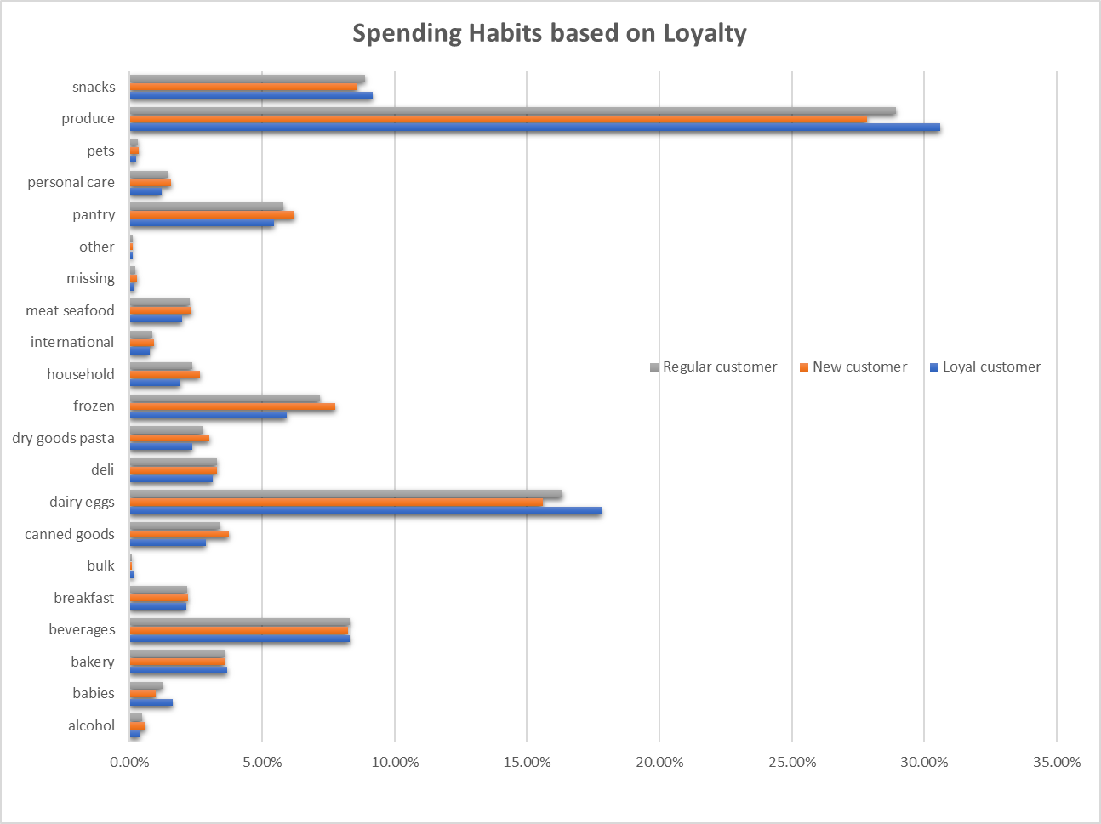

Key Question 5) The marketing and sales teams are particularly interested in the different types of customers in their system and how their ordering behaviors differ. 5-3) Are there differences in ordering habits based on a customer’s region?

Answer: By region, South has more customers than other regions, but the shopping pattern is almost similar to all regions.

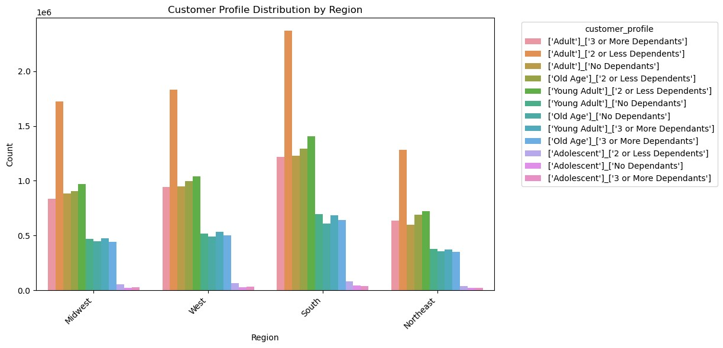
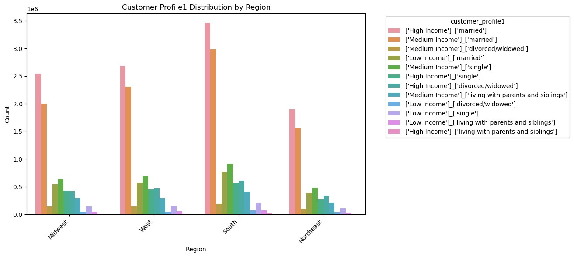

Key Question 5) The marketing and sales teams are particularly interested in the different types of customers in their system and how their ordering behaviors differ. 5-4) Is there a connection between age and family status in terms of ordering habits?

Answer: Age and family status doesn't affect the ordering habits and all groups show almost same pattern of shopping

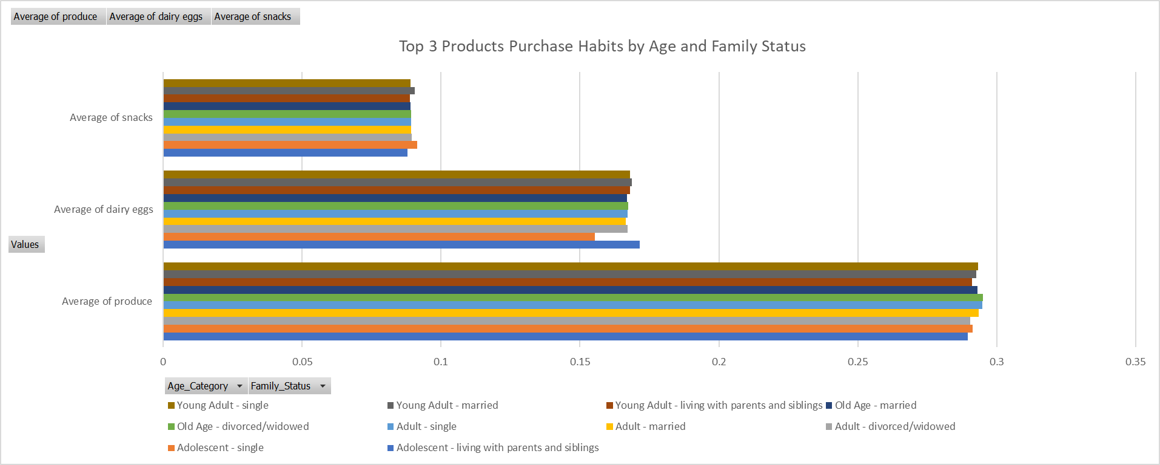

Key Question 5) The marketing and sales teams are particularly interested in the different types of customers in their system and how their ordering behaviors differ. 5-5)What different classifications does the demographic information suggest? Age? Income? Certain types of goods? Family status?

Answer: Income has high impact on shopping pattern. High income families living with siblings and parents are almost spending 12 times more than medium income families living with siblings and parents

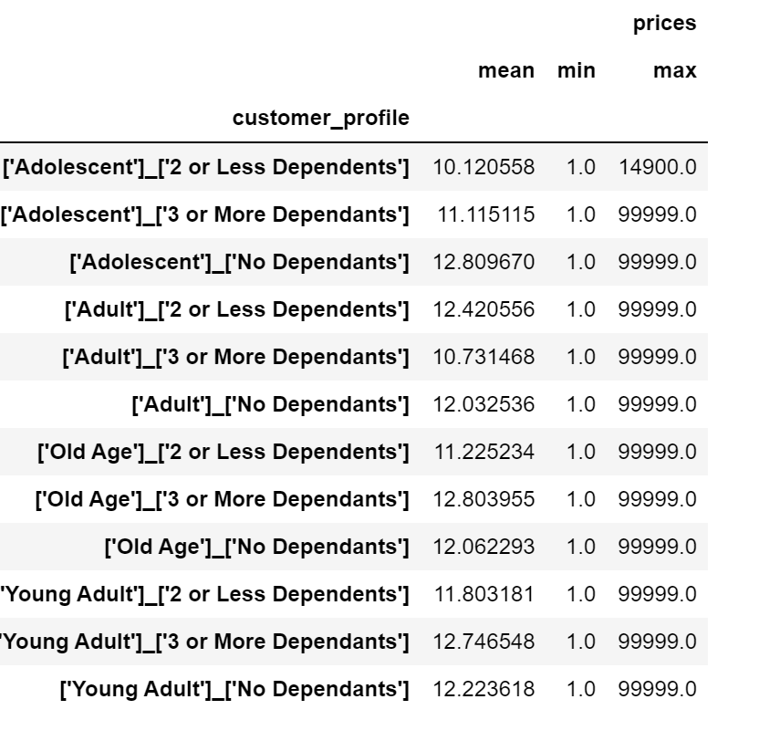

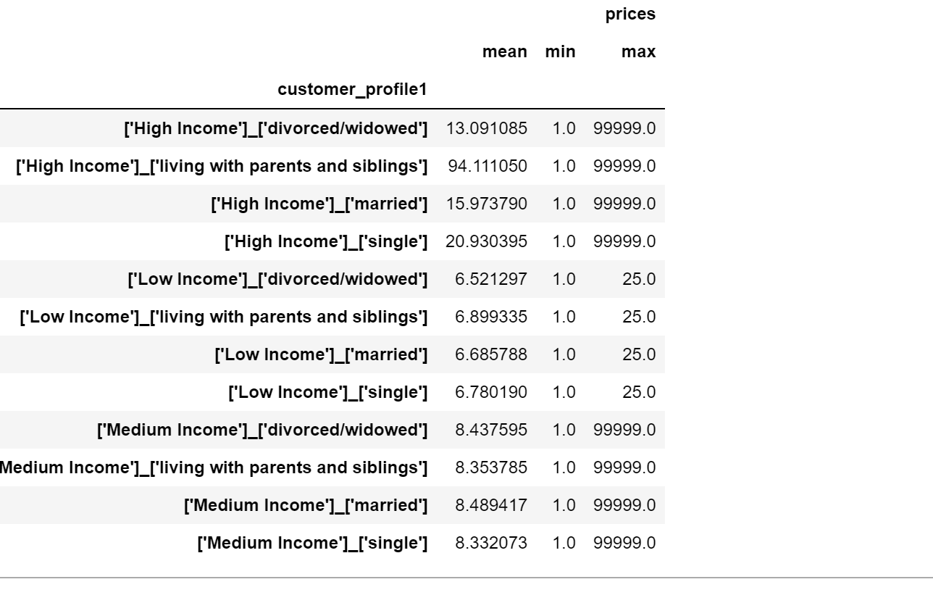

Key Question 5) The marketing and sales teams are particularly interested in the different types of customers in their system and how their ordering behaviors differ. 5-6) What differences can you find in ordering habits of different customer profiles? Consider the price of orders, the frequency of orders, the products customers are ordering, and anything else you can think of.

Answer: Adults having 1 or 2 dependents are ordering more frequently than than other groups. In general adults spend more than other groups

7. Recommendations
 |  |  | Title page

Recommendations

In this tab you should include any recommendations you would made to Instcart in terms of their marketing strategy based on the questions posed in the brief. Every key question has been covered in the Tasks of the Exercises - here you need to add an item - a visualisation or table/crosstable that is showing the answer in the data, acompanied by a comment from you. Please, list the questions below and add the answer underneath.

Question |  | Answer

Key Question1) The sales team needs to know what the busiest days of the week and hours of the day are (i.e., the days and times with the most orders) in order to schedule ads at times when there are fewer orders. | Since the weekends are the most busiest days of the week, instacart's operation should be optimized to handle the load. The web servers might have to be increased. Labor should be planned accordingly. This should especially focus in the afternoon hours (peaks at 3PM)

Key Question2) They also want to know whether there are particular times of the day when people spend the most money, as this might inform the type of products they advertise at these times. | Customers are mostly buying in the afternoon. Customers pay high prices when they order in the night. Marketing can focus on these times to target High income families. In the afternoon hours prices remain low, but most purchases happen. Some discount programs can be applied for the products that are not selling frequently

Key Question3) Instacart has a lot of products with different price tags. Marketing and sales want to use simpler price range groupings to help direct their efforts. | The prices for most of the products should be below 15 as the products higher than that prices are not being purchased. Some discount programs might help in selling the high end products. It might be better to target those products to high income families

Key Question 4) Are there certain types of products that are more popular than others? The marketing and sales teams want to know which departments have the highest frequency of product orders | Emphasis should be given on 3 major products: produce, dairy egg, and snacks. These are the most selling products. More stocks should be put for these products. Shortages of these products will impact the business, so supply of these major products is important

Key Question 5) The marketing and sales teams are particularly interested in the different types of customers in their system and how their ordering behaviors differ. 5-1) What’s the distribution among users in regards to their brand loyalty (i.e., how often do they return to Instacart)? | There are good number of loyal customers in instacart. They order the items frequently. Loyal customers should be taken care so that they remain in the program for longer period. Discounts, and better customer services along with some loyalty program like giving points for purchases might help in making the new customers loyal in the long term

Key Question 5) The marketing and sales teams are particularly interested in the different types of customers in their system and how their ordering behaviors differ. 5-2) Are there differences in ordering habits based on a customer’s loyalty status? | There is not a difference in the patter of purchase based on the loyalty. Almost all customers have similar purchasing practice. Focus should be given on how to convert new customers to loyal customers

Key Question 5) The marketing and sales teams are particularly interested in the different types of customers in their system and how their ordering behaviors differ. 5-3) Are there differences in ordering habits based on a customer’s region? | There is not a difference in the patter of purchase based on the region. But South has most number of customers. So there should be more emphasis on better operation in South compared to other regions.

Key Question 5) The marketing and sales teams are particularly interested in the different types of customers in their system and how their ordering behaviors differ. 5-4) Is there a connection between age and family status in terms of ordering habits? | Age and family status doesn't really impact the purchasing pattern. All age groups and family groups should be served according to their need

Key Question 5) The marketing and sales teams are particularly interested in the different types of customers in their system and how their ordering behaviors differ. 5-5)What different classifications does the demographic information suggest? Age? Income? Certain types of goods? Family status? | Income is biggest factor in deciding what the customers are purchasing. High income customers needs look different than the low and medium income. Providing the products for income level will increase the loyalty towards the program in long term

Key Question 5) The marketing and sales teams are particularly interested in the different types of customers in their system and how their ordering behaviors differ. 5-6) What differences can you find in ordering habits of different customer profiles? Consider the price of orders, the frequency of orders, the products customers are ordering, and anything else you can think of. | Adults (married) are generally the groups that order from instacart. High income people with dependents tend to purchasing more.

