Program Specification
Menu Page


Specification | Function
1. This screen shows the menu option | menu.fxml Redirects to the screen selected by the user

Category Page
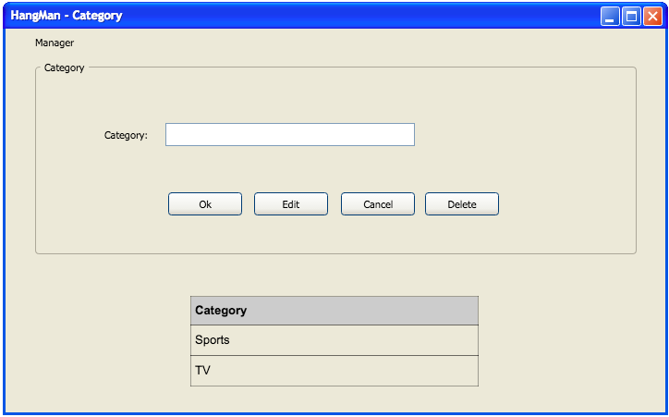

Specification | Function
1. This screen shows the menu option | menu.fxml Redirects to the screen selected by the user
2. The user can input the category | Add the category in the table view
3. The user can click in the buttons: Ok, Edit, Cancel and Delete | Add, edit and delete the category in the table view or cancel the actions
4. Table view | Show the categories

Level Page
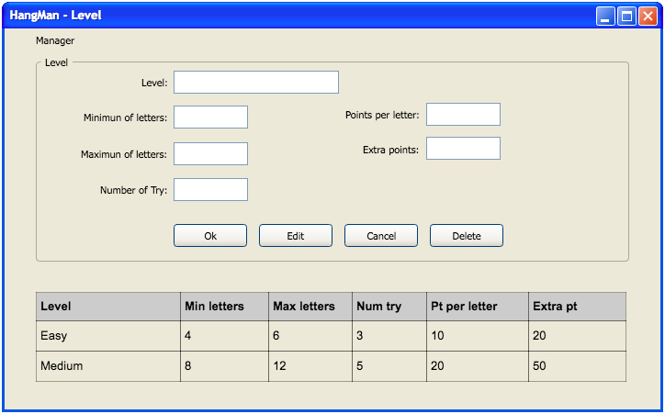

Specification | Function
1. This screen shows the menu option | menu.fxml Redirects to the screen selected by the user
2. The user can input the level | Add the level in the table view
3. The user can click in the buttons: Ok, Edit, Cancel and Delete | Add, edit and delete the level in the table view or cancel the actions
4. Table view | Show the levels

Word Page
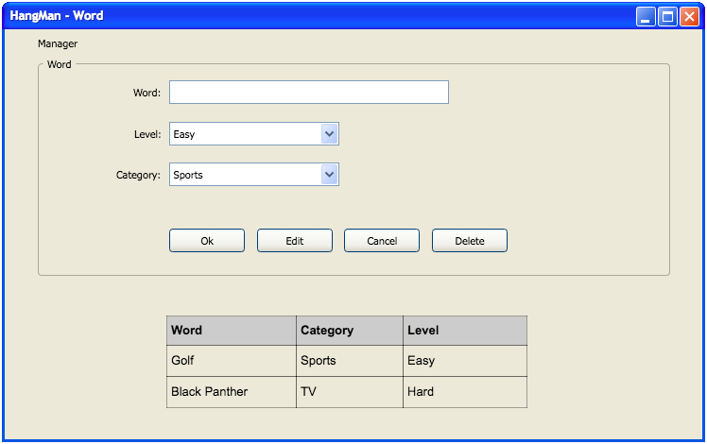

Specification | Function
1. This screen shows the menu option | menu.fxml Redirects to the screen selected by the user
2. The user can input the word | Add the word in the table view
3. The user can click in the buttons: Ok, Edit, Cancel and Delete | Add, edit and delete the word in the table view or cancel the actions
4. Table view | Show the words

Play Game Page
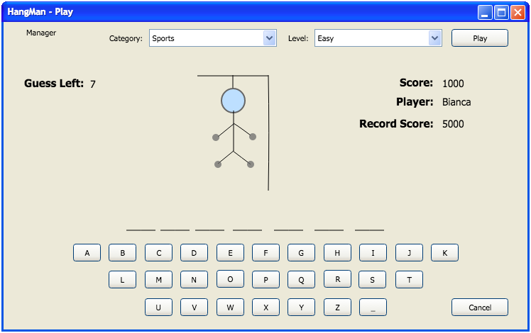

Specification | Function
1. This screen shows the menu option | menu.fxml Redirects to the screen selected by the user
2. Select the category and the level | Sets the category and level to start the game
3. The user can click in the button "Cancel" | Cancel the game
4. The user can click in any letter | 1. The letter clicked will change the color 2. If it's a wrong letter, the field "Guess letter" will decrement and the hangman will start to be drawn 3. If it's a correct letter, the field "Guess letter" will be the same and letter will be included in the "_" field one or more times

Store Data
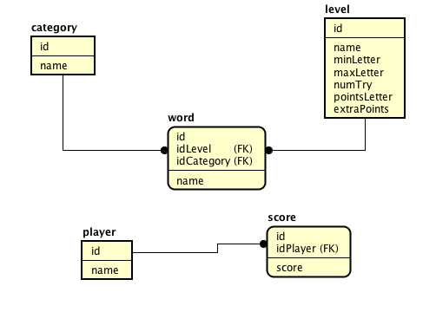

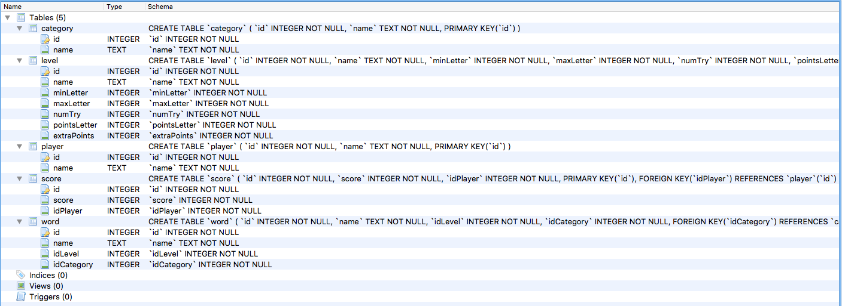

(UML) Class diagram
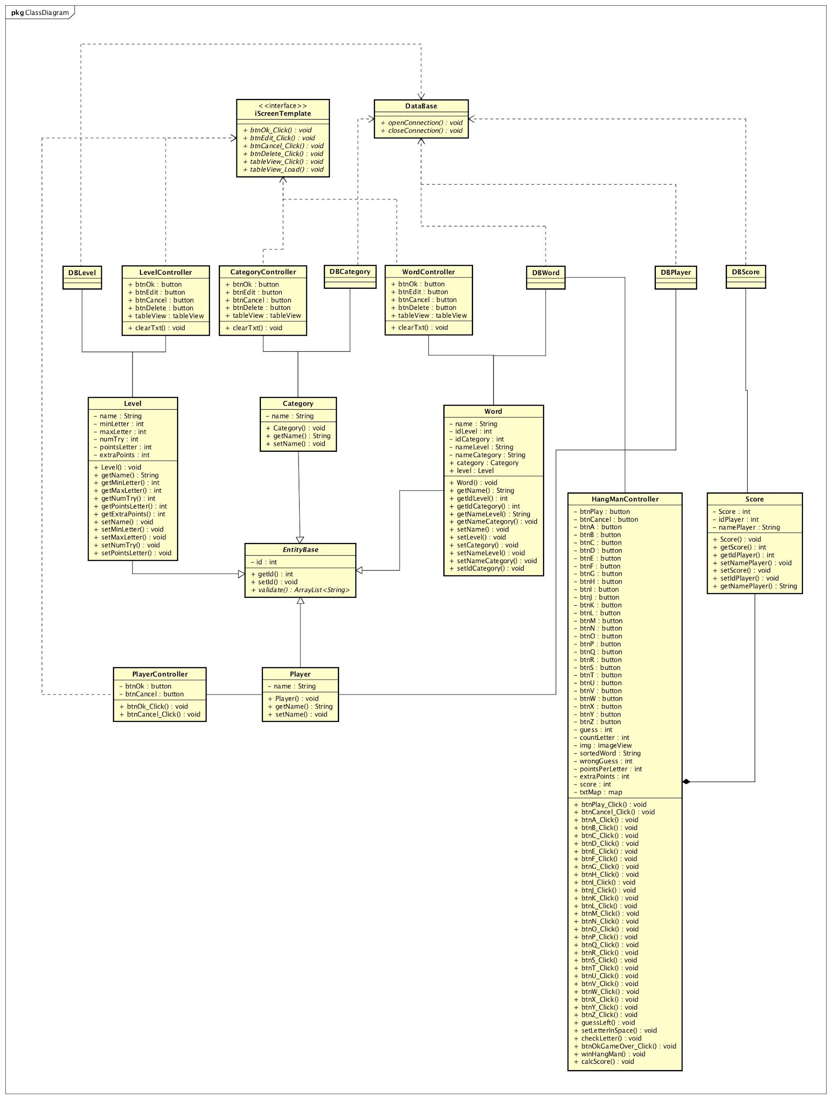
Fist Diagram:
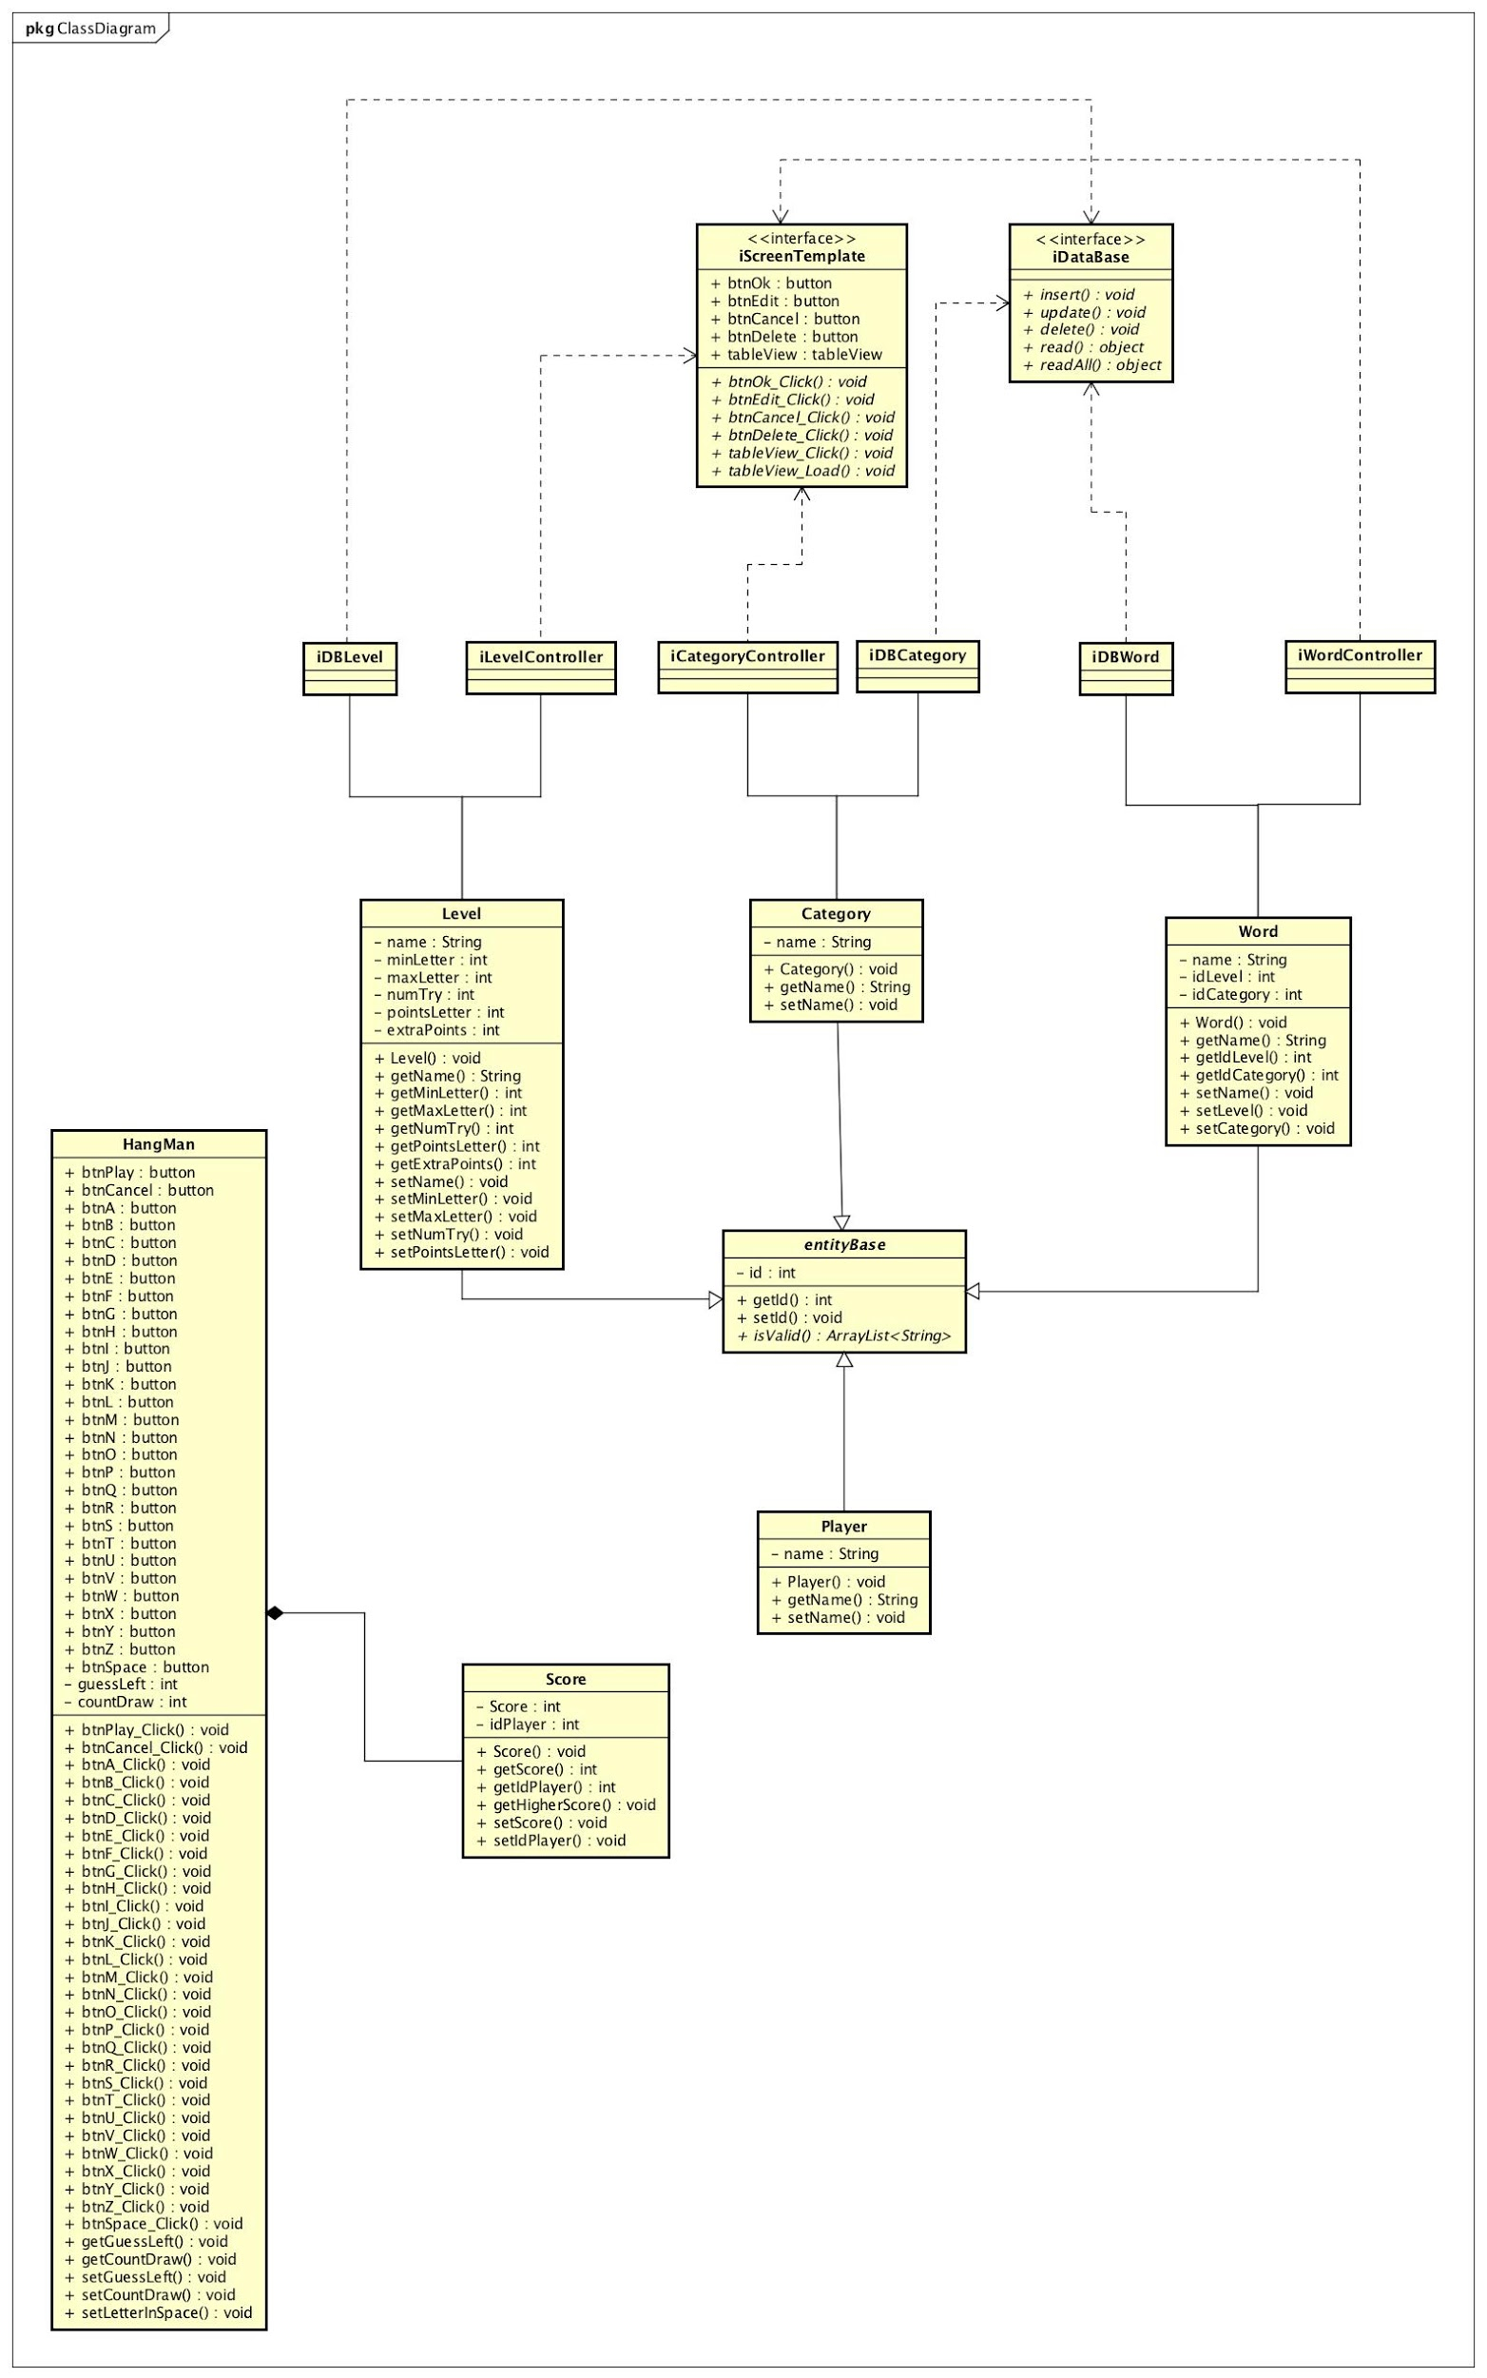

Diagram updated:

(UML) Use Case Diagram
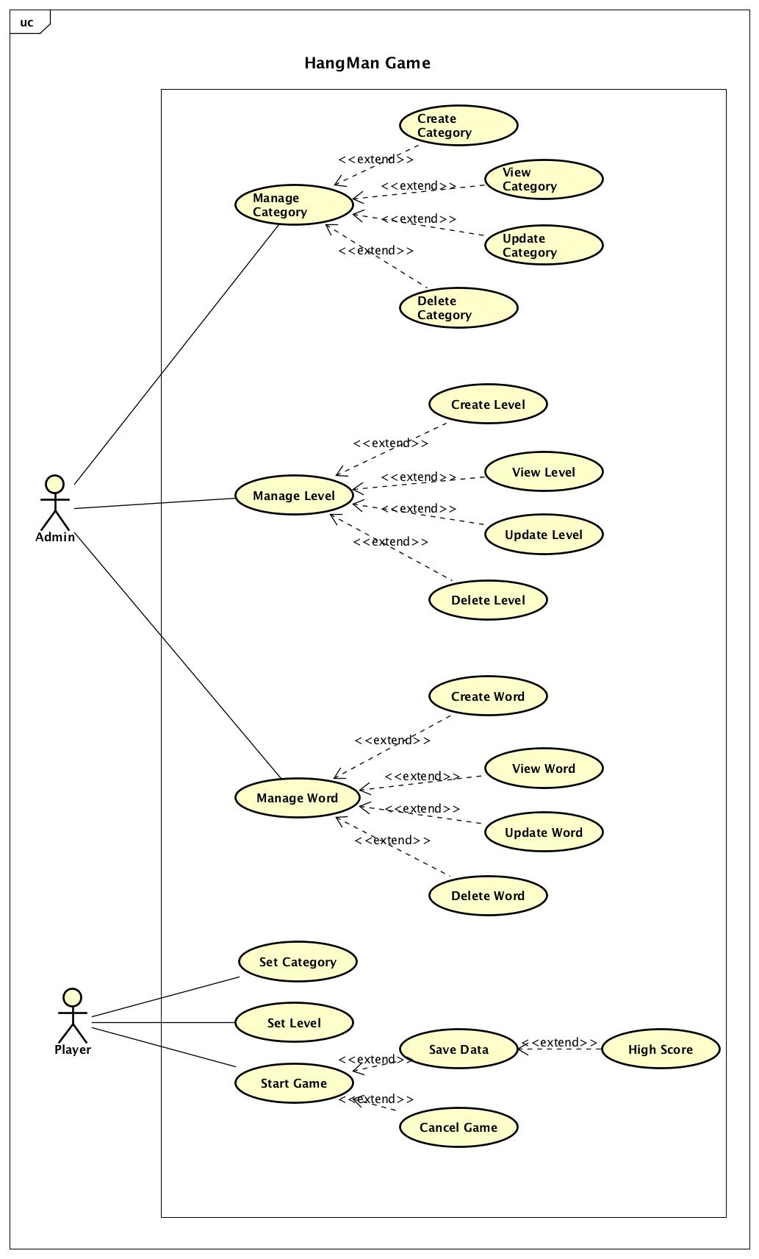

Schedule
