空调
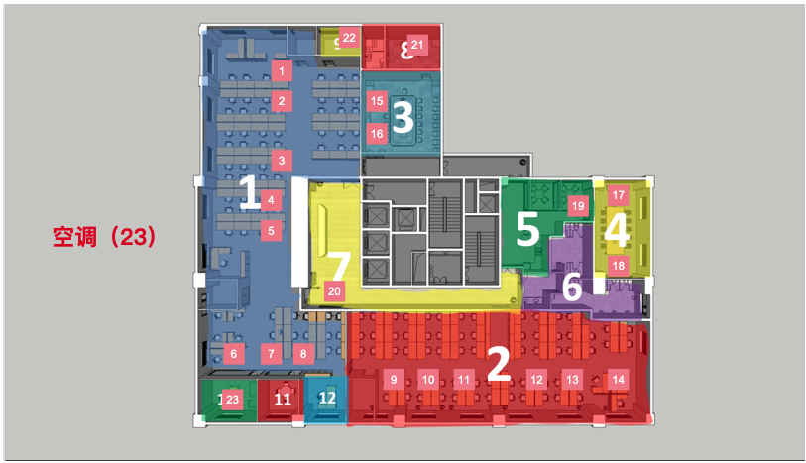
空调
编号 | ID
1 | airConditioner1
2 | airConditioner2
3 | airConditioner3
4 | airConditioner4
5 | airConditioner5
6 | airConditioner6
7 | airConditioner7
8 | airConditioner8
9 | airConditioner9
10 | airConditioner10
11 | airConditioner11
12 | airConditioner12
13 | airConditioner13
14 | airConditioner14
15 | airConditioner15
16 | airConditioner16
17 | airConditioner17
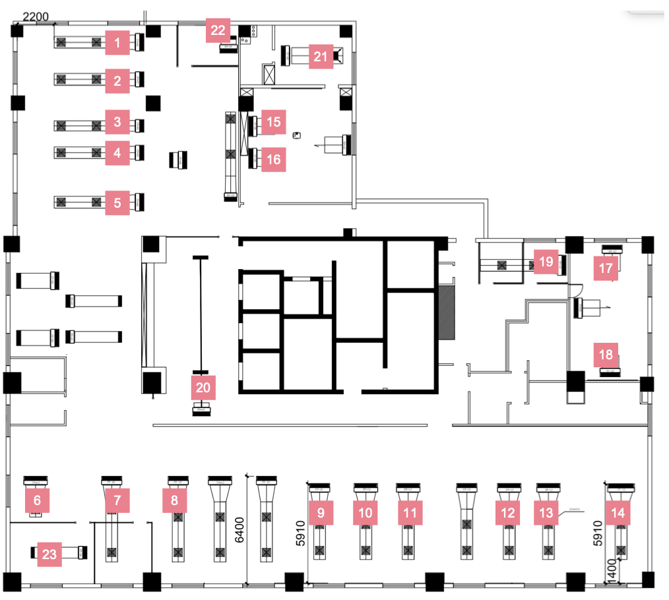
18 | airConditioner18
19 | airConditioner19
20 | airConditioner20
21 | airConditioner21
22 | airConditioner22
23 | airConditioner23

排风
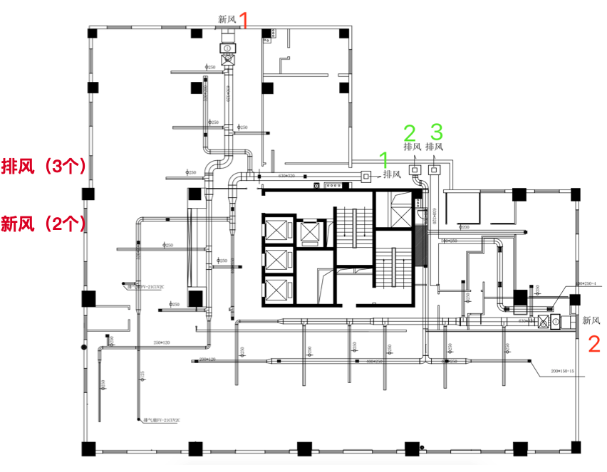
排风
编号 | ID
1 | airCleaner1
2 | airCleaner2
3 | airCleaner3

灯
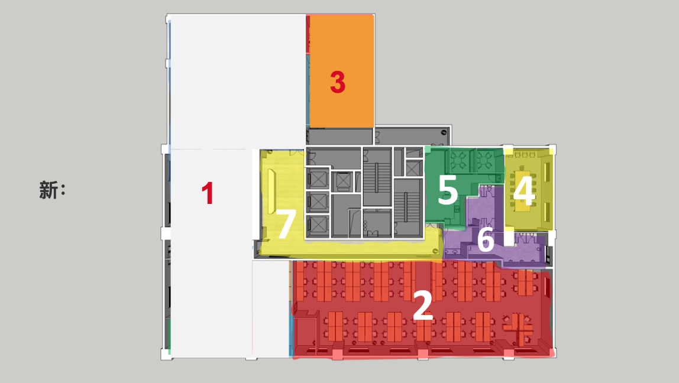
光
编号 | ID
1 | LightArea1
2 | LightArea2
3 | LightArea3
4 | LightArea4
5 | LightArea5
6 | LightArea6
7 | LightArea7

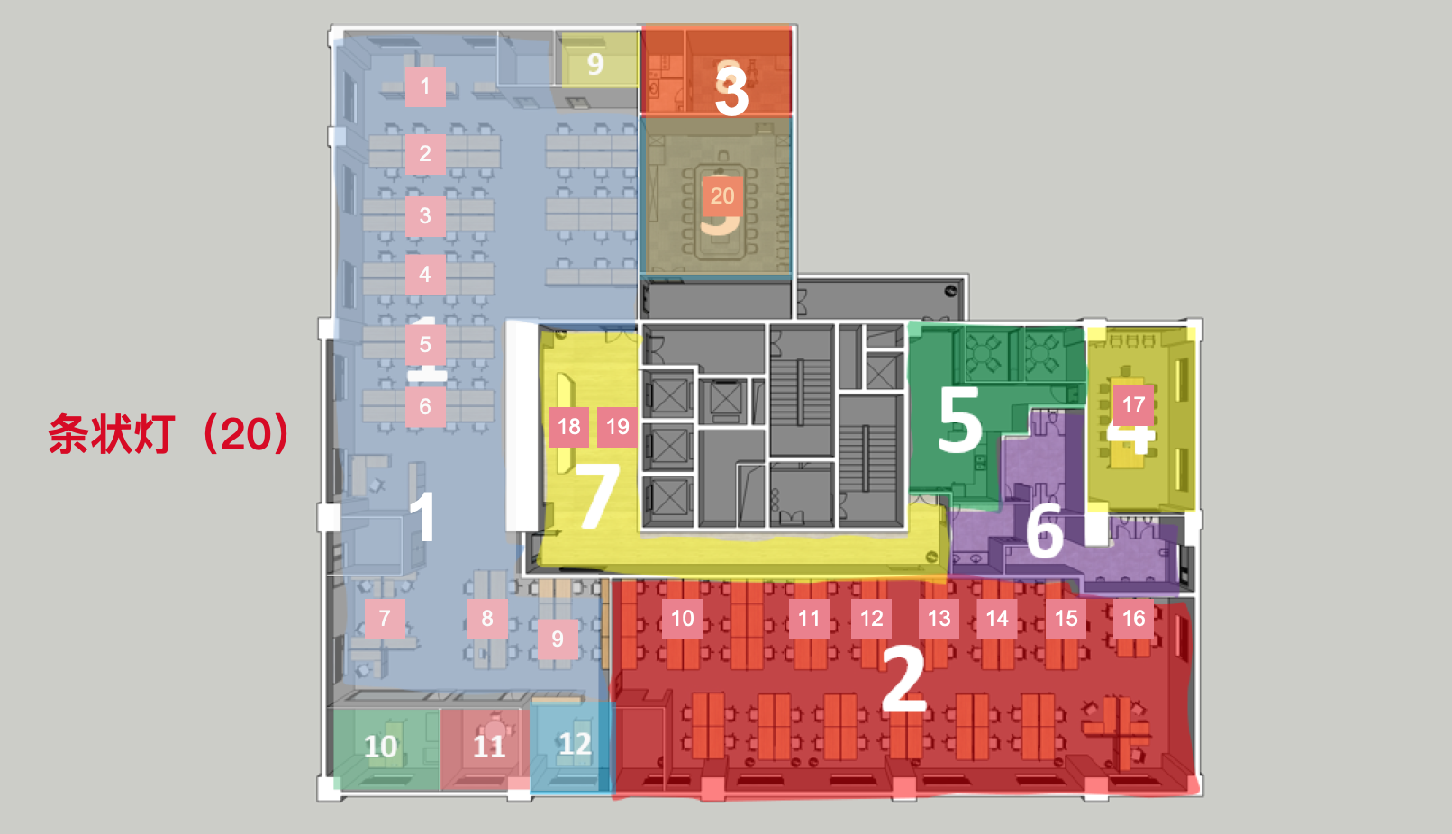
灯的三维模型
ID | 编号 | 条状灯ID | 编号 | 筒灯ID
LightArea1 | 1 | stripLight1 | 1 | canLight1
 | 2 | stripLight2 | 2 | canLight2
 | 3 | stripLight3 | 3 | canLight3
 | 4 | stripLight4 | 4 | canLight4
 | 5 | stripLight5 | 5 | canLight5
 | 6 | stripLight6 | 6 | canLight6
 | 7 | stripLight7 | 7 | canLight7
 | 8 | stripLight8 | 16 | canLight16
 | 9 | stripLight9 | 17 | canLight17
LightArea2 | 10 | stripLight10 | 8 | canLight8
 | 11 | stripLight11 | 9 | canLight9
 | 12 | stripLight12 | 10 | canLight10
 | 13 | stripLight13 | 11 | canLight11
 | 14 | stripLight14
 | 15 | stripLight15
 | 16 | stripLight16
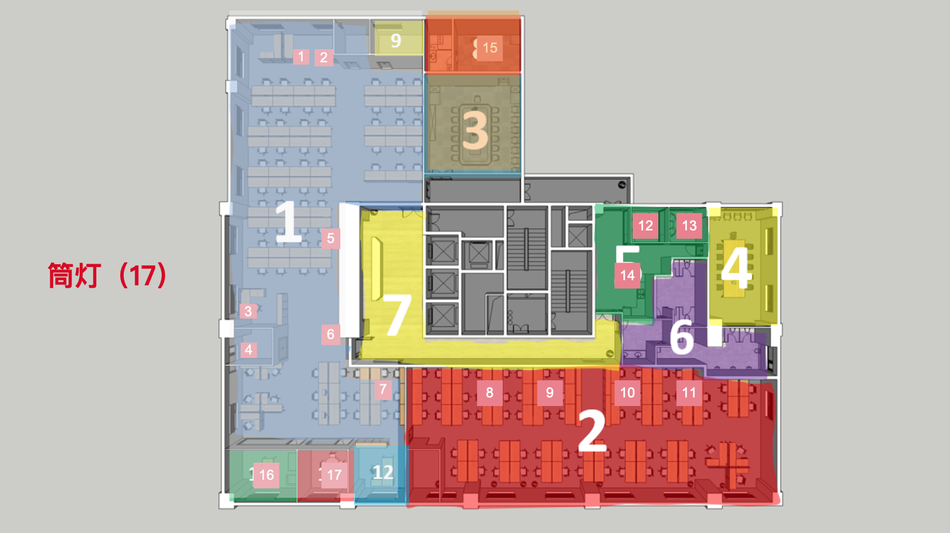
LightArea3 | 20 | stripLight20 | 15 | canLight15
LightArea4 | 17 | stripLight17
LightArea5 |  |  | 12 | canLight12
 |  |  | 13 | canLight13
 |  |  | 14 | canLight14
LightArea7 | 18 | stripLight18
 | 19 | stripLight19

窗帘
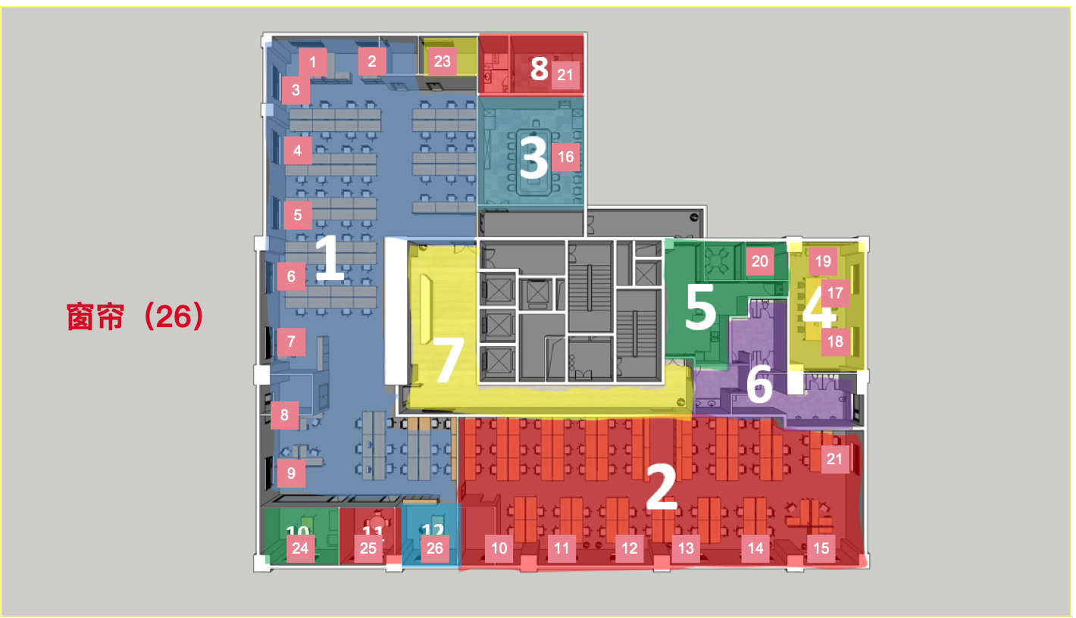
窗帘
编号 | ID
1 | curtain1
2 | curtain2
3 | curtain3
4 | curtain4
5 | curtain5
6 | curtain6
7 | curtain7
8 | curtain8
9 | curtain9
10 | curtain10
11 | curtain11
12 | curtain12
13 | curtain13
14 | curtain14
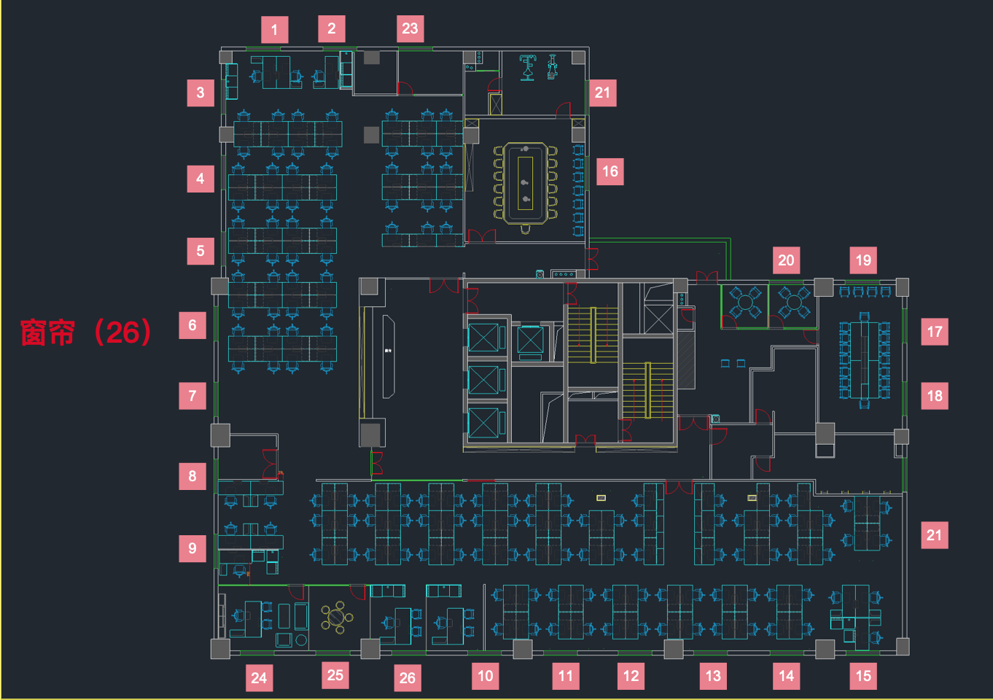
15 | curtain15
16 | curtain16
17 | curtain17
18 | curtain18
19 | curtain19
20 | curtain20
21 | curtain21
22 | curtain22
23 | curtain23
24 | curtain24
25 | curtain25
26 | curtain26

监控
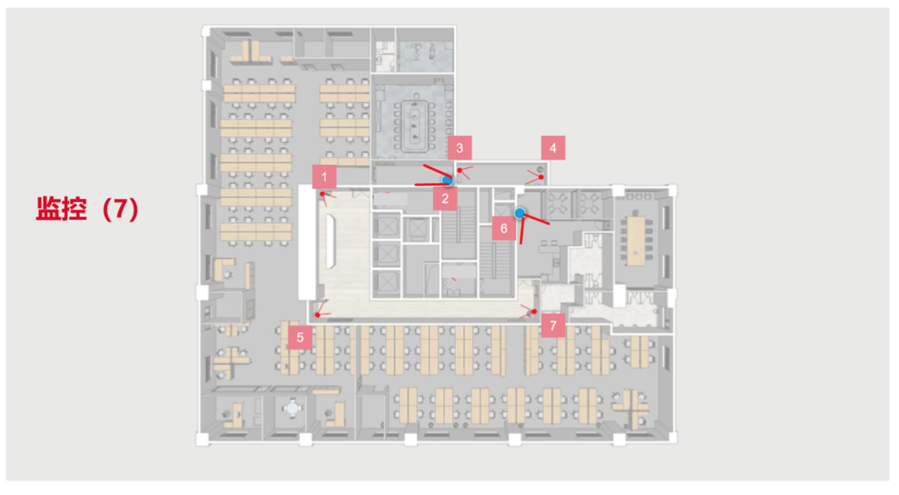
监控
编号 | ID
1 | camera1
2 | camera2
3 | camera3
4 | camera4
5 | camera5
6 | camera6
7 | camera7

门禁
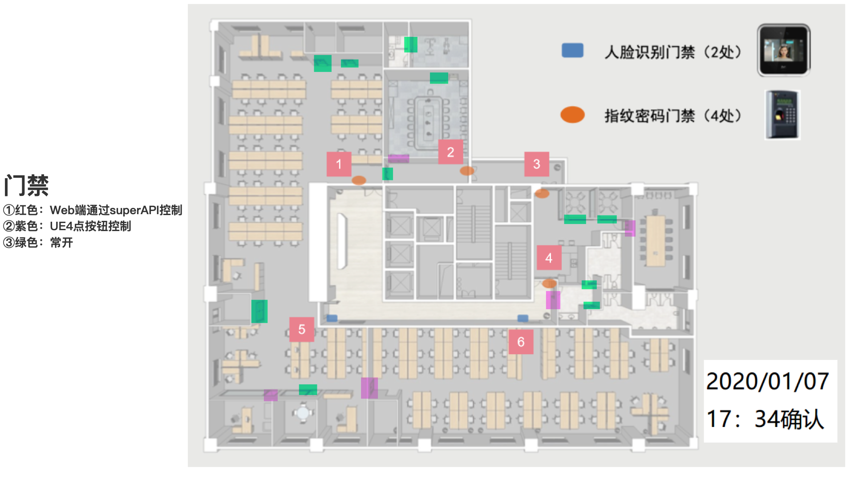
门禁
编号 | ID
1 | entrance1
2 | entrance2
3 | entrance3
4 | entrance4
5 | entrance5
6 | entrance6

