change-status
gwt-Button
screenHeader
topmenuMenuLeft
searchPannel
gwt-TabBar-Item-wrapper
gwt-TabBar-Item-wrapper-selected

gwt-TabBar
menuItem
topmenuTDglue
gwt-TextBox
menuBarUserNameFocusPanel
menuBarUserNamePanel

gwt-TabBar-Item
gwt-TabBar-Item-selected
topmenuMenuRight
gwt-TabPannelBottom
linkMenuBar
topmenuTDmenu
menuBarUserName

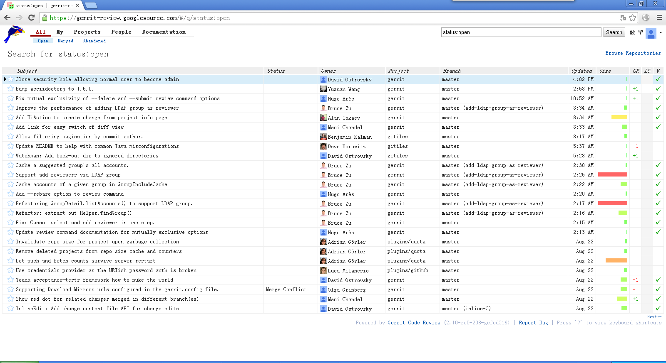
menuBarUserNameAvatar

gwt-InlineLable

gerritTopMenu

topmenu

screen

changeTable

dataHeader

activeRow

datacell

gwt-InlineHTML

