Contract
Churn vs Non Churn by Contract
Count of customerID | Churn
Contract | No | Yes | Grand Total
Month-to-month | 57.29% | 42.71% | 100.00%
One year | 88.72% | 11.28% | 100.00%
Two year | 97.15% | 2.85% | 100.00%
Grand Total | 73.42% | 26.58% | 100.00%

Churn vs Non Churn by Contract

Tenure
Churn vs Non Churn by Tenure
Churn | Count of Tenure | Average of tenure | Median of Tenure
No | 5163 | 37.65 | 38.00
Yes | 1869 | 17.98 | 10.00
Grand Total | 7032 | 32.42 | 29.00

Churn Customer
 | Yes
1-6 | 784
7-12 | 253
13-18 | 177
19-24 | 117
25-30 | 94
31-36 | 86
37-42 | 83
43-48 | 62
49-54 | 68
55-60 | 52
61-66 | 43
67-72 | 50
Churn VS Non Churn By Tenure (Histogram)
Count of customerID | Churn
Tenure (Month) | Yes | Grand Total
1-6 | 784 | 784
7-12 | 253 | 253
13-18 | 177 | 177
19-24 | 117 | 117
25-30 | 94 | 94
31-36 | 86 | 86
37-42 | 83 | 83
43-48 | 62 | 62
49-54 | 68 | 68
55-60 | 52 | 52
61-66 | 43 | 43
67-72 | 50 | 50
Grand Total | 1869 | 1869

Non Churn Customer
 | No
1-6 | 686
7-12 | 452
13-18 | 371
19-24 | 359
25-30 | 337
31-36 | 315
37-42 | 296
43-48 | 321
49-54 | 352
55-60 | 360
61-66 | 420
67-72 | 894
Count of customerID | Non Churn
Tenure (Month) | No | Grand Total
1-6 | 686 | 686
7-12 | 452 | 452
13-18 | 371 | 371
19-24 | 359 | 359
25-30 | 337 | 337
31-36 | 315 | 315
37-42 | 296 | 296
43-48 | 321 | 321
49-54 | 352 | 352
55-60 | 360 | 360
61-66 | 420 | 420
67-72 | 894 | 894
Grand Total | 5163 | 5163

Monthly Charges
Churn vs Non Churn by Monthly Charges
Churn | Count of MonthlyCharges | Average of MonthlyCharges | median_monthycharges
No | 5163 | 61.31 | 64.45
Yes | 1869 | 74.44 | 79.65
Grand Total | 7032 | 64.80 | 70.35

Churn | Mean | Median
No | 61.31 | 64.45
Yes | 74.44 | 79.65
Grand Total | 64.80 | 70.35

Mean vs Median by Churn Status

Simple Data Cleaning
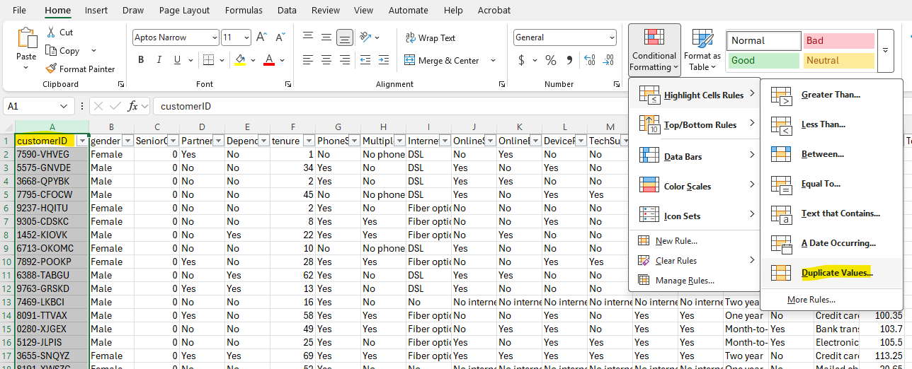
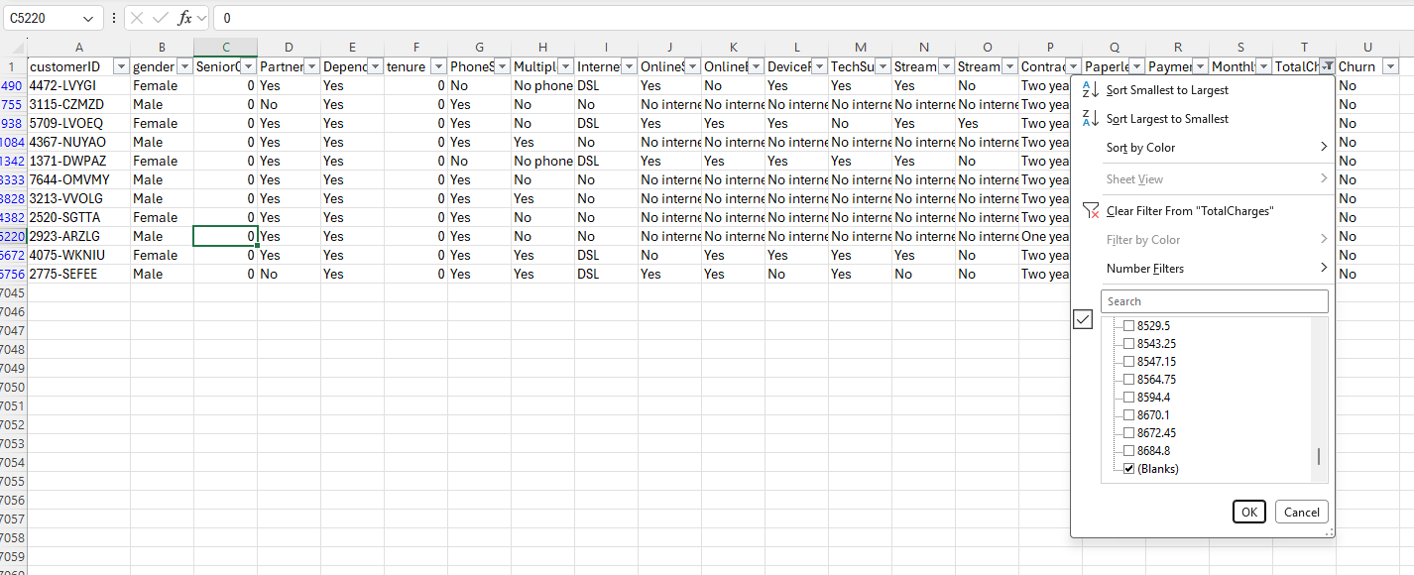

Before analyzing, I checked for missing values and data type issues. Found ~11 blank values in TotalCharges (new customers with 0 tenure) and excluded them from average calculations.

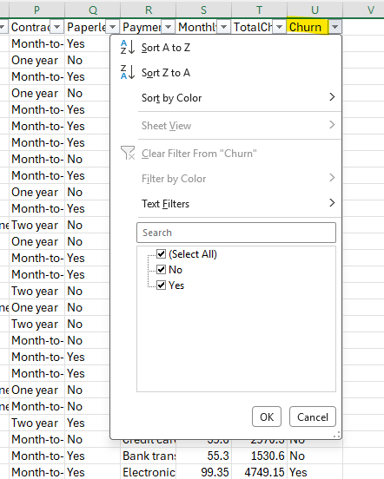
Data types ,make sure SeniorCitizen (0/1) and Churn (Yes/No) are being treated the way you expect in your formulas/PivotTables
Make sure Data type in correct format ,example date format is in date format and number in number format

Check if any duplicate value

