Contents
 | Contents

 | Links

Data and Graph
Availability: number of services
Data
Accessibility: agents
Data
Adoption: accounts
Data
Usage by region

Data
Usage by product
Data Table
All Data

Availabilty
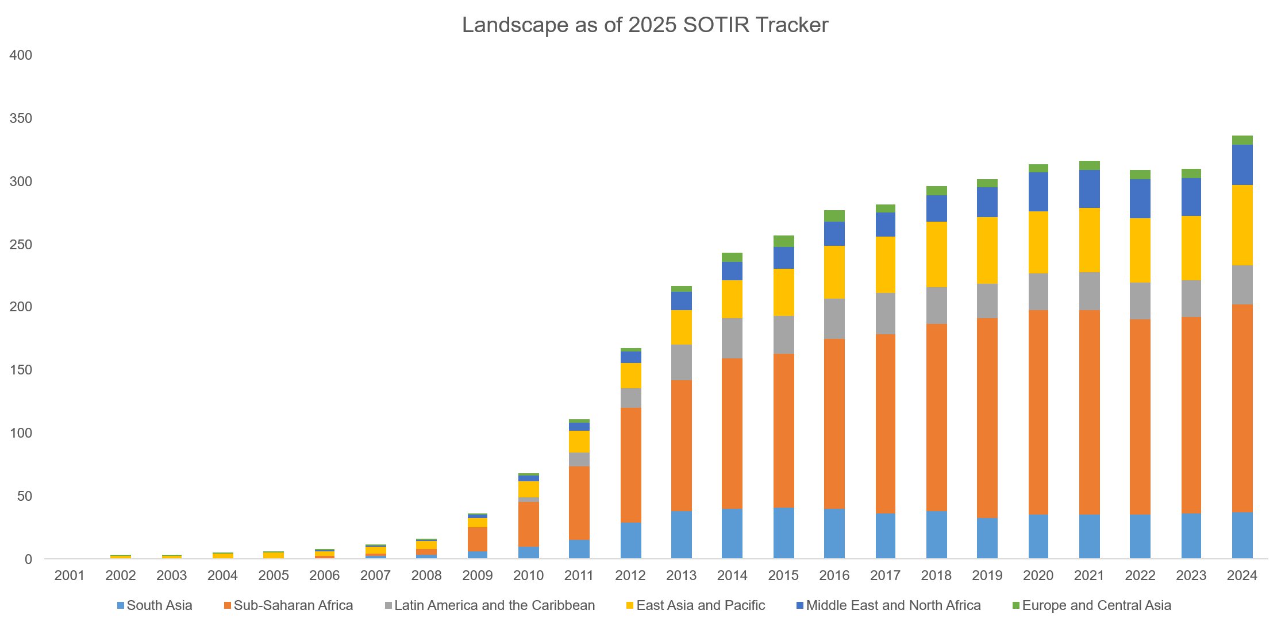
Back to Contents
...
 |  |  |  |  | 2005 | 2006 | 2007 | 2008 | 2009 | 2010 | 2011 | 2012 | 2013 | 2014 | 2015 | 2016 | 2017 | 2018 | 2019 | 2020
 |  |  |  |  | 0 | 1 | 2 | 3 | 6 | 10 | 15 | 29 | 38 | 40 | 41 | 40 | 36 | 38 | 33 | 35
 |  |  |  |  | 1 | 1 | 2 | 5 | 19 | 35 | 59 | 91 | 104 | 119 | 122 | 135 | 143 | 149 | 158 | 163
Latin America and the Caribbean | 0 | 0 | 0 | 0 | 0 | 0 | 0 | 0 | 0 | 4 | 11 | 16 | 28 | 32 | 30 | 32 | 32 | 29 | 28 | 29 | 30 | 30 | 29 | 31
East Asia and Pacific | 1 | 1 | 1 | 3 | 4 | 4 | 6 | 6 | 8 | 13 | 17 | 20 | 28 | 30 | 38 | 42 | 45 | 52 | 53 | 49 | 51 | 51 | 52 | 64
Middle East and North Africa | 0 | 0 | 0 | 0 | 0 | 1 | 1 | 1 | 2 | 4 | 6 | 9 | 14 | 15 | 17 | 19 | 19 | 21 | 23 | 31 | 30 | 31 | 30 | 32
Europe and Central Asia | 0 | 1 | 1 | 1 | 1 | 1 | 1 | 1 | 1 | 2 | 3 | 3 | 5 | 7 | 9 | 9 | 7 | 7 | 7 | 7 | 7 | 7 | 7 | 7
Total | 1 | 3 | 3 | 5 | 6 | 8 | 12 | 16 | 36 | 68 | 111 | 168 | 217 | 243 | 257 | 277 | 282 | 296 | 302 | 314 | 316 | 309 | 310 | 336

Evolution of the mobile money landscape (includes information on new services launched and services closed/merged each year)

Agents
Back to Contents
 | Accessibility of mobile money services, by region
 | Timeframe: Quarters ending in December and June between 2011 and 2024

Active agents

* Sharing regional breakdown before December 2011 is not possible due to confidentiality restriction with the survey participants.
Regions | Dec-06 | Mar-07 | Jun-07 | Sep-07 | Dec-07 | Mar-08 | Jun-08 | Sep-08 | Dec-08 | Mar-09 | Jun-09 | Sep-09 | Dec-09 | Mar-10 | Jun-10 | Sep-10 | Dec-10
East Asia and Pacific
Europe and Central Asia
Latin America and the Caribbean
South Asia
Middle East and North Africa
Western Asia
Northern Africa
Africa
Eastern Africa
Middle Africa
Northern Africa
Southern Africa
Western Africa
Sub-Saharan Africa
Global | 29,108 | 31,564 | 34,238 | 36,409 | 38,597 | 40,807 | 44,008 | 47,335 | 51,359 | 57,831 | 63,324 | 71,951 | 89,237 | 100,685 | 148,311 | 162,508 | 179,125

Registered agents

* Sharing regional breakdown before December 2011 is not possible due to confidentiality restriction with the survey participants.
Regions | Dec-06 | Mar-07 | Jun-07 | Sep-07 | Dec-07 | Mar-08 | Jun-08 | Sep-08 | Dec-08 | Mar-09 | Jun-09 | Sep-09 | Dec-09 | Mar-10 | Jun-10 | Sep-10 | Dec-10
East Asia and Pacific
Europe and Central Asia
Latin America and the Caribbean
South Asia
Middle East and North Africa
Western Asia
Northern Africa
Africa
Eastern Africa
Middle Africa
Northern Africa
Southern Africa
Western Africa
Sub-Saharan Africa
Global | 73,895 | 78,664 | 84,397 | 91,144 | 99,248 | 103,573 | 109,530 | 116,514 | 124,217 | 135,881 | 141,978 | 153,508 | 176,669 | 191,539 | 314,291 | 331,664 | 349,613

* Sharing regional breakdown before December 2011 is not possible due to confidentiality restriction with the survey participants.

Accounts
Back to Contents
 | Adoption of mobile money services, by region
 | Timeframe: Quarters ending in December and June between 2011 and 2024

Active accounts (30 day)

Regions | Dec-06 | Mar-07 | Jun-07 | Sep-07 | Dec-07 | Mar-08 | Jun-08 | Sep-08 | Dec-08 | Mar-09 | Jun-09 | Sep-09 | Dec-09 | Mar-10 | Jun-10 | Sep-10 | Dec-10 | Mar-11 | Jun-11
East Asia and Pacific
Europe and Central Asia
* Sharing regional breakdown before December 2011 is not possible due to confidentiality restriction with the survey participants.
Latin America and the Caribbean
South Asia
Middle East and North Africa
Western Asia
Northern Africa
Africa
Eastern Africa
Middle Africa
Northern Africa
Southern Africa
Western Africa
Sub-Saharan Africa
Global | 230,071 | 267,823 | 349,759 | 523,585 | 776,303 | 1,043,700 | 1,482,223 | 1,983,699 | 2,470,928 | 3,139,147 | 3,895,789 | 4,491,746 | 5,355,592 | 6,332,887 | 8,166,140 | 9,855,859 | 10,861,593 | 12,191,968 | 13,597,526

Active accounts (90 day)

Regions | Dec-06 | Mar-07 | Jun-07 | Sep-07 | Dec-07 | Mar-08 | Jun-08 | Sep-08 | Dec-08 | Mar-09 | Jun-09 | Sep-09 | Dec-09 | Mar-10 | Jun-10 | Sep-10 | Dec-10 | Mar-11 | Jun-11
East Asia and Pacific
Europe and Central Asia
* Sharing regional breakdown before December 2011 is not possible due to confidentiality restriction with the survey participants.
Latin America and the Caribbean
South Asia
Middle East and North Africa
Western Asia
Northern Africa
Africa
Eastern Africa
Middle Africa
Northern Africa
Southern Africa
Western Africa
Sub-Saharan Africa
Global | 412,573 | 474,055 | 587,815 | 808,859 | 1,107,825 | 1,421,630 | 1,928,763 | 2,510,392 | 3,085,773 | 3,869,631 | 4,743,792 | 5,489,589 | 6,541,121 | 7,707,462 | 9,860,359 | 11,862,457 | 13,119,627 | 14,657,003 | 16,610,836

Registered accounts

Regions | Dec-06 | Mar-07 | Jun-07 | Sep-07 | Dec-07 | Mar-08 | Jun-08 | Sep-08 | Dec-08 | Mar-09 | Jun-09 | Sep-09 | Dec-09 | Mar-10 | Jun-10 | Sep-10 | Dec-10 | Mar-11 | Jun-11
East Asia and Pacific
Europe and Central Asia
* Sharing regional breakdown before December 2011 is not possible due to confidentiality restriction with the survey participants.
Latin America and the Caribbean
South Asia
Middle East and North Africa
Western Asia
Northern Africa
Africa
Eastern Africa
Middle Africa
Northern Africa
Southern Africa
Western Africa
Sub-Saharan Africa
Global | 4,053,781 | 4,485,280 | 5,161,844 | 6,260,441 | 7,422,915 | 8,524,925 | 10,598,044 | 12,367,183 | 14,182,516 | 17,047,906 | 19,310,627 | 25,930,411 | 29,896,821 | 36,190,039 | 42,070,517 | 46,046,283 | 49,401,183 | 53,684,780 | 59,468,214

Usage - Regional
Back to Contents
 | Usage of mobile money services - volume & value
 | Timeframe: Monthly data for March, June, September and December between 2006 and 2024

Global total transactions by volume

* Sharing regional breakdown before December 2011 is not possible due to confidentiality restriction with the survey participants.
Regions | Dec-06 | Mar-07 | Jun-07 | Sep-07 | Dec-07 | Mar-08 | Jun-08 | Sep-08 | Dec-08 | Mar-09 | Jun-09 | Sep-09 | Dec-09 | Mar-10 | Jun-10 | Sep-10 | Dec-10 | Mar-11 | Jun-11
East Asia and Pacific
Europe and Central Asia
Latin America and the Caribbean
South Asia
Middle East and North Africa
Western Asia
Northern Africa
Africa
Eastern Africa
Middle Africa
Northern Africa
Southern Africa
Western Africa
Sub-Saharan Africa
Total | 1,005,379 | 1,173,814 | 1,508,943 | 2,180,792 | 3,208,470 | 4,375,348 | 8,917,260 | 12,529,218 | 16,202,868 | 22,161,758 | 31,687,433 | 38,857,299 | 48,496,231 | 59,849,341 | 78,847,668 | 96,189,581 | 106,128,734 | 121,916,565 | 141,058,121

Global total transactions by value (USD)

* Sharing regional breakdown before December 2011 is not possible due to confidentiality restriction with the survey participants.
Regions | Dec-06 | Mar-07 | Jun-07 | Sep-07 | Dec-07 | Mar-08 | Jun-08 | Sep-08 | Dec-08 | Mar-09 | Jun-09 | Sep-09 | Dec-09 | Mar-10 | Jun-10 | Sep-10 | Dec-10 | Mar-11 | Jun-11
East Asia and Pacific
Europe and Central Asia
Latin America and the Caribbean
South Asia
Middle East and North Africa
Western Asia
Northern Africa
Africa
Eastern Africa
Middle Africa
Northern Africa
Southern Africa
Western Africa
Sub-Saharan Africa
Total | 57,900,339 | 66,584,579 | 80,405,567 | 105,585,831 | 145,608,457 | 195,510,032 | 273,374,595 | 375,042,443 | 480,093,252 | 621,499,495 | 897,422,686 | 1,128,175,434 | 1,337,295,172 | 1,653,341,566 | 2,122,750,761 | 2,525,794,018 | 2,725,678,400 | 3,076,465,896 | 3,360,399,371

Global average value per transaction (USD)

* Sharing regional breakdown before December 2011 is not possible due to confidentiality restriction with the survey participants.
Regions | Dec-06 | Mar-07 | Jun-07 | Sep-07 | Dec-07 | Mar-08 | Jun-08 | Sep-08 | Dec-08 | Mar-09 | Jun-09 | Sep-09 | Dec-09 | Mar-10 | Jun-10 | Sep-10 | Dec-10 | Mar-11 | Jun-11
East Asia and Pacific
Europe and Central Asia
Latin America and the Caribbean
South Asia
Middle East and North Africa
Western Asia
Northern Africa
Africa
Eastern Africa
Middle Africa
Northern Africa
Southern Africa
Western Africa
Sub-Saharan Africa

Global average transaction volume per active account (30 day)

* Sharing regional breakdown before December 2011 is not possible due to confidentiality restriction with the survey participants.
Regions | Dec-06 | Mar-07 | Jun-07 | Sep-07 | Dec-07 | Mar-08 | Jun-08 | Sep-08 | Dec-08 | Mar-09 | Jun-09 | Sep-09 | Dec-09 | Mar-10 | Jun-10 | Sep-10 | Dec-10 | Mar-11 | Jun-11
East Asia and Pacific
Europe and Central Asia
Latin America and the Caribbean
South Asia
Middle East and North Africa
Western Asia
Northern Africa
Africa
Eastern Africa
Middle Africa
Northern Africa
Southern Africa
Western Africa
Sub-Saharan Africa

Usage - Product
Back to Contents
Usage of mobile money services - Volume and value in 2024 - Regional Level
Timeframe: Annual data for 2024
...
Airtime top-up | Bill payment | Bulk disbursement | Cash-in | Cash-out | International remittance | Merchant payment | P2P transfer
2,748,687,836 | 913,858,668 | 178,085,064 | 1,975,248,838 | 422,303,697 | 17,367,907 | 2,580,275,937 | 2,843,300,320
163,031,577 | 46,091,979 | 5,959,827 | 117,539,839 | 71,573,222 | 1,106,415 | 15,471,639 | 23,774,276
157,481,784 | 118,071,919 | 99,669,241 | 178,569,460 | 182,213,044 | 6,418,370 | 15,359,005 | 276,212,673
3,662,072,725 | 795,290,379 | 456,111,518 | 1,896,459,415 | 1,263,558,492 | 4,605,230 | 1,449,778,198 | 4,264,964,351
634,943,026 | 115,520,856 | 4,258,279 | 64,029,568 | 39,026,159 | 7,763,555 | 29,702,625 | 203,749,014
...

