comments
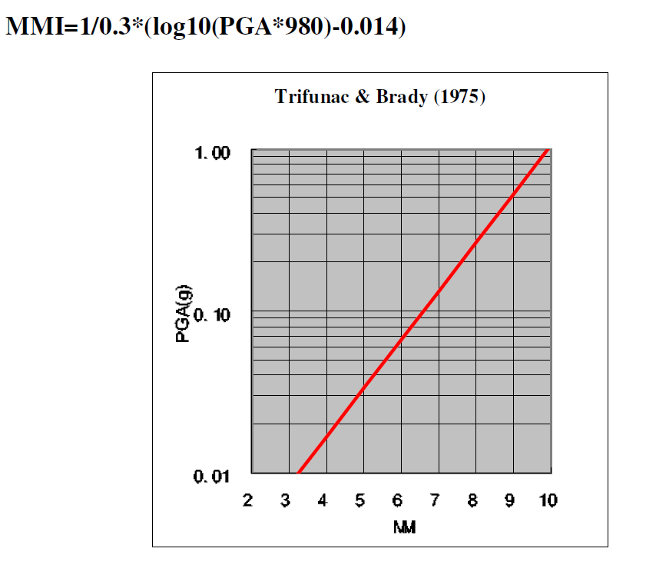
This table is only used by plot_attenuation_parameters, the advanced user can use these parameters in calling eq_global_hazard_set

The attenuation parameters describe an attenuation function of the following form:
MMI = a1 + a2 * mag - a3 * log(dist+correction) - a4 * dist + B*dep
where MMI is the Modified Mercalli Intensity at distance dist from the epicenter; a1, a2, a3 and correction are region-specific parameters; mag is the Richter magnitude of the earthquake, and dep denotes the epicenter depth.
Remark: log denotes the natural logarithm; make sure values are converted accordingly when adding further attenuation equations that use log10
A good source of attenuation functions for different geographic regions is the GEM Technical Report 2010-4:
http://www.globalquakemodel.org/media/publication/GEM-TechnicalReport_2010-4.pdf
Implementing some of the functions in this report requires some adjustment in the code (in particular, MMI_attenuation_calc), since they are not all of the attenuation equation type mentioned above or use other measure of intensity (e.g., Peak Ground Acceleration, PGA).
In order to convert the Peak Ground Acceleration values to Modified Mercalli Intensity, the general relation of Trifunac & Brady (1975) can be used:

