Sizing
using half rack and I would like to know how much of ADW CPU power we would need to replicate their N2002 appliance at 40% utilization.

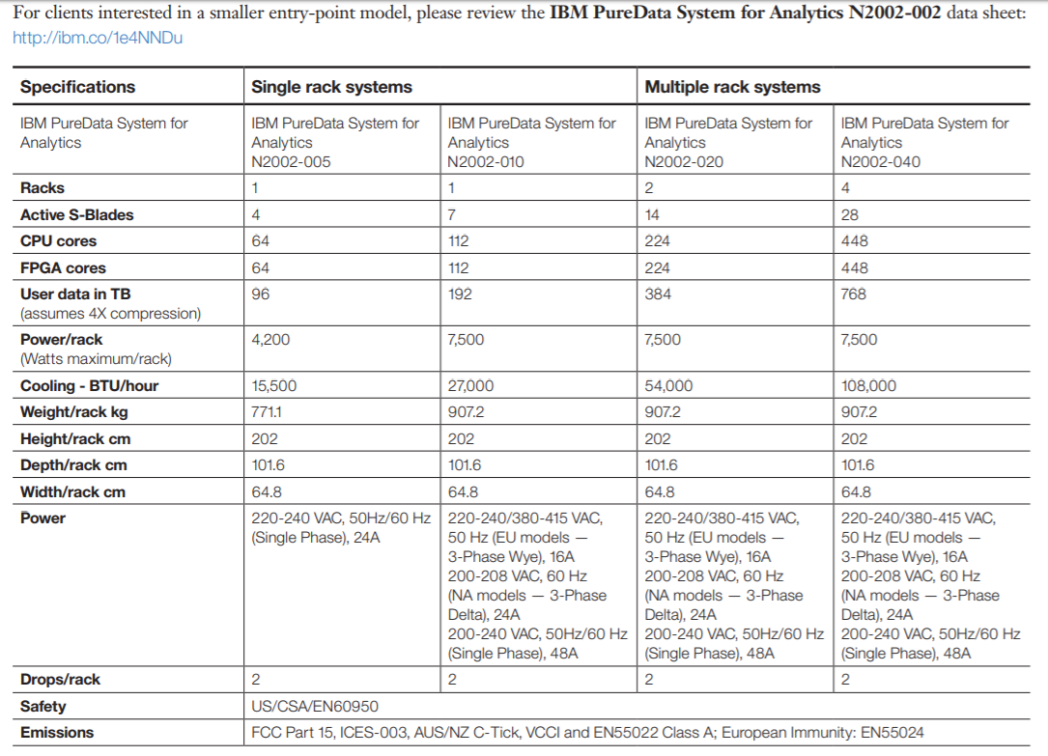

 | No of active concurrent Reporting users
 | No. of active concurrent OLAP users
 | No. of active concurrent data miniing users
 | Size of the initial data upload to ADW

