Test Cases
Test case name | Description | Test steps | Priority | Expected result | Test result | Notes
Warranty_0001 | Get warranty info with no serial number | Step1: https://www.barco.com/eu-en/support/clickshare-extended-warranty/warranty Step2: Press Get info button with no serial number | P0 | There should not have any info shows up
Warranty_0002 | Get warranty info with valid serial number | Step1: https://www.barco.com/eu-en/support/clickshare-extended-warranty/warranty Step2: Press the Get info button with registered serial number | P0 | 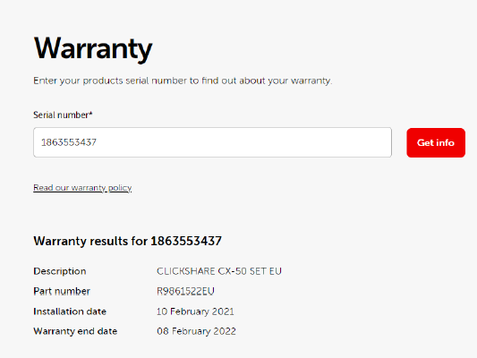 1. The device info is correct 2. The info format as below:
Warranty_0003 | Get warranty info with Special characters(!@#%) | Step1: https://www.barco.com/eu-en/support/clickshare-extended-warranty/warranty Step2: Press the Get info button with special characters (!@#$%^&*(_)+_.,/?~) | P0 | There should not have any info shows up
Warranty_0004 | Get warranty info with number length > 10 | Step1: https://www.barco.com/eu-en/support/clickshare-extended-warranty/warranty Step2: input 00000000000 Step3: Clicks on "Get Info" Button | P0 | There should not have any info shows up
Warranty_0005 | Get warranty info with number length = 1/4/5/6/10/11 | Step1: https://www.barco.com/eu-en/support/clickshare-extended-warranty/warranty Step2: input 1/1111/11111/111111 in the SN field Step3: Clicks on "Get Info" Button | P0 | There should not have any info shows up
Warranty_0006 | Clicks on "Get Info" Button for mutiple time | Step1: https://www.barco.com/eu-en/support/clickshare-extended-warranty/warranty Step2: input valid serial number Step3: Clicks on "Get Info" Button for mutiple time | P1 | There is only one device info and should not show duplicate info
Warranty_0007 | Check Web page reload status | Step1: https://www.barco.com/eu-en/support/clickshare-extended-warranty/warranty Step2: input valid serial number and get info Step3: reload the web page | P1 | The text field and info are empty after refreshing the web page

Defects
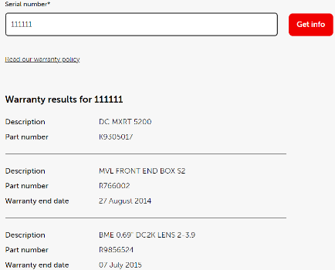 [subject]The warranty info format is incorrect with a particular number length software version: 1.0.0 chrome version: 126.0.6478.127 reproduce rate: 100% reproduce steps: 1. https://www.barco.com/eu-en/support/clickshare-extended-warranty/warranty 2. input serial number: 111111 3. click get info button Expected result: Actual result: The items is different from the expected

