Calcs
 | Supply fan power allowances = 1, Otherwise = 0 | 0 | 0 | 0 | 1 | 1 | 0 | 0 | 1 | 0 | 0 | 1 | 1 | 0
 |  | Return or exhaust systems required by code or accreditation standards to be fully ducted, or systems required to maintain air pressure differentials between adjacent rooms | Return or exhaust systems required by code or accreditation standards to be fully ducted, or systems required to maintain air pressure differentials between adjacent rooms | Exhaust filters, scrubbers, or other exhaust treatment required by code or standard. Value shown is allowed w/cfm per 1.0 in. wg air pressure drop. [Calculation required, see note 4] | Filtration Allowance for > Merv 16 or HEPA Filter (two times the clean filter pressure dropmid-life) 2 | Allowance for gas phase filtration required by code or accredited standard. Value shown is allowed w/cfm per 1.0 in. wg air pressure drop. [Calculation required, see note 4] | Biosafety cabinet. Value shown is allowed w/cfm per 1.0 in. wg air pressure drop. [Calculation required, see note 4] | Exhaust System Base Allowance | Energy Recovery Allowance for 0.60 ≤ ERR <0.65 | Energy Recovery Allowance for 0.60 ≤ ERR <0.65 | Filter (any MERV value)2 | Low-turndown single-zone VAV fan systems meeting the requirements in note 7. | Coil Runaround Loop | Coil Runaround Loop
SysType | FlowCap | Exhaust systems required by code to be fully ducted | Return systems required by code to be fully ducted | Exhaust filters, scrubbers, or other exhaust treatment (calculation required, see note) | Particulate filtration credit: MERV 16 or greater and electronically enhanced filters | Carbon and other gas-phase air cleaners (calculation required, see note) | Biosafety cabinet (calculation required, see note) | Exhaust Systems Base Allowance | Supply - Energy Recovery (Enthalpy Recovery Ratio ? 0.60 and <0.65) | Return - Energy Recovery (Enthalpy Recovery Ratio ? 0.60 and <0.65) | Return - Filter (any MERV value) | Single Zone VAV Systems that are capable of turning down to 50% of full load airflow at a maximum of 30% design wattage | Supply -Coil Runaround Loop | Return - Coil Runaround Loop
MultiZoneVAV | ≤5,000 cfm | 0.116 | 0.116 | 0.231 | 0.335 | 0.224 | 0.231 | 0.221 | 0.184 | 0.19 | 0.046 | 0 | 0.135 | 0.139
MultiZoneVAV | >5,000 and ≤10,000 cfm | 0.1 | 0.1 | 0.198 | 0.28 | 0.188 | 0.198 | 0.246 | 0.155 | 0.163 | 0.041 | 0 | 0.114 | 0.12
MultiZoneVAV | >10,000 cfm | 0.089 | 0.089 | 0.177 | 0.265 | 0.176 | 0.177 | 0.236 | 0.144 | 0.146 | 0.036 | 0 | 0.105 | 0.107
AllOther | ≤5,000 cfm | 0.116 | 0.116 | 0.232 | 0.342 | 0.231 | 0.232 | 0.186 | 0.19 | 0.191 | 0.046 | 0.07 | 0.139 | 0.139
AllOther | >5,000 and ≤10,000 cfm | 0.102 | 0.102 | 0.202 | 0.292 | 0.197 | 0.202 | 0.184 | 0.163 | 0.166 | 0.041 | 0.1 | 0.12 | 0.123
AllOther | >10,000 cfm | 0.091 | 0.091 | 0.179 | 0.264 | 0.177 | 0.179 | 0.19 | 0.146 | 0.148 | 0.035 | 0.089 | 0.107 | 0.109
 |  |  |  |  |  |  |  |  |  |  |  |  | As SZSys | As MZSys
 | Calculated Values | 3a - SZAC | 3b - SZHP (no furnace) | 3c - SZHP (with furnace) | 7a - SZVAVAC | 7b - SZVAVHP (no furnace) | 7c - SZVAVHP (with furnace) | 5 - PVAV | 6 - VAV | 9 - HEATVENT | 13a - BKICHMAU | 13b - PKITCHMAU | 14 - 4PSZVAV | 14 - 4PSZVAV | 15 - PVAVAWHP |  | From CEC in an email, dated 7/5/2023
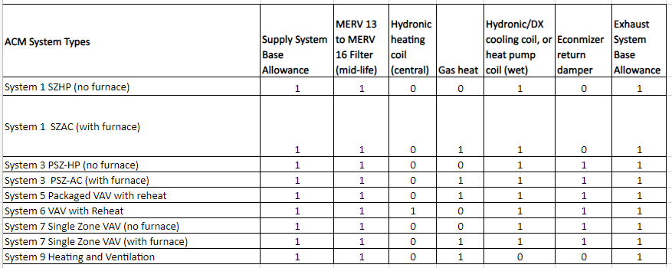
 | ≤5,000 cfm | 0.800 | 0.742 | 0.800 | 0.800 | 0.742 | 0.800 | 0.978 | 0.978 | 0.615 | 0.602 | 0.614 | 0.626 | 0.712 | 0.978
 | >5,000 and ≤10,000 cfm | 0.780 | 0.720 | 0.780 | 0.780 | 0.720 | 0.780 | 1.013 | 1.013 | 0.620 | 0.586 | 0.596 | 0.646 | 0.729 | 1.013
 | >10,000 cfm | 0.748 | 0.676 | 0.748 | 0.748 | 0.676 | 0.748 | 0.946 | 0.946 | 0.605 | 0.540 | 0.558 | 0.611 | 0.675 | 0.946

 | Is Multi-Zone System? |  |  |  |  |  |  | x | x |  |  |  |  | x | x | 4
 | Supply System Base Allowance for AHU Serving Spaces < 6 Floors Away. | x | x | x | x | x | x | x | x | x | x | x | x | x | x | 14
 | MERV 13 to MERV 16 Filter Upstream of Thermal Conditioning Equipment (two times the clean filter pressure dropmid-life)2 | x | x | x | x | x | x | x | x | x | x | x | x | x | x | 14
 | Central Hydronic Heating Coil Allowance |  |  |  |  |  |  | x | x |  | x |  | x | x | x | 6
 | Electric Heat Allowance |  |  |  |  |  |  |  |  |  |  |  |  |  |  | 1
 | Gas Heat Allowance | x |  | x | x |  | x |  |  | x |  | x |  |  |  | 6
 | Hydronic/DX Cooling Coil, or Heat Pump Coil (wet) Allowance | x | x | x | x | x | x | x | x |  | x | x | x | x | x | 13
 | Allowance for 100% outdoor air system meeting the requirements of Note 5. |  |  |  |  |  |  |  |  |  |  |  | x | x |  | 2
 | Energy Recovery Allowance for 0.60 ≤ ERR <0.65 |  |  |  |  |  |  |  |  |  |  |  |  |  |  | 1
 | Coil Runaround Loop |  |  |  |  |  |  |  |  |  |  |  |  |  |  | 1
 | Economizer Return Damper | x | x | x | x | x | x | x | x |  | x | x |  |  | x | 11
 | Exhaust System Base Allowance | x | x | x | x | x | x | x | x | x |  |  |  |  | x | 10
 | Energy Recovery Allowance for 0.60 ≤ ERR <0.65 |  |  |  |  |  |  |  |  |  |  |  |  |  |  | 1
 | Coil Runaround Loop |  |  |  |  |  |  |  |  |  |  |  |  |  |  | 1

