SEM Result 0.0
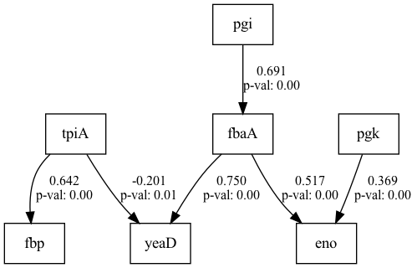
number | RMSEA | lasso_beta | ridge_beta | threshold
0 | 0.10937 | 0.044818447746 | 0.022250923724 | 0.34646288613

SEM Result 1.0
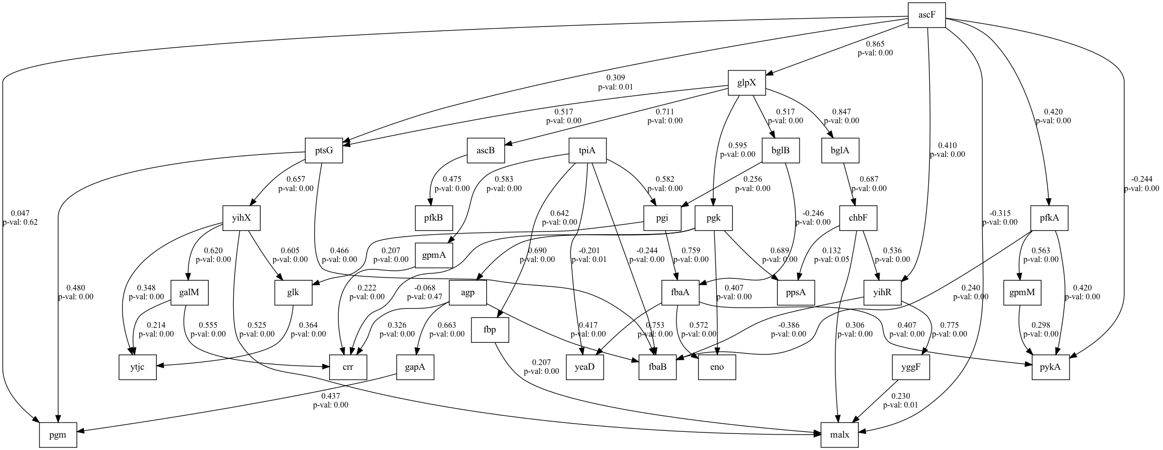
number | RMSEA | lasso_beta | ridge_beta | threshold
1 | 0.14814 | 0.039517988403 | 0.012041568473 | 0.27490091715

SEM Result 2.0
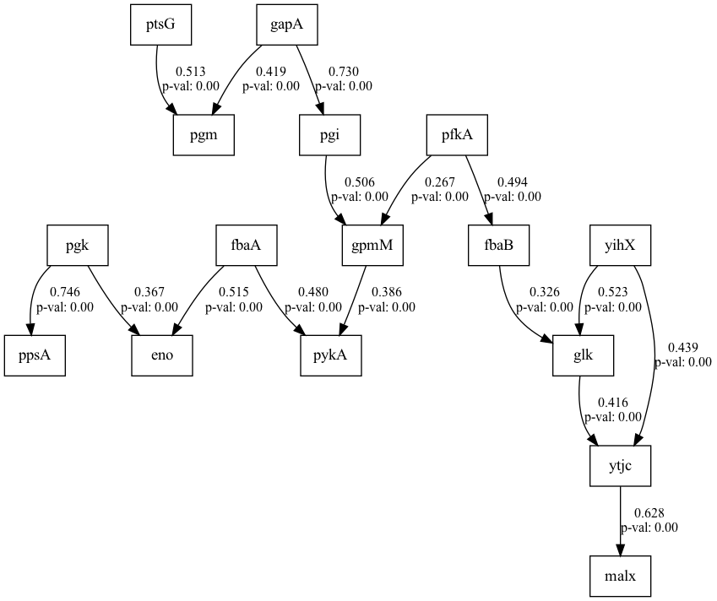
number | RMSEA | lasso_beta | ridge_beta | threshold
2 | 0.16347 | 0.026758535187 | 0.035032939351 | 0.38968940912

SEM Result 4.0
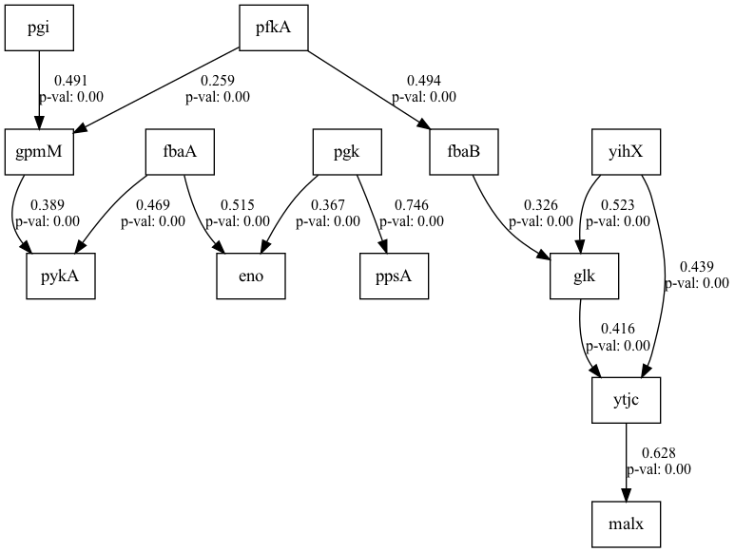
number | RMSEA | lasso_beta | ridge_beta | threshold
4 | 2 | 0.048364313161 | 0.017653923984 | 0.39417414171

