SEM Result 2
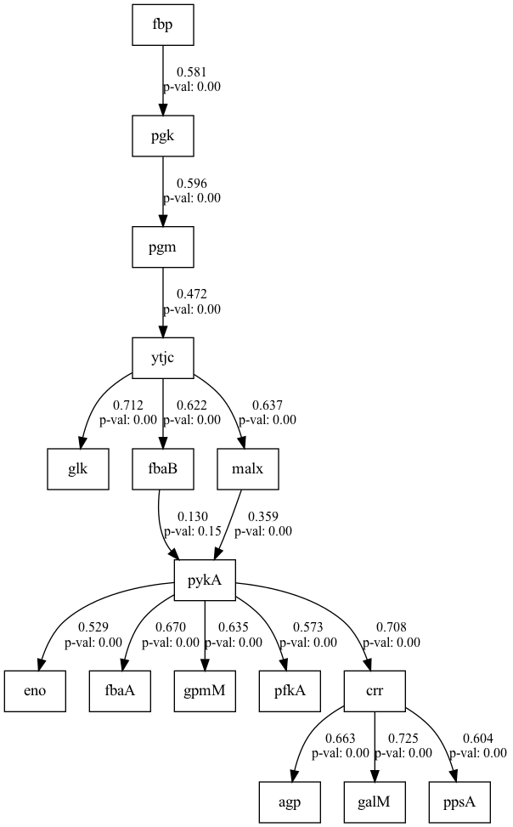
number | result | beta | w_threshold | DoF | DoF Baseline | chi2 | chi2 p-value | chi2 Baseline | CFI | GFI | AGFI | NFI | TLI | RMSEA | AIC | BIC | LogLik
2 | 0.53734813295 | 0.02797685587 | 0.28212091918 | 90 | 106 | 505.34657057 | 0 | 1248.35837 | 0.63641307186 | 0.5951911064 | 0.52322508087 | 0.5951911064 | 0.57177539575 | 0.20032499454 | 51.287128094 | 133.89483383 | 4.3564359532

SEM Result 4
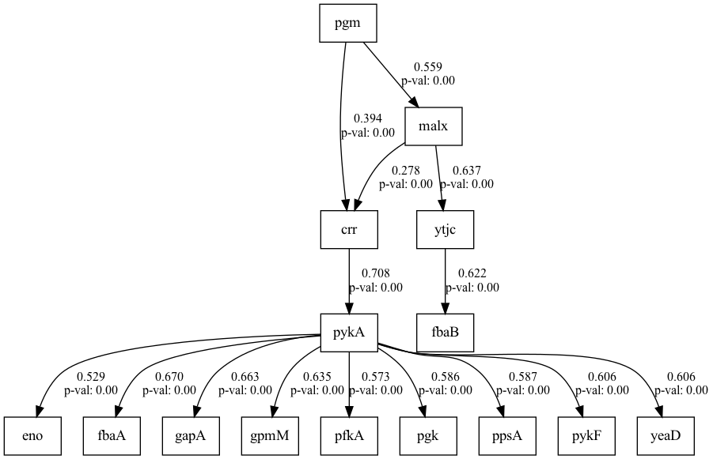
number | result | beta | w_threshold | DoF | DoF Baseline | chi2 | chi2 p-value | chi2 Baseline | CFI | GFI | AGFI | NFI | TLI | RMSEA | AIC | BIC | LogLik
4 | 0.52541223706 | 0.047758899735 | 0.28186889384 | 105 | 121 | 571.29868696 | 0 | 1423.0002554 | 0.64185975769 | 0.59852523934 | 0.53734813295 | 0.59852523934 | 0.58728600648 | 0.19651175152 | 52.150022639 | 137.51131856 | 4.9249886807

