Top Results
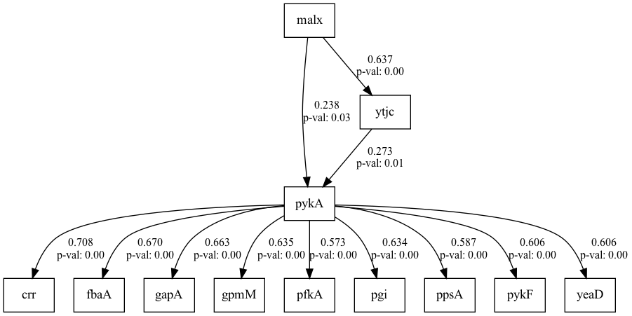
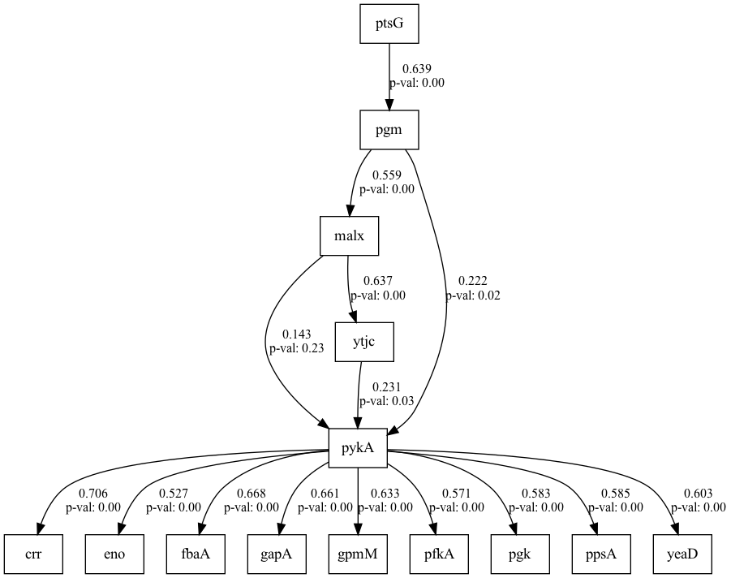
number | result | beta | w_threshold
4 | 0.64821109575 | 0.012368584021 | 0.29637485802
6 | 0.5464241608 | 0.077497205028 | 0.27442828718
0 | 0.51176193078 | 0.044577776839 | 0.29524068074
DoF | DoF Baseline | chi2 | chi2 p-value | chi2 Baseline | CFI | GFI | AGFI | NFI | TLI | RMSEA | AIC | BIC | LogLik

153 | 172 | 844.19067564 | 0 | 1902.0370154 | 0.60047636583 | 0.55616495956 | 0.50104818984 | 0.55616495956 | 0.55086231976 | 0.19820029648 | 59.444988351 | 161.32782542 | 7.2775058245
135 | 154 | 779.18154748 | 0 | 1750.7897338 | 0.5965770985 | 0.55495424011 | 0.49231817019 | 0.55495424011 | 0.53979906051 | 0.20369873677 | 58.565835388 | 157.69508227 | 6.7170823059
77 | 92 | 490.313809 | 0 | 1199.8848984 | 0.62693434165 | 0.59136596381 | 0.51176193078 | 0.59136596381 | 0.5542592134 | 0.21604572393 | 47.546313638 | 124.64683899 | 4.226843181

