SEM Result 0.0
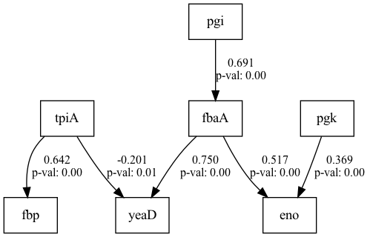
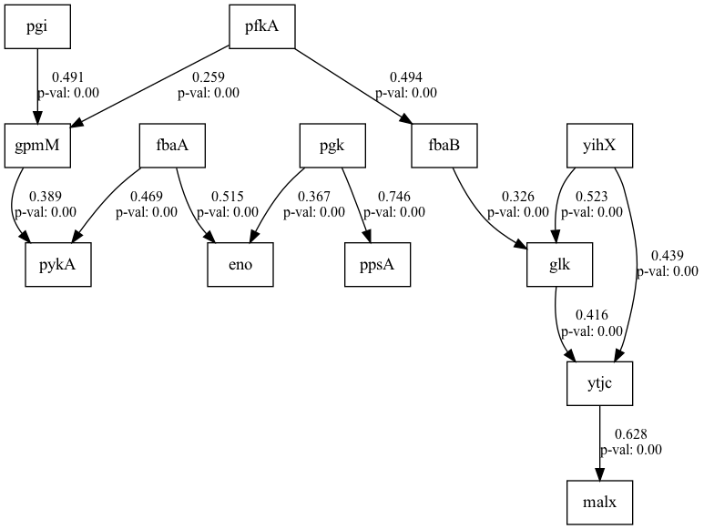
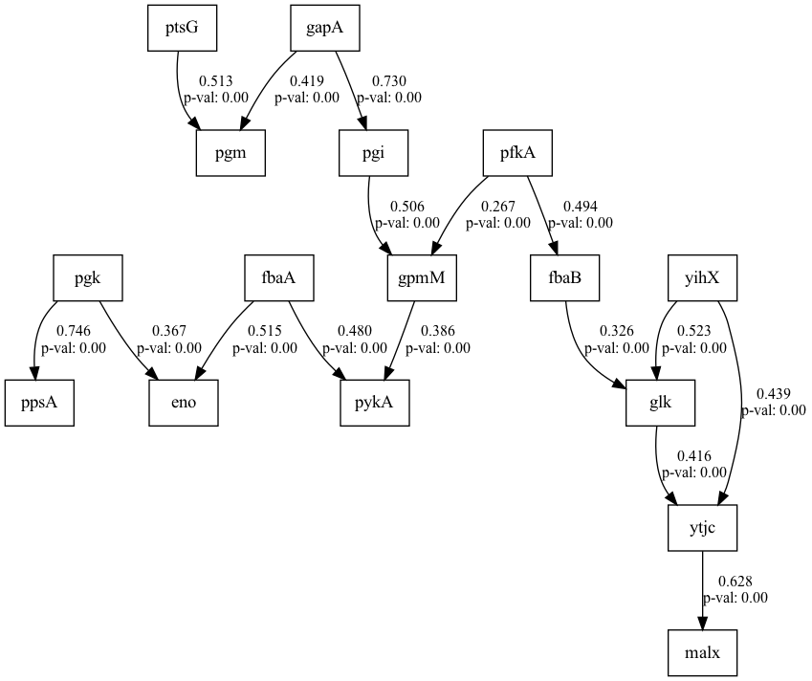
number | RMSEA | GFI | AGFI | AIC | lasso_beta | ridge_beta | threshold
0 | 0.09672 | 0.79744 | 0.73638 | 291.39829 | 0.01176548605 | 0.011483729283 | 0.20605046832

SEM Result 1.0
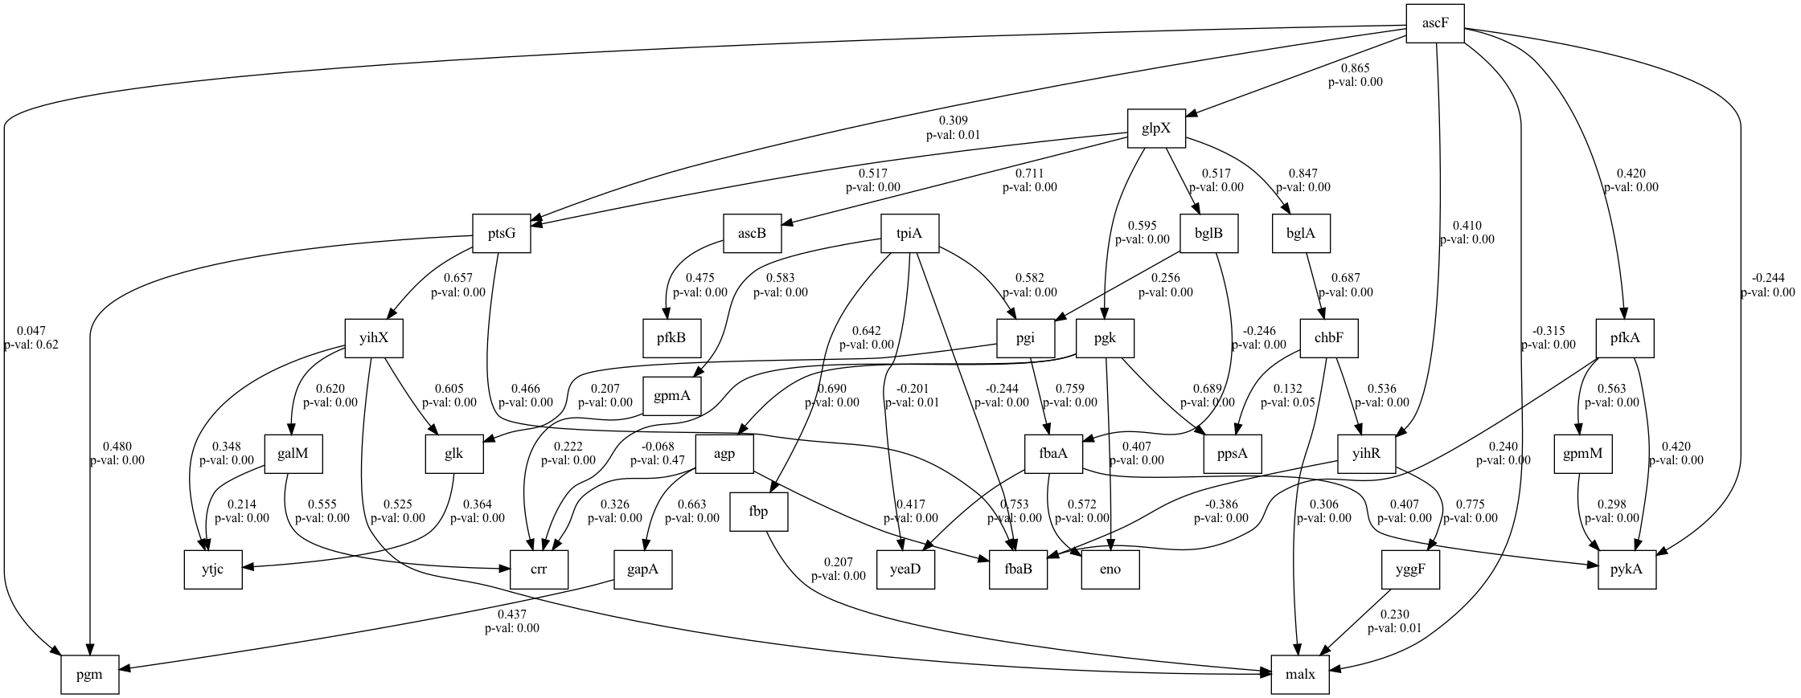
number | RMSEA | GFI | AGFI | AIC | lasso_beta | ridge_beta | threshold
1 | 0.10049 | 0.78391 | 0.72498 | 270.42299 | 0.010975763253 | 0.018024028752 | 0.21358442378

