SEM Result 0.0
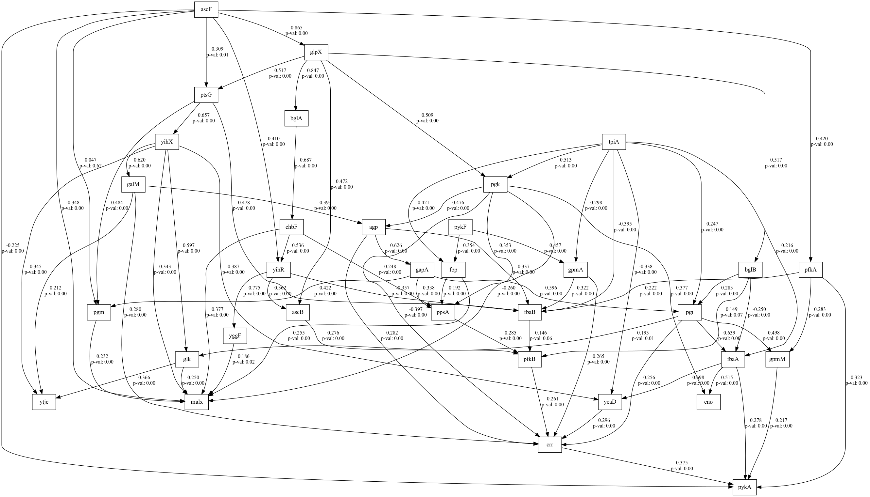
number | value | lasso_beta | ridge_beta | threshold | DoF | DoF Baseline | chi2 | chi2 p-value | chi2 Baseline | CFI | GFI | AGFI | NFI | TLI | RMSEA | AIC | BIC | LogLik
0 | 0.99999999027 | 0.099249598171 | 0.022374821986 | 0.38925907593 | 3 | 5 | 1.0377993043E-06 | 0.99999999972 | 177.73931939 | 1.0173672038 | 0.99999999416 | 0.99999999027 | 0.99999999416 | 1.0289453396 | 0 | 5.9999999821 | 14.260770555 | 8.9465457265E-09

SEM Result 2.0
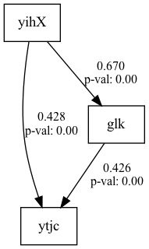
number | value | lasso_beta | ridge_beta | threshold | DoF | DoF Baseline | chi2 | chi2 p-value | chi2 Baseline | CFI | GFI | AGFI | NFI | TLI | RMSEA | AIC | BIC | LogLik
2 | 0.99999999027 | 0.085363793809 | 0.018561924029 | 0.38165838683 | 3 | 5 | 1.0377993043E-06 | 0.99999999972 | 177.73931939 | 1.0173672038 | 0.99999999416 | 0.99999999027 | 0.99999999416 | 1.0289453396 | 0 | 5.9999999821 | 14.260770555 | 8.9465457265E-09

SEM Result 3.0
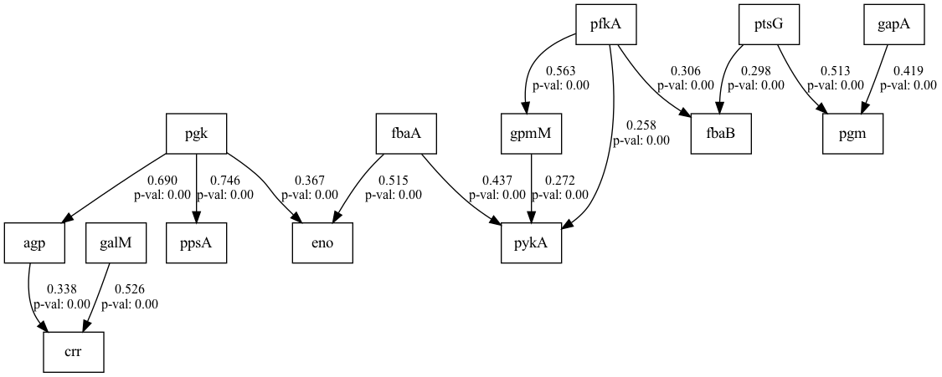
number | value | lasso_beta | ridge_beta | threshold | DoF | DoF Baseline | chi2 | chi2 p-value | chi2 Baseline | CFI | GFI | AGFI | NFI | TLI | RMSEA | AIC | BIC | LogLik
3 | 0.99999999027 | 0.076637365732 | 0.032108971342 | 0.36566301843 | 3 | 5 | 1.0377993043E-06 | 0.99999999972 | 177.73931939 | 1.0173672038 | 0.99999999416 | 0.99999999027 | 0.99999999416 | 1.0289453396 | 0 | 5.9999999821 | 14.260770555 | 8.9465457265E-09

SEM Result 4.0
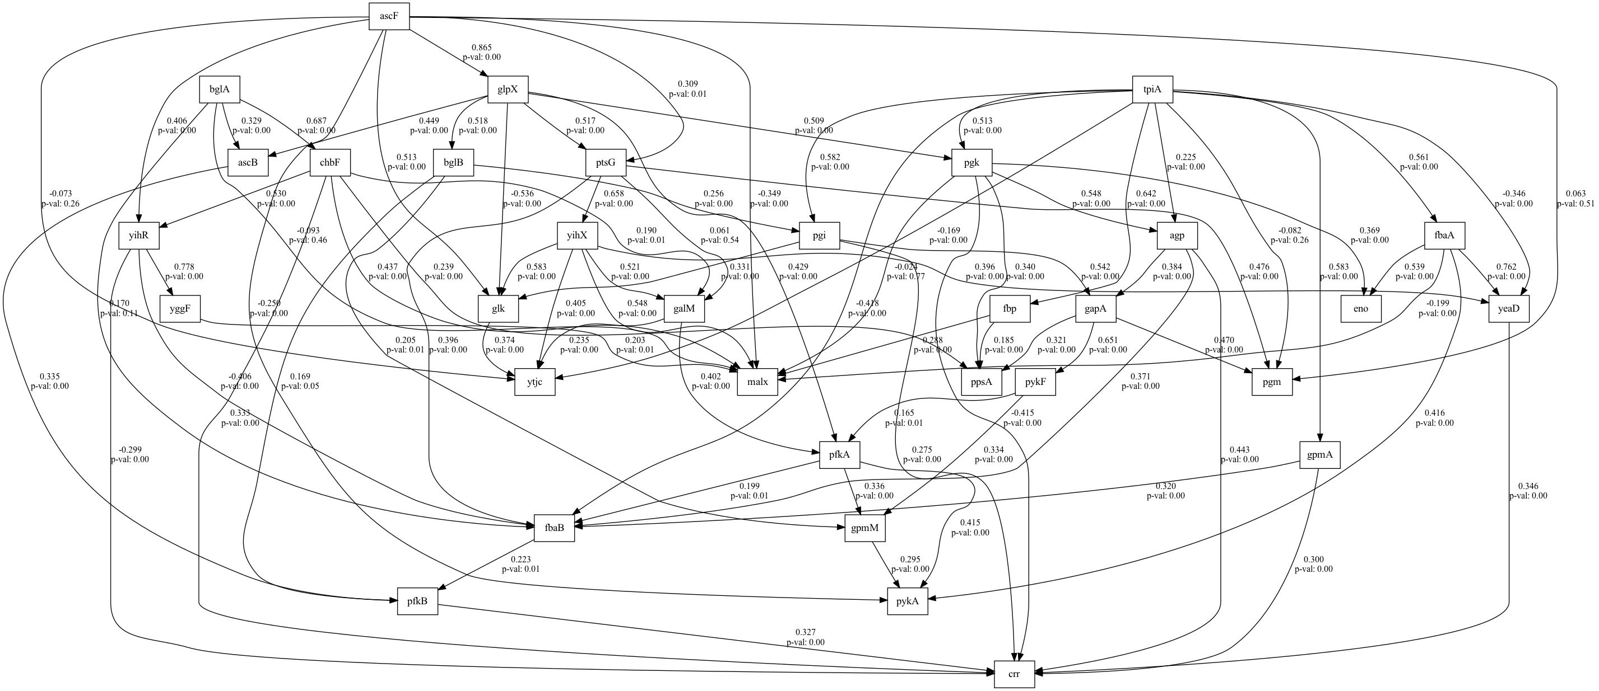
number | value | lasso_beta | ridge_beta | threshold | DoF | DoF Baseline | chi2 | chi2 p-value | chi2 Baseline | CFI | GFI | AGFI | NFI | TLI | RMSEA | AIC | BIC | LogLik
4 | 0.99999999027 | 0.092369090328 | 0.026859471352 | 0.39127951737 | 3 | 5 | 1.0377993043E-06 | 0.99999999972 | 177.73931939 | 1.0173672038 | 0.99999999416 | 0.99999999027 | 0.99999999416 | 1.0289453396 | 0 | 5.9999999821 | 14.260770555 | 8.9465457265E-09

SEM Result 5.0
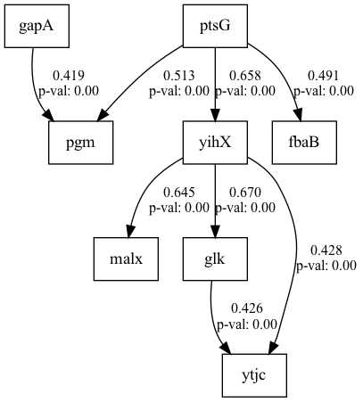
number | value | lasso_beta | ridge_beta | threshold | DoF | DoF Baseline | chi2 | chi2 p-value | chi2 Baseline | CFI | GFI | AGFI | NFI | TLI | RMSEA | AIC | BIC | LogLik
5 | 0.99999999027 | 0.096734650244 | 0.020617771183 | 0.39942441225 | 3 | 5 | 1.0377993043E-06 | 0.99999999972 | 177.73931939 | 1.0173672038 | 0.99999999416 | 0.99999999027 | 0.99999999416 | 1.0289453396 | 0 | 5.9999999821 | 14.260770555 | 8.9465457265E-09

SEM Result 6.0
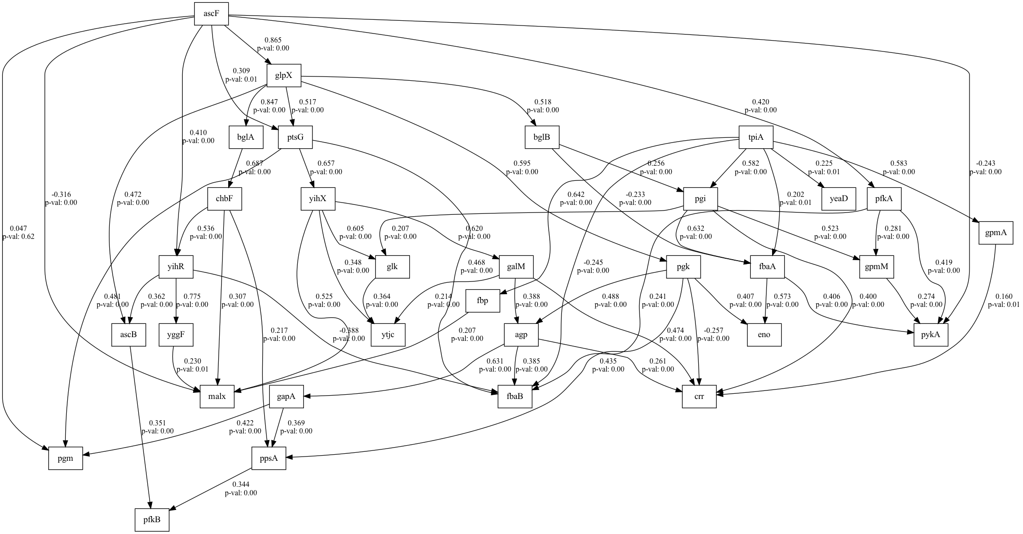
number | value | lasso_beta | ridge_beta | threshold | DoF | DoF Baseline | chi2 | chi2 p-value | chi2 Baseline | CFI | GFI | AGFI | NFI | TLI | RMSEA | AIC | BIC | LogLik
6 | 0.99999999027 | 0.091899467508 | 0.020905927383 | 0.39975633318 | 3 | 5 | 1.0377993043E-06 | 0.99999999972 | 177.73931939 | 1.0173672038 | 0.99999999416 | 0.99999999027 | 0.99999999416 | 1.0289453396 | 0 | 5.9999999821 | 14.260770555 | 8.9465457265E-09

SEM Result 7.0
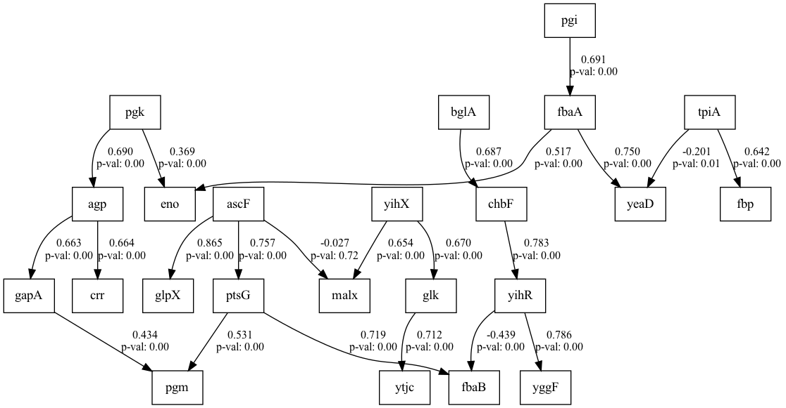
number | value | lasso_beta | ridge_beta | threshold | DoF | DoF Baseline | chi2 | chi2 p-value | chi2 Baseline | CFI | GFI | AGFI | NFI | TLI | RMSEA | AIC | BIC | LogLik
7 | 0.99999999027 | 0.09882293724 | 0.038493742763 | 0.39030889909 | 3 | 5 | 1.0377993043E-06 | 0.99999999972 | 177.73931939 | 1.0173672038 | 0.99999999416 | 0.99999999027 | 0.99999999416 | 1.0289453396 | 0 | 5.9999999821 | 14.260770555 | 8.9465457265E-09

SEM Result 8.0
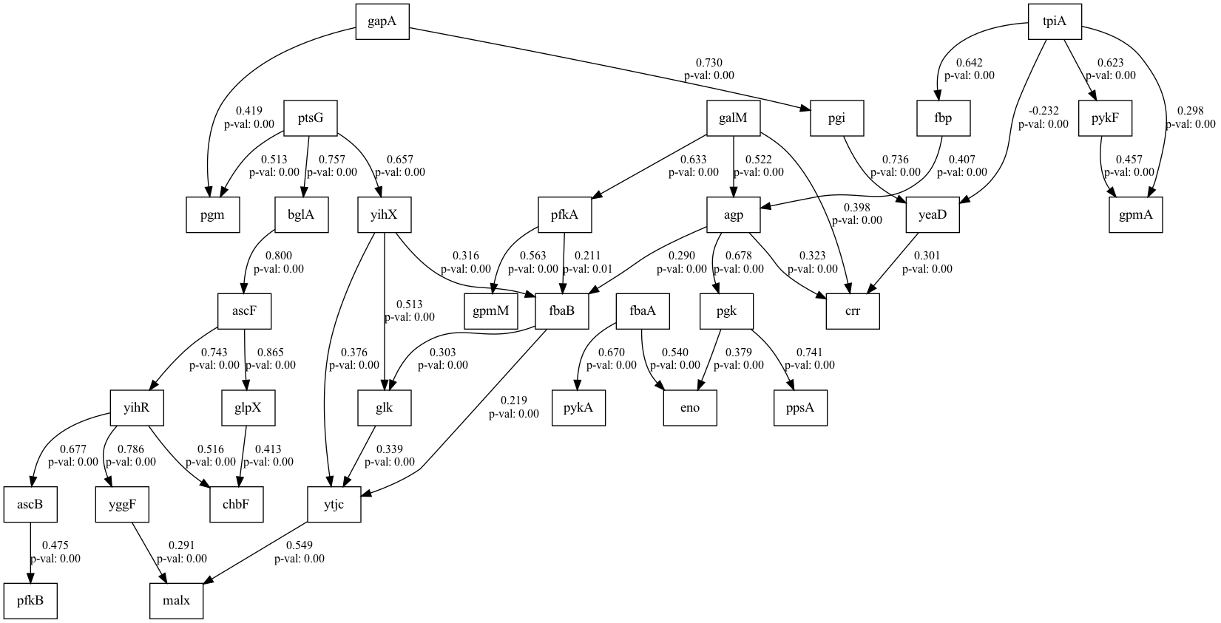
number | value | lasso_beta | ridge_beta | threshold | DoF | DoF Baseline | chi2 | chi2 p-value | chi2 Baseline | CFI | GFI | AGFI | NFI | TLI | RMSEA | AIC | BIC | LogLik
8 | 0.99999999027 | 0.095236410034 | 0.038628551462 | 0.39984278787 | 3 | 5 | 1.0377993043E-06 | 0.99999999972 | 177.73931939 | 1.0173672038 | 0.99999999416 | 0.99999999027 | 0.99999999416 | 1.0289453396 | 0 | 5.9999999821 | 14.260770555 | 8.9465457265E-09

SEM Result 9.0
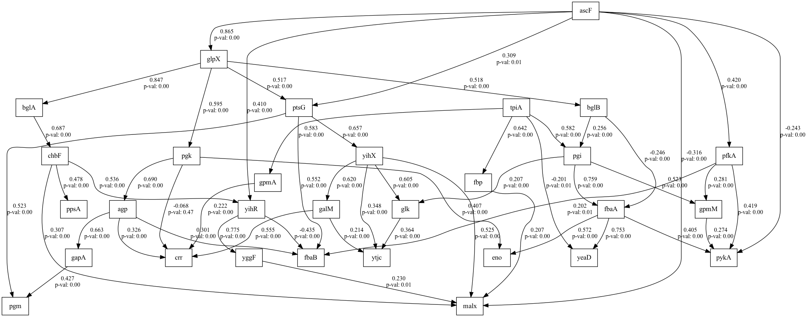
number | value | lasso_beta | ridge_beta | threshold | DoF | DoF Baseline | chi2 | chi2 p-value | chi2 Baseline | CFI | GFI | AGFI | NFI | TLI | RMSEA | AIC | BIC | LogLik
9 | 0.99999999027 | 0.080870188342 | 0.029374459997 | 0.37326692252 | 3 | 5 | 1.0377993043E-06 | 0.99999999972 | 177.73931939 | 1.0173672038 | 0.99999999416 | 0.99999999027 | 0.99999999416 | 1.0289453396 | 0 | 5.9999999821 | 14.260770555 | 8.9465457265E-09

