SEM Result 0.0
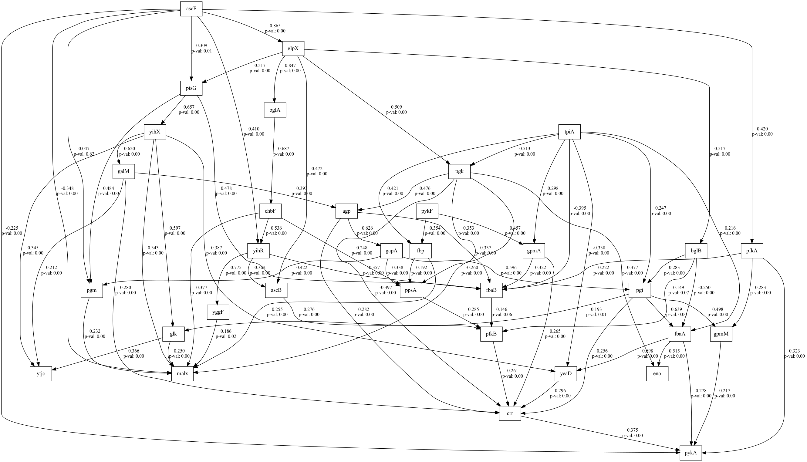
number | value | lasso_beta | ridge_beta | threshold | DoF | DoF Baseline | chi2 | chi2 p-value | chi2 Baseline | CFI | GFI | AGFI | NFI | TLI | RMSEA | AIC | BIC | LogLik
0 | 0.99999999416 | 0.084196383168 | 0.013234345296 | 0.38003267562 | 3 | 5 | 1.0377993043E-06 | 0.99999999972 | 177.73931939 | 1.0173672038 | 0.99999999416 | 0.99999999027 | 0.99999999416 | 1.0289453396 | 0 | 5.9999999821 | 14.260770555 | 8.9465457265E-09

SEM Result 2.0
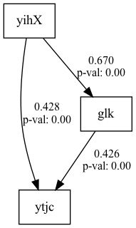
number | value | lasso_beta | ridge_beta | threshold | DoF | DoF Baseline | chi2 | chi2 p-value | chi2 Baseline | CFI | GFI | AGFI | NFI | TLI | RMSEA | AIC | BIC | LogLik
2 | 0.99999999295 | 0.027176436386 | 0.06366677135 | 0.32117301945 | 1 | 4 | 1.2528245215E-06 | 0.99910693084 | 177.73928904 | 1.0057557433 | 0.99999999295 | 0.99999997181 | 0.99999999295 | 1.0230229732 | 0 | 9.9999999784 | 23.767950934 | 1.0800211392E-08

SEM Result 3.0
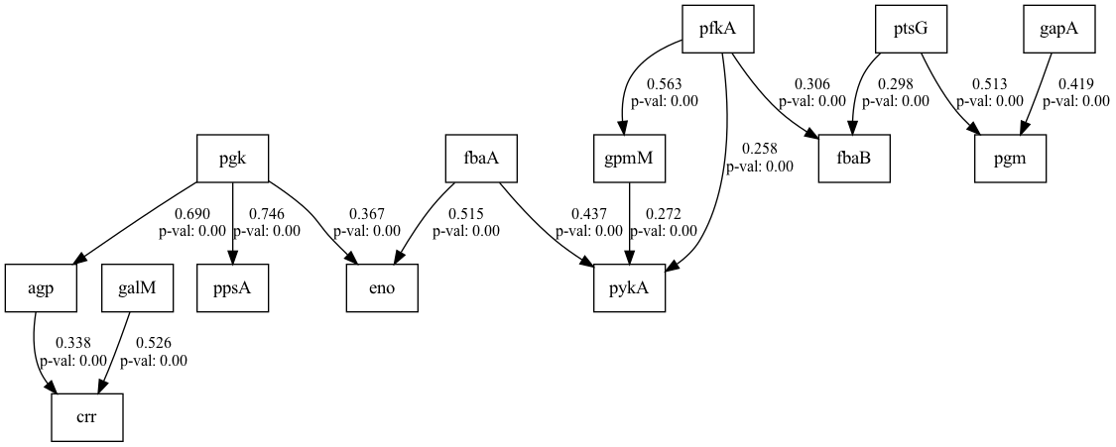
number | value | lasso_beta | ridge_beta | threshold | DoF | DoF Baseline | chi2 | chi2 p-value | chi2 Baseline | CFI | GFI | AGFI | NFI | TLI | RMSEA | AIC | BIC | LogLik
3 | 0.99999999295 | 0.031591588897 | 0.062765019585 | 0.33549033376 | 1 | 4 | 1.2528245215E-06 | 0.99910693084 | 177.73928904 | 1.0057557433 | 0.99999999295 | 0.99999997181 | 0.99999999295 | 1.0230229732 | 0 | 9.9999999784 | 23.767950934 | 1.0800211392E-08

SEM Result 4.0
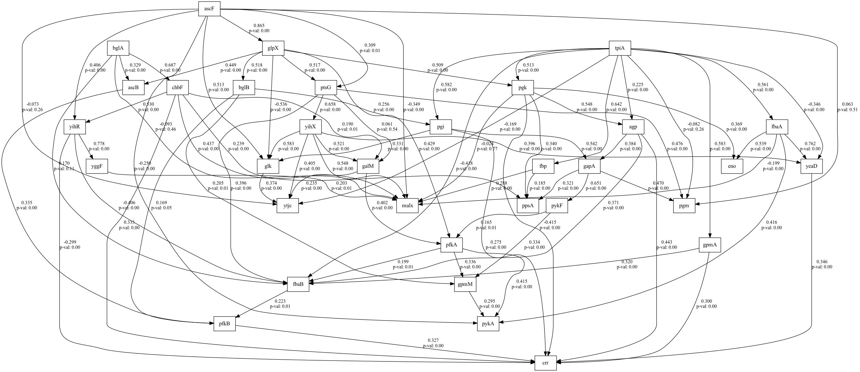
number | value | lasso_beta | ridge_beta | threshold | DoF | DoF Baseline | chi2 | chi2 p-value | chi2 Baseline | CFI | GFI | AGFI | NFI | TLI | RMSEA | AIC | BIC | LogLik
4 | 0.76702491418 | 0.022187434256 | 0.012220531883 | 0.37832306174 | 80 | 95 | 351.71796706 | 0 | 1509.6805988 | 0.80792981307 | 0.76702491418 | 0.72334208559 | 0.76702491418 | 0.77191665302 | 0.17185622374 | 43.93589712 | 112.7756519 | 3.0320514402

SEM Result 5.0
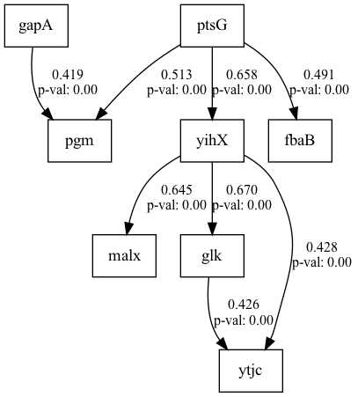
number | value | lasso_beta | ridge_beta | threshold | DoF | DoF Baseline | chi2 | chi2 p-value | chi2 Baseline | CFI | GFI | AGFI | NFI | TLI | RMSEA | AIC | BIC | LogLik
5 | 0.70844780029 | 0.025278129947 | 0.011033302626 | 0.3984284284 | 69 | 82 | 379.85344028 | 0 | 1302.8659728 | 0.74538282889 | 0.70844780029 | 0.65351767571 | 0.70844780029 | 0.69741147782 | 0.19792669532 | 37.450802754 | 98.029786958 | 3.2745986231

SEM Result 6.0
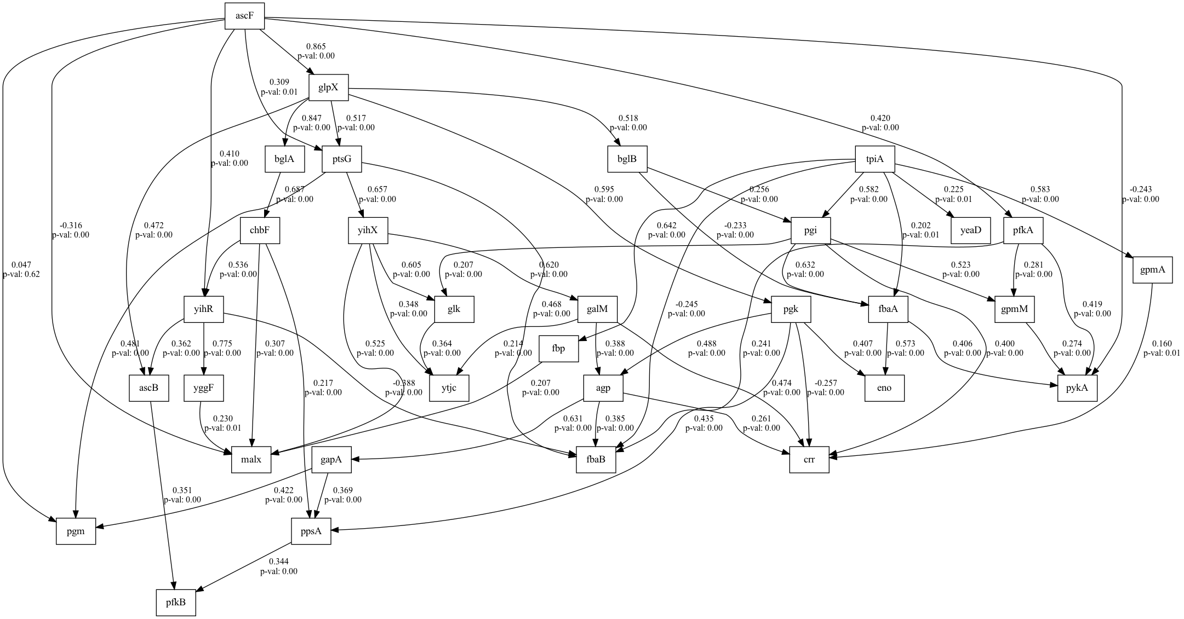
number | value | lasso_beta | ridge_beta | threshold | DoF | DoF Baseline | chi2 | chi2 p-value | chi2 Baseline | CFI | GFI | AGFI | NFI | TLI | RMSEA | AIC | BIC | LogLik
6 | 0.62328136839 | 0.017242675273 | 0.073356886881 | 0.31594999089 | 352 | 384 | 1319.7728851 | 0 | 3503.3384983 | 0.68975060396 | 0.62328136839 | 0.58903422007 | 0.62328136839 | 0.66154611342 | 0.15462028629 | 85.245295084 | 233.9391654 | 11.377352458

SEM Result 7.0
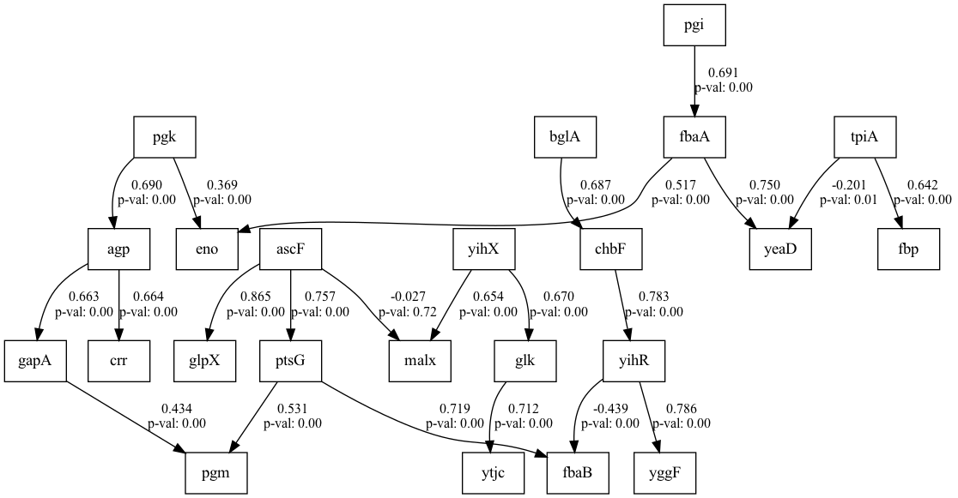
number | value | lasso_beta | ridge_beta | threshold | DoF | DoF Baseline | chi2 | chi2 p-value | chi2 Baseline | CFI | GFI | AGFI | NFI | TLI | RMSEA | AIC | BIC | LogLik
7 | 0.62095285791 | 0.050032426437 | 0.022699997708 | 0.23691097595 | 484 | 534 | 1584.8019056 | 0 | 4181.0153134 | 0.69816361847 | 0.62095285791 | 0.5817950953 | 0.62095285791 | 0.6669821741 | 0.14063162185 | 126.67582921 | 338.70227393 | 13.662085393

SEM Result 8.0
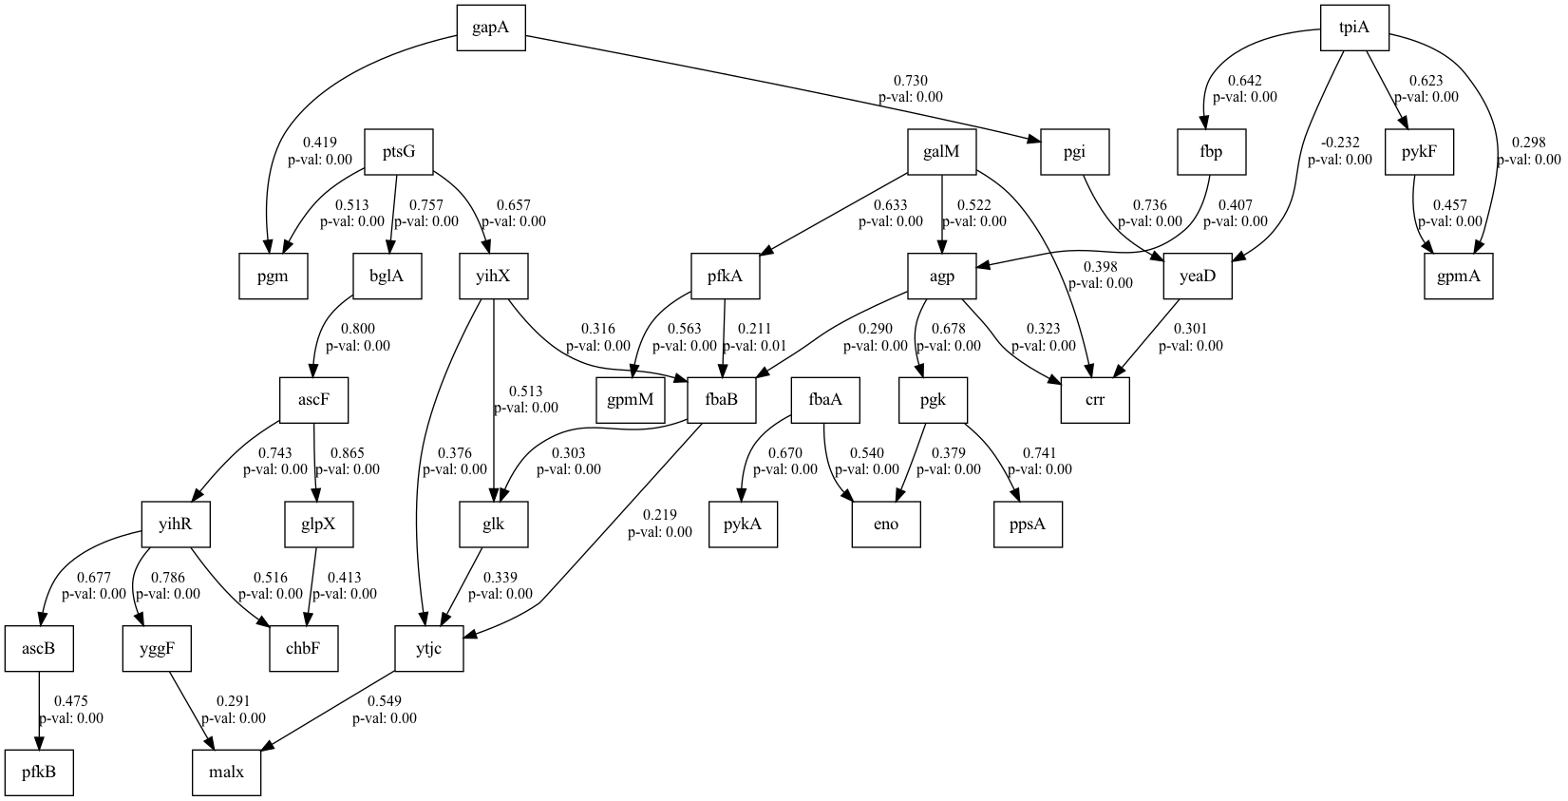
number | value | lasso_beta | ridge_beta | threshold | DoF | DoF Baseline | chi2 | chi2 p-value | chi2 Baseline | CFI | GFI | AGFI | NFI | TLI | RMSEA | AIC | BIC | LogLik
8 | 0.61198893377 | 0.011643948283 | 0.015066158235 | 0.37230690944 | 343 | 383 | 1324.9753167 | 0 | 3414.787443 | 0.67610680657 | 0.61198893377 | 0.56673982983 | 0.61198893377 | 0.63833500559 | 0.15778085512 | 103.15559799 | 276.63178003 | 11.422201006

SEM Result 9.0
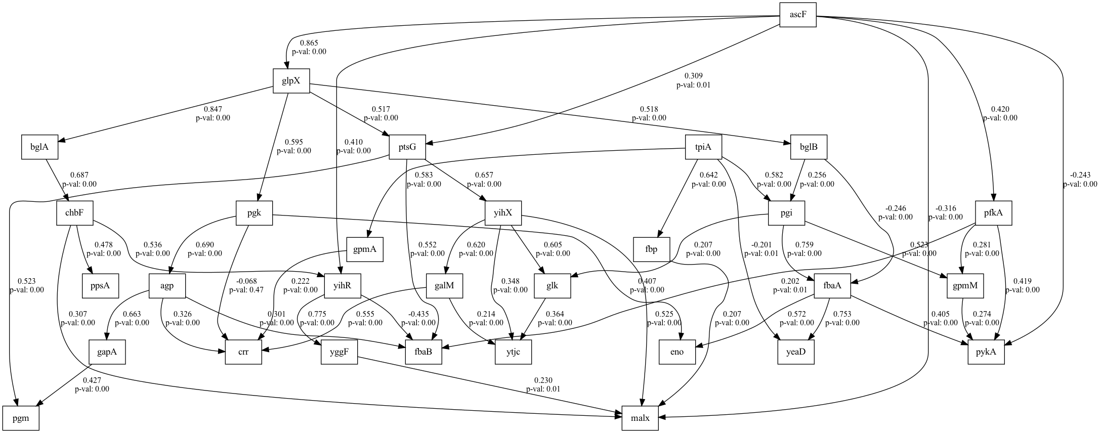
number | value | lasso_beta | ridge_beta | threshold | DoF | DoF Baseline | chi2 | chi2 p-value | chi2 Baseline | CFI | GFI | AGFI | NFI | TLI | RMSEA | AIC | BIC | LogLik
9 | 0.60280970899 | 0.044825017568 | 0.010104266373 | 0.29157323045 | 470 | 504 | 1598.1920706 | 0 | 4023.744051 | 0.67946758224 | 0.60280970899 | 0.57407679432 | 0.60280970899 | 0.65628013074 | 0.14447532242 | 88.4449643 | 248.15319538 | 13.77751785

