SEM Result 0.0
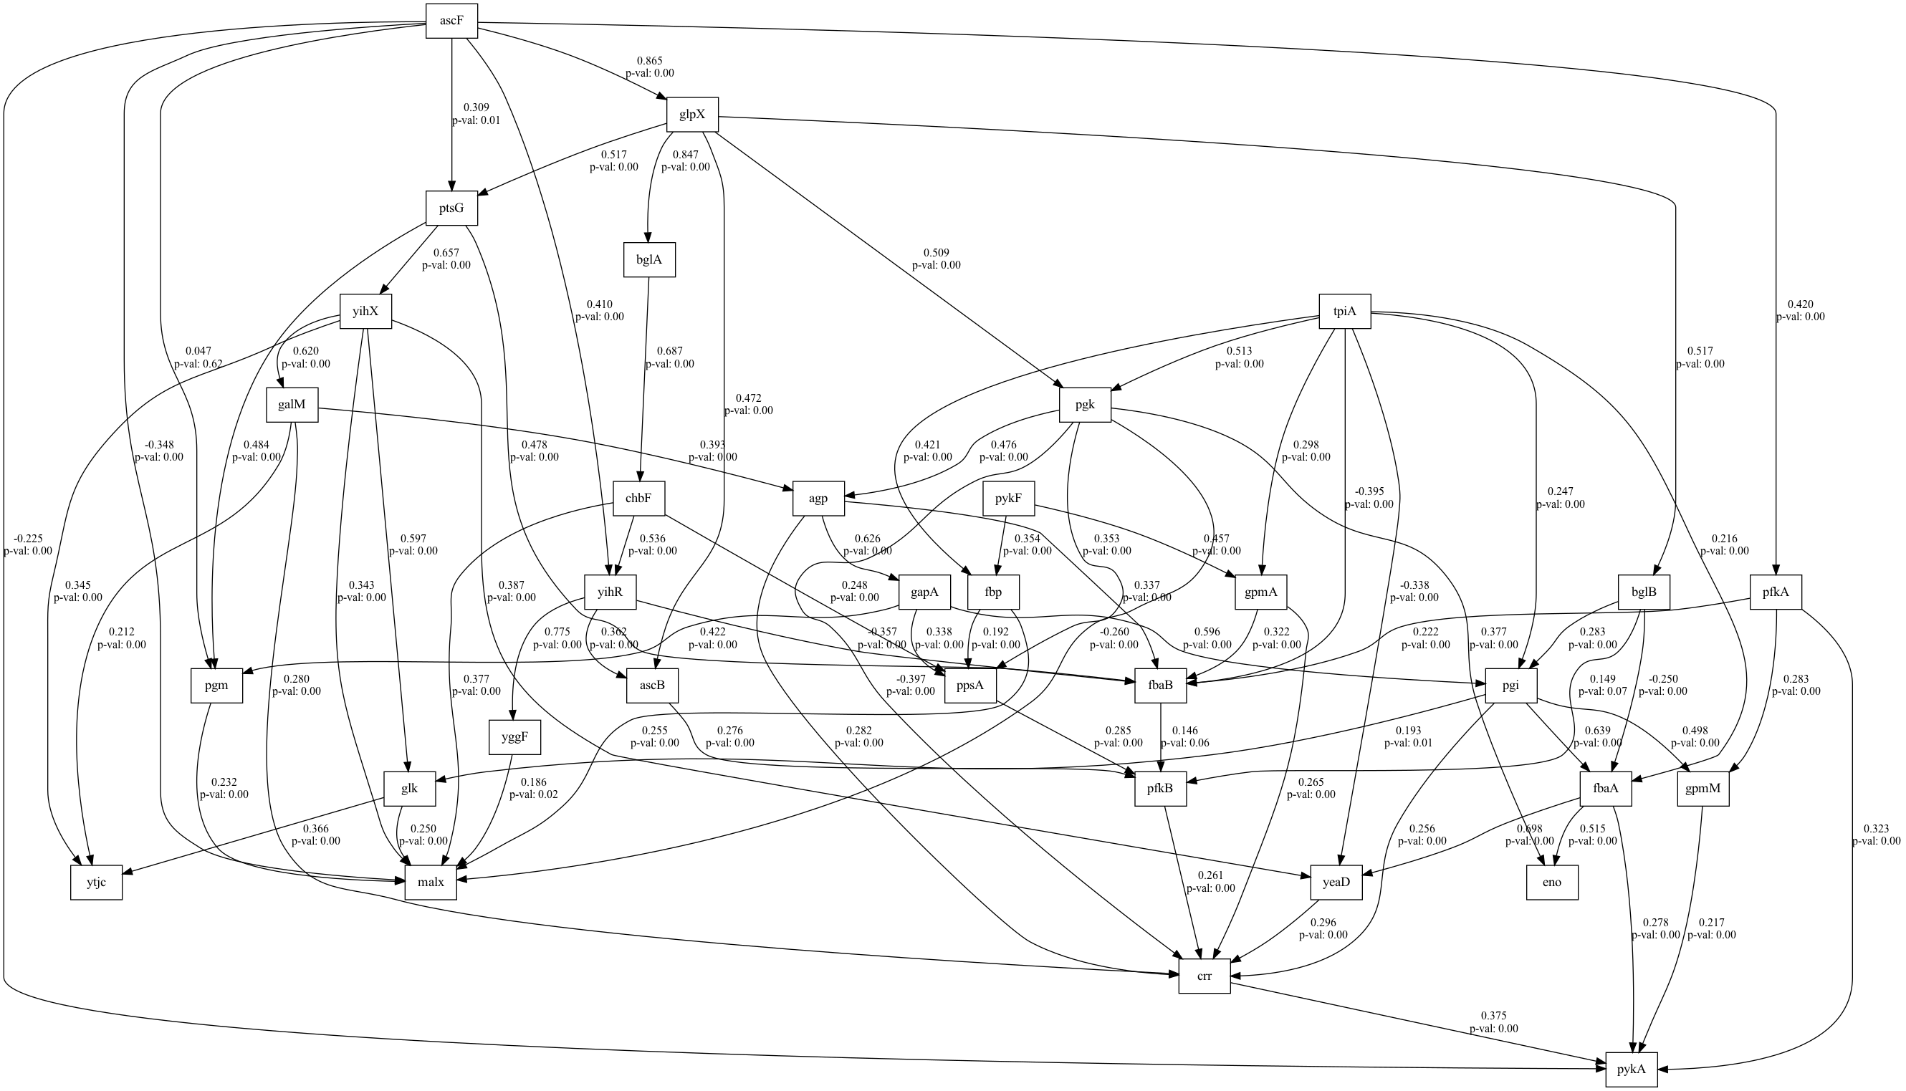
number | value | lasso_beta | ridge_beta | threshold | DoF | DoF Baseline | chi2 | chi2 p-value | chi2 Baseline | CFI | GFI | AGFI | NFI | TLI | RMSEA | AIC | BIC | LogLik
0 | 0.084878388113 | 0.044840846008 | 0.03450283709 | 0.37619278878 | 11 | 17 | 20.113491072 | 0.043808316603 | 371.80274992 | 0.9743139221 | 0.94590279099 | 0.91639522244 | 0.94590279099 | 0.96030333416 | 0.084878388113 | 19.653215671 | 47.189117582 | 0.17339216442

SEM Result 2.0
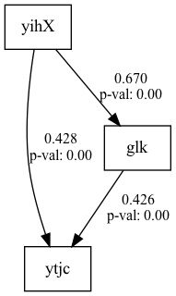
number | value | lasso_beta | ridge_beta | threshold | DoF | DoF Baseline | chi2 | chi2 p-value | chi2 Baseline | CFI | GFI | AGFI | NFI | TLI | RMSEA | AIC | BIC | LogLik
2 | 0.1093705244 | 0.049019958743 | 0.034698285721 | 0.36644081913 | 16 | 23 | 38.009917359 | 0.0015084229475 | 478.07546398 | 0.9516345769 | 0.92049389642 | 0.8857099761 | 0.92049389642 | 0.93047470429 | 0.1093705244 | 23.344656597 | 56.387738891 | 0.32767170137

SEM Result 3.0
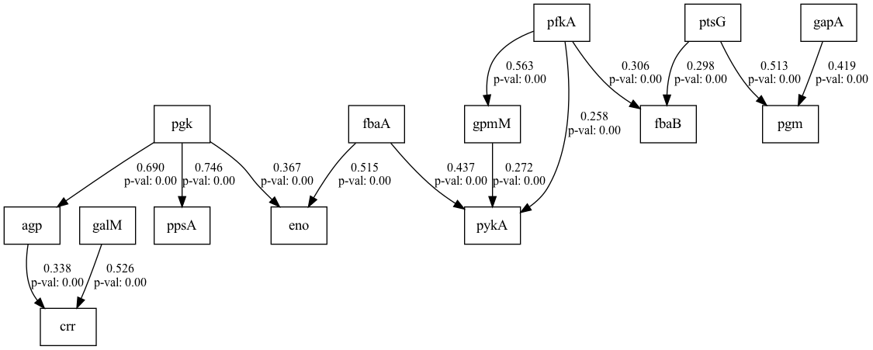
number | value | lasso_beta | ridge_beta | threshold | DoF | DoF Baseline | chi2 | chi2 p-value | chi2 Baseline | CFI | GFI | AGFI | NFI | TLI | RMSEA | AIC | BIC | LogLik
3 | 0.1093705244 | 0.041855954626 | 0.039299490494 | 0.31032618069 | 16 | 23 | 38.009917359 | 0.0015084229475 | 478.07546398 | 0.9516345769 | 0.92049389642 | 0.8857099761 | 0.92049389642 | 0.93047470429 | 0.1093705244 | 23.344656597 | 56.387738891 | 0.32767170137

SEM Result 4.0
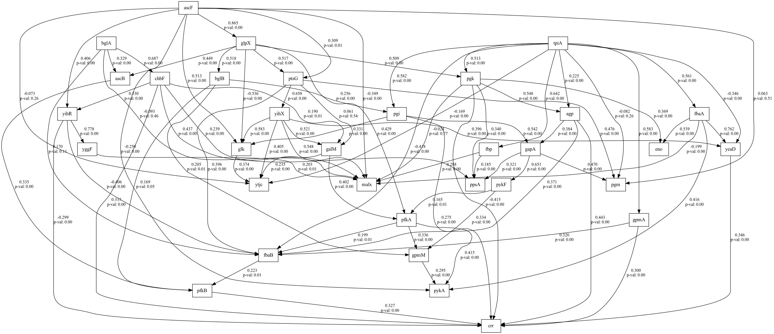
number | value | lasso_beta | ridge_beta | threshold | DoF | DoF Baseline | chi2 | chi2 p-value | chi2 Baseline | CFI | GFI | AGFI | NFI | TLI | RMSEA | AIC | BIC | LogLik
4 | 0.1093705244 | 0.048461548704 | 0.034777729174 | 0.37099586877 | 16 | 23 | 38.009917359 | 0.0015084229475 | 478.07546398 | 0.9516345769 | 0.92049389642 | 0.8857099761 | 0.92049389642 | 0.93047470429 | 0.1093705244 | 23.344656597 | 56.387738891 | 0.32767170137

SEM Result 5.0
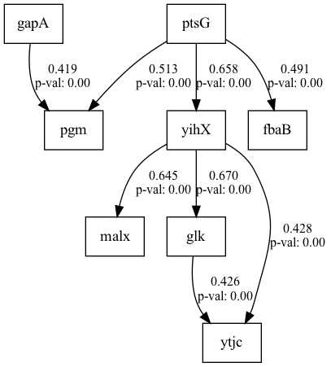
number | value | lasso_beta | ridge_beta | threshold | DoF | DoF Baseline | chi2 | chi2 p-value | chi2 Baseline | CFI | GFI | AGFI | NFI | TLI | RMSEA | AIC | BIC | LogLik
5 | 0.11851207605 | 0.02601087409 | 0.034857662619 | 0.3569378008 | 60 | 71 | 156.91127397 | 1.3191481241E-10 | 1078.8959659 | 0.90384793942 | 0.85456310994 | 0.8278996801 | 0.85456310994 | 0.88622006164 | 0.11851207605 | 33.294633207 | 82.859256647 | 1.3526833963

SEM Result 6.0
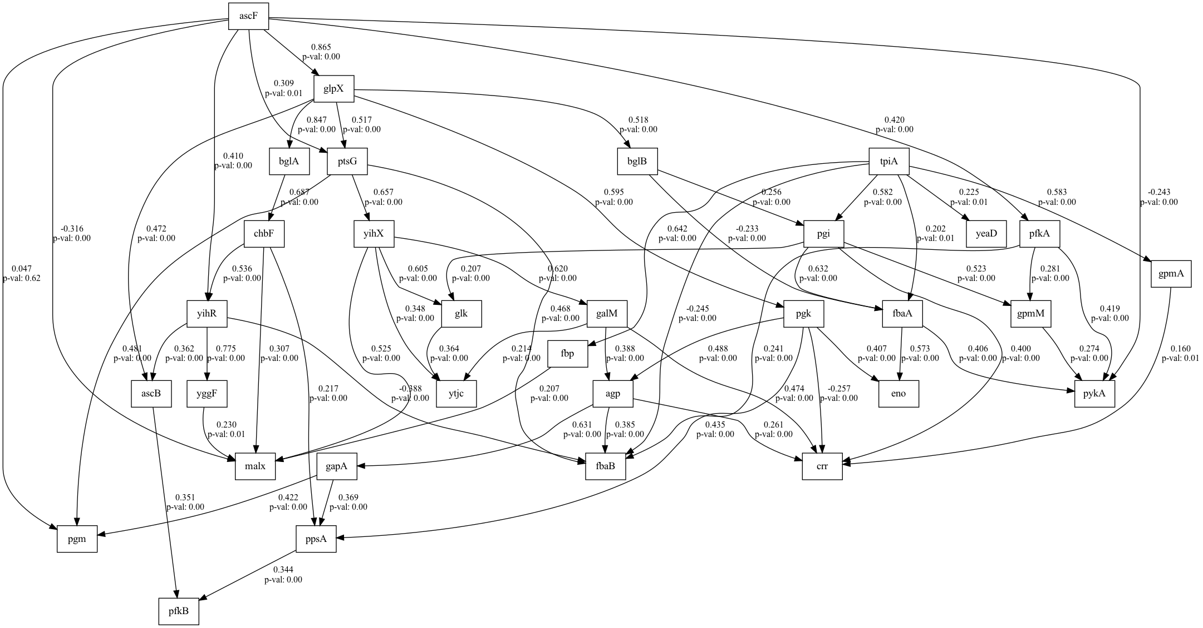
number | value | lasso_beta | ridge_beta | threshold | DoF | DoF Baseline | chi2 | chi2 p-value | chi2 Baseline | CFI | GFI | AGFI | NFI | TLI | RMSEA | AIC | BIC | LogLik
6 | 0.12080563676 | 0.039725235321 | 0.024368622781 | 0.33476993464 | 22 | 30 | 58.922824739 | 3.2209610432E-05 | 604.84872652 | 0.93576949372 | 0.90258254311 | 0.86715801334 | 0.90258254311 | 0.91241294598 | 0.12080563676 | 26.984089229 | 65.534351904 | 0.50795538568

SEM Result 7.0
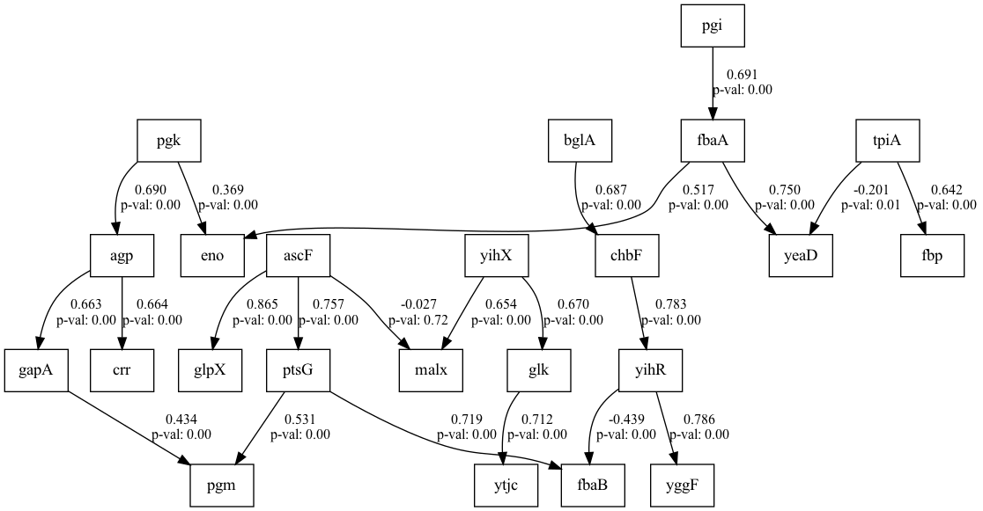
number | value | lasso_beta | ridge_beta | threshold | DoF | DoF Baseline | chi2 | chi2 p-value | chi2 Baseline | CFI | GFI | AGFI | NFI | TLI | RMSEA | AIC | BIC | LogLik
7 | 0.12341312142 | 0.015375128985 | 0.040773987887 | 0.2315782709 | 457 | 532 | 1257.4546172 | 0 | 4181.0152799 | 0.78063818433 | 0.69924658653 | 0.64988880532 | 0.69924658653 | 0.74463788635 | 0.12341312142 | 186.31974798 | 472.69312785 | 10.84012601

SEM Result 8.0
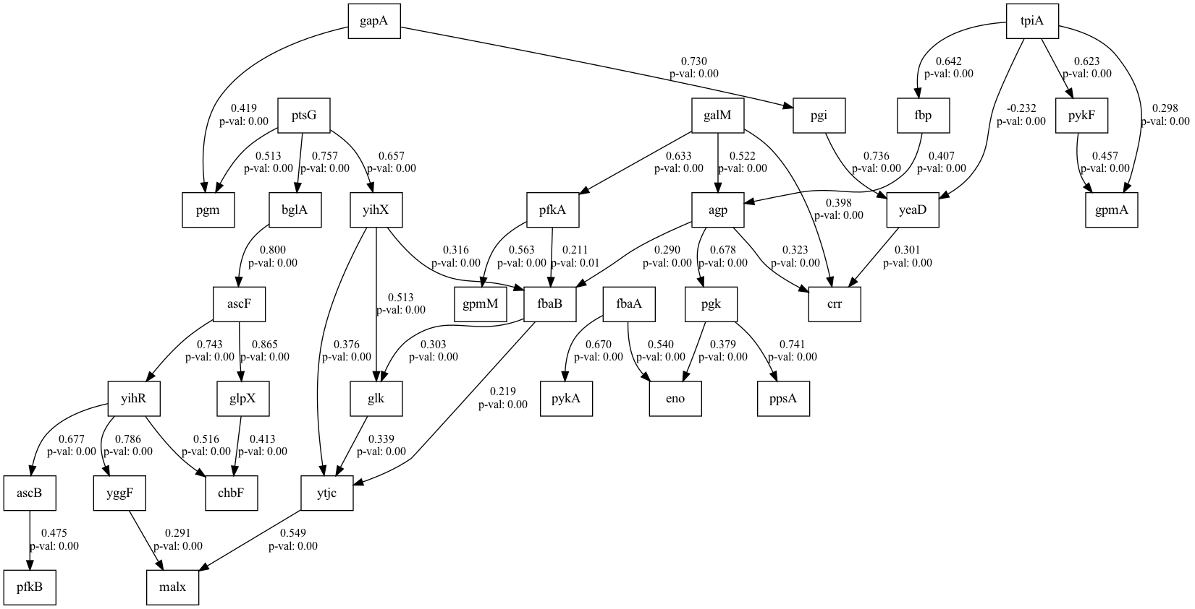
number | value | lasso_beta | ridge_beta | threshold | DoF | DoF Baseline | chi2 | chi2 p-value | chi2 Baseline | CFI | GFI | AGFI | NFI | TLI | RMSEA | AIC | BIC | LogLik
8 | 0.12444183349 | 0.010179397639 | 0.086524176919 | 0.23911781828 | 442 | 501 | 1229.1416852 | 0 | 4006.0707864 | 0.77542773509 | 0.69318023802 | 0.65222465893 | 0.69318023802 | 0.7454508943 | 0.12444183349 | 150.80790198 | 387.61665842 | 10.59604901

SEM Result 9.0
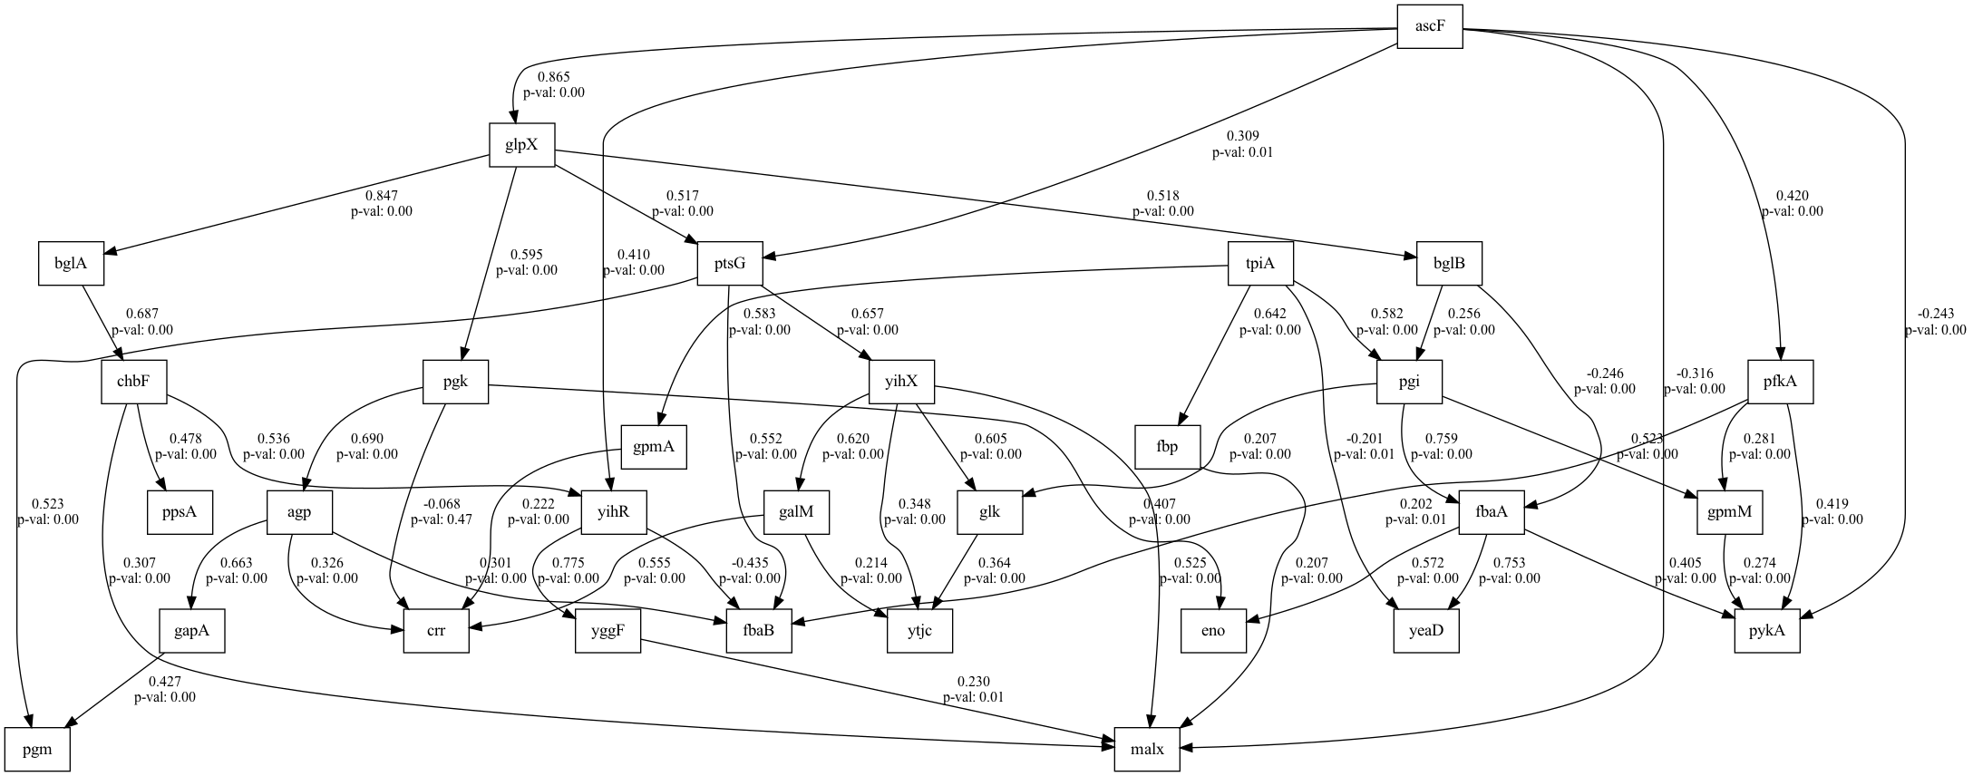
number | value | lasso_beta | ridge_beta | threshold | DoF | DoF Baseline | chi2 | chi2 p-value | chi2 Baseline | CFI | GFI | AGFI | NFI | TLI | RMSEA | AIC | BIC | LogLik
9 | 0.12675865805 | 0.03019637918 | 0.026579661683 | 0.22094061955 | 455 | 530 | 1295.7454054 | 0 | 4181.0153084 | 0.76972284847 | 0.69008833744 | 0.63900399745 | 0.69008833744 | 0.73176507624 | 0.12675865805 | 189.65956198 | 481.54012223 | 11.170219012

