SEM Result 0.0
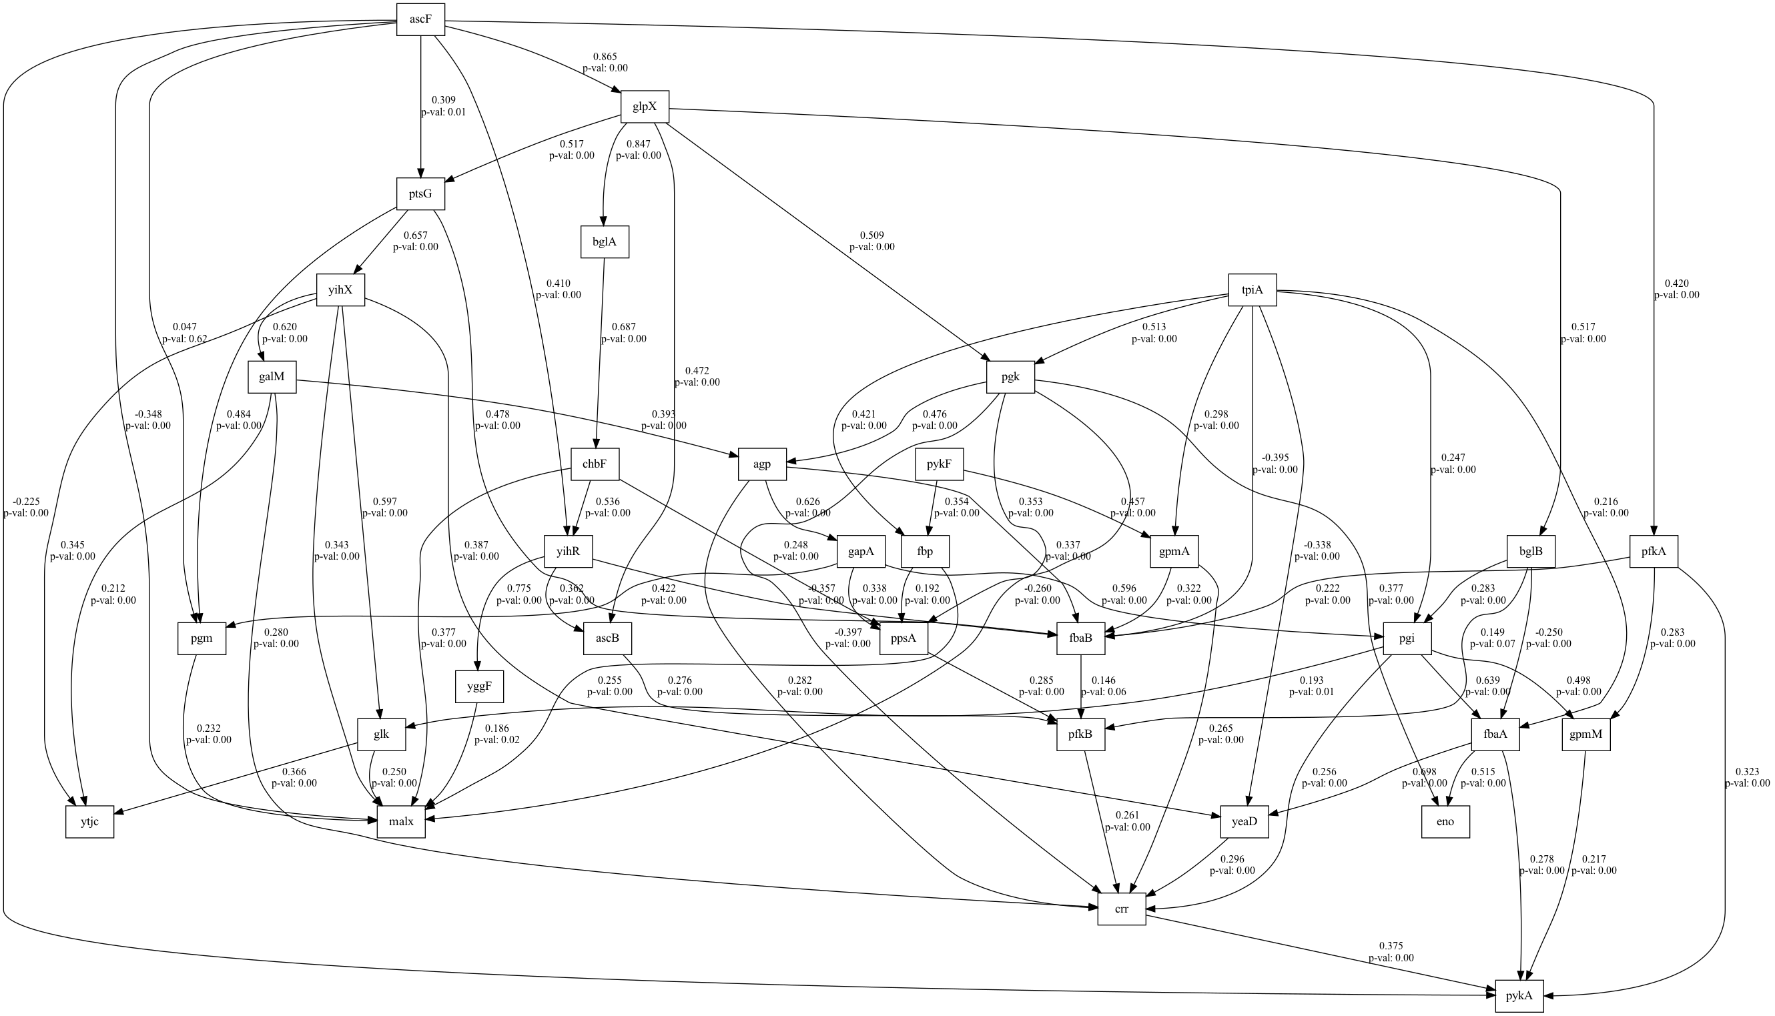
number | value | lasso_beta | ridge_beta | threshold | DoF | DoF Baseline | chi2 | chi2 p-value | chi2 Baseline | CFI | GFI | AGFI | NFI | TLI | RMSEA | AIC | BIC | LogLik
0 | 0.06766896656 | 0.010885709172 | 0.051137263824 | 0.39327369787 | 8 | 12 | 12.212761912 | 0.1419604398 | 300.52590029 | 0.98539901649 | 0.95936203202 | 0.93904304803 | 0.95936203202 | 0.97809852473 | 0.06766896656 | 13.789435139 | 33.064566477 | 0.10528243028

SEM Result 2.0
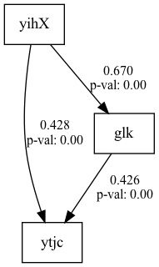
number | value | lasso_beta | ridge_beta | threshold | DoF | DoF Baseline | chi2 | chi2 p-value | chi2 Baseline | CFI | GFI | AGFI | NFI | TLI | RMSEA | AIC | BIC | LogLik
2 | 0.1035077254 | 0.033345196377 | 0.070787433041 | 0.32263696355 | 16 | 23 | 35.713482561 | 0.0031704229757 | 493.26301452 | 0.95807987881 | 0.9275974855 | 0.89592138541 | 0.9275974855 | 0.93973982579 | 0.1035077254 | 23.384250301 | 56.427332594 | 0.30787484966

SEM Result 3.0
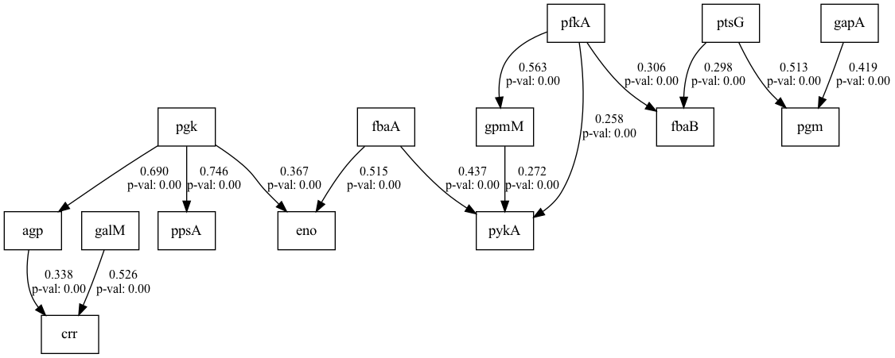
number | value | lasso_beta | ridge_beta | threshold | DoF | DoF Baseline | chi2 | chi2 p-value | chi2 Baseline | CFI | GFI | AGFI | NFI | TLI | RMSEA | AIC | BIC | LogLik
3 | 0.11234401849 | 0.041376770542 | 0.054974540096 | 0.39966583583 | 6 | 11 | 14.708613158 | 0.022648235894 | 318.93084498 | 0.97171893203 | 0.95388149691 | 0.91544941101 | 0.95388149691 | 0.94815137538 | 0.11234401849 | 17.746403221 | 42.528714941 | 0.1267983893

SEM Result 4.0
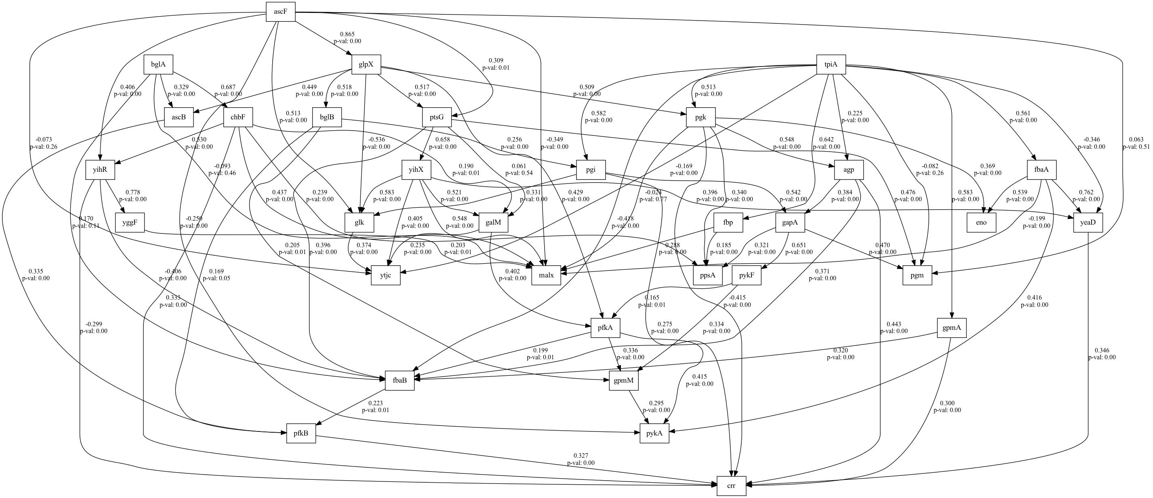
number | value | lasso_beta | ridge_beta | threshold | DoF | DoF Baseline | chi2 | chi2 p-value | chi2 Baseline | CFI | GFI | AGFI | NFI | TLI | RMSEA | AIC | BIC | LogLik
4 | 0.13864833005 | 0.012362868462 | 0.022274186916 | 0.30306184953 | 445 | 501 | 1428.7554186 | 0 | 4006.0707589 | 0.71933364936 | 0.6433524257 | 0.5984709332 | 0.6433524257 | 0.68401383894 | 0.13864833005 | 141.36628589 | 369.91427175 | 12.316857057

SEM Result 5.0
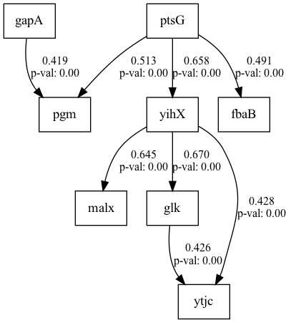
number | value | lasso_beta | ridge_beta | threshold | DoF | DoF Baseline | chi2 | chi2 p-value | chi2 Baseline | CFI | GFI | AGFI | NFI | TLI | RMSEA | AIC | BIC | LogLik
5 | 0.14341014276 | 0.021645080582 | 0.038929934056 | 0.32366083328 | 383 | 415 | 1288.8501292 | 0 | 3532.8483112 | 0.70946305312 | 0.63518101667 | 0.60470005722 | 0.63518101667 | 0.68518842571 | 0.14341014276 | 81.778446049 | 224.96513599 | 11.110776976

SEM Result 6.0
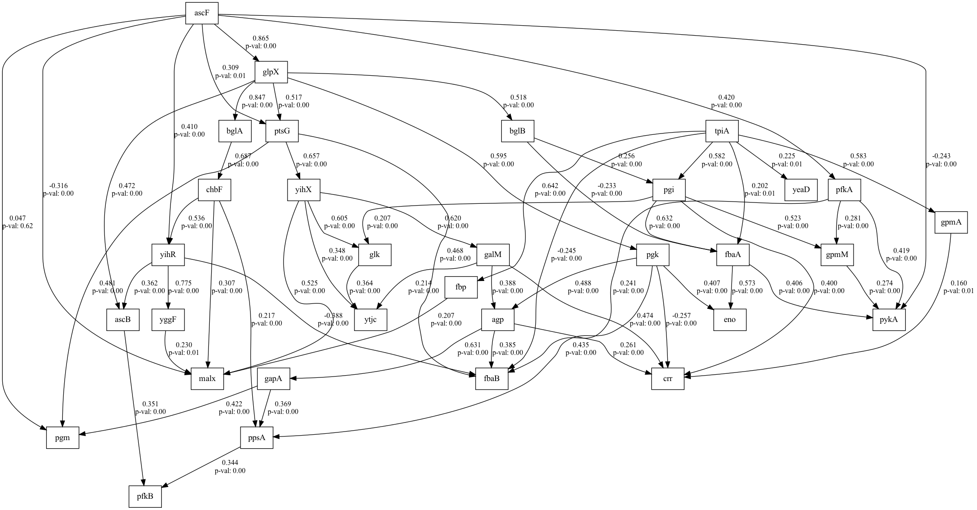
number | value | lasso_beta | ridge_beta | threshold | DoF | DoF Baseline | chi2 | chi2 p-value | chi2 Baseline | CFI | GFI | AGFI | NFI | TLI | RMSEA | AIC | BIC | LogLik
6 | 0.15512820697 | 0.023083923193 | 0.010384795764 | 0.3619426013 | 300 | 331 | 1130.2342406 | 0 | 3156.3936637 | 0.70615272085 | 0.64192228188 | 0.60492091767 | 0.64192228188 | 0.67578850201 | 0.15512820697 | 82.513202748 | 222.94630249 | 9.743398626

SEM Result 7.0
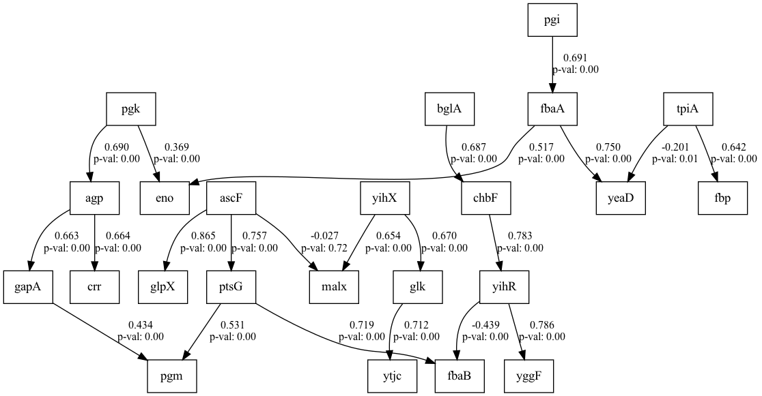
number | value | lasso_beta | ridge_beta | threshold | DoF | DoF Baseline | chi2 | chi2 p-value | chi2 Baseline | CFI | GFI | AGFI | NFI | TLI | RMSEA | AIC | BIC | LogLik
7 | 0.1566351194 | 0.017524515089 | 0.010451847284 | 0.36815123394 | 352 | 385 | 1345.1590143 | 0 | 3435.4283425 | 0.67441981821 | 0.60844503794 | 0.57173676025 | 0.60844503794 | 0.64389667616 | 0.1566351194 | 84.807603202 | 233.50147352 | 11.596198399

SEM Result 8.0
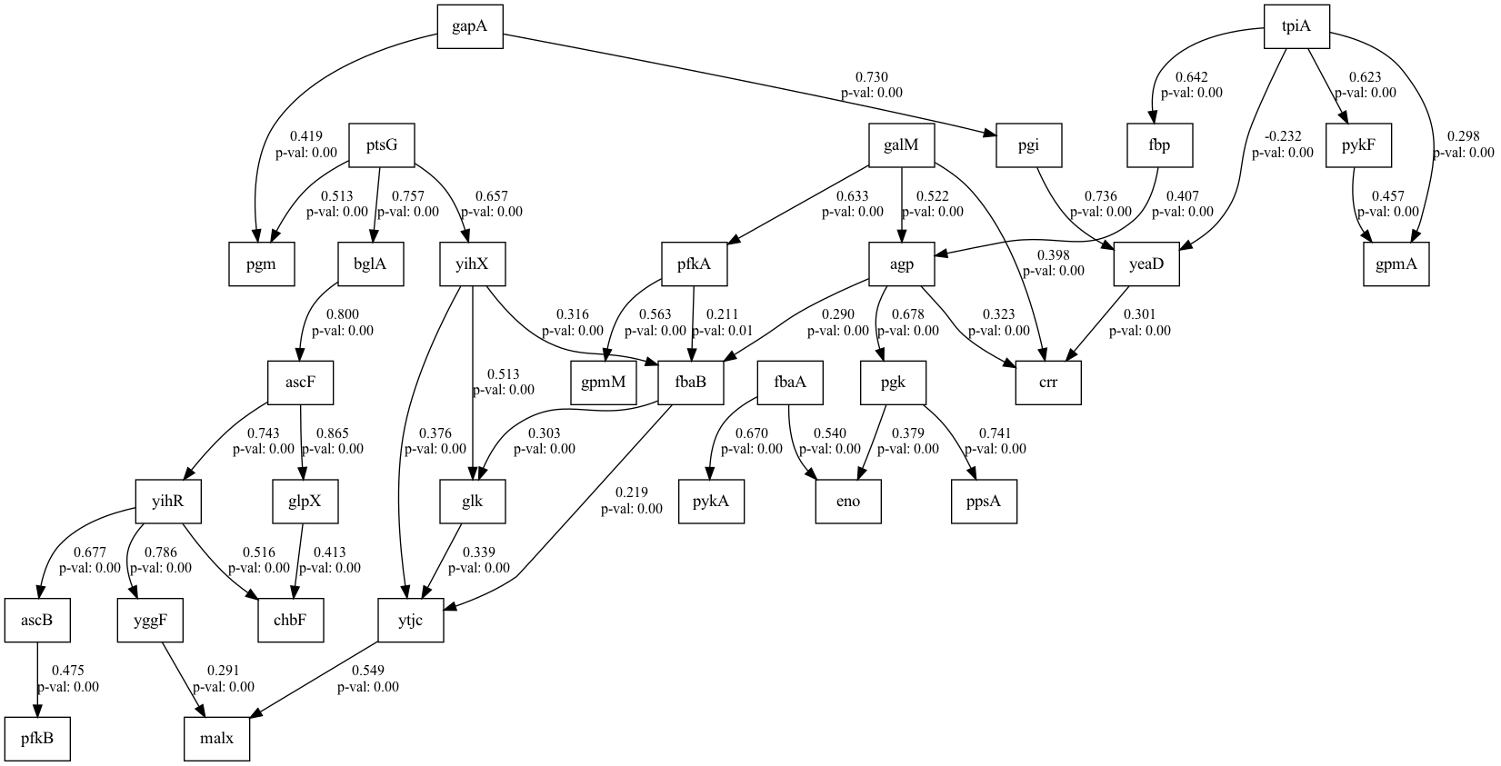
number | value | lasso_beta | ridge_beta | threshold | DoF | DoF Baseline | chi2 | chi2 p-value | chi2 Baseline | CFI | GFI | AGFI | NFI | TLI | RMSEA | AIC | BIC | LogLik
8 | 0.15745232444 | 0.012663043169 | 0.012808452733 | 0.34284158656 | 364 | 410 | 1401.761075 | 0 | 3611.071128 | 0.67580817997 | 0.61181571192 | 0.56275945574 | 0.61181571192 | 0.63483888404 | 0.15745232444 | 117.8317056 | 313.33660917 | 12.084147198

SEM Result 9.0
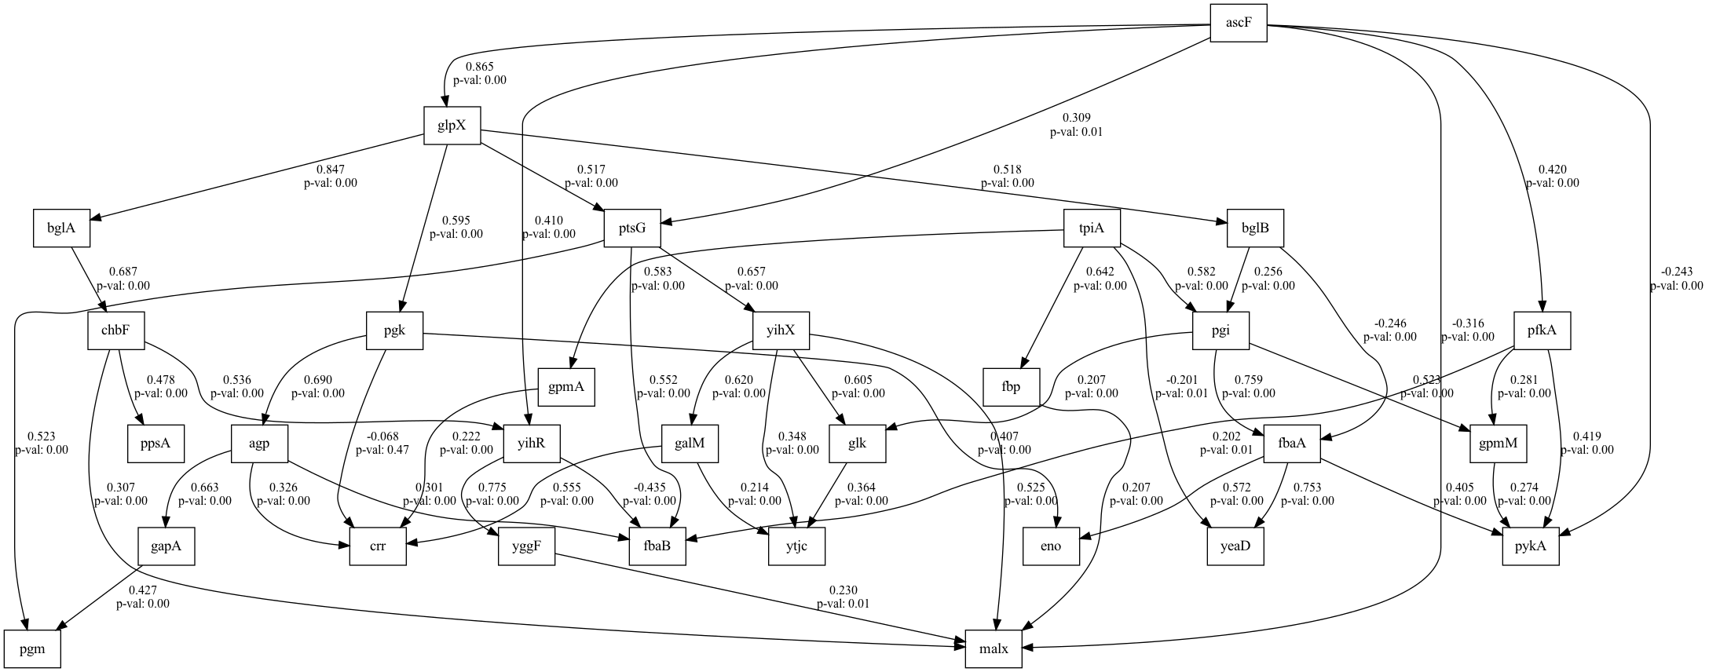
number | value | lasso_beta | ridge_beta | threshold | DoF | DoF Baseline | chi2 | chi2 p-value | chi2 Baseline | CFI | GFI | AGFI | NFI | TLI | RMSEA | AIC | BIC | LogLik
9 | 0.16065562895 | 0.013617456251 | 0.026531123377 | 0.35449848181 | 376 | 412 | 1492.0343934 | 0 | 3611.0711189 | 0.65113798602 | 0.58681666899 | 0.54725656283 | 0.58681666899 | 0.61773630383 | 0.16065562895 | 92.275269079 | 254.73709035 | 12.86236546

