SEM Result 0.0
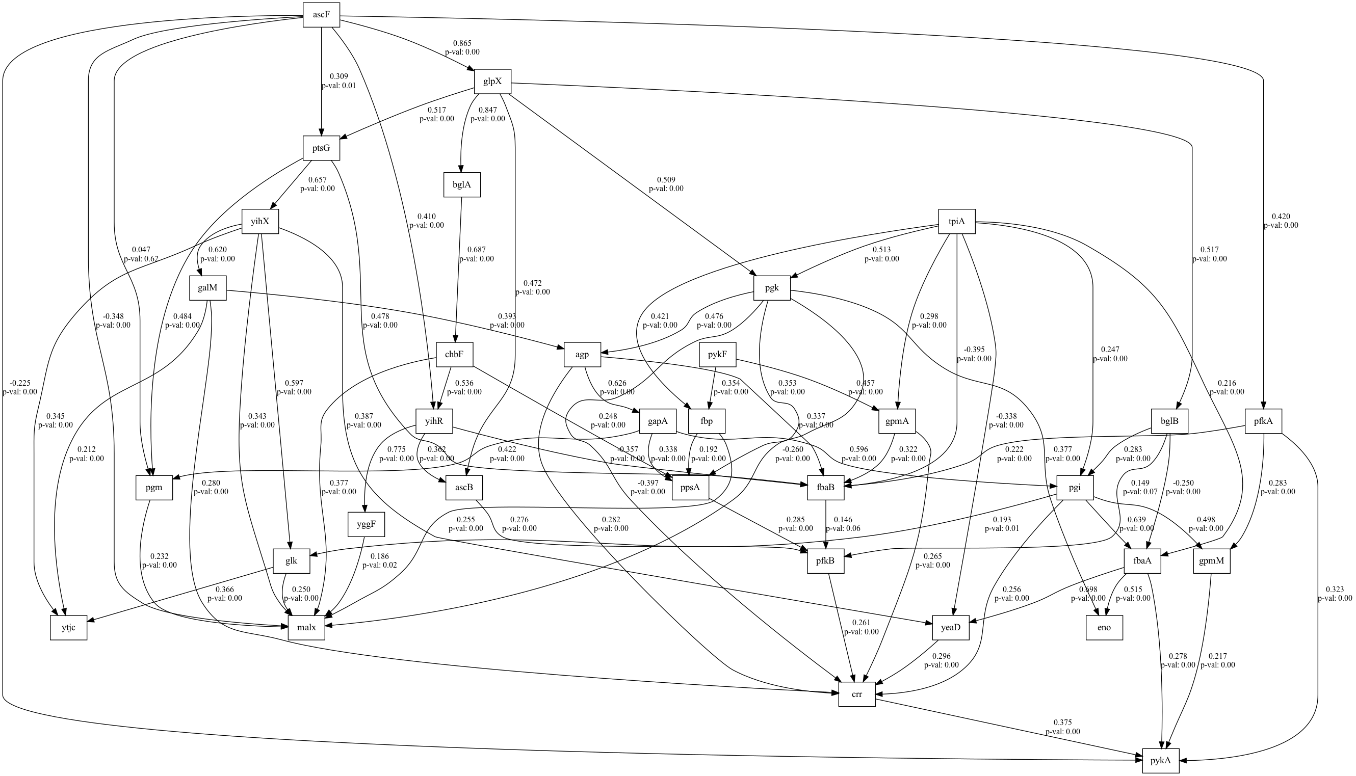
number | GFI | RMSEA | AGFI | AIC | lasso_beta | ridge_beta | threshold
0 | 0.040112871973 | 0.95411763259 | 0.94127056972 | 21.489206945 | 0.03013379091 | 0.022035929816 | 0.35993334242

SEM Result 2.0
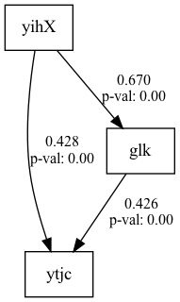
number | GFI | RMSEA | AGFI | AIC | lasso_beta | ridge_beta | threshold
2 | 0.10252097186 | 0.87921534268 | 0.8546489717 | 35.753205526 | 0.030709671985 | 0.015213871525 | 0.34121345332

SEM Result 3.0
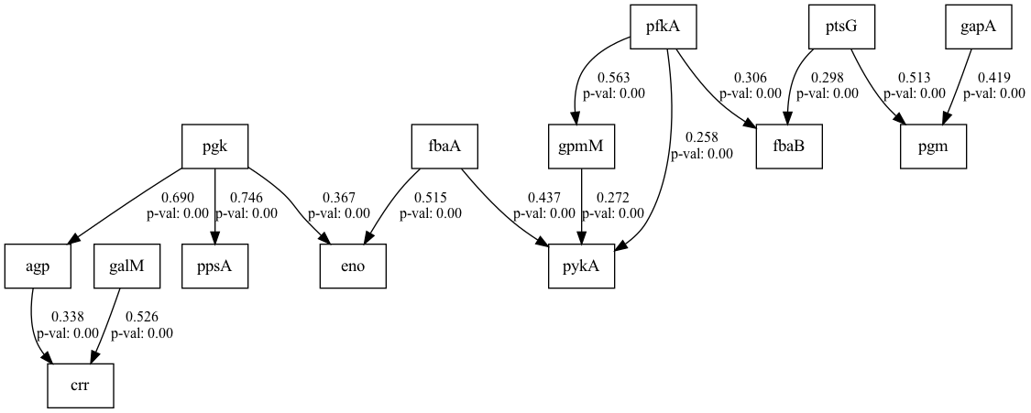
number | GFI | RMSEA | AGFI | AIC | lasso_beta | ridge_beta | threshold
3 | 0.10252097186 | 0.87921534268 | 0.8546489717 | 35.753205526 | 0.032366329744 | 0.014467292596 | 0.33732906798

SEM Result 4.0
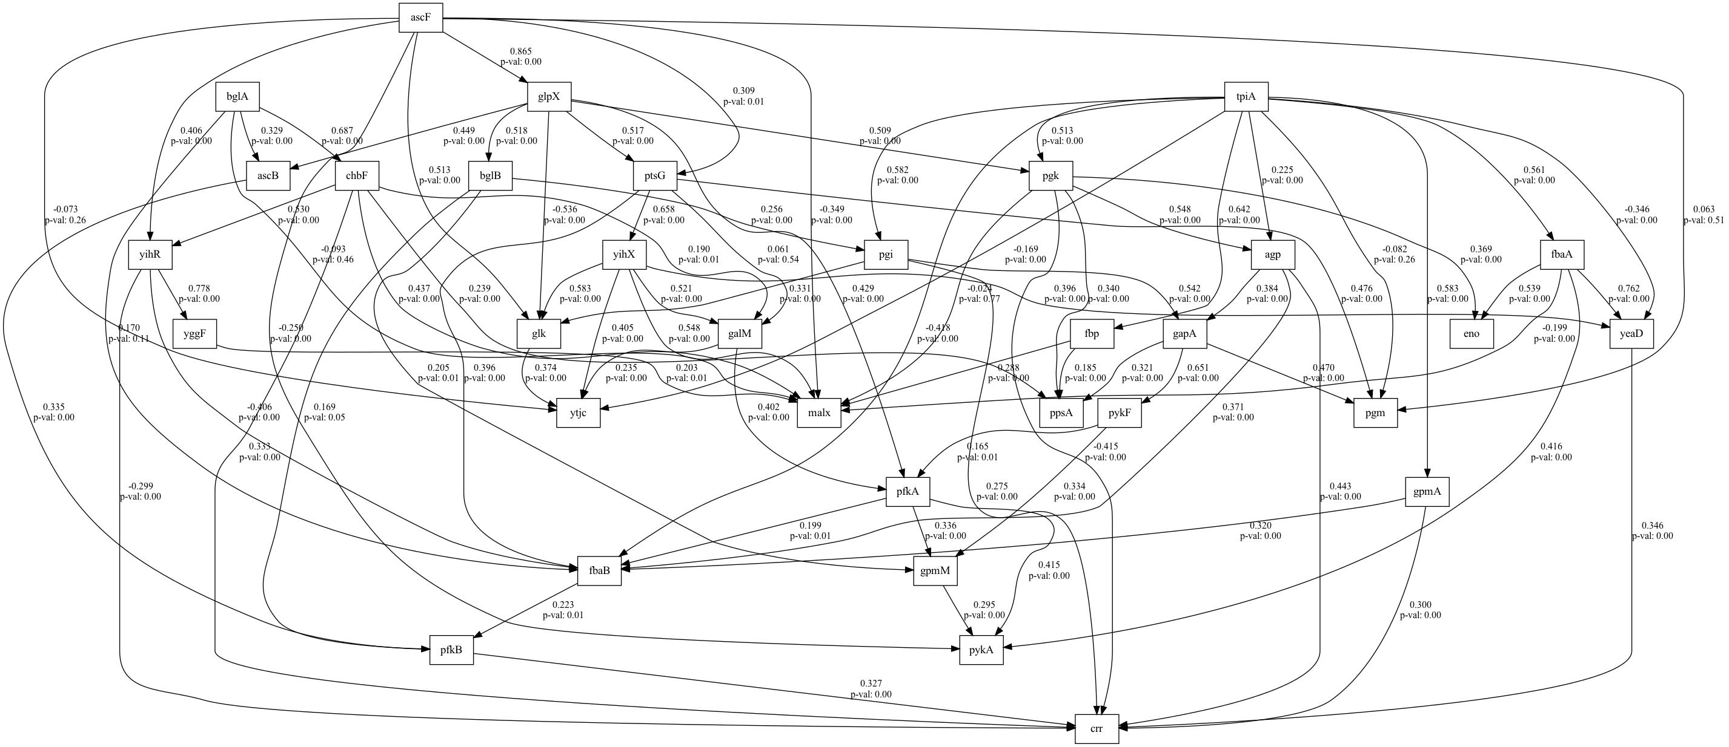
number | GFI | RMSEA | AGFI | AIC | lasso_beta | ridge_beta | threshold
4 | 0.1093705244 | 0.92049389642 | 0.8857099761 | 23.344656597 | 0.041787392794 | 0.013999910143 | 0.35583043516

SEM Result 5.0
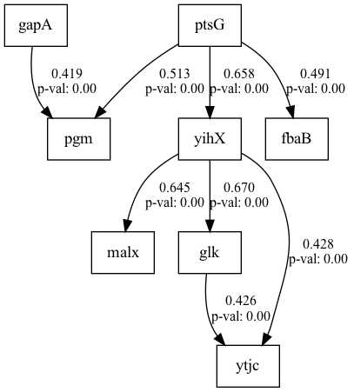
number | GFI | RMSEA | AGFI | AIC | lasso_beta | ridge_beta | threshold
5 | 0.1093705244 | 0.92049389642 | 0.8857099761 | 23.344656597 | 0.044311161057 | 0.013720885462 | 0.35712510535

SEM Result 6.0
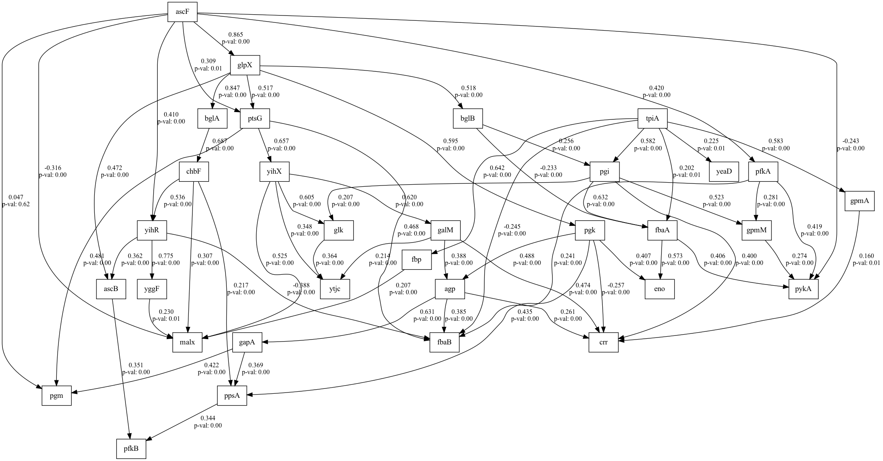
number | GFI | RMSEA | AGFI | AIC | lasso_beta | ridge_beta | threshold
6 | 0.1093705244 | 0.92049389642 | 0.8857099761 | 23.344656597 | 0.051565541531 | 0.018528982491 | 0.3610853544

SEM Result 7.0
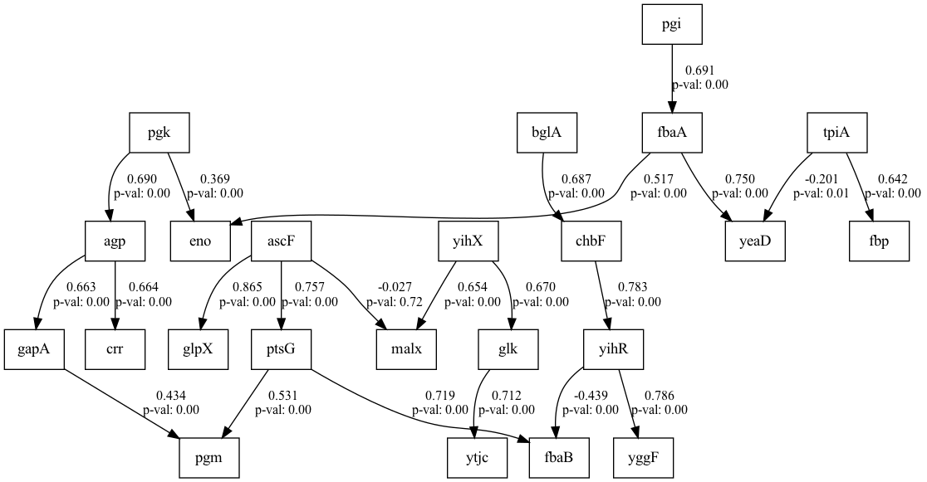
number | GFI | RMSEA | AGFI | AIC | lasso_beta | ridge_beta | threshold
7 | 0.12080572277 | 0.90258245619 | 0.86715789481 | 26.984088322 | 0.035522961007 | 0.02152605375 | 0.37181854616

SEM Result 8.0
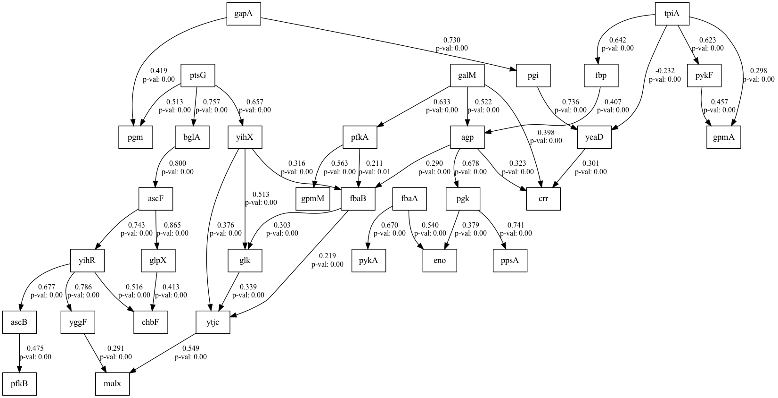
number | GFI | RMSEA | AGFI | AIC | lasso_beta | ridge_beta | threshold
8 | 0.12186125276 | 0.77372555653 | 0.74672690134 | 59.783321757 | 0.026969486681 | 0.044614553333 | 0.3133716608

SEM Result 9.0
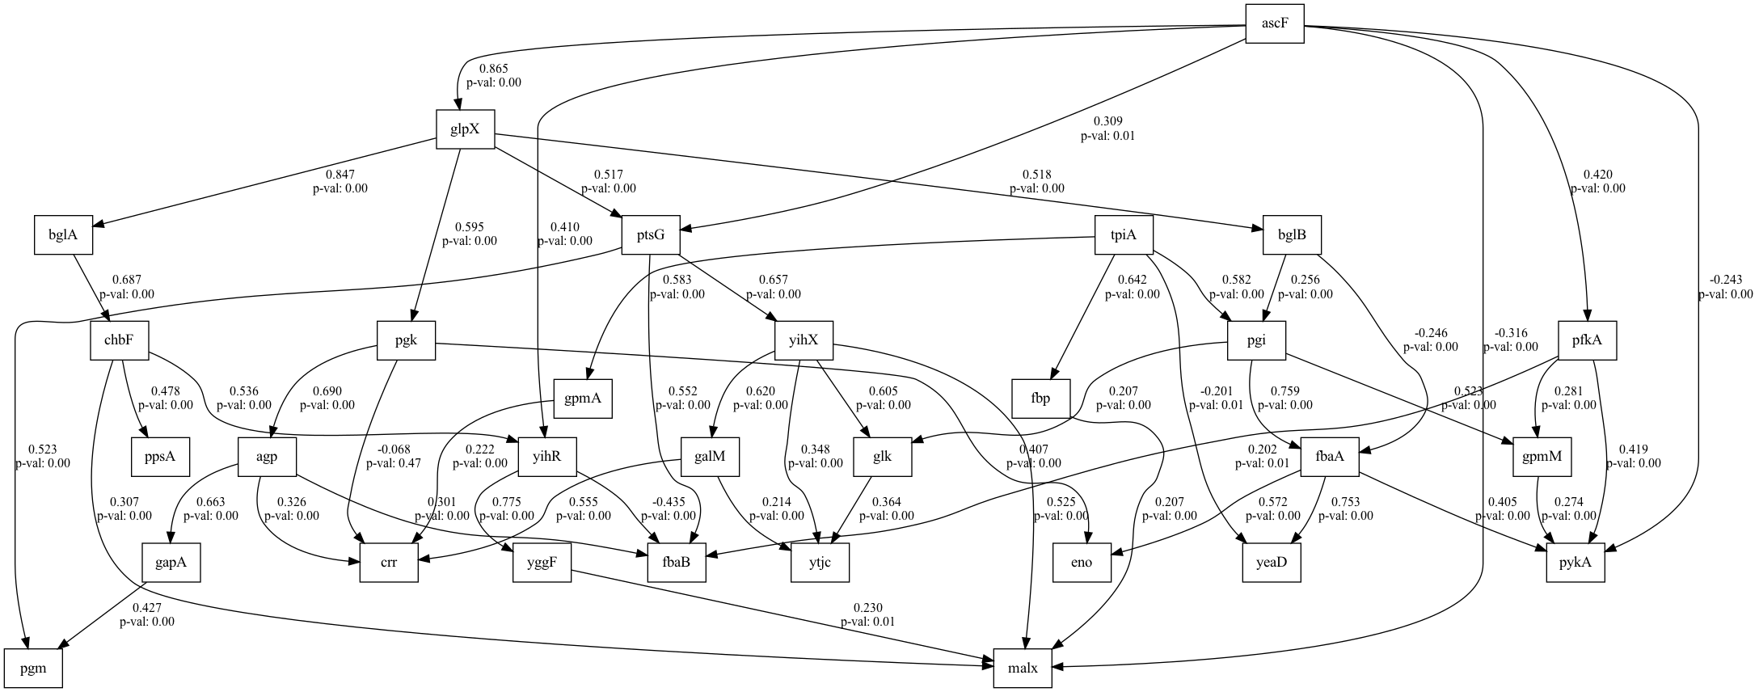
number | GFI | RMSEA | AGFI | AIC | lasso_beta | ridge_beta | threshold
9 | 0.12740928723 | 0.76359777588 | 0.73348284288 | 58.23984313 | 0.043393161481 | 0.01810083374 | 0.30121936169

