ピン配置
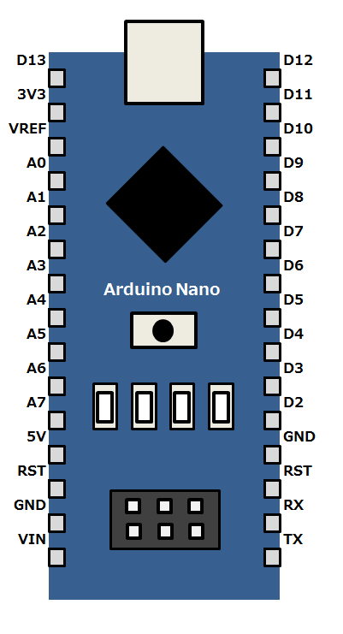

Digital7
アナログ入力は基準電圧（デフォルト+5V）を対して10bit、1bit
4.88mVの分解能

参考記事：
 | https://ogapsan.com/archives/129

Analog1
Digital6
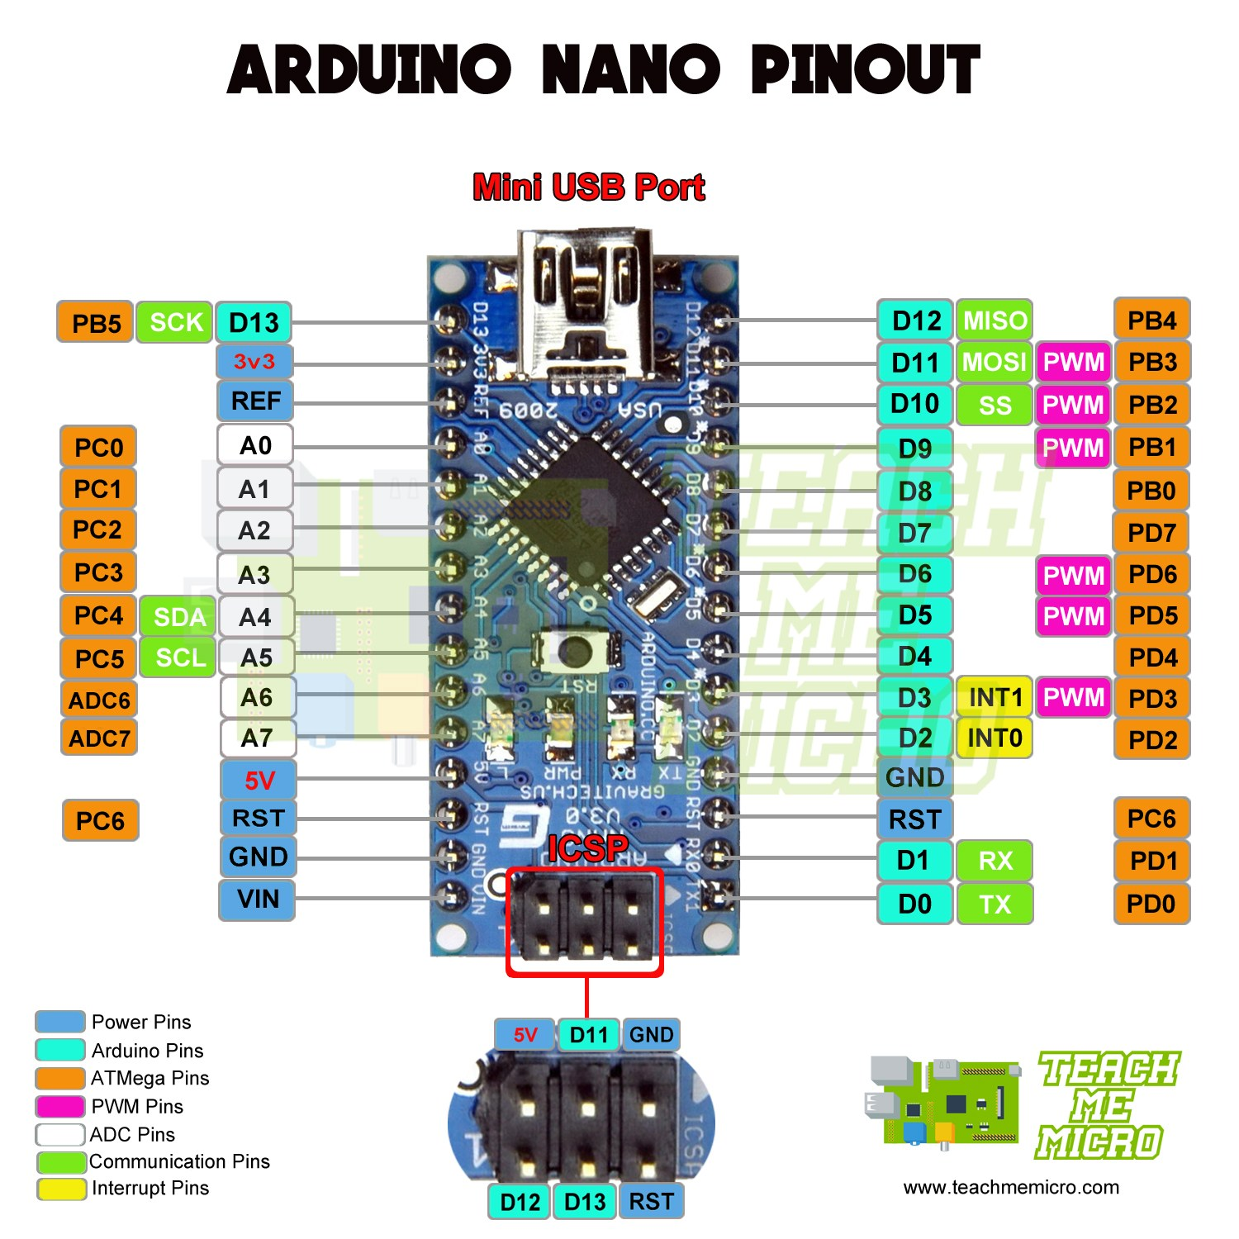

Digital5

Digital4

Digital3

SDA(I2C1)
Digital2

Digital1
SCL(I2C1)

Digital0(INT0)

概要002
IO Expander MCU
Host MCU
e.g.LED,
push-button

/INT
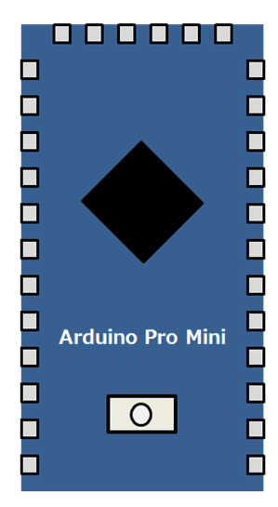
Digital I/O

UART

e.g. temperature
sensor
/START

I2C

Analog
e.g. Battery

IO Expander MCU
Host MCU
e.g.LED,
push-button

/INT
Digital I/O

UART

e.g. temperature
sensor
/START

I2C

Analog
e.g. Battery

概要001
Main Device
IO Expander dev
e.g.LED,
push-button
UART
UART
Digital I/O
Digital I/O

Digital Pin
for interrupt
/INT

I2C I/O

I2C

e.g. temperature
sensor

通信シーケンス
＜Write Sequence＞

 | /START | Start | Stop

Preamble
W
FuncNo.
Size
DATA(n bytes)
 | UART (Host->IOEx)

ACK
 | UART (IOEx->Host)

＜Read Sequence＞

 | /START | Start |  | Stop

Preamble
R
FuncNo.
Size
ACK
 | UART (Host->IOEx)

ACK
DATA(n bytes)
 | UART (IOEx->Host)

