ピン配置
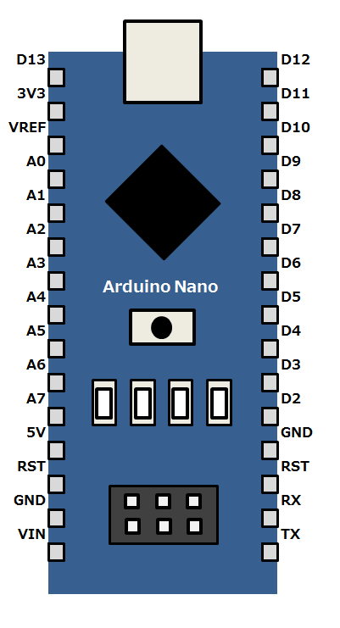

Digital7
アナログ入力は基準電圧（デフォルト+5V）を対して10bit、1bit
4.88mVの分解能

参考記事：
 | https://ogapsan.com/archives/129

Analog1
Digital6
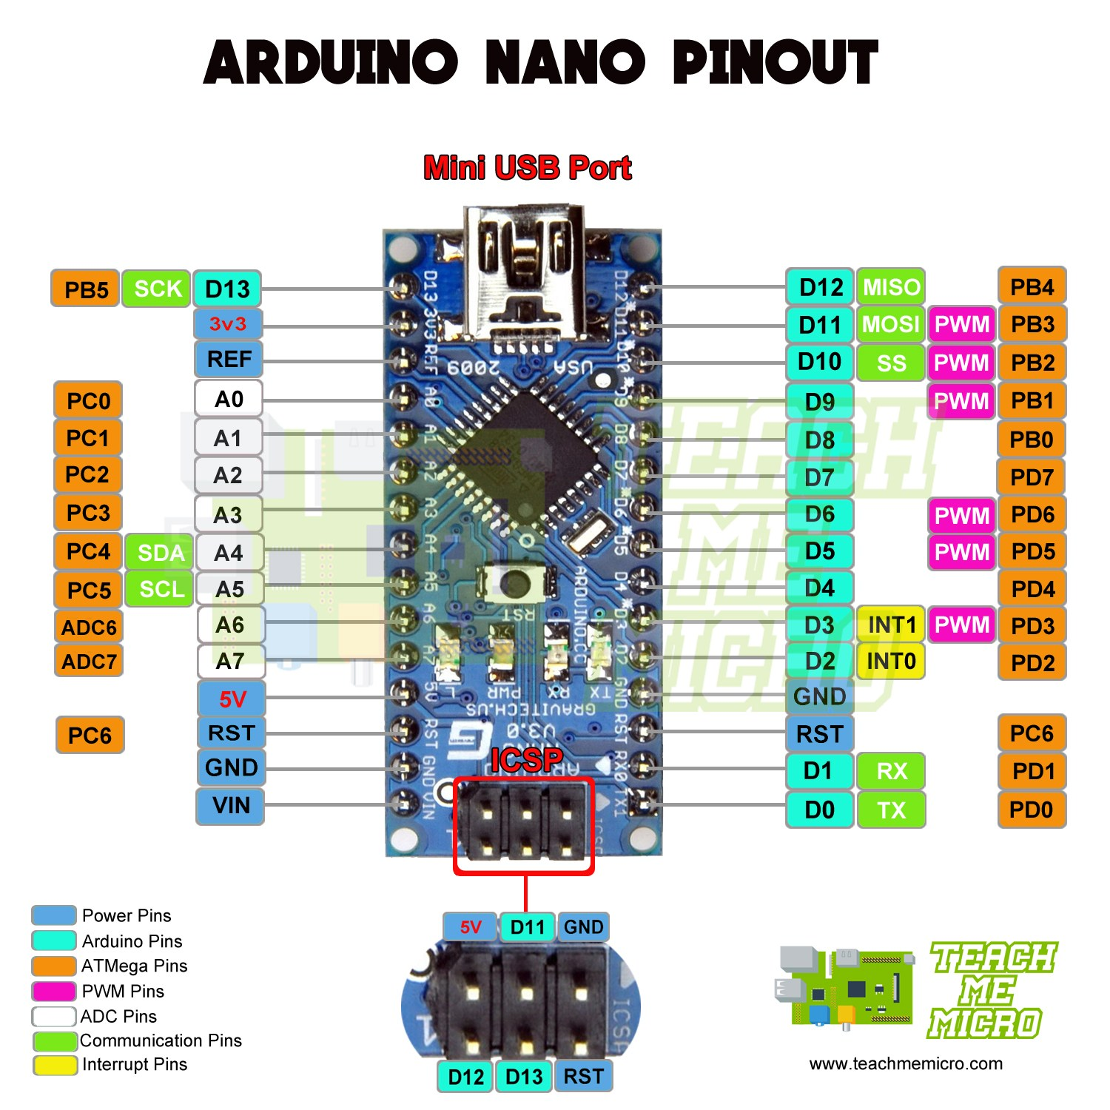

Digital5

Digital4

Digital3

SDA(I2C1)
Digital2

Digital1
SCL(I2C1)

Digital0(INT0)

概要003
IO Expander MCU
Host MCU
e.g.LED,
push-button

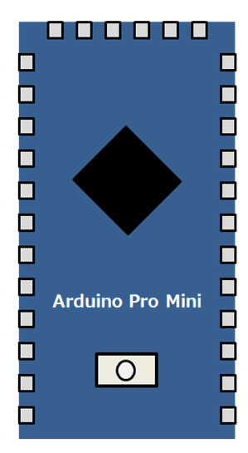
Digital I/O

UART

e.g. temperature
sensor

I2C

USB
or
Host PC
or
Tablet via OTG

Analog
e.g. Battery

IO Expander MCU
Host MCU
e.g.LED,
push-button

Digital I/O

UART

e.g. temperature
sensor

I2C

Analog
e.g. Battery

IO Expander MCU
Host PC
or
Tablet via OTG
e.g.LED,
push-button

Digital I/O

USB

e.g. temperature
sensor

I2C

Analog
e.g. Battery

概要002
IO Expander MCU
Host MCU
e.g.LED,
push-button

/INT
Digital I/O

UART

e.g. temperature
sensor
/START

I2C

Analog
e.g. Battery

IO Expander MCU
Host MCU
e.g.LED,
push-button

/INT
Digital I/O

UART

e.g. temperature
sensor
/START

I2C

Analog
e.g. Battery

概要001
Main Device
IO Expander dev
e.g.LED,
push-button
UART
UART
Digital I/O
Digital I/O

Digital Pin
for interrupt
/INT

I2C I/O

I2C

e.g. temperature
sensor

通信シーケンス003
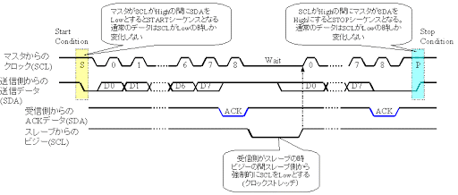
Sequence Version003

 | ＜Write Sequence＞

STX
FuncNo.
W
Size
DATA(n bytes)
ETX
 |  | UART (Host->IOEx)

ACK
 |  | UART (IOEx->Host)

 | ＜Read Sequence＞

STX
FuncNo.
R
Size
ACK
ETX
 |  | UART (Host->IOEx)

ACK
DATA(n bytes)
 |  | UART (IOEx->Host)

 |  |  |  |  | fixed length(3)

 |  |  | 方針
 |  |  | ・ | Start by Host

 |  |  | ※I2Cでも使用できるような体系にする
 |  |  | 参考（Ｉ２Ｃ）

通信シーケンス002
Sequence Version002

 | ＜Write Sequence＞

DLE+STX
FuncNo.
W
Size
DATA(n bytes)
DLE+ETX
 |  | UART (Host->IOEx)

ACK
 |  | UART (IOEx->Host)

 | ＜Read Sequence＞

DLE+STX
FuncNo.
R
Size
ACK
DLE+ETX
 |  | UART (Host->IOEx)

ACK
DATA(n bytes)
 |  | UART (IOEx->Host)

 |  |  | ・ | HostからのDATA内に0x10(=DLE)を含む場合は
 |  |  |  | 0x10->0x1010と変換する（エスケープシーケンスの要領）
 |  |  |  | replace 0x10(DLE) by 0x10+0x10 in Host Data

 |  |  | ・ | Start by Host

 |  |  | ※I2Cでも使用できるような体系にする
 |  |  | 参考（Ｉ２Ｃ）

通信シーケンス001
Sequence Version001

 | ＜Write Sequence＞

 |  | /START | Start | Stop

Preamble
W
FuncNo.
Size
DATA(n bytes)
 |  | UART (Host->IOEx)

ACK
 |  | UART (IOEx->Host)

 | ＜Read Sequence＞

 |  | /START | Start |  | Stop

Preamble
R
FuncNo.
Size
ACK
 |  | UART (Host->IOEx)

ACK
DATA(n bytes)
 |  | UART (IOEx->Host)

