概要002
Host MCU
IO Expander MCU
e.g.LED,
push-button
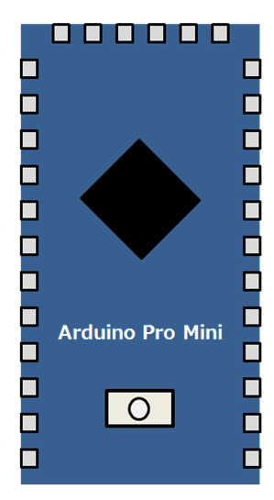
/INT
Digital I/O
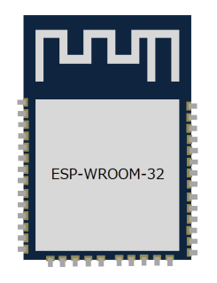

UART

/START
I2C

e.g. temperature
sensor

概要001
Main Device
IO Expander dev
e.g.LED,
push-button
UART
UART
Digital I/O
Digital I/O

Digital Pin
for interrupt
/INT

I2C I/O

I2C

e.g. temperature
sensor

通信シーケンス
＜Write Sequence＞

 | /START | Start |  |  |  | STOP

ADR1
W
DATA
DATA
 | UART (Host->IOEx) |  | ・・・

ACK
ACK
ACK
 | UART (IOEx->Host) |  |  | ・・・

＜Read Sequence＞

 | /START | Start |  |  |  |  |  | STOP

ADR1
R
ACK
ACK
ACK
 | UART (Host->IOEx) |  |  |  |  | ・・・

ACK
DATA
DATA
 | UART (IOEx->Host) |  |  |  |  | ・・・

＜Burst Write Sequence＞

 | /START | Start |  |  |  |  | STOP

ADR2
W
DATA
DATA
DATA
 | UART (Host->IOEx) |  |  |  | ・・・

ACK
ACK
 | UART (IOEx->Host) |  |  |  | ・・・

