Overview (2)
Mode：Joystick（Default）
□ : Button 4
△ : Button 3
Ｘ ：Button 2
〇 ：Button 1
RT: Button 8

L1 : Button 5
R1: Button 6
START: Button 8

Blue Pill

USB

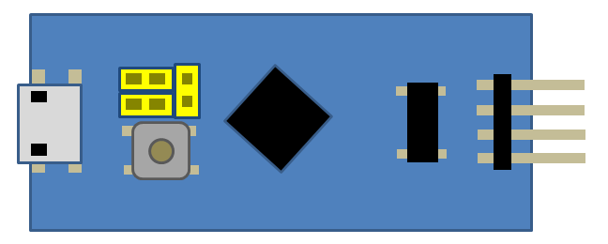
GAME
↑↓ ← →：↑↓ ← →

START : Button 8
SELECT : Button 7
START: Button 8
LED：OFF

SPI

 | Change Mode：Hold L1＋R1 for roughly 3 seconds



Mode：Mouse

Ｘ ：Left Click
〇 ：Right Clickutton 8
↑↓ ← →：cursor moving

LED：ON

Overview
Blue Pill

USB
GAME

SPI

□ : Button 4
△ : Button 3
Ｘ ：Button 2
〇 ：Button 1
RT: Button 8
L1 : Button 5
R1: Button 6
START: Button 8

↑↓ ← →：↑↓ ← →

START : Button 8
SELECT : Button 7
START: Button 8

ButtonMapping
L1 : Button 5
R1: Button 6
START: Button 8
□ : Button 8
△ : Button 7
Ｘ ：Button 2
〇 ：Button 1
RT: Button 8

↑↓ ← →：↑↓ ← →

START : Button 8
SELECT : Button 7
START: Button 8

PS2Connector
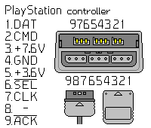

7
8
9
4
5
6
１
2
3

