Overview
Blue Pill

USB

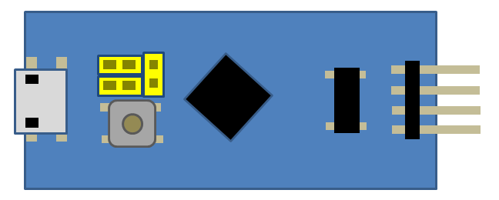
GAME

SPI

□ : Button 8
△ : Button 7
Ｘ ：Button 2
〇 ：Button 1
RT: Button 8
L1 : Button 5
R1: Button 6
START: Button 8



↑↓ ← →：↑↓ ← →

START : Button 8
SELECT : Button 7
START: Button 8

ButtonMapping
L1 : Button 5
R1: Button 6
START: Button 8
□ : Button 8
△ : Button 7
Ｘ ：Button 2
〇 ：Button 1
RT: Button 8

↑↓ ← →：↑↓ ← →

START : Button 8
SELECT : Button 7
START: Button 8

PS2Connector
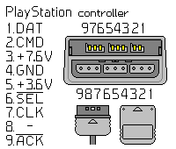

7
8
9
4
5
6
１
2
3

