Sheet1
This program is used to update the file to review on collobarator,it only used to snapshot mode on clearcase
Update filelist by OldReviewID
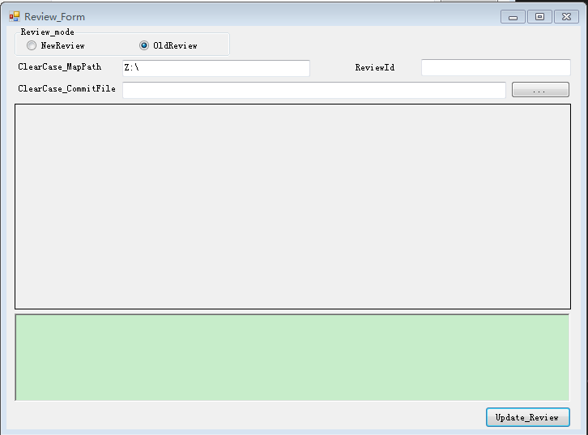
 | Blue frame: It is snapshot map driver path
 | Orange frame: it is Review id, only number and with 6 length only
 | Red frame: it used to set commit file of clearcase(*.updt)
 | Green frame: it is used to commit file to collobrator server

