说明
（一）接口访问由如下部分构成
 | 1.domino
 | 2.port
 | 3.url
 | 4.interface
 | 5.param

 | 其中domino、port、url在触屏机器的配置文件中设置,interface和param信息如后面各sheet介绍
 | 参考例子：
 | domino = 192.168.1.10
 | port = 8080
 | url = /temple/a/pc/access
 | interfac = housePayHistory
 | param = houseId

 | 接口访问如下（其中houseId在触屏机配置文件中设置）：
 | http://192.168.1.10:8080/temple/a/pc/access/housePayHistory?houseId=7bbd307a988645cca11ae2becc223e29

（二）返回Json说明
 | {
 | "success": true,
 | "errorCode": "-1",
 | "msg": "获取寺庙信息成功!",
 | "body": {
 | "data": {
 | "id": "13be6f66d49647febeab24a9929ef88d",
 | "isNewRecord": false,
 | "remarks": null,
 | "createDate": "2017-11-19 09:50:36",
 | "updateDate": "2017-11-19 09:50:36",
 | "owner": {
 | "id": "61ccf194f2b24e1a8a17d5a70251d589",
 | "isNewRecord": false,
 | "remarks": null,
 | "createDate": null,
 | "updateDate": null,
 | "parentIds": null,
 | "name": "庆云寺",
 | "sort": 30,
 | "area": null,
 | "code": null,
 | "type": "2",
 | "grade": null,
 | "address": null,
 | "zipCode": null,
 | "master": null,
 | "phone": null,
 | "fax": null,
 | "email": null,
 | "useable": null,
 | "primaryPerson": null,
 | "deputyPerson": null,
 | "childDeptList": null,
 | "parentId": "0"
 | },
 | "info": "1234热t",
 | "url": "|/temple/userfiles/1/files/tplinfo/templeInfo/2017/11/%E5%8F%8C%E5%B1%8F.png"
 | }
 | }
 | }

 | 如上例子，如果系统不出异常，则success = true，data不为null时代表有数据；data为null或者webservice请求异常时，需要在触屏端处理（终端显示：暂无数据）。
 | 另外，data内数据类型可以是Entity对象或者Entity对象的list。
 | 特殊说明：url字段的请求方式为{domino}:{port}+{url}

（三）配置文件

domino = 39.108.244.227
port = 8080
url = /temple/a/pc/access
templeId = 61ccf194f2b24e1a8a17d5a70251d589
houseId = 7bbd307a988645cca11ae2becc223e29
password = 123456
shutdowTime = 20:30

 | 其他配置信息，由触屏机开发方酌情添加

接口调用说明
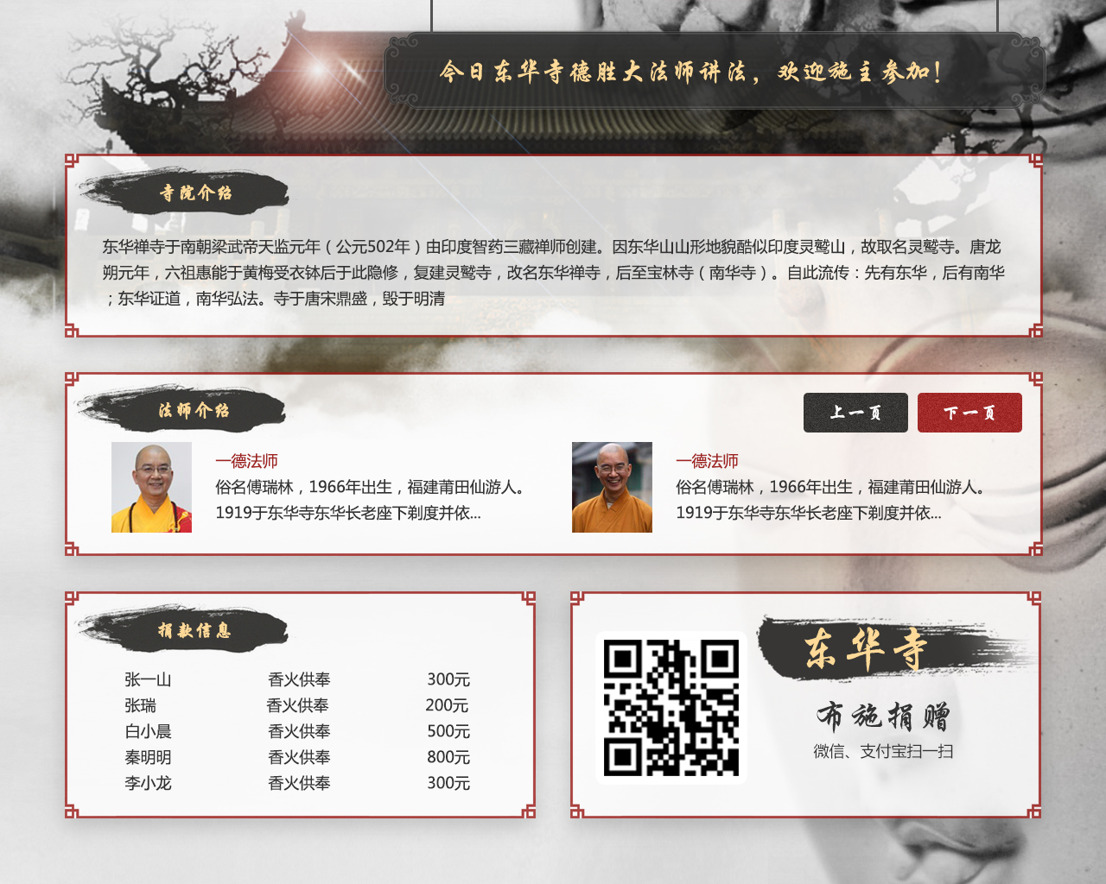

activityInfo
说明：多条信息，循环播放

templeInfo

monkInfo

housePayHistory

templeInfo

qRCodeInfo
templePayHistory
说明：多条信息，循环播放

寺庙活动详细
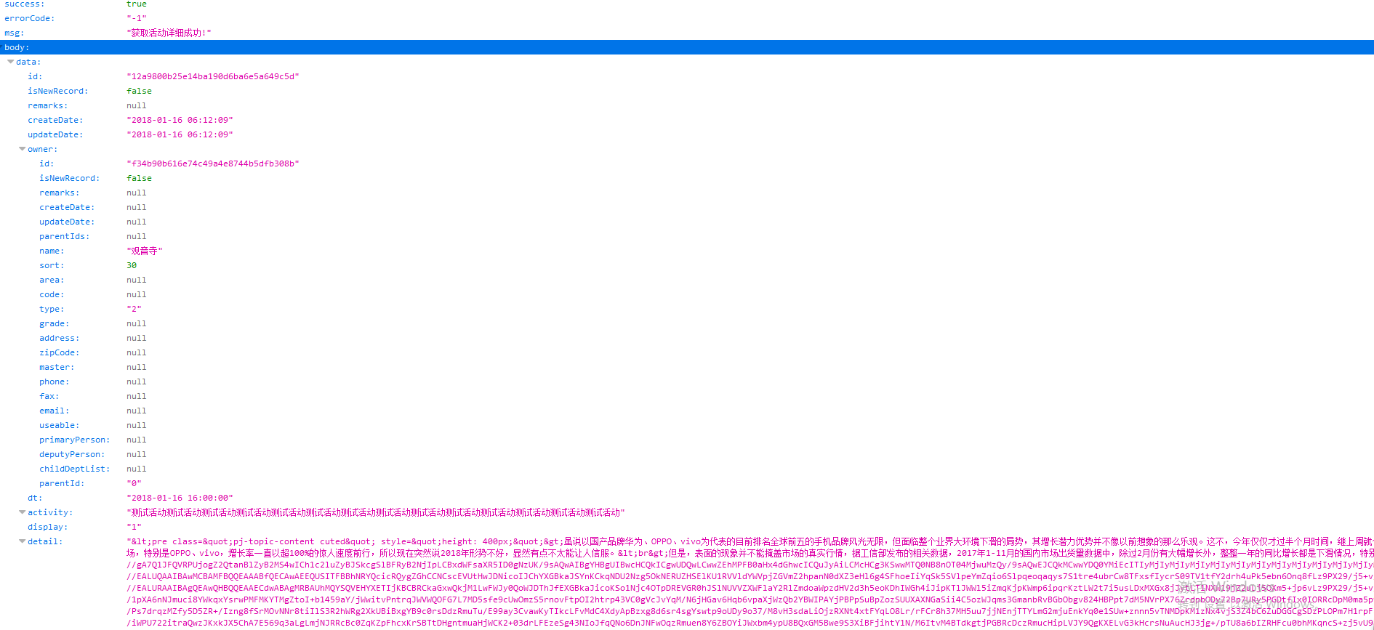
说明 | 寺庙活动详细
Interface | getActivityById | http://xxxxxxxxx:8080/temple/a//pc/access/getActivityById?id=12a9800b25e14ba190d6ba6e5a649c5d
Param | id
返回Data类型 | Entity List
JSON

