CAPEX
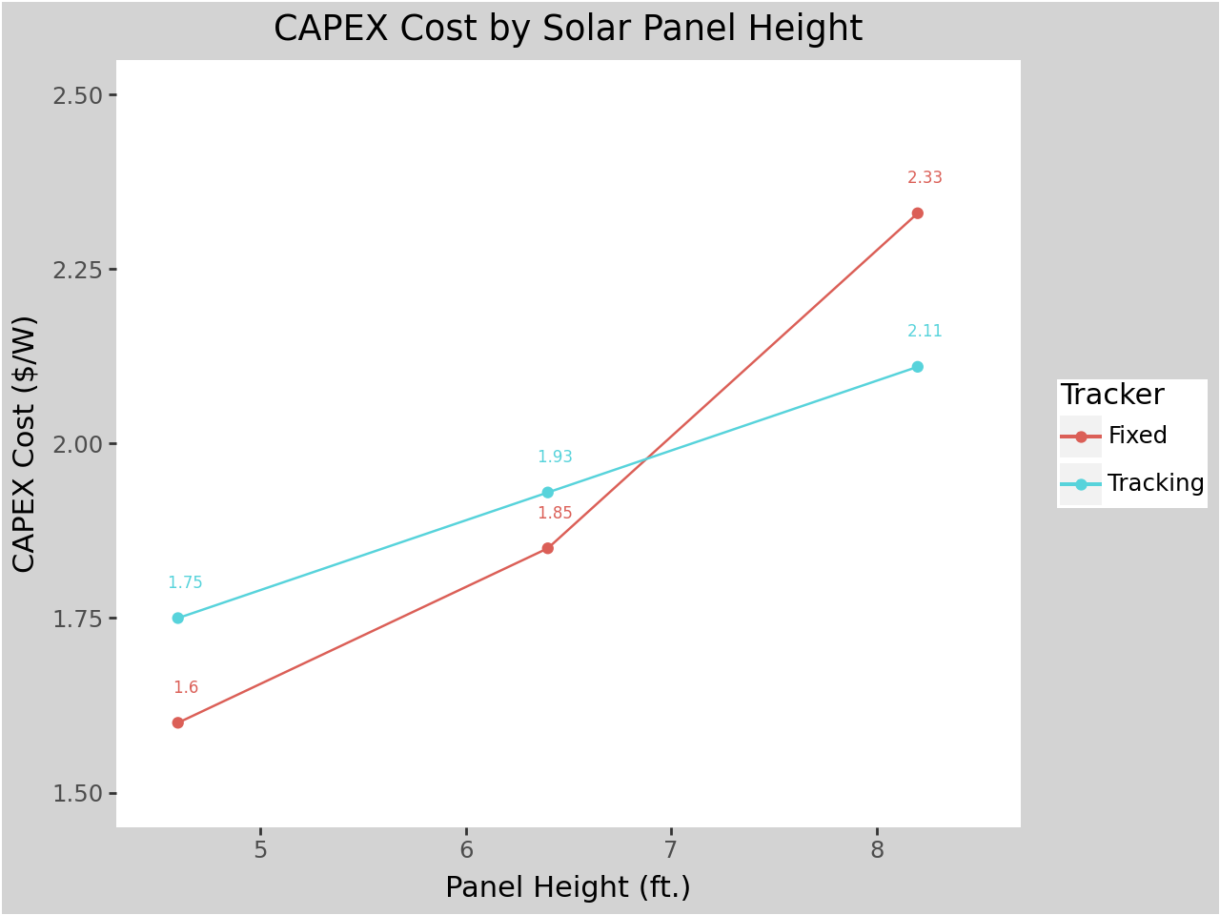
Height | Capex | Tracker
4.6 | 1.75 | Yes
4.6 | 1.6 | No
6.4 | 1.93 | Yes
6.4 | 1.85 | No
8.2 | 2.11 | Yes
8.2 | 2.33 | No
CAPEX Cost are derived from PV System Cost (NREL). All PV System Cost are available in PV System Cost (NReL) sheet. CAPEX for Tracking panel at 4.6 ft. height is estimated using OLS.
CAPEX = f(Height, Tracker)

Strawberry
Summary of estimated costs and returns per acre Strawberry, fresh market , irrigated, 6 spacing , 16gpm , 7260 ft of drip tape, Alabama |  |  |  |  | Strawberries |  | Unit | Return at Break Even Price Given Below without Fixed Cost |  |  |  |  |  |  |  |  |  |  | Yield Variation (%) | Yield | Rev3 | Rev4 | Rev5 | Rev6 | Rev7 | Rev8 | Rev9 | Total Cost | Return11 | Return12 | Return13 | Return14 | Return15 | Return16 | Return17 | Operator Cost | Return11 | Return12 | Return13 | Return14 | Return15 | Return16 | Return17
 |  |  |  |  | Percent | Yield |  | 3.4 | 3.58 | 3.78 | 4.02 | 4.3 | 4.64 | 5.05 | 5.56 | 6.22 | 7.11 | 8.34 | 200% | 6150 | 24600 | 24600 | 24600 | 24600 | 24600 | 24600 | 24600 | $2,293,782.07 | -$2,269,182.07 | -$2,269,182.07 | -$2,269,182.07 | -$2,269,182.07 | -$2,269,182.07 | -$2,269,182.07 | -$2,269,182.07 | $3,759.59 | -$2,272,941.66 | -$2,272,941.66 | -$2,272,941.66 | -$2,272,941.66 | -$2,272,941.66 | -$2,272,941.66 | -$2,272,941.66
 |  |  |  |  | 50 | 1537.5 | 4 qt | -6645.92 | -6369.17 | -6061.67 | -5692.67 | -5262.17 | -4739.42 | -4109.04 | -3324.92 | -2310.17 | -941.79 | 949.33 | 190% | 5842.5 | 23370 | 23370 | 23370 | 23370 | 23370 | 23370 | 23370 | $2,038,386.02 | -$2,015,016.02 | -$2,015,016.02 | -$2,015,016.02 | -$2,015,016.02 | -$2,015,016.02 | -$2,015,016.02 | -$2,015,016.02 | $3,571.61 | -$2,018,587.63 | -$2,018,587.63 | -$2,018,587.63 | -$2,018,587.63 | -$2,018,587.63 | -$2,018,587.63 | -$2,018,587.63
ITEM | unit | Price ($) | quantity | Amount ($) | 60 | 1845 | 4 qt | -5930.59 | -5598.49 | -5229.49 | -4786.69 | -4270.09 | -3642.79 | -2886.34 | -1945.39 | -727.69 | 914.36 | 3183.71 | 180% | 5535 | 22140 | 22140 | 22140 | 22140 | 22140 | 22140 | 22140 | $1,824,735.16 | -$1,802,595.16 | -$1,802,595.16 | -$1,802,595.16 | -$1,802,595.16 | -$1,802,595.16 | -$1,802,595.16 | -$1,802,595.16 | $3,383.63 | -$1,805,978.79 | -$1,805,978.79 | -$1,805,978.79 | -$1,805,978.79 | -$1,805,978.79 | -$1,805,978.79 | -$1,805,978.79
Income | Varies | Varies | Varies | Varies | 70 | 2152.5 | 4 qt | -5215.27 | -4827.82 | -4397.32 | -3880.72 | -3278.02 | -2546.17 | -1663.65 | -565.87 | 854.78 | 2770.50 | 5418.08 | 170% | 5227.5 | 20910 | 20910 | 20910 | 20910 | 20910 | 20910 | 20910 | $1,597,003.59 | -$1,576,093.59 | -$1,576,093.59 | -$1,576,093.59 | -$1,576,093.59 | -$1,576,093.59 | -$1,576,093.59 | -$1,576,093.59 | $3,195.65 | -$1,579,289.24 | -$1,579,289.24 | -$1,579,289.24 | -$1,579,289.24 | -$1,579,289.24 | -$1,579,289.24 | -$1,579,289.24
Total income | Varies | Varies | Varies | Varies | 80 | 2460 | 4 qt | -4499.95 | -4057.15 | -3565.15 | -2974.75 | -2285.95 | -1449.55 | -440.95 | 813.65 | 2437.25 | 4626.65 | 7652.45 | 160% | 4920 | 19680 | 19680 | 19680 | 19680 | 19680 | 19680 | 19680 | $1,369,180.32 | -$1,349,500.32 | -$1,349,500.32 | -$1,349,500.32 | -$1,349,500.32 | -$1,349,500.32 | -$1,349,500.32 | -$1,349,500.32 | $3,007.67 | -$1,352,507.99 | -$1,352,507.99 | -$1,352,507.99 | -$1,352,507.99 | -$1,352,507.99 | -$1,352,507.99 | -$1,352,507.99
DIRECT EXPENSES |  |  |  |  | 90 | 2767.5 | 4 qt | -3784.63 | -3286.48 | -2732.98 | -2068.78 | -1293.88 | -352.93 | 781.75 | 2193.17 | 4019.72 | 6482.80 | 9886.82 | 150% | 4612.5 | 18450 | 18450 | 18450 | 18450 | 18450 | 18450 | 18450 | $1,141,453.93 | -$1,123,003.93 | -$1,123,003.93 | -$1,123,003.93 | -$1,123,003.93 | -$1,123,003.93 | -$1,123,003.93 | -$1,123,003.93 | $2,819.69 | -$1,125,823.62 | -$1,125,823.62 | -$1,125,823.62 | -$1,125,823.62 | -$1,125,823.62 | -$1,125,823.62 | -$1,125,823.62
seed/ plants | acre | 3544.00 | 1.00 | 3544.00 | 100 | 3075 | 4 qt | -3069.31 | -2515.81 | -1900.81 | -1162.81 | -301.81 | 743.69 | 2004.44 | 3572.69 | 5602.19 | 8338.94 | 12121.19 | 140% | 4305 | 17220 | 17220 | 17220 | 17220 | 17220 | 17220 | 17220 | $913,419.73 | -$896,199.73 | -$896,199.73 | -$896,199.73 | -$896,199.73 | -$896,199.73 | -$896,199.73 | -$896,199.73 | $2,631.71 | -$898,831.44 | -$898,831.44 | -$898,831.44 | -$898,831.44 | -$898,831.44 | -$898,831.44 | -$898,831.44
Fertilizer | acre | 664.47 | 1.00 | 664.47 | 110 | 3382.5 | 4 qt | -2353.98 | -1745.13 | -1068.63 | -256.83 | 690.27 | 1840.32 | 3227.14 | 4952.22 | 7184.67 | 10195.09 | 14355.57 | 130% | 3997.5 | 15990 | 15990 | 15990 | 15990 | 15990 | 15990 | 15990 | $672,194.37 | -$656,204.37 | -$656,204.37 | -$656,204.37 | -$656,204.37 | -$656,204.37 | -$656,204.37 | -$656,204.37 | $2,443.73 | -$658,648.10 | -$658,648.10 | -$658,648.10 | -$658,648.10 | -$658,648.10 | -$658,648.10 | -$658,648.10
Fungicide | acre | 528.03 | 1.00 | 528.03 | 120 | 3690 | 4 qt | -1638.66 | -974.46 | -236.46 | 649.14 | 1682.34 | 2936.94 | 4449.84 | 6331.74 | 8767.14 | 12051.24 | 16589.94 | 120% | 3690 | 14760 | 14760 | 14760 | 14760 | 14760 | 14760 | 14760 | $471,747.87 | -$456,987.87 | -$456,987.87 | -$456,987.87 | -$456,987.87 | -$456,987.87 | -$456,987.87 | -$456,987.87 | $2,255.75 | -$459,243.62 | -$459,243.62 | -$459,243.62 | -$459,243.62 | -$459,243.62 | -$459,243.62 | -$459,243.62
herbicide | acre | 23.72 | 1.00 | 23.72 | 130 | 3997.5 | 4 qt | -923.34 | -203.79 | 595.71 | 1555.11 | 2674.41 | 4033.56 | 5672.53 | 7711.26 | 10349.61 | 13907.38 | 18824.31 | 110% | 3382.5 | 13530 | 13530 | 13530 | 13530 | 13530 | 13530 | 13530 | $229,669.38 | -$216,139.38 | -$216,139.38 | -$216,139.38 | -$216,139.38 | -$216,139.38 | -$216,139.38 | -$216,139.38 | $2,067.77 | -$218,207.15 | -$218,207.15 | -$218,207.15 | -$218,207.15 | -$218,207.15 | -$218,207.15 | -$218,207.15
insecticide | acre | 393.08 | 1.00 | 393.08 | 140 | 4305 | 4 qt | -208.02 | 566.88 | 1427.88 | 2461.08 | 3666.48 | 5130.18 | 6895.23 | 9090.78 | 11932.08 | 15763.53 | 21058.68 | 100% | 3075 | 12300 | 12300 | 12300 | 12300 | 12300 | 12300 | 12300 | -$11,814.04 | $24,114.04 | $24,114.04 | $24,114.04 | $24,114.04 | $24,114.04 | $24,114.04 | $24,114.04 | $1,879.79 | $22,234.25 | $22,234.25 | $22,234.25 | $22,234.25 | $22,234.25 | $22,234.25 | $22,234.25
marketing supplies | acre | 2868.00 | 1.00 | 2868.00 | 150 | 4612.5 | 4 qt | 507.30 | 1337.55 | 2260.05 | 3367.05 | 4658.55 | 6226.80 | 8117.93 | 10470.30 | 13514.55 | 17619.68 | 23293.05 | 90% | 2767.5 | 11070 | 11070 | 11070 | 11070 | 11070 | 11070 | 11070 | $16,488.04 | -$5,418.04 | -$5,418.04 | -$5,418.04 | -$5,418.04 | -$5,418.04 | -$5,418.04 | -$5,418.04 | $1,691.82 | -$7,109.86 | -$7,109.86 | -$7,109.86 | -$7,109.86 | -$7,109.86 | -$7,109.86 | -$7,109.86
irrigated supplies | acre | 429.60 | 1.00 | 429.60 |  |  |  |  |  |  |  |  |  |  |  |  |  |  | 80% | 2460 | 9840 | 9840 | 9840 | 9840 | 9840 | 9840 | 9840 | $1,968.00 | $7,872.00 | $7,872.00 | $7,872.00 | $7,872.00 | $7,872.00 | $7,872.00 | $7,872.00 | $1,503.84 | $6,368.16 | $6,368.16 | $6,368.16 | $6,368.16 | $6,368.16 | $6,368.16 | $6,368.16
plastic mulch | acre | 280.00 | 1.00 | 280.00 | Strawberries |  | Unit | Return at Break Even Price Given Below With Fixed Cost |  |  |  |  |  |  |  |  |  |  | 70% | 2152.5 | 8610 | 8610 | 8610 | 8610 | 8610 | 8610 | 8610 | $1,722.00 | $6,888.00 | $6,888.00 | $6,888.00 | $6,888.00 | $6,888.00 | $6,888.00 | $6,888.00 | $1,315.86 | $5,572.14 | $5,572.14 | $5,572.14 | $5,572.14 | $5,572.14 | $5,572.14 | $5,572.14
Field Management | acre | 1308.50 | 1.00 | 1308.50 | percent | Yield |  | 3.4 | 3.58 | 3.78 | 4.02 | 4.3 | 4.64 | 5.05 | 5.56 | 6.22 | 7.11 | 8.34 | 60% | 1845 | 7380 | 7380 | 7380 | 7380 | 7380 | 7380 | 7380 | $1,476.00 | $5,904.00 | $5,904.00 | $5,904.00 | $5,904.00 | $5,904.00 | $5,904.00 | $5,904.00 | $1,127.88 | $4,776.12 | $4,776.12 | $4,776.12 | $4,776.12 | $4,776.12 | $4,776.12 | $4,776.12
Hand labor | acre | 10.95 | 179.22 | 1962.46 | 50 | 1537.5 | 4 qt | -7240.99 | -6964.24 | -6656.74 | -6287.74 | -5857.24 | -5334.49 | -4704.11 | -3919.99 | -2905.24 | -1536.86 | 354.26 | 50% | 1537.5 | 6150 | 6150 | 6150 | 6150 | 6150 | 6150 | 6150 | $1,230.00 | $4,920.00 | $4,920.00 | $4,920.00 | $4,920.00 | $4,920.00 | $4,920.00 | $4,920.00 | $939.90 | $3,980.10 | $3,980.10 | $3,980.10 | $3,980.10 | $3,980.10 | $3,980.10 | $3,980.10
Harvest labor | acre | 10.95 | 91.00 | 996.45 | 60 | 1845 | 4 qt | -6525.66 | -6193.56 | -5824.56 | -5381.76 | -4865.16 | -4237.86 | -3481.41 | -2540.46 | -1322.76 | 319.29 | 2588.64 | 40% | 1230 | 4920 | 4920 | 4920 | 4920 | 4920 | 4920 | 4920 | $984.00 | $3,936.00 | $3,936.00 | $3,936.00 | $3,936.00 | $3,936.00 | $3,936.00 | $3,936.00 | $751.92 | $3,184.08 | $3,184.08 | $3,184.08 | $3,184.08 | $3,184.08 | $3,184.08 | $3,184.08
irrigated labor | acre | 10.95 | 3.65 | 39.97 | 70 | 2152.5 | 4 qt | -5810.34 | -5422.89 | -4992.39 | -4475.79 | -3873.09 | -3141.24 | -2258.72 | -1160.94 | 259.71 | 2175.43 | 4823.01 | 30% | 922.5 | 3690 | 3690 | 3690 | 3690 | 3690 | 3690 | 3690 | $738.00 | $2,952.00 | $2,952.00 | $2,952.00 | $2,952.00 | $2,952.00 | $2,952.00 | $2,952.00 | $563.94 | $2,388.06 | $2,388.06 | $2,388.06 | $2,388.06 | $2,388.06 | $2,388.06 | $2,388.06
operator labor | acre | 13.69 | 11.72 | 160.42 | 80 | 2460 | 4 qt | -5095.02 | -4652.22 | -4160.22 | -3569.82 | -2881.02 | -2044.62 | -1036.02 | 218.58 | 1842.18 | 4031.58 | 7057.38 | 20% | 615 | 2460 | 2460 | 2460 | 2460 | 2460 | 2460 | 2460 | $492.00 | $1,968.00 | $1,968.00 | $1,968.00 | $1,968.00 | $1,968.00 | $1,968.00 | $1,968.00 | $375.96 | $1,592.04 | $1,592.04 | $1,592.04 | $1,592.04 | $1,592.04 | $1,592.04 | $1,592.04
planting labor | acre | 10.95 | 7.99 | 87.54 | 90 | 2767.5 | 4 qt | -4379.70 | -3881.55 | -3328.05 | -2663.85 | -1888.95 | -948.00 | 186.68 | 1598.10 | 3424.65 | 5887.73 | 9291.75 | 10% | 307.5 | 1230 | 1230 | 1230 | 1230 | 1230 | 1230 | 1230 | $246.00 | $984.00 | $984.00 | $984.00 | $984.00 | $984.00 | $984.00 | $984.00 | $187.98 | $796.02 | $796.02 | $796.02 | $796.02 | $796.02 | $796.02 | $796.02
diesel Fuel | acre | 2.70 | 39.39 | 106.36 | 100 | 3075 | 4 qt | -3664.38 | -3110.88 | -2495.88 | -1757.88 | -896.88 | 148.62 | 1409.37 | 2977.62 | 5007.12 | 7743.87 | 11526.12
Repair & maintenace | acre | 28.31 | 1.00 | 28.31 | 110 | 3382.5 | 4 qt | -2949.05 | -2340.20 | -1663.70 | -851.90 | 95.20 | 1245.25 | 2632.07 | 4357.15 | 6589.60 | 9600.02 | 13760.50
interest on op. CAP | acre | 258.06 | 1.00 | 258.06 | 120 | 3690 | 4 qt | -2233.73 | -1569.53 | -831.53 | 54.07 | 1087.27 | 2341.87 | 3854.77 | 5736.67 | 8172.07 | 11456.17 | 15994.87
TOTAL DIRECT EXPENSES |  |  |  | 13678.97 | 130 | 3997.5 | 4 qt | -1518.41 | -798.86 | 0.64 | 960.04 | 2079.34 | 3438.49 | 5077.46 | 7116.19 | 9754.54 | 13312.31 | 18229.24
Returns above direct expenses |  |  |  | -13678.97 | 140 | 4305 | 4 qt | -803.09 | -28.19 | 832.81 | 1866.01 | 3071.41 | 4535.11 | 6300.16 | 8495.71 | 11337.01 | 15168.46 | 20463.61
Total fixed expenses |  |  |  | 595.07 | 150 | 4612.5 | 4 qt | -87.77 | 742.48 | 1664.98 | 2771.98 | 4063.48 | 5631.73 | 7522.86 | 9875.23 | 12919.48 | 17024.61 | 22697.98
Total Specified Expenses |  |  |  | 14274.04
Returns Above total specified Expenses |  |  |  | -14274.04
Note: cost of production estimate are based on 2018 input prices.
 |  |  |  |  |  |  | WORK ON PROGRESS STRAWBERRY BUDGETING
Obtained profit equation using harvest labor cost and bucket cost, then substract total direct expenses available on L29 excluding harvest labor cost (L22) and bucket cost at 3075 bucket yield.
Cost at Yield = 3075
Labor cost = | 10.95
Bucket cost = | 0.8
Total bucket harvested/ hour= | 40

Panel Config
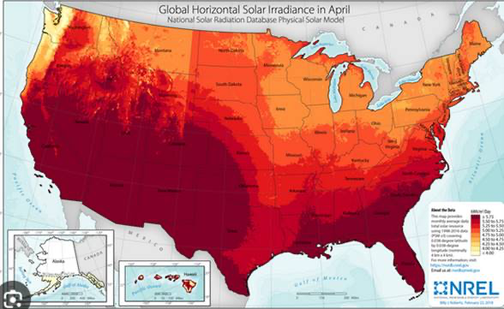
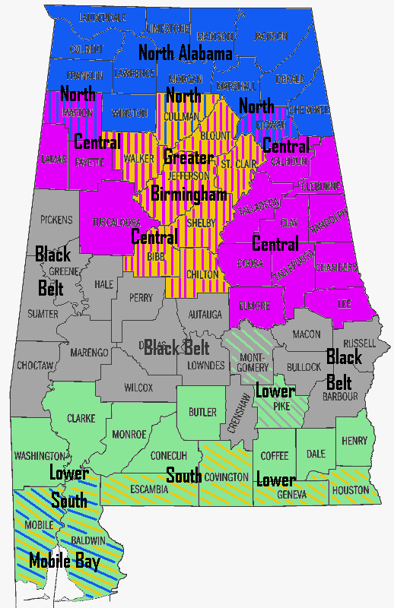
For concept demonstration purpose only. Ratio scale is inaccurate.
 | Length of Side (X) = 208.71 ft.
 | S. Panels | Space | S. Panels | Space | S. Panels | Spacing | S. Panels
Length of Side (Y) = 208.71 |  | High Value Crops (e.g., tomato and strawberry) |  | High Value Crops (e.g., tomato and strawberry) |  | High Value Crops (e.g., tomato and strawberry) |  | 3.5ft
 |  |  |  |  |  |  |  | 3.5ft
 |  |  |  |  |  |  |  | 3.5ft | Region | Selected Location
 |  |  |  |  |  |  |  | 3.5ft | Northern AL | Huntsville | 35801
 |  |  |  |  |  |  |  | 3.5ft | Central AL | Birmingham | 35223
 |  |  |  |  |  |  |  | 3.5ft | Blackbelt AL | Montgomery | 36117
 |  |  |  |  |  |  |  | 3.5ft | Southern AL | Mobile | 36525
 |  |  |  |  |  |  |  | 3.5ft
 |  |  |  |  |  |  |  | 3.5ft
 |  |  |  |  |  |  |  | 3.5ft
 |  |  |  |  |  |  |  | 3.5ft
 |  |  |  |  |  |  |  | 3.5ft
 |  |  |  |  |  |  |  | 3.5ft
 |  |  |  |  |  |  |  | 3.5ft
 |  |  |  |  |  |  |  | 3.5ft
 |  |  |  |  |  |  |  | 3.5ft
 | 7.75 ft |  | 7.75 ft |  | 7.75 ft |  | 7.75ft
Spacing between solar panels varies with the panel density only.
Birdeye view of agrivoltaic plot with crops underneath and next to
solar panels. Crops on the space are visible in this birdeye view.
There is no walking or passage within the 1 acre of plot.

PV system Cost (NREL)
AV Types | Item | Cost ($/W) | Panel Height (ft.) | Total Cost ($/W)
Typical Fixed PV | EPC/Developer Net Profit | 0.11 | 4.6 | 1.53
Typical Fixed PV | Developer Overhead | 0.15 | 4.6 | 1.53
Source: The cost of PV + Crops (reinforced regular mount) holds panels at 8.2 ft above the ground while maintaining structural integrity under wind and snow loads.
Inter-row spacing is 44 degrees except for vertical mount (90-degree). Panel height taken from Table 1, Page 7, https://www.nrel.gov/docs/fy21osti/77811.pdf
Site preparation cost is included under install labor and equipment and contribute to difference in cost across the scenario.
Suggested Citation: Horowitz, Kelsey, Vignesh Ramasamy, Jordan Macknick and Robert Margolis. 2020. Capital Costs for Dual-Use Photovoltaic Installations: 2020 Benchmark for Ground Mounted PV Systems with Pollinator-Friendly Vegetation, Grazing, and Crops. Golden, CO: National Renewable Energy Laboratory. NREL/TP-6A20-77811. https://www.nrel.gov/docs/fy21osti/77811.pdf.
Typical Fixed PV | Contingency(3%) | 0.05 | 4.6 | 1.53
Typical Fixed PV | Interconnection Fee | 0.03 | 4.6 | 1.53
Typical Fixed PV | Permitting Fee (if any) | 0.02 | 4.6 | 1.53
Typical Fixed PV | Sale Tax (if any) | 0.05 | 4.6 | 1.53
Typical Fixed PV | EPC Overhead | 0.12 | 4.6 | 1.53
Typical Fixed PV | Installation and Labor Cost | 0.18 | 4.6 | 1.53
Typical Fixed PV | Electrical BOS | 0.24 | 4.6 | 1.53
Typical Fixed PV | Structural BOS | 0.11 | 4.6 | 1.53
Typical Fixed PV | Inverter Only | 0.08 | 4.6 | 1.53
Typical Fixed PV | Module | 0.4 | 4.6 | 1.53
Typical 1-AT PV | EPC/Developer Net Profit | 0.12 | 4.6 | 1.66
Typical 1-AT PV | Developer Overhead | 0.16 | 4.6 | 1.66
Typical 1-AT PV | Contingency(3%) | 0.05 | 4.6 | 1.66
Typical 1-AT PV | Interconnection Fee | 0.03 | 4.6 | 1.66
Typical 1-AT PV | Permitting Fee (if any) | 0.02 | 4.6 | 1.66
Typical 1-AT PV | Sale Tax (if any) | 0.05 | 4.6 | 1.66
Typical 1-AT PV | EPC Overhead | 0.14 | 4.6 | 1.66
Typical 1-AT PV | Installation and Labor Cost | 0.21 | 4.6 | 1.66
Typical 1-AT PV | Electrical BOS | 0.24 | 4.6 | 1.66
Typical 1-AT PV | Structural BOS | 0.16 | 4.6 | 1.66
Typical 1-AT PV | Inverter Only | 0.08 | 4.6 | 1.66
Typical 1-AT PV | Module | 0.4 | 4.6 | 1.66
Fixed PV + Grazing | EPC/Developer Net Profit | 0.12 | 4.6 | 1.6
Fixed PV + Grazing | Developer Overhead | 0.15 | 4.6 | 1.6
Fixed PV + Grazing | Contingency(3%) | 0.05 | 4.6 | 1.6
Fixed PV + Grazing | Interconnection Fee | 0.03 | 4.6 | 1.6
Fixed PV + Grazing | Permitting Fee (if any) | 0.02 | 4.6 | 1.6
Fixed PV + Grazing | Sale Tax (if any) | 0.05 | 4.6 | 1.6
Fixed PV + Grazing | EPC Overhead | 0.13 | 4.6 | 1.6
Fixed PV + Grazing | Installation and Labor Cost | 0.19 | 4.6 | 1.6
Fixed PV + Grazing | Electrical BOS | 0.26 | 4.6 | 1.6
Fixed PV + Grazing | Structural BOS | 0.12 | 4.6 | 1.6
Fixed PV + Grazing | Inverter Only | 0.08 | 4.6 | 1.6
Fixed PV + Grazing | Module | 0.4 | 4.6 | 1.6
Tracker PV + Grazing | EPC/Developer Net Profit | 0.13 | 4.6 | 1.73
Tracker PV + Grazing | Developer Overhead | 0.17 | 4.6 | 1.73
Tracker PV + Grazing | Contingency(3%) | 0.06 | 4.6 | 1.73
Tracker PV + Grazing | Interconnection Fee | 0.03 | 4.6 | 1.73
Tracker PV + Grazing | Permitting Fee (if any) | 0.02 | 4.6 | 1.73
Tracker PV + Grazing | Sale Tax (if any) | 0.06 | 4.6 | 1.73
Tracker PV + Grazing | EPC Overhead | 0.15 | 4.6 | 1.73
Tracker PV + Grazing | Installation and Labor Cost | 0.22 | 4.6 | 1.73
Tracker PV + Grazing | Electrical BOS | 0.26 | 4.6 | 1.73
Tracker PV + Grazing | Structural BOS | 0.17 | 4.6 | 1.73
Tracker PV + Grazing | Inverter Only | 0.08 | 4.6 | 1.73
Tracker PV + Grazing | Module | 0.4 | 4.6 | 1.73
Fixed PV + Pollinator | EPC/Developer Net Profit | 0.12 | 4.6 | 1.63
Fixed PV + Pollinator | Developer Overhead | 0.16 | 4.6 | 1.63
Fixed PV + Pollinator | Contingency(3%) | 0.05 | 4.6 | 1.63
Fixed PV + Pollinator | Interconnection Fee | 0.03 | 4.6 | 1.63
Fixed PV + Pollinator | Permitting Fee (if any) | 0.02 | 4.6 | 1.63
Fixed PV + Pollinator | Sale Tax (if any) | 0.05 | 4.6 | 1.63
Fixed PV + Pollinator | EPC Overhead | 0.14 | 4.6 | 1.63
Fixed PV + Pollinator | Installation and Labor Cost | 0.23 | 4.6 | 1.63
Fixed PV + Pollinator | Electrical BOS | 0.24 | 4.6 | 1.63
Fixed PV + Pollinator | Structural BOS | 0.12 | 4.6 | 1.63
Fixed PV + Pollinator | Inverter Only | 0.08 | 4.6 | 1.63
Fixed PV + Pollinator | Module | 0.4 | 4.6 | 1.63
Tracker PV + Pollinator | EPC/Developer Net Profit | 0.13 | 4.6 | 1.78
Tracker PV + Pollinator | Developer Overhead | 0.17 | 4.6 | 1.78
Tracker PV + Pollinator | Contingency(3%) | 0.06 | 4.6 | 1.78
Tracker PV + Pollinator | Interconnection Fee | 0.03 | 4.6 | 1.78
Tracker PV + Pollinator | Permitting Fee (if any) | 0.02 | 4.6 | 1.78
Tracker PV + Pollinator | Sale Tax (if any) | 0.06 | 4.6 | 1.78
Tracker PV + Pollinator | EPC Overhead | 0.16 | 4.6 | 1.78
Tracker PV + Pollinator | Installation and Labor Cost | 0.27 | 4.6 | 1.78
Tracker PV + Pollinator | Electrical BOS | 0.24 | 4.6 | 1.78
Tracker PV + Pollinator | Structural BOS | 0.17 | 4.6 | 1.78
Tracker PV + Pollinator | Inverter Only | 0.08 | 4.6 | 1.78
Tracker PV + Pollinator | Module | 0.4 | 4.6 | 1.78
PV + Crops (Vertical Mount) | EPC/Developer Net Profit | 0.14 | 6.4 | 1.83
PV + Crops (Vertical Mount) | Developer Overhead | 0.18 | 6.4 | 1.83
PV + Crops (Vertical Mount) | Contingency(3%) | 0.06 | 6.4 | 1.83
PV + Crops (Vertical Mount) | Interconnection Fee | 0.03 | 6.4 | 1.83
PV + Crops (Vertical Mount) | Permitting Fee (if any) | 0.02 | 6.4 | 1.83
PV + Crops (Vertical Mount) | Sale Tax (if any) | 0.06 | 6.4 | 1.83
PV + Crops (Vertical Mount) | EPC Overhead | 0.17 | 6.4 | 1.83
PV + Crops (Vertical Mount) | Installation and Labor Cost | 0.25 | 6.4 | 1.83
PV + Crops (Vertical Mount) | Electrical BOS | 0.25 | 6.4 | 1.83
PV + Crops (Vertical Mount) | Structural BOS | 0.21 | 6.4 | 1.83
PV + Crops (Vertical Mount) | Inverter Only | 0.08 | 6.4 | 1.83
PV + Crops (Vertical Mount) | Module | 0.4 | 6.4 | 1.83
PV + Crops (Tracker Stilt Mount) | EPC/Developer Net Profit | 0.16 | 8.2 | 2.09
PV + Crops (Tracker Stilt Mount) | Developer Overhead | 0.2 | 8.2 | 2.09
PV + Crops (Tracker Stilt Mount) | Contingency(3%) | 0.07 | 8.2 | 2.09
PV + Crops (Tracker Stilt Mount) | Interconnection Fee | 0.03 | 8.2 | 2.09
PV + Crops (Tracker Stilt Mount) | Permitting Fee (if any) | 0.02 | 8.2 | 2.09
PV + Crops (Tracker Stilt Mount) | Sale Tax (if any) | 0.07 | 8.2 | 2.09
PV + Crops (Tracker Stilt Mount) | EPC Overhead | 0.19 | 8.2 | 2.09
PV + Crops (Tracker Stilt Mount) | Installation and Labor Cost | 0.22 | 8.2 | 2.09
PV + Crops (Tracker Stilt Mount) | Electrical BOS | 0.27 | 8.2 | 2.09
PV + Crops (Tracker Stilt Mount) | Structural BOS | 0.4 | 8.2 | 2.09
PV + Crops (Tracker Stilt Mount) | Inverter Only | 0.08 | 8.2 | 2.09
PV + Crops (Tracker Stilt Mount) | Module | 0.4 | 8.2 | 2.09
PV + Crops (Reinforced Regular Mount) | EPC/Developer Net Profit | 0.17 | 8.2 | 2.33
PV + Crops (Reinforced Regular Mount) | Developer Overhead | 0.22 | 8.2 | 2.33
PV + Crops (Reinforced Regular Mount) | Contingency(3%) | 0.07 | 8.2 | 2.33
PV + Crops (Reinforced Regular Mount) | Interconnection Fee | 0.03 | 8.2 | 2.33
PV + Crops (Reinforced Regular Mount) | Permitting Fee (if any) | 0.02 | 8.2 | 2.33
PV + Crops (Reinforced Regular Mount) | Sale Tax (if any) | 0.07 | 8.2 | 2.33
PV + Crops (Reinforced Regular Mount) | EPC Overhead | 0.25 | 8.2 | 2.33
PV + Crops (Reinforced Regular Mount) | Installation and Labor Cost | 0.32 | 8.2 | 2.33
PV + Crops (Reinforced Regular Mount) | Electrical BOS | 0.38 | 8.2 | 2.33
PV + Crops (Reinforced Regular Mount) | Structural BOS | 0.32 | 8.2 | 2.33
PV + Crops (Reinforced Regular Mount) | Inverter Only | 0.08 | 8.2 | 2.33
PV + Crops (Reinforced Regular Mount) | Module | 0.4 | 8.2 | 2.33
Source: https://www.nrel.gov/docs/fy21osti/77811.pdf#page=1.00&gsr=0

