Sheet1
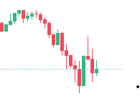

As per this pattern observation I am tradin on 10 trades and observing win ratio
out of five trade I made profit in all trade including indian and crypto | 29/07/2025

Learn from here how to make sniper entry not based on emotion | don’t trade based on emotion bro why you want to do

Sheet2
