Technicals_learning
Technical_learning for improving and using in trade | Fast Ema | Slow Ema
SMA,EMA,DMA,WMA,MAA/SMA and EMA are the two moving average that is widely used for building a strategy | 7,21,50,50 | 21,50,100,200
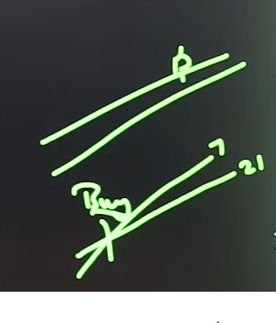
use 7,21 for intraday trading and use 50,200 for stock trading
Try to know exact entr in premium charts as it is little confusing
Total capital as of 7/26/2024 | 265992 | only principle amount no profit included

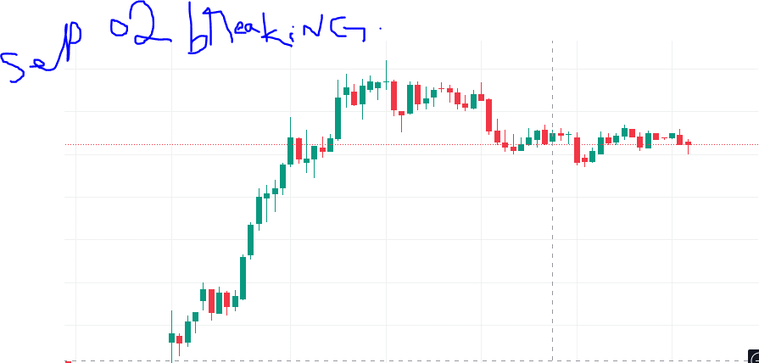
This Is what you need to wait for

