learnings
Date | Lesson of the Day | 4 simple way how you will loss money in market:
2024-06-19 | Never exit in fear take proper stoploss and never be in hurry to take profit as well as it may give 1:2 profit as well
2024-06-20 | Take only one trade per day for next 20 days
2024-06-27 | take pnly max two trade per day
2024-07-18 | due to over trading faced heavy loss so always see your journel and trade
2024-07-26 | This day was my big profit day but due to groww error I haven't be profited
2024-07-29 | Never take back 2 back trade wait for at lest some good position
2024-08-09 | trading is about waiting for 80% and executing 20%
2025-10-01 | after taking a trade always try to engage with trade not with fear

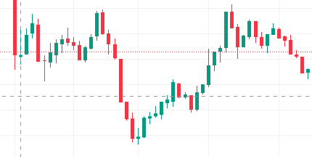

 | if you see this end patter keep in mind

Technicals_learning
Technical_learning for improving and using in trade | Fast Ema | Slow Ema
SMA,EMA,DMA,WMA,MAA/SMA and EMA are the two moving average that is widely used for building a strategy | 7,21,50,50 | 21,50,100,200
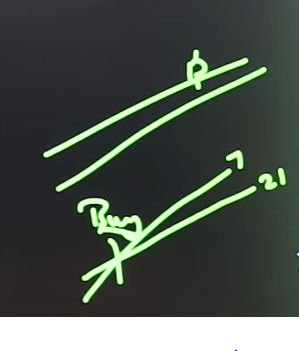
use 7,21 for intraday trading and use 50,200 for stock trading
Try to know exact entr in premium charts as it is little confusing
Total capital as of 7/26/2024 | 265992 | only principle amount no profit included

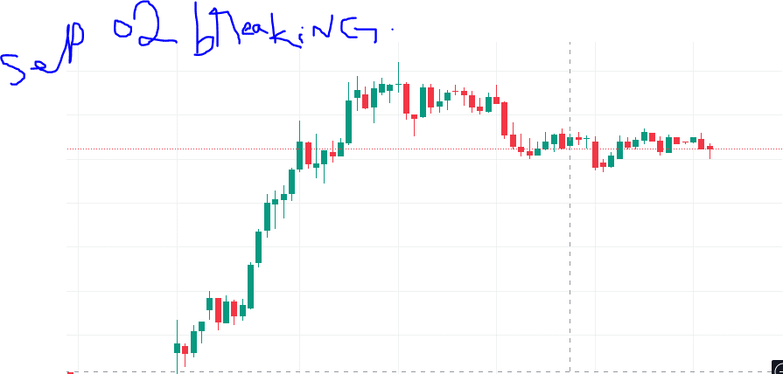
This Is what you need to wait for

