MatchesDisplay
Bikespace Analysis - Damaged Bicycle Parking Reports
Updated August 22 2024
20 BikeSpace damage reports with nearby City bicycle parking features

BIKESPACE REPORT #1399 (2024-08-22)
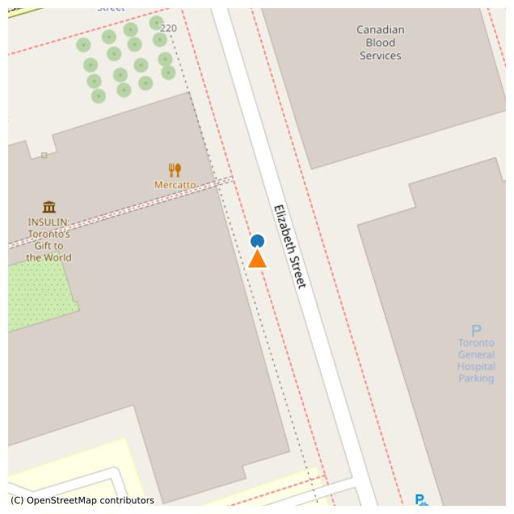
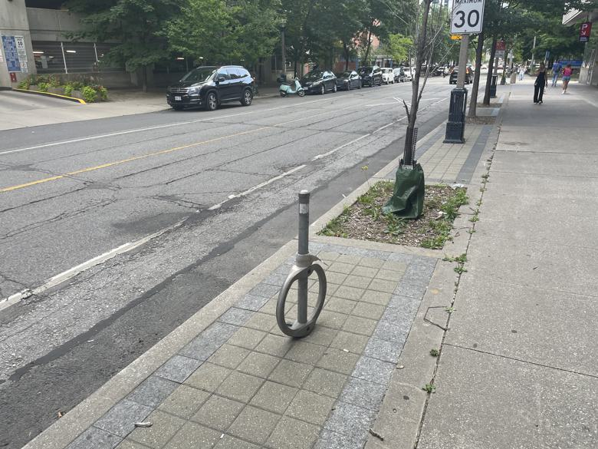

bikespace_id | 1399
comments | BP-22556 ring has fallen down; no longer secured
issues | ['damaged']
latitude | 43.659914373
longitude | -79.38724666
report_date | 2024-08-22
report_time | 14:55:00
Notes | Should be a #teambikespace entry; forgot to add the hashtag
Survey_Date
Asset | BP-22556
Check_311_Date | 2024-08-22
Check_311_Notes | No requests found
City_Problem_Type | Loose/unsecured
WARD | University-Rosedale (11)
url | https://dashboard.bikespace.ca/#feed?view_all=1&submission_id=1399

match_type | surveyed
distance | 3.4674578729
source | street-furniture-bicycle-parking
ID | BP-22556
OBJECTID | 30136
ADDRESSNUMBERTEXT | 220
ADDRESSSTREET | Elizabeth St
FRONTINGSTREET | Elizabeth St
SIDE | West
FROMSTREET | College St
DIRECTION | South
SITEID | None
WARD | 11
BIA | None
ASSETTYPE | Ring
STATUS | Existing
latitude | 43.659945578
longitude | -79.387245637

BIKESPACE REPORT #1400 (2024-08-22)
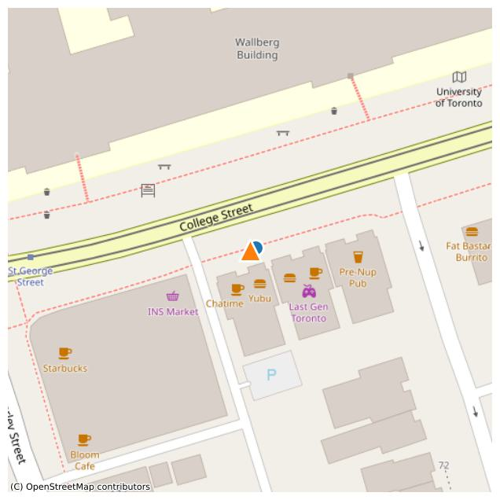
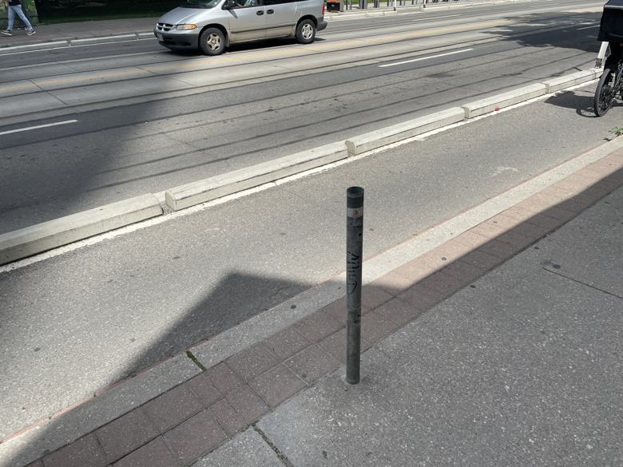

bikespace_id | 1400
comments | BP-27452 ring is missing #teambikespace
issues | ['damaged']
latitude | 43.658769499
longitude | -79.395094847
report_date | 2024-08-22
report_time | 14:00:00
Notes
Survey_Date
Asset | BP-27452
Check_311_Date | 2024-08-22
Check_311_Notes | No requests found
City_Problem_Type | Post with no ring
WARD | University-Rosedale (11)
url | https://dashboard.bikespace.ca/#feed?view_all=1&submission_id=1400

match_type | surveyed
distance | 1.3736235575
source | street-furniture-bicycle-parking
ID | BP-27452
OBJECTID | 23569
ADDRESSNUMBERTEXT | 197
ADDRESSSTREET | College St
FRONTINGSTREET | College St
SIDE | South
FROMSTREET | Ln E Beverley S College
DIRECTION | East
SITEID | None
WARD | 11
BIA | None
ASSETTYPE | Ring
STATUS | Existing
latitude | 43.658773752
longitude | -79.395078854

BIKESPACE REPORT #1401 (2024-08-22)
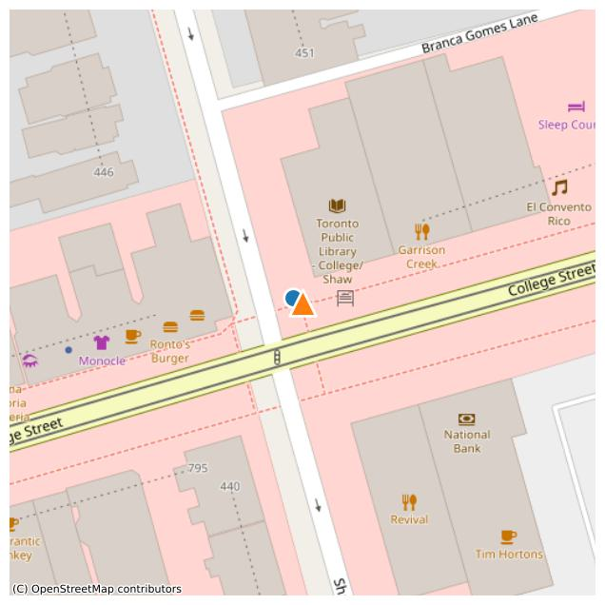
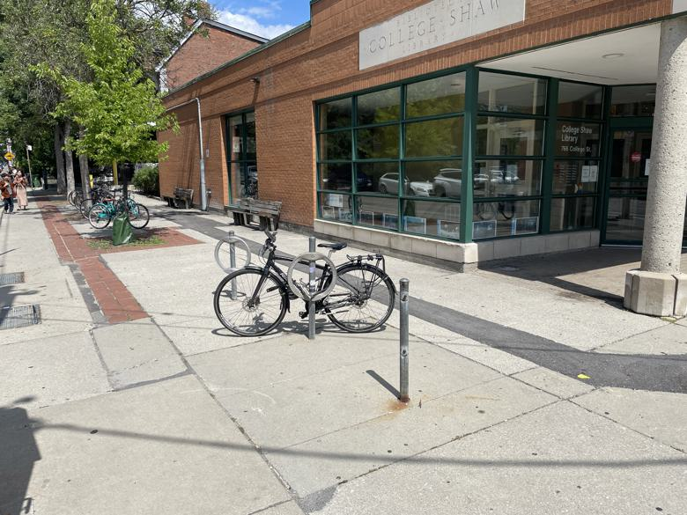

bikespace_id | 1401
comments | BP-27742 ring is missing #teambikespace
issues | ['damaged']
latitude | 43.655000965
longitude | -79.420204396
report_date | 2024-08-22
report_time | 13:05:00
Notes
Survey_Date
Asset | BP-27742
Check_311_Date | 2024-08-22
Check_311_Notes | No requests found
City_Problem_Type | Post with no ring
WARD | University-Rosedale (11)
url | https://dashboard.bikespace.ca/#feed?view_all=1&submission_id=1401

match_type | surveyed
distance | 1.9756937967
source | street-furniture-bicycle-parking
ID | BP-27742
OBJECTID | 13657
ADDRESSNUMBERTEXT | 766
ADDRESSSTREET | College St
FRONTINGSTREET | Shaw St
SIDE | East
FROMSTREET | College St
DIRECTION | North
SITEID | None
WARD | 11
BIA | Little Italy
ASSETTYPE | Ring
STATUS | Existing
latitude | 43.655008495
longitude | -79.420226588

BIKESPACE REPORT #1403 (2024-08-22)
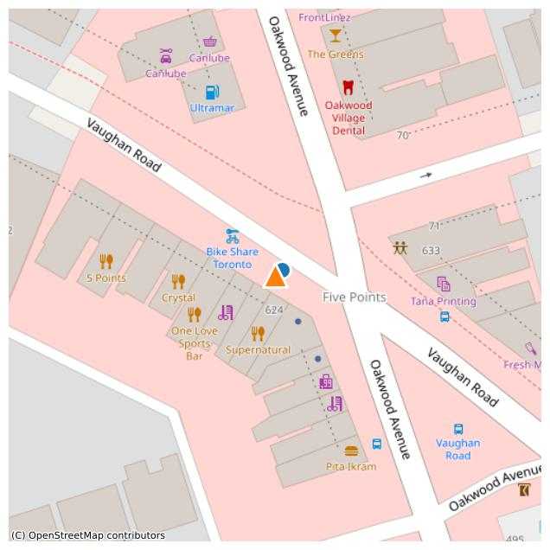
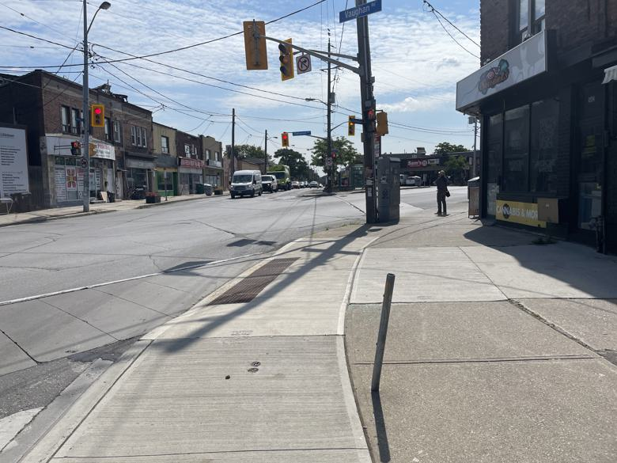

bikespace_id | 1403
comments | BP-32163 ring missing #teambikespace
issues | ['damaged']
latitude | 43.692656271
longitude | -79.441029902
report_date | 2024-08-22
report_time | 11:36:00
Notes
Survey_Date
Asset | BP-32163
Check_311_Date | 2024-08-22
Check_311_Notes | No requests found
City_Problem_Type | Post with no ring
WARD | Toronto-St. Paul's (12)
url | https://dashboard.bikespace.ca/#feed?view_all=1&submission_id=1403

match_type | surveyed
distance | 1.7116879592
source | street-furniture-bicycle-parking
ID | BP-32163
OBJECTID | 30877
ADDRESSNUMBERTEXT | 626
ADDRESSSTREET | Vaughan Rd
FRONTINGSTREET | Vaughan Rd
SIDE | West
FROMSTREET | Oakwood Ave
DIRECTION | West
SITEID | None
WARD | 12
BIA | Oakwood Village
ASSETTYPE | Ring
STATUS | Existing
latitude | 43.692665449
longitude | -79.441012844

BIKESPACE REPORT #1402 (2024-08-22)
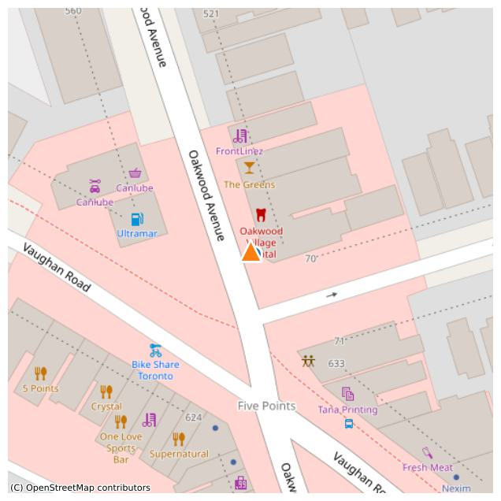
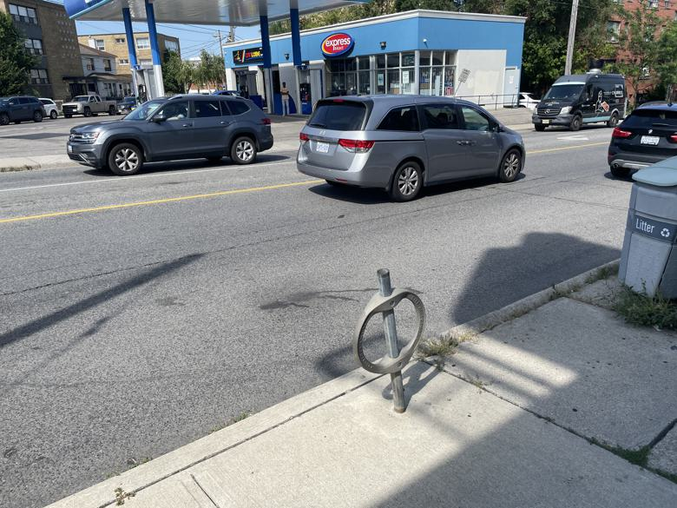

bikespace_id | 1402
comments | BP-32158 bent and missing cap #teambikespace
issues | ['damaged']
latitude | 43.692927784
longitude | -79.440873844
report_date | 2024-08-22
report_time | 11:30:00
Notes | Bent and missing cap
Survey_Date
Asset | BP-32158
Check_311_Date | 2024-08-22
Check_311_Notes | No requests found
City_Problem_Type | Bent
WARD | Toronto-St. Paul's (12)
url | https://dashboard.bikespace.ca/#feed?view_all=1&submission_id=1402

match_type | surveyed
distance | 0.96437679703
source | street-furniture-bicycle-parking
ID | BP-32158
OBJECTID | 20328
ADDRESSNUMBERTEXT | 503
ADDRESSSTREET | Oakwood Ave
FRONTINGSTREET | Oakwood Ave
SIDE | East
FROMSTREET | Belvidere Ave
DIRECTION | North
SITEID | None
WARD | 12
BIA | Oakwood Village
ASSETTYPE | Ring
STATUS | Existing
latitude | 43.692921136
longitude | -79.440866149

BIKESPACE REPORT #1398 (2024-08-21)
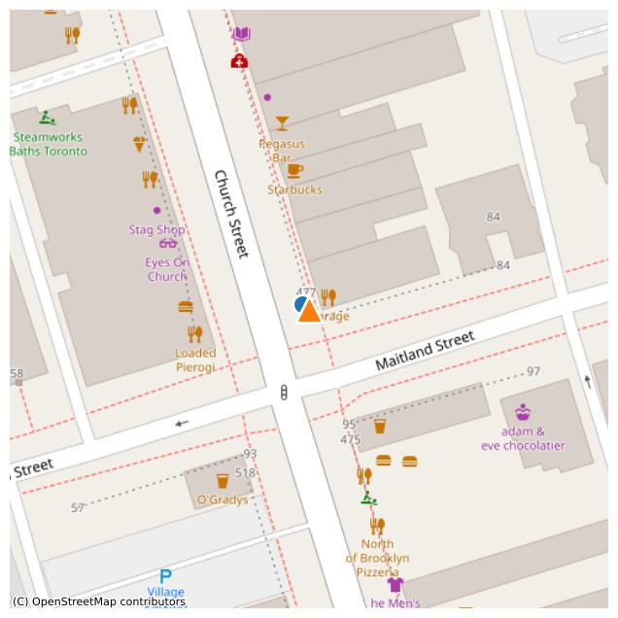
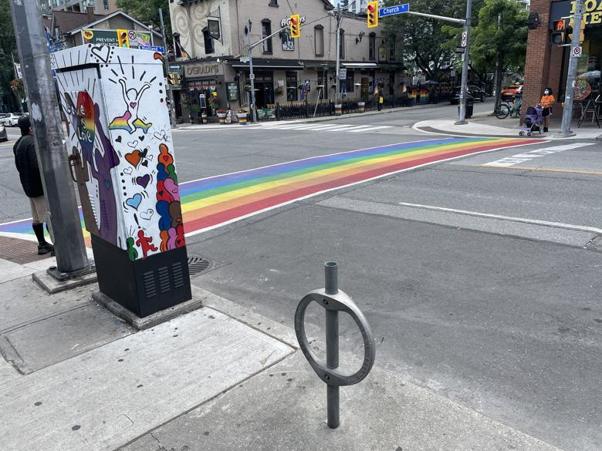

bikespace_id | 1398
comments | Post and Ring BP-36518 is loose and has cap missing #teambikespace
issues | ['damaged']
latitude | 43.66477305
longitude | -79.380439996
report_date | 2024-08-21
report_time | 16:30:00
Notes
Survey_Date | 2024-08-21
Asset | BP-36518
Check_311_Date | 2024-08-18
Check_311_Notes | No requests found
City_Problem_Type | Loose/unsecured
WARD | Toronto Centre (13)
url | https://dashboard.bikespace.ca/#feed?view_all=1&submission_id=1398

match_type | surveyed
distance | 1.4683498513
source | street-furniture-bicycle-parking
ID | BP-36518
OBJECTID | 24738
ADDRESSNUMBERTEXT | 477
ADDRESSSTREET | Church St
FRONTINGSTREET | Church St
SIDE | East
FROMSTREET | Maitland St
DIRECTION | North
SITEID | None
WARD | 13
BIA | Church-Wellesley Village
ASSETTYPE | Ring
STATUS | Existing
latitude | 43.664780581
longitude | -79.380454961

BIKESPACE REPORT #1396 (2024-08-17)
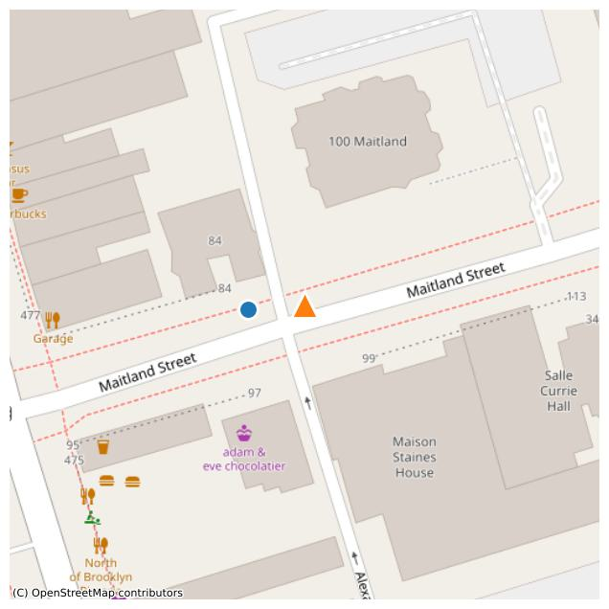
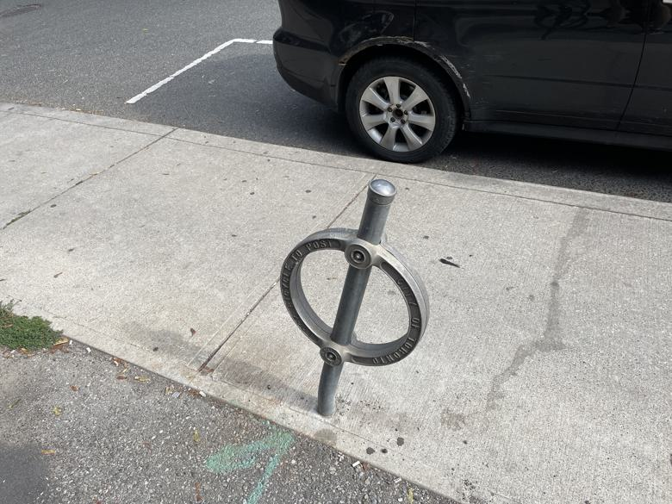

bikespace_id | 1396
comments | Ring not firmly attached to post: top bolt is missing and bottom bolt is loose, so not secure for bike parking. It is the first bike ring located on the north east corner on Church, at Maitland.
issues | ['damaged']
latitude | 43.664817649
longitude | -79.379820421
report_date | 2024-08-17
report_time | 12:50:52
Notes
Survey_Date | 2024-08-21
Asset | BP-36687
Check_311_Date | 2024-08-18
Check_311_Notes | No requests found
City_Problem_Type | Loose/unsecured
WARD | Toronto Centre (13)
url | https://dashboard.bikespace.ca/#feed?view_all=1&submission_id=1396

match_type | surveyed
distance | 10.424625452
source | street-furniture-bicycle-parking
ID | BP-36687
OBJECTID | 17845
ADDRESSNUMBERTEXT | 84
ADDRESSSTREET | Maitland St
FRONTINGSTREET | Maitland St
SIDE | North
FROMSTREET | Alexander Pl
DIRECTION | West
SITEID | None
WARD | 13
BIA | Church-Wellesley Village
ASSETTYPE | Ring
STATUS | Existing
latitude | 43.664810323
longitude | -79.379949299

BIKESPACE REPORT #1387 (2024-08-04)
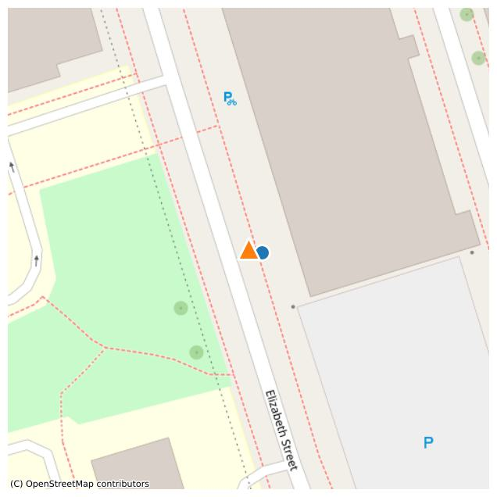
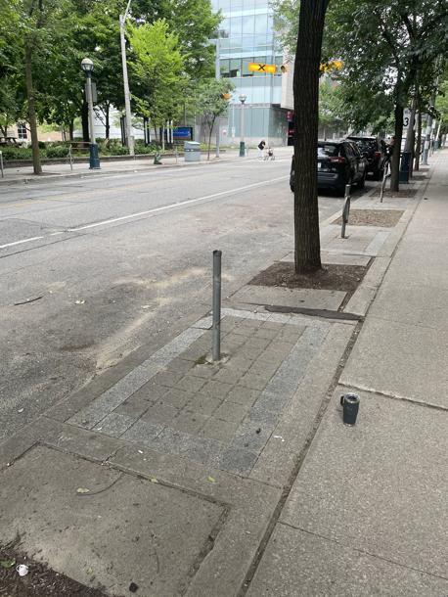

bikespace_id | 1387
comments | BP-22469, missing ring, e side of Elizabeth St, https://flic.kr/p/2q86HtE #teambikespace
issues | ['damaged']
latitude | 43.65913249
longitude | -79.386748941
report_date | 2024-08-04
report_time | 13:06:46
Notes
Survey_Date
Asset | BP-22469
Check_311_Date | 2024-08-15
Check_311_Notes | No requests found
City_Problem_Type | Post with no ring
WARD | University-Rosedale (11)
url | https://dashboard.bikespace.ca/#feed?view_all=1&submission_id=1387

match_type | surveyed
distance | 3.1234697902
source | street-furniture-bicycle-parking
ID | BP-22469
OBJECTID | 18615
ADDRESSNUMBERTEXT | 201
ADDRESSSTREET | Elizabeth St
FRONTINGSTREET | Elizabeth St
SIDE | East
FROMSTREET | La Plante Ave
DIRECTION | West
SITEID | None
WARD | 11
BIA | None
ASSETTYPE | Ring
STATUS | Existing
latitude | 43.659124992
longitude | -79.386711614

BIKESPACE REPORT #1382 (2024-07-27)
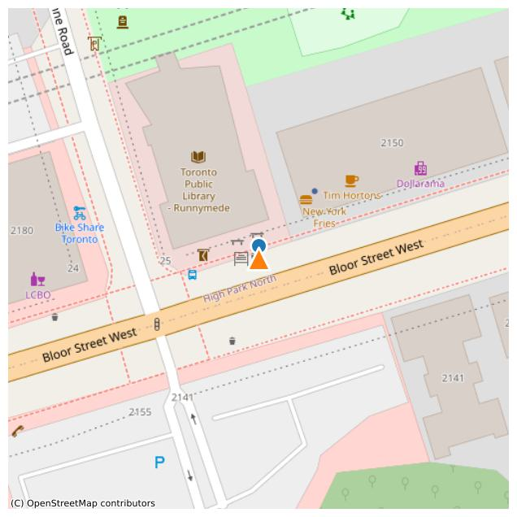
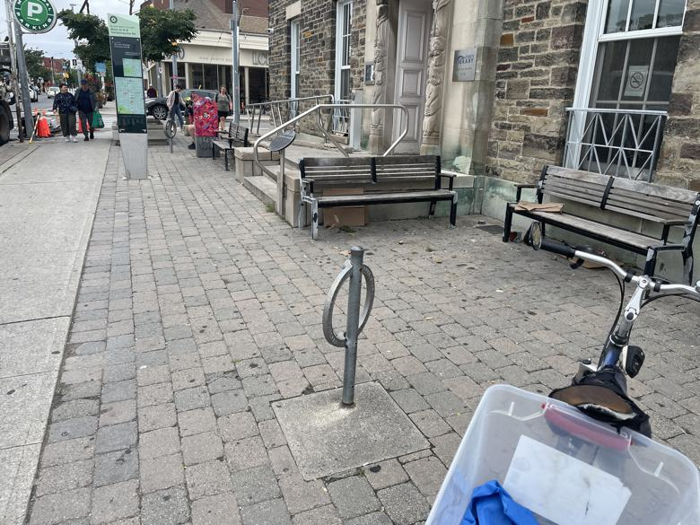

bikespace_id | 1382
comments | Broken ring and post in front of runnymede tpl branch
issues | ['damaged']
latitude | 43.651765891
longitude | -79.473757061
report_date | 2024-07-27
report_time | 16:11:58
Notes
Survey_Date | 2024-08-19
Asset | BP-22650
Check_311_Date | 2024-08-15
Check_311_Notes | No requests found
City_Problem_Type | Loose/unsecured
WARD | Parkdale-High Park (4)
url | https://dashboard.bikespace.ca/#feed?view_all=1&submission_id=1382

match_type | surveyed
distance | 2.7778729061
source | street-furniture-bicycle-parking
ID | BP-22650
OBJECTID | 16806
ADDRESSNUMBERTEXT | 2178
ADDRESSSTREET | Bloor St W
FRONTINGSTREET | Bloor St W
SIDE | North
FROMSTREET | Glendonwynne Rd
DIRECTION | East
SITEID | None
WARD | 04
BIA | Bloor West Village
ASSETTYPE | Ring
STATUS | Existing
latitude | 43.651790894
longitude | -79.473756385

BIKESPACE REPORT #1369 (2024-07-05)
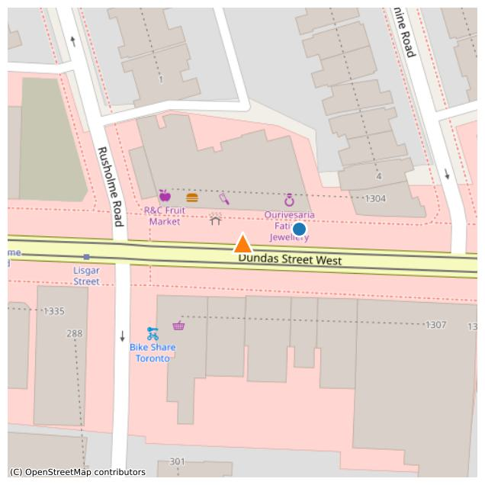
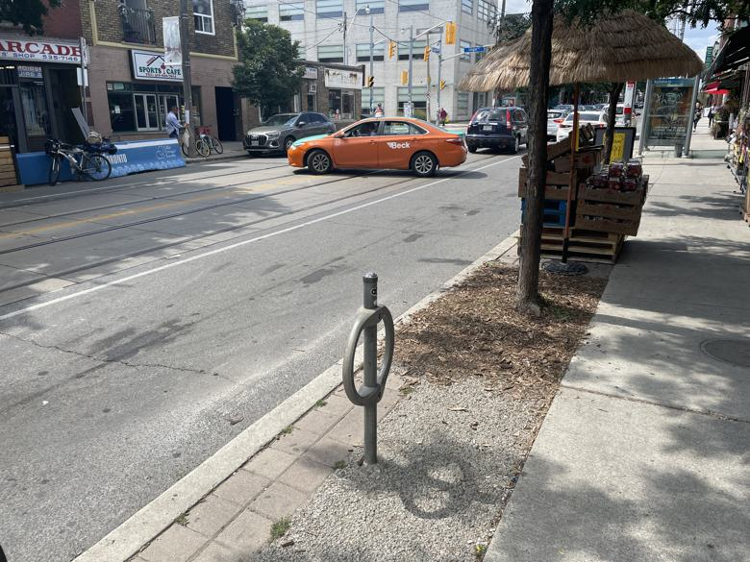

bikespace_id | 1369
comments | The one bike ring that is there is loose.
issues | ['not_provided', 'damaged']
latitude | 43.649516568
longitude | -79.426430811
report_date | 2024-07-05
report_time | 17:00:00
Notes
Survey_Date | 2024-08-22
Asset | BP-20032
Check_311_Date | 2024-08-15
Check_311_Notes | No requests found
City_Problem_Type | Loose/unsecured
WARD | Davenport (9)
url | https://dashboard.bikespace.ca/#feed?view_all=1&submission_id=1369

match_type | surveyed
distance | 13.403979902
source | street-furniture-bicycle-parking
ID | BP-20032
OBJECTID | 17990
ADDRESSNUMBERTEXT | 1322
ADDRESSSTREET | Dundas St W
FRONTINGSTREET | Dundas St W
SIDE | North
FROMSTREET | Coolmine Rd
DIRECTION | West
SITEID | None
WARD | 09
BIA | Little Portugal
ASSETTYPE | Ring
STATUS | Existing
latitude | 43.649544344
longitude | -79.426269096

BIKESPACE REPORT #1367 (2024-07-01)
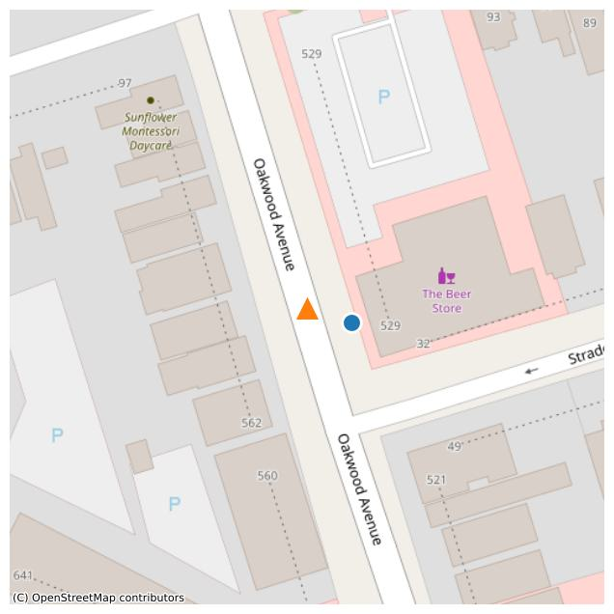
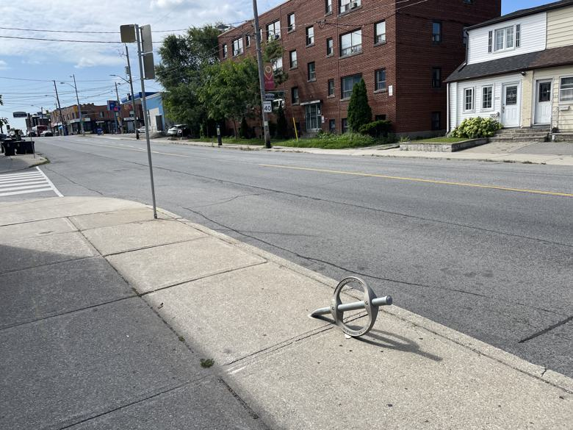

bikespace_id | 1367
comments
issues | ['damaged']
latitude | 43.693686076
longitude | -79.441276425
report_date | 2024-07-01
report_time | 19:56:25
Notes
Survey_Date | 2024-08-22
Asset | BP-44877
Check_311_Date | 2024-08-15
Check_311_Notes | No requests found
City_Problem_Type | Bent
WARD | Toronto-St. Paul's (12)
url | https://dashboard.bikespace.ca/#feed?view_all=1&submission_id=1367

match_type | surveyed
distance | 8.6041928054
source | street-furniture-bicycle-parking
ID | BP-44877
OBJECTID | 12021
ADDRESSNUMBERTEXT | 529
ADDRESSSTREET | Oakwood Ave
FRONTINGSTREET | Oakwood Ave
SIDE | East
FROMSTREET | Strader Ave
DIRECTION | North
SITEID | None
WARD | 12
BIA | Oakwood Village
ASSETTYPE | Ring
STATUS | Existing
latitude | 43.693661031
longitude | -79.44117541

BIKESPACE REPORT #1345 (2024-05-06)
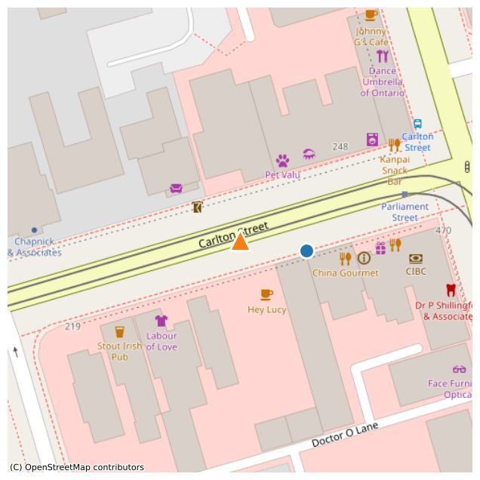
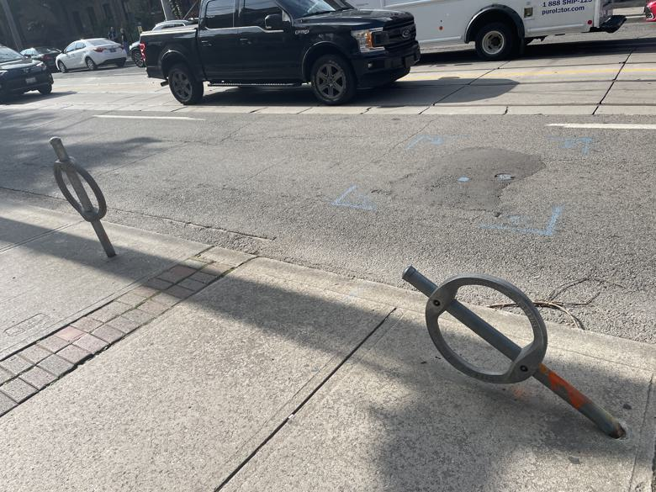

bikespace_id | 1345
comments | The bike stand is broken
issues | ['damaged']
latitude | 43.66412305
longitude | -79.368626202
report_date | 2024-05-06
report_time | 12:19:26
Notes | Several bent Post and Rings, but appear to have been spray-tagged orange for fixing. BP-28070 is fully bent over.
Survey_Date | 2024-08-21
Asset | BP-28070
Check_311_Date | 2024-08-15
Check_311_Notes | Likely 311 request located at 233 Carlton. Another ring post fix request nearby via 311 at 467 parliament.
City_Problem_Type | Bent
WARD | Toronto Centre (13)
url | https://dashboard.bikespace.ca/#feed?view_all=1&submission_id=1345

match_type | surveyed
distance | 15.687693739
source | street-furniture-bicycle-parking
ID | BP-28070
OBJECTID | 21820
ADDRESSNUMBERTEXT | 235
ADDRESSSTREET | Carlton St
FRONTINGSTREET | Carlton St
SIDE | South
FROMSTREET | Parliament St
DIRECTION | West
SITEID | None
WARD | 13
BIA | Cabbagetown
ASSETTYPE | Ring
STATUS | Existing
latitude | 43.664101531
longitude | -79.368433939

BIKESPACE REPORT #1342 (2024-04-28)
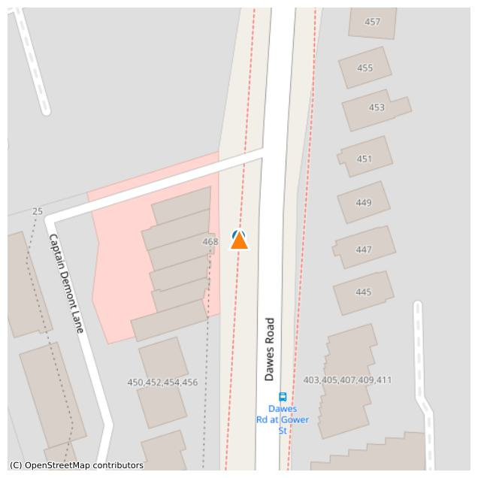
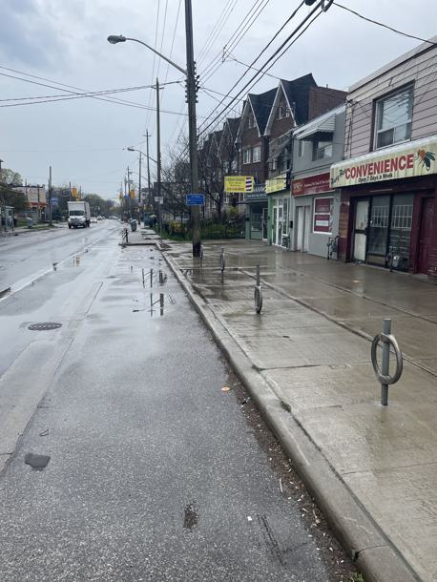

bikespace_id | 1342
comments | Ring fallen down on BP-34713. https://flic.kr/p/2pMYvQg #teambikespace
issues | ['damaged']
latitude | 43.702939955
longitude | -79.29698819
report_date | 2024-04-28
report_time | 12:53:57
Notes
Survey_Date
Asset | BP-34713
Check_311_Date | 2024-08-15
Check_311_Notes | No requests found
City_Problem_Type | Loose/unsecured
WARD | Beaches-East York (19)
url | https://dashboard.bikespace.ca/#feed?view_all=1&submission_id=1342

match_type | surveyed
distance | 0.71739331053
source | street-furniture-bicycle-parking
ID | BP-34713
OBJECTID | 36800
ADDRESSNUMBERTEXT | 466A
ADDRESSSTREET | Dawes Rd
FRONTINGSTREET | Dawes Rd
SIDE | West
FROMSTREET | Ln N Gower W Dawes
DIRECTION | West
SITEID | None
WARD | 19
BIA | None
ASSETTYPE | Ring
STATUS | Existing
latitude | 43.70294602
longitude | -79.29699125

BIKESPACE REPORT #1330 (2024-03-23)
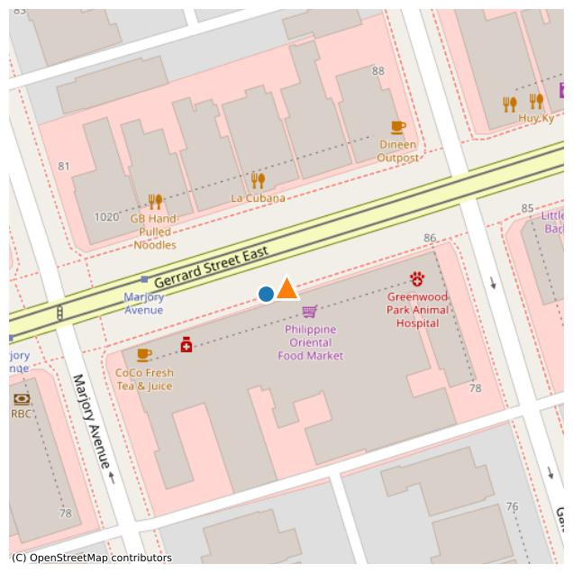

bikespace_id | 1330
comments | BP-35952 Ring and post is missing a ring. #TeamBikeSpace
issues | ['damaged']
latitude | 43.668833936
longitude | -79.337011892
report_date | 2024-03-23
report_time | 12:16:23
Notes
Survey_Date
Asset | BP-35952
Check_311_Date | 2024-08-22
Check_311_Notes | No requests found
City_Problem_Type | Post with no ring
WARD | Toronto-Danforth (14)
url | https://dashboard.bikespace.ca/#feed?view_all=1&submission_id=1330

match_type | surveyed
distance | 4.3763602163
source | street-furniture-bicycle-parking
ID | BP-35952
OBJECTID | 25037
ADDRESSNUMBERTEXT | 1029
ADDRESSSTREET | Gerrard St E
FRONTINGSTREET | Gerrard St E
SIDE | South
FROMSTREET | Marjory Ave
DIRECTION | East
SITEID | None
WARD | 14
BIA | None
ASSETTYPE | Ring
STATUS | Existing
latitude | 43.668820864
longitude | -79.33706309

BIKESPACE REPORT #1329 (2024-03-23)
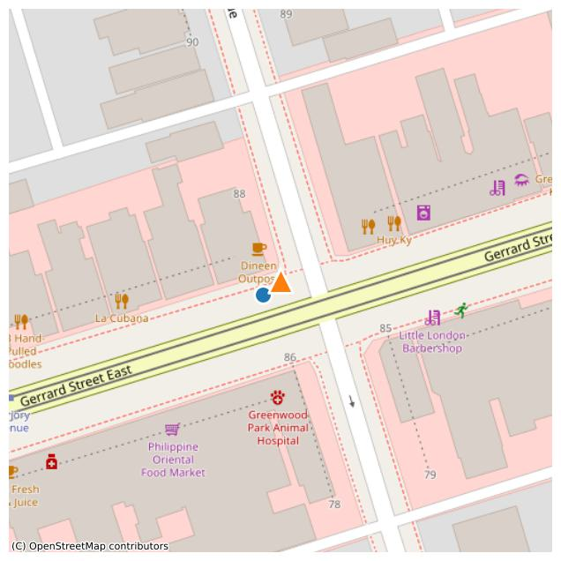

bikespace_id | 1329
comments | BP-35870 ring and post broken, ring is missing. #teambikespace
issues | ['damaged']
latitude | 43.669056932
longitude | -79.336687363
report_date | 2024-03-23
report_time | 12:04:22
Notes
Survey_Date
Asset | BP-35870
Check_311_Date | 2024-08-22
Check_311_Notes | No requests found
City_Problem_Type | Post with no ring
WARD | Toronto-Danforth (14)
url | https://dashboard.bikespace.ca/#feed?view_all=1&submission_id=1329

match_type | surveyed
distance | 4.4667779218
source | street-furniture-bicycle-parking
ID | BP-35870
OBJECTID | 35303
ADDRESSNUMBERTEXT | 1040
ADDRESSSTREET | Gerrard St E
FRONTINGSTREET | Gerrard St E
SIDE | North
FROMSTREET | Galt Ave
DIRECTION | West
SITEID | None
WARD | 14
BIA | None
ASSETTYPE | Ring
STATUS | Existing
latitude | 43.669031461
longitude | -79.336730227

BIKESPACE REPORT #1328 (2024-03-16)
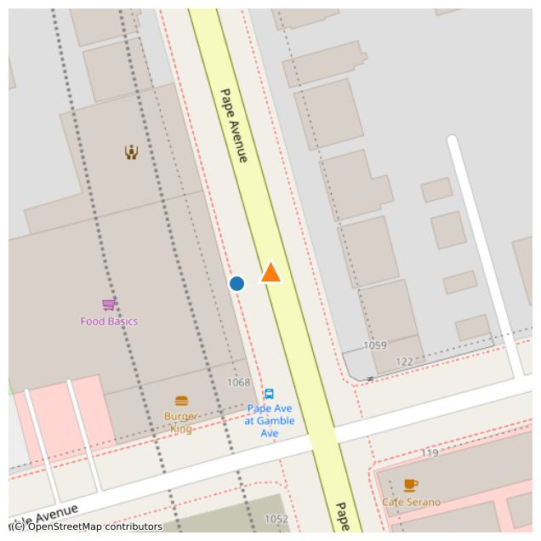

bikespace_id | 1328
comments | Ring has fallen down on post, is no longer attached. Asset ID is BP-24431. #teambikespace
issues | ['damaged']
latitude | 43.690697348
longitude | -79.349302676
report_date | 2024-03-16
report_time | 15:39:55
Notes
Survey_Date
Asset | BP-24431
Check_311_Date | 2024-08-22
Check_311_Notes | No requests found
City_Problem_Type | Loose/unsecured
WARD | Toronto-Danforth (14)
url | https://dashboard.bikespace.ca/#feed?view_all=1&submission_id=1328

match_type | surveyed
distance | 7.5189901738
source | street-furniture-bicycle-parking
ID | BP-24431
OBJECTID | 18420
ADDRESSNUMBERTEXT | 1068-1070
ADDRESSSTREET | Pape Ave
FRONTINGSTREET | Pape Ave
SIDE | West
FROMSTREET | Gamble Ave
DIRECTION | North
SITEID | None
WARD | 14
BIA | None
ASSETTYPE | Ring
STATUS | Existing
latitude | 43.690673021
longitude | -79.349389722

BIKESPACE REPORT #1310 (2024-01-12)
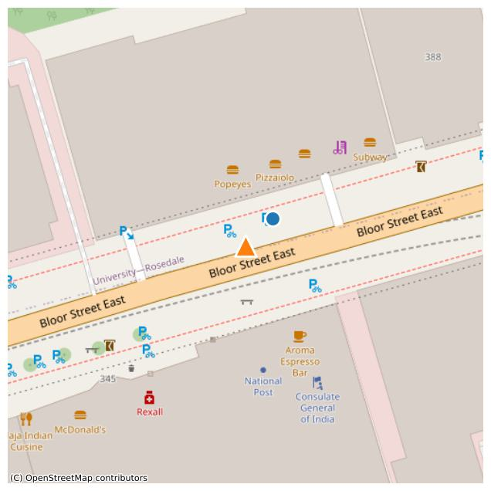
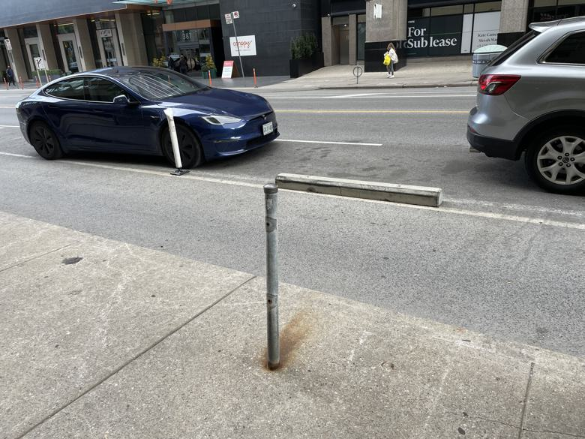

bikespace_id | 1310
comments | Ring missing from ring and post
issues | ['damaged']
latitude | 43.672151512
longitude | -79.378023148
report_date | 2024-01-12
report_time | 08:16:47
Notes
Survey_Date | 2024-08-21
Asset | BP-35057
Check_311_Date | 2024-08-22
Check_311_Notes | No requests found
City_Problem_Type | Post with no ring
WARD | University-Rosedale (11)
url | https://dashboard.bikespace.ca/#feed?view_all=1&submission_id=1310

match_type | surveyed
distance | 8.7250581165
source | street-furniture-bicycle-parking
ID | BP-35057
OBJECTID | 20086
ADDRESSNUMBERTEXT | 366
ADDRESSSTREET | Bloor St E
FRONTINGSTREET | Bloor St E
SIDE | North
FROMSTREET | Sherbourne St N
DIRECTION | West
SITEID | None
WARD | 11
BIA | None
ASSETTYPE | Ring
STATUS | Existing
latitude | 43.672206378
longitude | -79.377945715

BIKESPACE REPORT #1291 (2023-12-16)
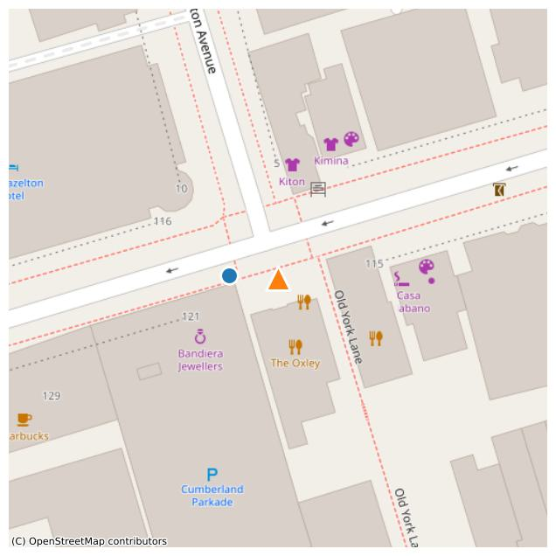
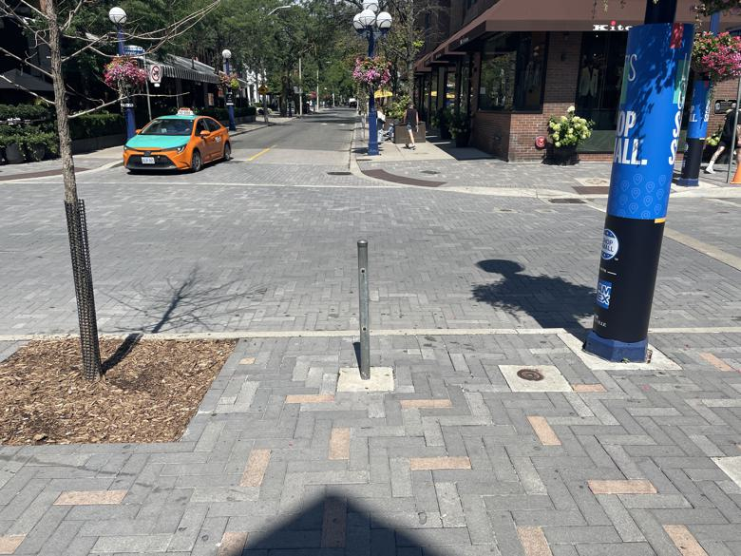

bikespace_id | 1291
comments | Post with missing ring
issues | ['damaged']
latitude | 43.670692577
longitude | -79.393000603
report_date | 2023-12-16
report_time | 16:53:21
Notes
Survey_Date | 2024-08-18
Asset | BP-23818
Check_311_Date | 2024-08-22
Check_311_Notes | No requests found
City_Problem_Type | Post with no ring
WARD | University-Rosedale (11)
url | https://dashboard.bikespace.ca/#feed?view_all=1&submission_id=1291

match_type | surveyed
distance | 9.8973435625
source | street-furniture-bicycle-parking
ID | BP-23818
OBJECTID | 18637
ADDRESSNUMBERTEXT | 119
ADDRESSSTREET | Yorkville Ave
FRONTINGSTREET | Yorkville Ave
SIDE | South
FROMSTREET | Hazelton Ave
DIRECTION | East
SITEID | None
WARD | 11
BIA | Bloor-Yorkville
ASSETTYPE | Ring
STATUS | Existing
latitude | 43.670697966
longitude | -79.393123124

BIKESPACE REPORT #1290 (2023-12-16)
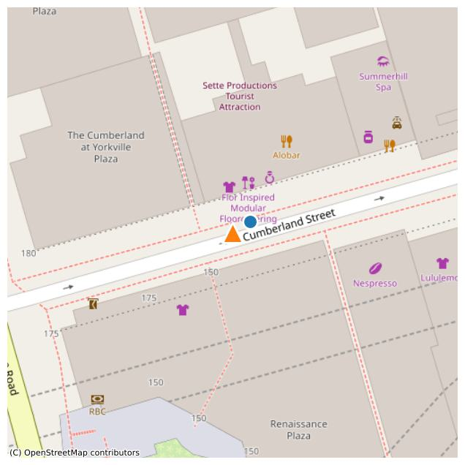
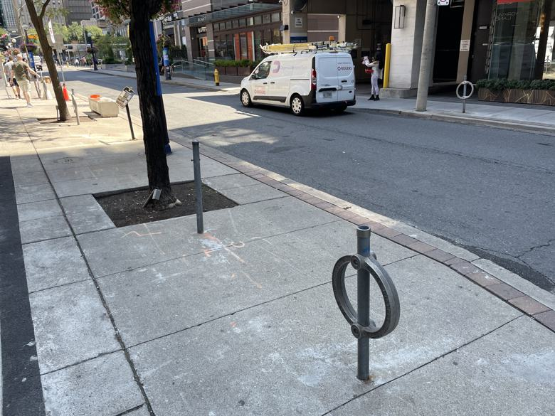

bikespace_id | 1290
comments | Bike ring with missing sleeve
issues | ['damaged']
latitude | 43.669761323
longitude | -79.393756986
report_date | 2023-12-16
report_time | 16:29:31
Notes
Survey_Date | 2024-08-18
Asset | BP-34237
Check_311_Date | 2024-08-22
Check_311_Notes | No requests found
City_Problem_Type | Post with no ring
WARD | University-Rosedale (11)
url | https://dashboard.bikespace.ca/#feed?view_all=1&submission_id=1290

match_type | surveyed
distance | 4.9943985975
source | street-furniture-bicycle-parking
ID | BP-34237
OBJECTID | 20236
ADDRESSNUMBERTEXT | 164
ADDRESSSTREET | Cumberland St
FRONTINGSTREET | Cumberland St
SIDE | North
FROMSTREET | Avenue Rd
DIRECTION | East
SITEID | None
WARD | 11
BIA | Bloor-Yorkville
ASSETTYPE | Ring
STATUS | Existing
latitude | 43.669785089
longitude | -79.393704407

BIKESPACE REPORT #35 (2023-09-27)
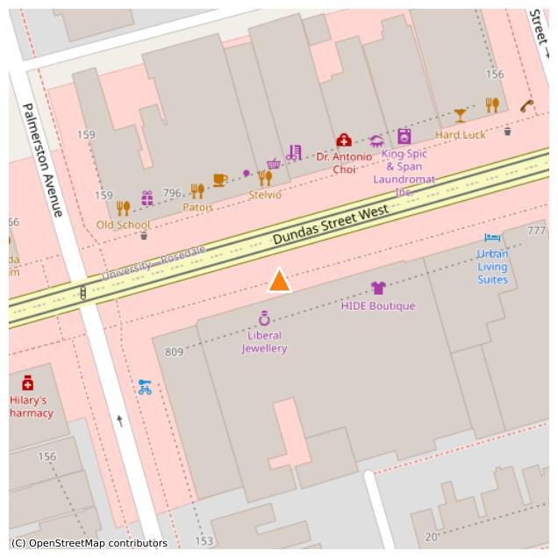
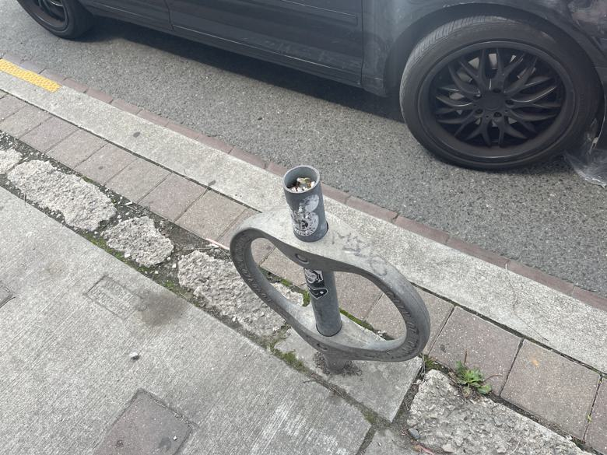

bikespace_id | 35
comments | Hi, the bike rack in front of 829 Dundas St W is missing the cap cover. It is overflowing with debris like cigarette butts because it is located next to the bar Dundas Video.
issues | ['damaged']
latitude | 43.651827994
longitude | -79.407988787
report_date | 2023-09-27
report_time | 16:04:52
Notes | Actual post and ring location is about 100m west of report location
Survey_Date | 2024-08-22
Asset | BP-25632
Check_311_Date | 2024-08-22
Check_311_Notes | No requests found
City_Problem_Type | Cap missing
WARD | Spadina-Fort York (10)
url | https://dashboard.bikespace.ca/#feed?view_all=1&submission_id=35

match_type | surveyed
distance | 100.98543258
source | street-furniture-bicycle-parking
ID | BP-25632
OBJECTID | 34716
ADDRESSNUMBERTEXT | 829
ADDRESSSTREET | Dundas St W
FRONTINGSTREET | Dundas St W
SIDE | South
FROMSTREET | Ln W Palmerston S Dundas
DIRECTION | West
SITEID | None
WARD | 10
BIA | Trinity-Bellwoods
ASSETTYPE | Ring
STATUS | Existing
latitude | 43.651587933
longitude | -79.409196366

