Claims by age
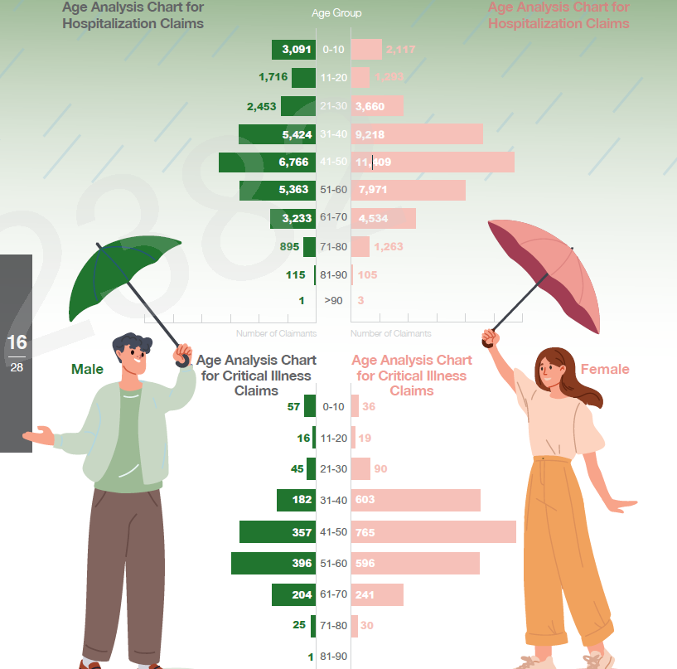
Age | M | % | F | % | Total | %
0 | 3091 | 11% | 2117 | 5% | 5208 | 7%
11 | 1716 | 6% | 1293 | 3% | 3009 | 4%
21 | 2453 | 8% | 3660 | 9% | 6113 | 9%
31 | 5424 | 19% | 9218 | 22% | 14642 | 21%
41 | 6766 | 23% | 11409 | 27% | 18175 | 26%
51 | 5363 | 18% | 7971 | 19% | 13334 | 19%
61 | 3233 | 11% | 4534 | 11% | 7767 | 11%
71 | 895 | 3% | 1263 | 3% | 2158 | 3%
81 | 115 | 0% | 105 | 0% | 220 | 0%
90 | 1 | 0% | 3 | 0% | 4 | 0%
 | 29057 | 100% | 41573 | 100% | 70630 | 100%

Age | M | % | F | % | Total | %
0 | 57 | 4% | 36 | 2% | 93 | 3%
11 | 16 | 1% | 19 | 1% | 35 | 1%
21 | 45 | 4% | 90 | 4% | 135 | 4%
31 | 182 | 14% | 603 | 25% | 785 | 21%
41 | 357 | 28% | 765 | 32% | 1122 | 31%
51 | 396 | 31% | 596 | 25% | 992 | 27%
61 | 204 | 16% | 241 | 10% | 445 | 12%
71 | 25 | 2% | 30 | 1% | 55 | 2%
81 | 1 | 0% | 0 | 0% | 1 | 0%
 | 1283 | 100% | 2380 | 100% | 3663 | 100%

Visual Sizing
