Sheet1
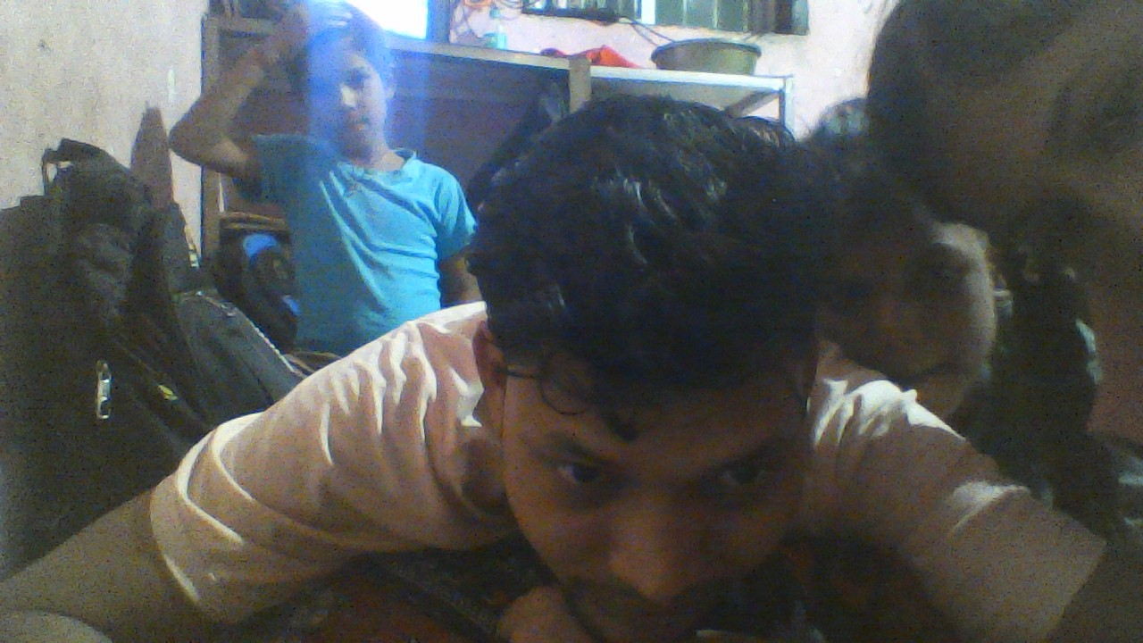
ACCOUNT DATA

S/N | NAME | LAST NAME | ADDERES | PHONE | CATIY | EMAIL | PHOTO
1 | BRIJESH | KUMAR | VARANASAI | 9695333078 | VARANASAI | brijeshray17@gmail.com
2 | akash | rajbhar | mumbai | 98765637 | mumbai | akash12@gmail.com
3 | Vikash | rajbhar | mumbai | 96577589494 | mumbai | vikash@gmail.com
4 | Aachal | rajbhar | dheli | 447759959 | dheli | aachal34@gmail.com

Sheet3
S/N | LINE | PRODUCTION | REJECTION | MATERIAL | MACHINE | METHODE | PERCENTEGE | TOTAL
1 | Y301 | 2432 | 23 | 2 | 6 | 0 |  | 3.00%
2 | Y302 | 1234 | 24 | 5 | 5 | 0 |  | 3.00%
3 | Y303 | 1241 | 46 | 11 | 8 | 0 |  | 3.00%
4 | Y304 | 5431 | 64 | 21 | 11 | 0 |  | 3.00%
5 | Y305 | 3423 | 36 | 9 | 23 | 0 |  | 3.00%
6 | Y306 | 2241 | 77 | 32 | 11 | 0 |  | 3.00%
7 | Y307 | 1233 | 43 | 12 | 10 | 0 |  | 3.00%
8 | Y308 | 1312 | 24 | 14 | 23 | 0 |  | 3.00%
 | TOTAL | 18547 | 337 | 106 | 97 | 0

