Sheet1
Gender | type | H0: Gender and Card preference are independent , H1: Gender and Card preference are dependent
Male | maestro | Q : Find out the relationship b|w two categorical column
Female | mastercard
Female | mastercard
Female | jcb
Female | jcb |  | Count of type | Column Labels
Female | jcb |  | Row Labels | americanexpress | bankcard | china-unionpay | diners-club-carte-blanche | diners-club-enroute | diners-club-international | diners-club-us-ca | instapayment | jcb | laser | maestro | mastercard | solo | switch | visa | visa-electron | Grand Total
Male | mastercard |  | Female | 6 | 4 | 1 | 7 | 1 | 1 | 1 | 2 | 45 | 5 | 4 | 6 | 3 | 7 | 2 | 7 | 102
Female | jcb |  | Male | 2 | 2 | 5 | 4 | 3 | 1 | 1 | 2 | 45 | 4 | 5 | 14 |  | 6 | 2 | 2 | 98
Male | switch |  | Grand Total | 8 | 6 | 6 | 11 | 4 | 2 | 2 | 4 | 90 | 9 | 9 | 20 | 3 | 13 | 4 | 9 | 200
Female | jcb
Female | jcb
Male | laser |  | Observed Frequency
Female | americanexpress |  | Row Labels | americanexpress | bankcard | china-unionpay | diners-club-carte-blanche | diners-club-enroute | diners-club-international | diners-club-us-ca | instapayment | jcb | laser | maestro | mastercard | solo | switch | visa | visa-electron | Grand Total
Female | diners-club-carte-blanche |  | Female | 6 | 4 | 1 | 7 | 1 | 1 | 1 | 2 | 45 | 5 | 4 | 6 | 3 | 7 | 2 | 7 | 102
Male | jcb |  | Male | 2 | 2 | 5 | 4 | 3 | 1 | 1 | 2 | 45 | 4 | 5 | 14 |  | 6 | 2 | 2 | 98
Male | switch |  | Grand Total | 8 | 6 | 6 | 11 | 4 | 2 | 2 | 4 | 90 | 9 | 9 | 20 | 3 | 13 | 4 | 9 | 200
Female | jcb
Male | bankcard
Female | visa-electron |  | Expected Frequency
Female | americanexpress |  | Row Labels | americanexpress | bankcard | china-unionpay | diners-club-carte-blanche | diners-club-enroute | diners-club-international | diners-club-us-ca | instapayment | jcb | laser | maestro | mastercard | solo | switch | visa | visa-electron | Grand Total
Male | jcb |  | Female | 4.08 | 3.06 | 3.06 | 5.61 | 2.04 | 1.02 | 1.02 | 2.04 | 45.9 | 4.59 | 4.59 | 10.2 | 1.53 | 6.63 | 2.04 | 4.59 | 102
Female | switch |  | Male | 3.92 | 2.94 | 2.94 | 5.39 | 1.96 | 0.98 | 0.98 | 1.96 | 44.1 | 4.41 | 4.41 | 9.8 | 1.47 | 6.37 | 1.96 | 4.41 | 98
Female | visa |  | Grand Total | 8 | 6 | 6 | 11 | 4 | 2 | 2 | 4 | 90 | 9 | 9 | 20 | 3 | 13 | 4 | 9 | 200
Male | diners-club-enroute
Male | jcb
Male | jcb |  | CHI Square
Male | jcb |  | Row Labels | americanexpress | bankcard | china-unionpay | diners-club-carte-blanche | diners-club-enroute | diners-club-international | diners-club-us-ca | instapayment | jcb | laser | maestro | mastercard | solo | switch | visa | visa-electron | Grand Total
Male | jcb |  | Female | 0.90352941176 | 0.28875816993 | 1.3867973856 | 0.34440285205 | 0.53019607843 | 0.00039215686275 | 0.00039215686275 | 0.00078431372549 | 0.017647058824 | 0.036623093682 | 0.075838779956 | 1.7294117647 | 1.4123529412 | 0.020648567119 | 0.00078431372549 | 1.2653812636
Male | jcb |  | Male | 0.94040816327 | 0.30054421769 | 1.4434013605 | 0.35846011132 | 0.55183673469 | 0.00040816326531 | 0.00040816326531 | 0.00081632653061 | 0.018367346939 | 0.038117913832 | 0.078934240363 | 1.8 | 1.47 | 0.021491365777 | 0.00081632653061 | 1.3170294785
Female | jcb |  | Grand Total |  |  |  |  |  |  |  |  |  |  |  |  |  |  |  | CHI Square | 16.354980221
Male | visa-electron
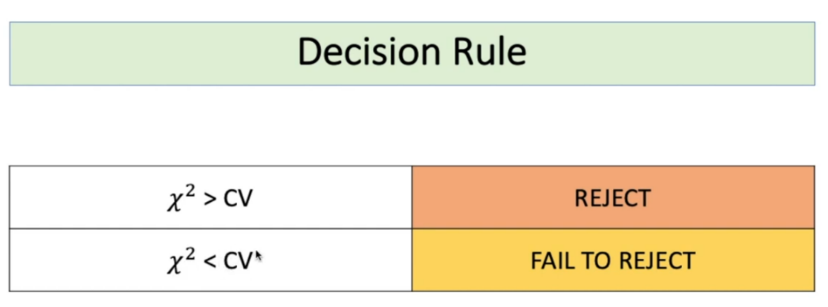
Female | jcb
Male | diners-club-international
Male | jcb |  | Degree of Freedom | (row-1)*(col-1) | (2-1)*(16-1) | 15 |  | Critical Value | 24.996
Female | jcb |  | Level of Significance | 0.05 (default) |  |  |  | According to CHI Sqaure table
Male | jcb
Male | jcb
Male | mastercard |  |  |  |  |  | CHI < CV
Female | americanexpress
Female | jcb |  | Decision | Failed to reject the Null hypotheisis
Male | jcb |  |  | Therefore we can conclude there is no relationship between Gender and Card-type
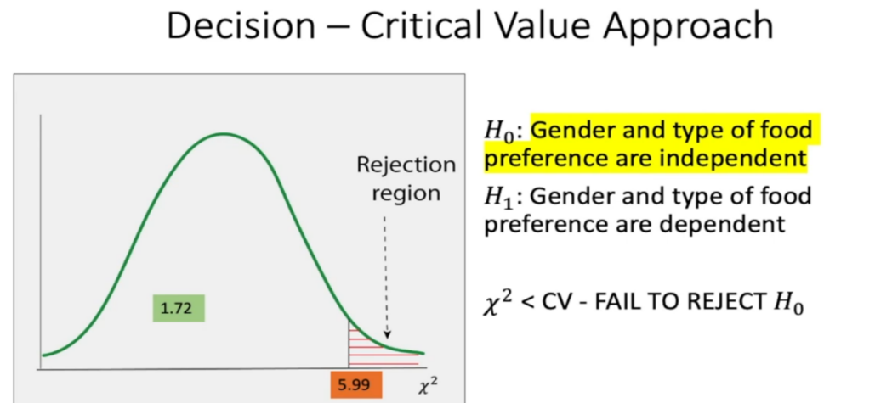
Male | jcb
Male | jcb
Female | visa-electron |  | P-Value | The P-Value is .358923. The result is not significant at p < .05. |  |  |  |  | 0.45973365476
Female | jcb |  |  | From P-Value Calculator |  |  |  |  | P-Value using excel pre-defined formula
Female | visa-electron
Male | jcb
Male | china-unionpay
Female | americanexpress
Female | jcb
Female | jcb
Male | mastercard
Female | diners-club-us-ca
Female | diners-club-carte-blanche
Male | diners-club-carte-blanche
Male | diners-club-enroute
Female | jcb
Male | jcb
Male | china-unionpay
Male | maestro
Male | jcb
Male | visa
Male | switch
Male | jcb
Male | jcb
Female | maestro
Male | jcb
Female | jcb
Male | laser
Female | bankcard
Female | jcb
Female | instapayment
Male | diners-club-carte-blanche
Female | jcb
Male | diners-club-us-ca
Female | solo
Female | laser
Male | jcb
Male | americanexpress
Male | maestro
Male | mastercard
Male | mastercard
Female | visa
Female | visa-electron
Female | jcb
Male | diners-club-enroute
Female | jcb
Male | jcb
Female | jcb
Female | switch
Female | jcb
Female | jcb
Male | jcb
Male | switch
Female | jcb
Female | bankcard
Female | bankcard
Female | jcb
Male | americanexpress
Female | laser
Female | laser
Female | diners-club-international
Male | mastercard
Male | mastercard
Male | switch
Male | jcb
Female | maestro
Female | switch
Female | jcb
Female | switch
Male | jcb
Female | jcb
Female | diners-club-carte-blanche
Male | jcb
Male | jcb
Female | diners-club-carte-blanche
Male | jcb
Female | americanexpress
Male | visa-electron
Female | visa-electron
Female | jcb
Male | mastercard
Female | mastercard
Male | jcb
Male | laser
Male | instapayment
Male | mastercard
Male | jcb
Female | switch
Female | mastercard
Male | mastercard
Male | mastercard
Female | diners-club-carte-blanche
Female | jcb
Female | jcb
Female | jcb
Female | mastercard
Female | jcb
Male | jcb
Male | jcb
Male | china-unionpay
Male | visa
Male | jcb
Female | switch
Male | jcb
Male | diners-club-carte-blanche
Male | instapayment
Female | solo
Male | laser
Male | china-unionpay
Female | laser
Male | jcb
Female | visa-electron
Male | bankcard
Male | mastercard
Female | americanexpress
Male | mastercard
Female | jcb
Female | solo
Female | jcb
Female | jcb
Female | bankcard
Female | instapayment
Male | diners-club-carte-blanche
Male | jcb
Female | jcb
Male | jcb
Female | maestro
Female | diners-club-carte-blanche
Male | maestro
Male | jcb
Male | maestro
Male | jcb
Female | jcb
Female | jcb
Female | diners-club-carte-blanche
Female | jcb
Female | jcb
Female | jcb
Female | switch
Female | china-unionpay
Female | mastercard
Female | maestro
Male | jcb
Male | jcb
Female | jcb
Male | mastercard
Male | jcb
Female | jcb
Female | jcb
Female | diners-club-enroute
Male | china-unionpay
Male | switch
Female | jcb
Male | jcb
Female | laser
Male | jcb
Female | visa-electron
Male | jcb
Male | jcb

