0_Key_Findings
BA Foods — Pakistan Beef Export: Feasibility & Costing Study
Market intelligence from 9,925 actual Pakistan Customs export records | Jan–May 2026 (YTD) | Source: TenData Pakistan Customs
All prices are FOB Pakistan (what the market actually pays — your target sell price). Subtract your landed cost to get gross margin.

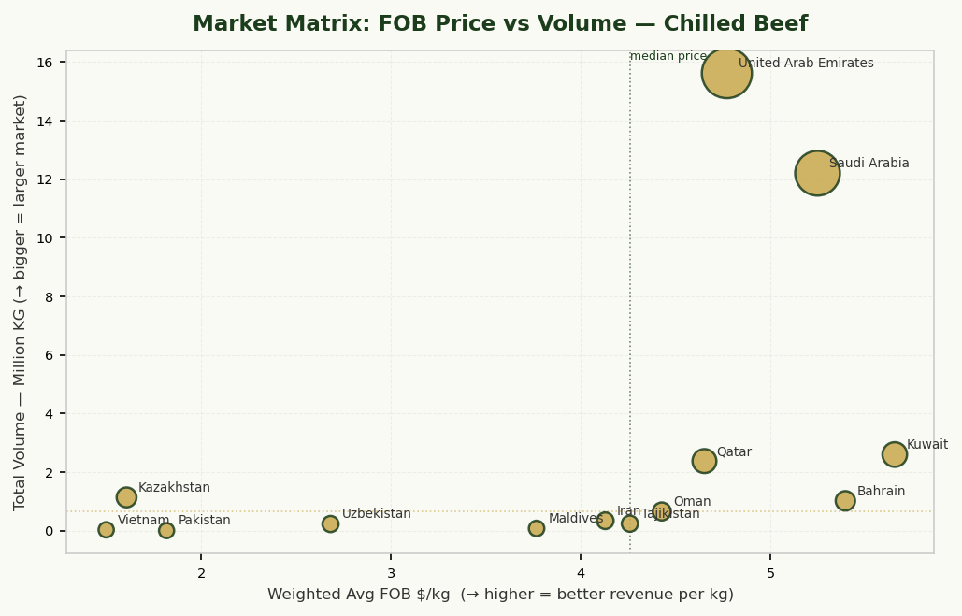
$4.87/kg | $5.20/kg | $1.36/kg | 157 | $177.9M
MARKET PRICE Chilled Beef (Avg FOB) | FOB PRICE — AIR ROUTES What air-lane buyers pay | FOB PRICE DIFFERENCE Air-routed vs Sea-routed | ACTIVE COMPETITORS Chilled Beef | MARKET SIZE YTD Chilled Beef
8,121 shipments | vs $3.84/kg on sea routes (diff. markets) | Air lanes pay more FOB — not a cost, a market signal | Pakistani exporters, Jan–May 2026 | 36.5M kg exported Jan–May

1. VIABILITY VERDICT
Market exists & is active | Pakistan exported 36.5M kg of chilled beef (HS 0201) in just 5 months — averaging $4.87/kg FOB. The market is real, established, and growing month-on-month.
Benchmark sell price (your target FOB) | Chilled carcass/half-carcass: $4.89/kg (air). Bone-in cuts: $4.07/kg. Price in below these and you win business; price above and you lose it.
Break-even signal | You sell FOB — your revenue is what you receive at the departure airport. Your costs are: raw material (cattle/carcass) + slaughter/processing + cold chain to airport + export docs + packaging. Air freight to GCC is the BUYER's cost, not yours. At PKR 1,225/kg dressed carcass (~$4.15/kg) + ~$0.24/kg pre-export costs = ~$4.39/kg total cost vs $5.20/kg FOB revenue → ~$0.81/kg gross margin (15%). See sheet F1_Feasibility for full model.
Air dominates chilled — but freight is the BUYER's cost | 87% of chilled beef shipments go by air. Chilled beef shelf life is ~4–7 days post-slaughter so air is the only viable mode. Your buyer arranges and pays air freight on top of your FOB price. Your cost stops at airport handover. Focus your pre-export cost model on: cold chain to airport, airport SPS/vet inspection, packaging, and export documentation.
Competition density | 157 Pakistani exporters are already active. The top 5 control ~60% of volume. New entrants should target underpenetrated lanes (Kuwait, Bahrain, Oman) rather than competing head-on with incumbents in UAE/Saudi first.
Boneless chilled (020130) — uncontested opportunity | Boneless chilled cuts command the highest per-kg price in the dataset. Volume is thin — meaning incumbents have NOT saturated this niche. If you can achieve food-grade deboning, this is your highest-margin entry point.

2. MARKET ENTRY PRIORITISATION (Chilled Beef)
Destination | Wavg FOB $/kg | Volume YTD (KG) | Revenue YTD ($) | Shipments | Entry Verdict
United Arab Emirates | $4.7695 | 15,622,924 | $74,513,811 | 3861 | ANCHOR — largest volume, established buyers, start here
Saudi Arabia | $5.2472 | 12,207,178 | $64,053,368 | 2442 | ANCHOR — 2nd largest, high-frequency buyers
Kuwait | $5.6538 | 2,600,934 | $14,705,200 | 633 | HIGH PRICE — premium market, top $/kg across dataset
Qatar | $4.6513 | 2,377,284 | $11,057,461 | 430 | HIGH PRICE — smaller volume but $5.50–$6.50/kg realised
Kazakhstan | $1.6074 | 1,136,818 | $1,827,304 | 99 | AVOID — sub-$3/kg pricing, likely dump market
Bahrain | $5.3937 | 1,019,307 | $5,497,813 | 282 | GROWTH — under-penetrated, price attractive
Oman | $4.4267 | 656,625 | $2,906,711 | 267 | GROWTH — adjacent to UAE logistics
Iran | $4.1289 | 340,635 | $1,406,441 | 28 | Evaluate further
Tajikistan | $4.2586 | 240,377 | $1,023,673 | 10 | Evaluate further
Uzbekistan | $2.6818 | 228,093 | $611,703 | 15 | Evaluate further
Maldives | $3.7672 | 76,780 | $289,243 | 7 | Evaluate further
Vietnam | $1.5001 | 30,000 | $45,002 | 1 | AVOID — low $/kg, high competition from AU/NZ
Pakistan | $1.8181 | 3,425 | $6,227 | 46 | Evaluate further

3. PRODUCT × CHANNEL COST BENCHMARK (What to Price at FOB)
Product (HS6) | Transport | Market FOB $/kg | P10 (floor) | P90 (ceiling) | Costing Implication
Carcass/Half-carcass (chilled) | Air | $5.1981 | $4.2068 | $6.4908
Bone-in cuts (chilled) | Air | $5.6362 | $5.5872 | $6.5019
Boneless cuts (chilled) | Air | $6.5647 | $5.3392 | $7.2415

4. STRATEGIC RECOMMENDATIONS FOR MARKET ENTRY
R1: Phase 1 — Start with UAE + Saudi, carcass by air | UAE and Saudi are the highest-volume, most liquid markets. They have established halal import channels, regular buyers, and established Pakistani suppliers you can benchmark against. Start with carcass (020110) — minimal processing, lowest capital requirement. Target FOB $4.80–$5.20/kg. Benchmark: top competitors achieve $5.00–$5.50.
R2: Phase 2 — Premium lane: Qatar/Kuwait with bone-in cuts | Once you have cold chain logistics and buyer relationships, shift weight toward Qatar ($5.50–$6.50/kg FOB realised) and Kuwait (highest FOB prices in dataset). Bone-in cuts (020120) fetch ~10–15% more per kg FOB vs carcass. Requires a basic butchery/cutting line. Same FOB model — buyer arranges their own freight.
R3: Phase 3 — Boneless chilled (020130) for maximum margin | Boneless chilled commands the highest price but requires a full deboning facility, HACCP certification, and stricter temperature controls. Market size is still emerging in Pakistan — you could establish a first-mover position. Budget: $200–500K additional capex for a deboning line.
R4: Cold chain to airport is your key variable cost — not air freight | You sell FOB, so air freight is your buyer's cost. YOUR variable costs are: (1) Raw material — cattle/carcass purchase price; (2) Slaughter & processing — if toll processing, abattoir service fee; (3) Cold chain to airport — refrigerated truck, airport cold room, SPS/vet inspection; (4) Packaging — export cartons, liners; (5) Export documentation — health cert, NAPHIS, halal cert amortised per shipment. Combined (2)–(5) typically runs $0.20–$0.30/kg. Your margin = FOB price − raw material cost − $0.25/kg. Model this carefully: every PKR 30 move in cattle prices = ~$0.10/kg margin impact.
R5: Avoid: Kazakhstan, Vietnam, Afghanistan | These lanes show sub-$3.00/kg pricing — likely below-cost dumping, re-export activity, or very low-quality product. Do not benchmark your pricing against these. Do not enter these markets in Phase 1.
R6: Certification — use an already-approved abattoir to bypass the longest lead time | If you process via a NAPHIS-approved, halal-certified export abattoir, the slaughterhouse's existing approvals cover the product. What YOU still need: an export licence (FBR/TDAP registration), a veterinary health certificate per shipment (issued by NAPHIS on the abattoir's stamp), and a halal certificate from an ISWA/HMC-recognised body endorsed by the destination country. UAE buyers require ESMA-recognised halal cert; Saudi requires SFDA clearance — your abattoir partner should already have these. Verify before committing to any lane.

1_Chapter_Overview
Pakistan Beef Export — Chapter Overview (Chilled / Frozen / Offal)
Feasibility context: Chilled (0201) is the highest-value chapter and your primary opportunity. Frozen (0202) is the competitor product — lower $/kg, long shelf life. Offal (0206) is a secondary revenue stream if you process the full carcass. | Jan–May 2026 (YTD)
Chapter | hs4 | Wavg_$/kg | P10_$/kg | P90_$/kg | Total_KG | Total_USD | Shipments
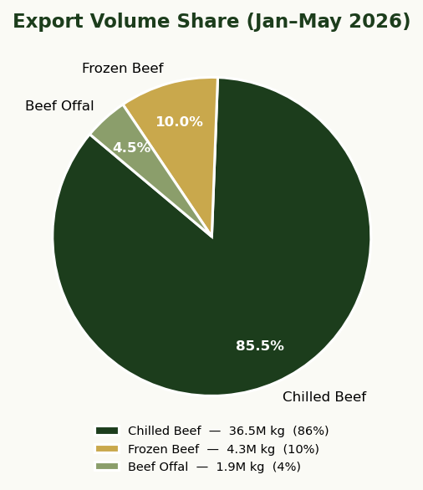
Chapter | hs4 | Wavg_$/kg | P10_$/kg | P90_$/kg | Total_KG | Total_USD | Shipments
Chilled Beef | 0201 | $4.8698 | $4.1913 | $6.4920 | 36,540,379 | $177,943,956.54 | 8,121
Frozen Beef | 0202 | $3.4072 | $1.4333 | $4.6494 | 4,286,783 | $14,605,790.29 | 353
Beef Offal | 0206 | $2.3033 | $2.4994 | $3.9988 | 1,905,497 | $4,388,886.67 | 1,451

3_PIVOT_Price_Chilled
PIVOT: Destination × Product Type — FOB Price ($/kg) [Chilled Beef Only]
Read as: what each market pays for each product cut. These are your target sell prices. Blank = no trade in that lane (opportunity or barrier). | Jan–May 2026 (YTD)
Destination | Bone-in cuts (chilled) | Boneless cuts (chilled) | Carcass/Half-carcass (chilled)
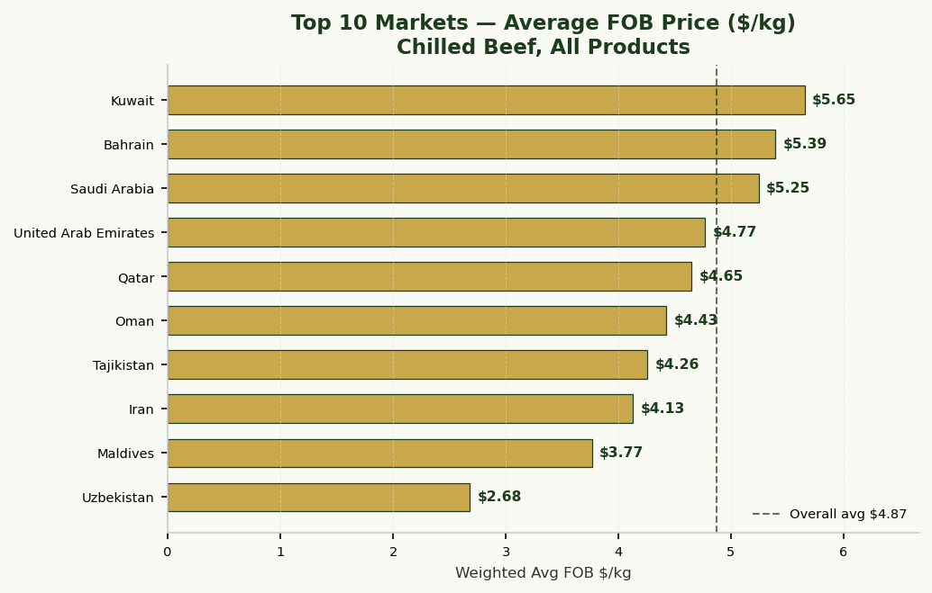
Destination | Bone-in cuts (chilled) | Boneless cuts (chilled) | Carcass/Half-carcass (chilled)
Bahrain |  |  | $5.3937
Iran | $4.2023 |  | $4.1151
Kazakhstan | $1.5801 |  | $1.6094
Kuwait | $5.2834 |  | $5.6596
Maldives | $3.7672
Oman | $5.9354 |  | $4.4238
Pakistan | $1.5767 | $3.0528
Qatar | $5.4499 |  | $4.6413
Saudi Arabia | $3.7428 |  | $5.2796
Tajikistan |  |  | $4.2586
United Arab Emirates | $5.4619 | $3.5242 | $4.7651
Uzbekistan |  |  | $2.6818
Vietnam |  |  | $1.5001

4_PIVOT_Volume_Chilled
PIVOT: Destination × Product Type — Volume (KG) [Chilled Beef Only]
Read as: market size per lane. Bigger = more established buyer base and more competition. Your entry strategy: start in large markets for buyer discovery, then move to premium niche lanes. | Jan–May 2026 (YTD)
Destination | Bone-in cuts (chilled) | Boneless cuts (chilled) | Carcass/Half-carcass (chilled)
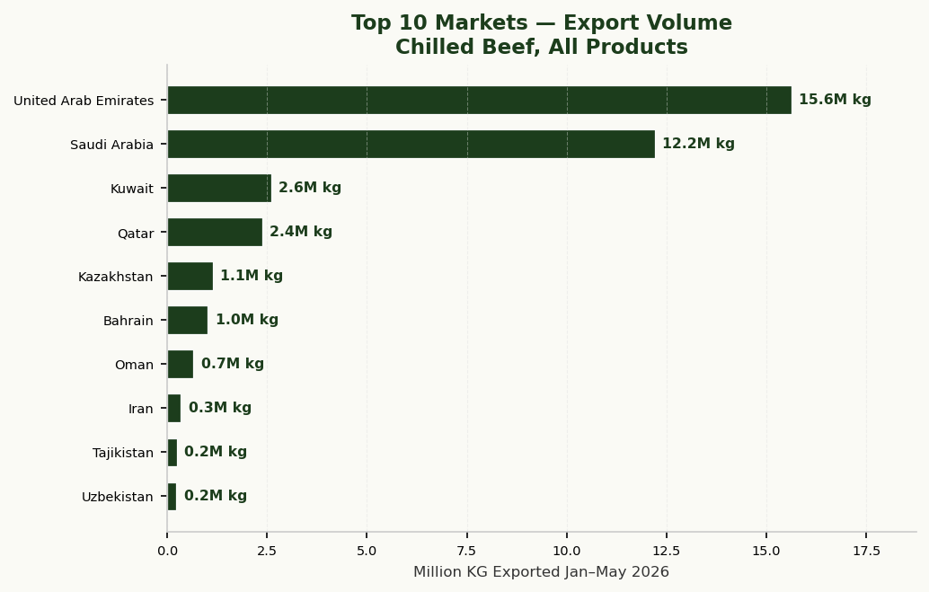
Destination | Bone-in cuts (chilled) | Boneless cuts (chilled) | Carcass/Half-carcass (chilled)
Bahrain |  |  | $1,019,307.0000
Iran | $53,720.0000 |  | $286,915.0000
Kazakhstan | $77,290.0000 |  | $1,059,528.0000
Kuwait | $40,221.0000 |  | $2,560,713.0000
Maldives | $76,780.0000
Oman | $1,287.0000 |  | $655,338.0000
Pakistan | $2,865.0000 | $560.0000
Qatar | $29,540.0000 |  | $2,347,744.0000
Saudi Arabia | $257,070.0000 |  | $11,950,108.0000
Tajikistan |  |  | $240,377.0000
United Arab Emirates | $147,639.0000 | $27,530.0000 | $15,447,755.0000
Uzbekistan |  |  | $228,093.0000
Vietnam |  |  | $30,000.0000

5_PIVOT_Mode_Chilled
Air vs Sea by Destination — Chilled Beef (FOB $/kg)
All prices are FOB Pakistan — what the exporter receives at departure. The FOB_Price_Diff column shows that air-routed shipments fetch a higher FOB price than sea-routed ones ($5.20 vs $3.84/kg). This is a MARKET signal, not a cost: air lanes serve premium GCC buyers who pay more; sea lanes go to lower-value markets. Chilled shelf life (~4–7 days) makes air the only viable mode for 0201 regardless. | Jan–May 2026 (YTD)
Destination | Air | Sea | FOB_Price_Diff_Air_minus_Sea
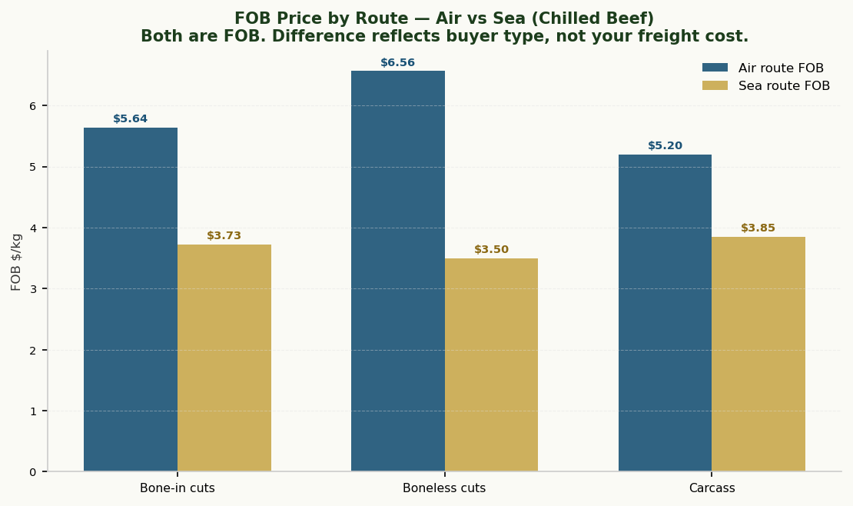
Destination | Air | Sea | FOB_Price_Diff_Air_minus_Sea
Bahrain | $5.3980 | $5.0589 | $0.3391
Iran |  | $4.1289
Kazakhstan |  | $1.6074
Kuwait | $5.6664 | $5.1493 | $0.5171
Maldives |  | $3.7672
Oman | $4.6959 | $4.0769 | $0.6190
Pakistan |  | $1.8181
Qatar | $5.1265 | $4.0586 | $1.0679
Saudi Arabia | $5.2787 | $4.0803 | $1.1984
Tajikistan | $4.2586
United Arab Emirates | $5.0614 | $4.2303 | $0.8311
Uzbekistan | $2.7213 | $2.5843 | $0.1370
Vietnam |  | $1.5001

8_Monthly_Vol_Chilled
Monthly Chilled Beef Volume by Destination (KG)
Demand seasonality by market. Use to plan slaughter schedules, cold chain capacity, and airport booking. Flat or rising trends = stable buyer relationships. Spiky = spot business. | Jan–May 2026 (YTD)
Month | Bahrain | Iran | Kazakhstan | Kuwait | Maldives | Oman | Pakistan | Qatar | Saudi Arabia | Tajikistan | United Arab Emirates | Uzbekistan | Vietnam
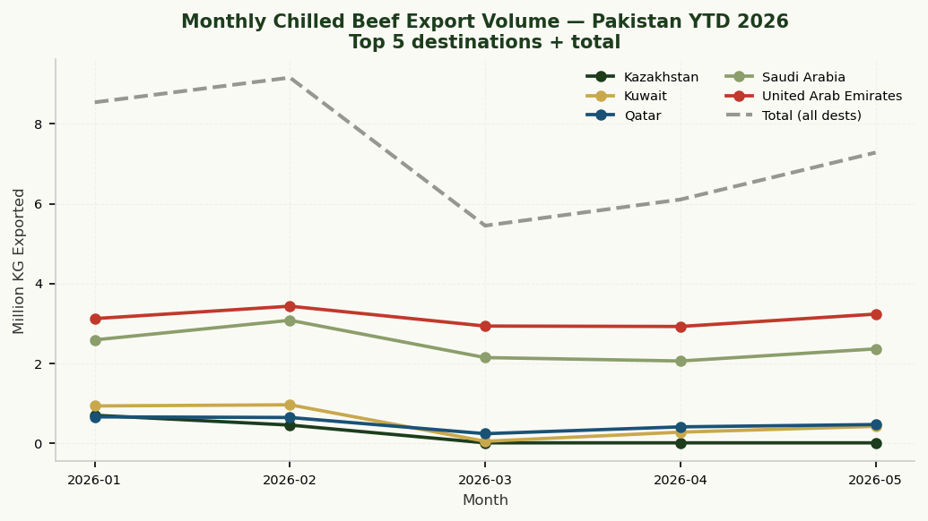
Month | Bahrain | Iran | Kazakhstan | Kuwait | Maldives | Oman | Pakistan | Qatar | Saudi Arabia | Tajikistan | United Arab Emirates | Uzbekistan | Vietnam
2026-01 | 311238 | 0 | 691185 | 925492 | 18360 | 203675 | 1298 | 651807 | 2583085 | 20000 | 3116870 | 20500 | 0
2026-02 | 350872 | 0 | 445633 | 954377 | 10000 | 163082 | 352 | 636060 | 3074711 | 52642 | 3427781 | 46703 | 0
2026-03 | 32760 | 0 | 0 | 38570 | 24912 | 36464 | 445 | 229340 | 2139153 | 0 | 2929883 | 17200 | 0
2026-04 | 128619 | 99770 | 0 | 268367 | 0 | 80985 | 590 | 400847 | 2053024 | 99270 | 2919007 | 53480 | 0
2026-05 | 195818 | 240865 | 0 | 414128 | 23508 | 172419 | 740 | 459230 | 2357205 | 68465 | 3229384 | 90210 | 30000

11_Monthly_Price_Chilled
Monthly FOB Price Trend — Chilled Beef by Product ($/kg)
Price volatility by product type over time. Stable prices = commodity market. Rising prices = good time to enter. Use this to time your first shipments. | Jan–May 2026 (YTD)
Month | Carcass/Half-carcass (chilled) | Bone-in cuts (chilled) | Boneless cuts (chilled)
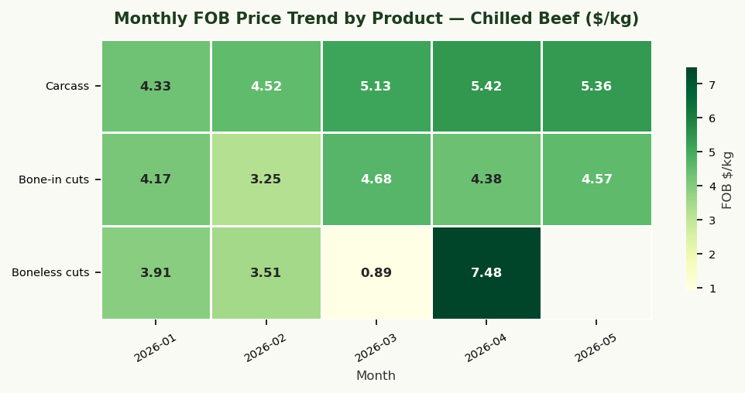
Month | Carcass/Half-carcass (chilled) | Bone-in cuts (chilled) | Boneless cuts (chilled)
2026-01 | $4.3349 | $4.1681 | $3.9144
2026-02 | $4.5213 | $3.2492 | $3.5098
2026-03 | $5.1310 | $4.6808 | $0.8920
2026-04 | $5.4171 | $4.3799 | $7.4792
2026-05 | $5.3571 | $4.5656

16_Exporters
Top Exporters — Pakistani Competitors by Chapter
Competitive intelligence: these are the incumbents you will compete with. Study their destination lanes and pricing to understand where they are weakest. Your entry strategy should exploit gaps, not replicate incumbents. | Jan–May 2026 (YTD)
Exporter | Wavg_$/kg | P10_$/kg | P90_$/kg | Total_KG | Total_USD | Shipments | Chapter
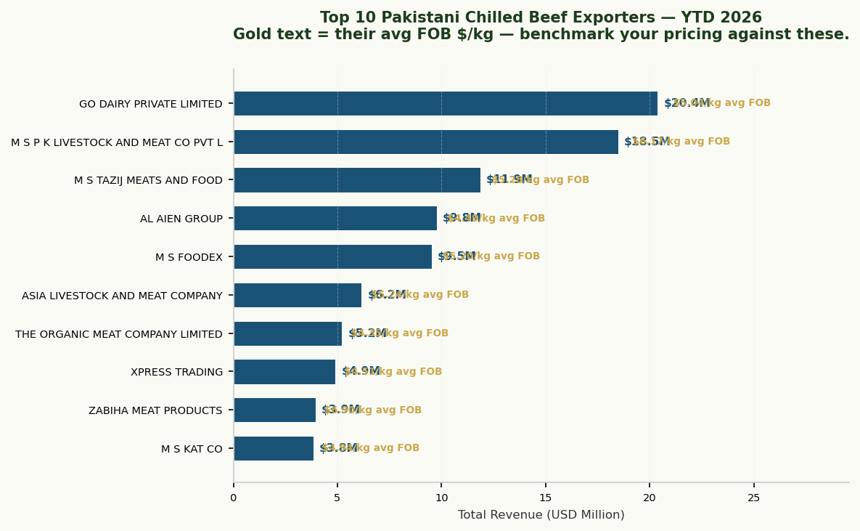
Exporter | Wavg_$/kg | P10_$/kg | P90_$/kg | Total_KG | Total_USD | Shipments | Chapter
GO DAIRY PRIVATE LIMITED | $5.0370 | $4.1927 | $5.8387 | 4,048,124 | $20,390,382.61 | 787 | Chilled 0201
M S P K LIVESTOCK AND MEAT CO PVT LTD | $6.1679 | $5.5944 | $6.5043 | 2,996,171 | $18,480,014.21 | 1,800 | Chilled 0201
M S TAZIJ MEATS AND FOOD | $5.2805 | $4.9387 | $6.1895 | 2,244,898 | $11,854,190.40 | 360 | Chilled 0201
AL AIEN GROUP | $4.4850 | $3.9988 | $5.0075 | 2,177,760 | $9,767,249.46 | 247 | Chilled 0201
M S FOODEX | $5.2033 | $4.7899 | $6.0894 | 1,831,126 | $9,527,874.13 | 447 | Chilled 0201
ASIA LIVESTOCK AND MEAT COMPANY | $5.2384 | $4.3987 | $5.7989 | 1,174,059 | $6,150,144.12 | 195 | Chilled 0201
THE ORGANIC MEAT COMPANY LIMITED | $4.3549 | $3.7975 | $6.9169 | 1,197,387 | $5,214,537.39 | 149 | Chilled 0201
XPRESS TRADING | $4.5074 | $4.1648 | $5.5051 | 1,089,583 | $4,911,210.08 | 252 | Chilled 0201
ZABIHA MEAT PRODUCTS | $6.8971 | $5.6985 | $8.8018 | 571,625 | $3,942,541.74 | 91 | Chilled 0201
M S KAT CO | $4.9357 | $4.3909 | $5.8905 | 776,977 | $3,834,898.99 | 213 | Chilled 0201
KOMAL FOODS | $4.4643 | $3.9989 | $5.1984 | 814,594 | $3,636,551.53 | 132 | Chilled 0201
M S REHMAT LIVESTOCK AND FARMERS | $5.7472 | $4.9348 | $6.5003 | 619,197 | $3,558,658.49 | 127 | Chilled 0201
ASIF AND SONS | $4.2929 | $3.7979 | $5.0058 | 724,440 | $3,109,962.26 | 107 | Chilled 0201
AL SARWAR MEAT AND CO | $5.5023 | $5.1953 | $6.0424 | 511,143 | $2,812,451.39 | 111 | Chilled 0201
JAMALI EXPORT | $4.2526 | $3.7987 | $5.5019 | 602,847 | $2,563,685.51 | 98 | Chilled 0201
FLORA AND FAUNA FOODS | $4.0790 | $3.6980 | $4.2056 | 603,530 | $2,461,804.74 | 49 | Chilled 0201
M S ABEDIN INTERNATIONAL PVT LTD | $5.5635 | $4.5606 | $6.4932 | 410,330 | $2,282,863.08 | 130 | Chilled 0201
FAUJI MEAT LIMITED | $5.1553 | $4.5973 | $7.1021 | 422,440 | $2,177,786.60 | 52 | Chilled 0201
TATA BEST FOODS LIMITED | $4.8497 | $4.2033 | $5.7713 | 443,149 | $2,149,147.28 | 47 | Chilled 0201
KARMANWALA LIVE STOCK | $5.1141 | $4.3231 | $6.6087 | 378,389 | $1,935,124.39 | 111 | Chilled 0201
MEAT WORLD PRIVATE LIMITED | $3.5109 | $2.9957 | $4.2032 | 1,206,145 | $4,234,645.49 | 54 | Frozen 0202
THE ORGANIC MEAT COMPANY LIMITED | $4.0558 | $3.5941 | $4.9436 | 713,184 | $2,892,566.01 | 36 | Frozen 0202
IBAD EXPORT SOLUTIONS | $2.5886 | $1.7469 | $4.2028 | 706,984 | $1,830,069.87 | 33 | Frozen 0202
AGROMIR | $4.0651 | $3.2365 | $4.2058 | 279,301 | $1,135,393.74 | 13 | Frozen 0202
SRF MARINE PROTEIN RESOURCES | $3.4987 | $3.1737 | $4.3035 | 241,170 | $843,783.88 | 11 | Frozen 0202
AK ENTERPRISES | $2.4982 | $1.7467 | $4.2001 | 294,500 | $735,725.76 | 13 | Frozen 0202
PAKISTAN FOOD PRODUCTS | $4.7659 | $4.4744 | $4.9525 | 116,100 | $553,326.05 | 7 | Frozen 0202
AAA EXPORT | $4.0683 | $3.8329 | $4.1997 | 88,948 | $361,869.97 | 4 | Frozen 0202
JUNIPER GLOBAL INTERNATIONAL | $2.1070 | $1.5991 | $2.9764 | 132,300 | $278,761.13 | 6 | Frozen 0202
EPIC SOURCINGS MEATEX | $4.2900 | $4.2843 | $4.2946 | 62,862 | $269,679.53 | 3 | Frozen 0202
MOHAMMAD SAEED MOHAMMAD HUSSAIN PVT LTD | $9.9966 | $9.9966 | $9.9966 | 25,600 | $255,914.13 | 1 | Frozen 0202
SALAM AND CO | $1.9022 | $1.4378 | $2.5483 | 126,800 | $241,193.03 | 7 | Frozen 0202
M S FOODEX | $4.0208 | $3.6381 | $4.4193 | 58,220 | $234,092.98 | 3 | Frozen 0202
M S JUNE FOODS | $4.1981 | $4.1937 | $4.2026 | 43,900 | $184,298.21 | 2 | Frozen 0202
WAVECOM PVT LTD | $2.3740 | $1.8799 | $2.8783 | 46,023 | $109,258.71 | 2 | Frozen 0202
M S ANIS ASSOCIATES | $4.1956 | $4.1956 | $4.1956 | 23,000 | $96,498.75 | 1 | Frozen 0202
HARDOI LIVESTOCK AND MEAT | $1.7491 | $1.7488 | $1.7493 | 44,185 | $77,282.38 | 2 | Frozen 0202
Z AND M GROUP | $2.9970 | $2.9970 | $2.9970 | 21,767 | $65,236.08 | 1 | Frozen 0202
FAUJI MEAT LIMITED | $6.1758 | $6.1758 | $6.1758 | 9,540 | $58,917.10 | 2 | Frozen 0202
ZENITH ASSOCIATES | $6.0945 | $6.0945 | $6.0945 | 5,900 | $35,957.57 | 1 | Frozen 0202
THE ORGANIC MEAT COMPANY LIMITED | $1.5181 | $1.4972 | $2.5028 | 583,353 | $885,615.51 | 41 | Offal 0206
WHITE STAR TRADING | $4.0837 | $2.4915 | $89.6222 | 165,020 | $673,899.41 | 10 | Offal 0206
UMAR ENTERPRISES | $2.2493 | $2.2445 | $2.2537 | 256,469 | $576,877.72 | 9 | Offal 0206
RAHBER FOODS | $1.9982 | $1.9954 | $2.0007 | 200,000 | $399,634.66 | 11 | Offal 0206
OCEAN SERVICES | $4.2709 | $1.7908 | $8.8542 | 84,330 | $360,163.97 | 34 | Offal 0206
M S TAZIJ MEATS AND FOOD | $2.0164 | $2.9806 | $3.0031 | 116,583 | $235,075.70 | 56 | Offal 0206
ABDUL ALI GENERAL TRADERS | $2.7171 | $2.7069 | $2.7275 | 84,000 | $228,238.06 | 3 | Offal 0206
KARMANWALA LIVE STOCK | $3.1063 | $2.9943 | $3.9822 | 72,217 | $224,330.01 | 248 | Offal 0206
QUALITY MEAT EXPORTS PRIVATE LIMITED | $1.5151 | $1.1015 | $1.9030 | 58,500 | $88,634.79 | 2 | Offal 0206
3 DAN VISION IMPORT AND EXPORT | $1.5006 | $1.4992 | $1.5020 | 58,000 | $87,037.33 | 2 | Offal 0206
ASIA LIVESTOCK AND MEAT COMPANY | $3.0015 | $2.9933 | $3.0046 | 24,550 | $73,687.45 | 227 | Offal 0206
AMAR TRADING SERVICES | $2.2521 | $2.2521 | $2.2521 | 28,500 | $64,185.41 | 1 | Offal 0206
ZABIHA MEAT PRODUCTS | $3.8811 | $3.8627 | $4.0033 | 14,610 | $56,703.06 | 78 | Offal 0206
RIFSONS FOOD PVT LIMITED | $4.5654 | $3.4209 | $5.3092 | 10,820 | $49,397.74 | 3 | Offal 0206
MOHAMMAD SAEED MOHAMMAD HUSSAIN PVT LTD | $1.5005 | $1.5005 | $1.5005 | 29,670 | $44,520.36 | 1 | Offal 0206
M S SAQLAIN TRADERS | $27.2578 | $27.2578 | $27.2578 | 1,548 | $42,195.03 | 1 | Offal 0206
TATA BEST FOODS LIMITED | $1.0035 | $1.2280 | $2.1448 | 30,086 | $30,192.32 | 3 | Offal 0206
AL IMAN TRADING CORPORATION | $2.9977 | $2.9943 | $3.0020 | 8,080 | $24,221.35 | 108 | Offal 0206
PAKISTAN FUTURE HALAL EXPORT ENTERPRISES | $2.4977 | $2.4977 | $2.4977 | 9,185 | $22,941.81 | 1 | Offal 0206
SHAKOOR AND SONS | $3.4480 | $2.9933 | $4.4939 | 6,640 | $22,895.03 | 51 | Offal 0206

