uCRM
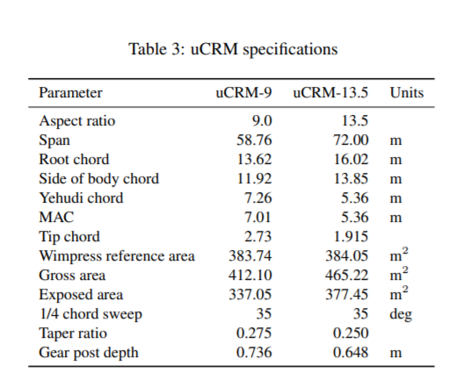

Mode # | Mode Type | 0 g | 1 g | -2.5 g
1 | 1 OOP | 1.30 | 1.30 | 1.30
2 | 2 OOP | 3.23 | 3.23 | 3.23
3 | 1 IP | 3.81 | 3.80 | 3.81
4 | 3 OOP | 6.40 | 6.40 | 6.40 | Parameter | uCRM-13.5 | Units
5 | 2 IP | 9.34 | 9.34 | 9.34 | Aspect ratio | 13.5
6 | 4 OOP | 10.62 | 10.62 | 10.63 | Span | 72 | m
7 | 5 OOP | 15.51 | 15.51 | 15.52 | Root chord | 16.02 | m
8 | 3 IP | 18.35 | 18.33 | 18.37 | MAC | 5.36 | m
9 | 1 T | 19.20 | 19.24 | 19.16 | Tip chord | 1.915 | m
10 | 6 OOP | 21.62 | 21.61 | 21.63 | Gross area | 465.22 | m2
11 | 7 OOP | 27.87 | 27.86 | 27.88 | 1/4 chord sweep | 35 | deg
12 | 4 IP | 30.88 | 30.86 | 30.91 | Taper ratio | 0.25

