Sheet3
 | Y
144 | 3.7012511655
130 | 2.9955238838
128 | 2.5772073904
123 | 2.2763896681
98 | 2.0398122332
98 | 1.8437434955
90 | 1.6755160604
89 | 1.5275607105
88 | 1.3949873805
88 | 1.2744494109
87 | 1.1635518981
85 | 1.0605184504
80 | 0.96399165359
77 | 0.87290753835
76 | 0.7864132878
67 | 0.70381135763
64 | 0.62452033485
63 | 0.54804672946
63 | 0.47396408013
57 | 0.40189703778
55 | 0.33150886415
55 | 0.26249125873
54 | 0.19455571933
53 | 0.1274258152
52 | 0.060829839379
51 | -0.0055066759932
51 | -0.071869152306
50 | -0.13856358049
50 | -0.20592855342
49 | -0.2743512054
47 | -0.34428944087
47 | -0.41630447558
46 | -0.49111087392
44 | -0.56965772288
41 | -0.65326880188
40 | -0.74390405438
38 | -0.8446992178
38 | -0.96124871615
38 | -1.1053975123
29 | -1.3119942346
Rain | X | Rank(m) | F | Y | Xmean | Ym | A | B | Gumnb
54 | 144 | 1 | 0.9756097561 | 3.7012511655 |  |  |  |  | 144.07043777
41 | 130 | 2 | 0.9512195122 | 2.9955238838 | 68.075 | 0.54361952614 | 24.067227102 | 54.991585407 | 127.08553901
51 | 128 | 3 | 0.92682926829 | 2.5772073904 |  |  |  |  | 117.01782096
29 | 123 | 4 | 0.90243902439 | 2.2763896681 |  |  |  |  | 109.77797252
38 | 98 | 5 | 0.87804878049 | 2.0398122332 |  |  | 0.041550278965 |  | 104.08420967
50 | 98 | 6 | 0.85365853659 | 1.8437434955 |  |  |  |  | 99.365378831
63 | 90 | 7 | 0.82926829268 | 1.6755160604 |  |  |  |  | 95.316610946
88 | 89 | 8 | 0.80487804878 | 1.5275607105 |  |  |  |  | 91.755735938
67 | 88 | 9 | 0.78048780488 | 1.3949873805 |  |  |  |  | 88.565063499
46 | 88 | 10 | 0.75609756098 | 1.2744494109 |  |  |  |  | 85.66404881
47 | 87 | 11 | 0.73170731707 | 1.1635518981 |  |  |  |  | 82.995053184
40 | 85 | 12 | 0.70731707317 | 1.0605184504 |  |  |  |  | 80.5153238
38 | 80 | 13 | 0.68292682927 | 0.96399165359 |  |  |  |  | 78.192191459
50 | 77 | 14 | 0.65853658537 | 0.87290753835 |  |  |  |  | 76.000049372
87 | 76 | 15 | 0.63414634146 | 0.7864132878 |  |  |  |  | 73.918372601
77 | 67 | 16 | 0.60975609756 | 0.70381135763 |  |  |  |  | 71.930373188
130 | 64 | 17 | 0.58536585366 | 0.62452033485 |  |  |  |  | 70.022058136
123 | 63 | 18 | 0.56097560976 | 0.54804672946 |  |  |  |  | 68.181550508
80 | 63 | 19 | 0.53658536585 | 0.47396408013 |  |  |  |  | 66.398586562
88 | 57 | 20 | 0.51219512195 | 0.40189703778 |  |  |  |  | 64.664132687
144 | 55 | 21 | 0.48780487805 | 0.33150886415 |  |  |  |  | 62.970084527
63 | 55 | 22 | 0.46341463415 | 0.26249125873 |  |  |  |  | 61.309022143
98 | 54 | 23 | 0.43902439024 | 0.19455571933 |  |  |  |  | 59.674002088
85 | 53 | 24 | 0.41463414634 | 0.1274258152 |  |  |  |  | 58.05837144
47 | 52 | 25 | 0.39024390244 | 0.060829839379 |  |  |  |  | 56.455590966
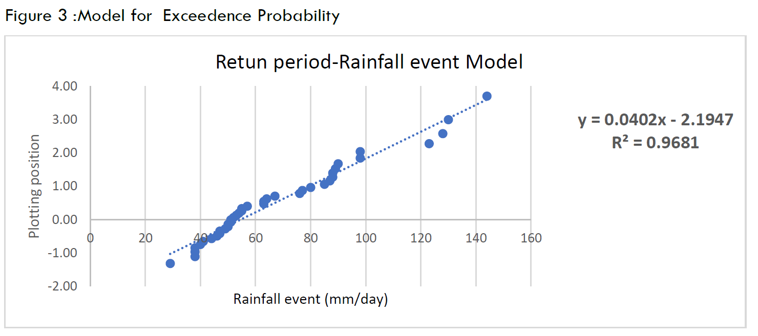
76 | 51 | 26 | 0.36585365854 | -0.0055066759932 |  |  |  |  | 54.859054985
98 | 51 | 27 | 0.34146341463 | -0.071869152306 |  |  |  |  | 53.261894197
128 | 50 | 28 | 0.31707317073 | -0.13856358049 |  |  |  |  | 51.656744247
90 | 50 | 29 | 0.29268292683 | -0.20592855342 |  |  |  |  | 50.035456145
57 | 49 | 30 | 0.26829268293 | -0.2743512054 |  |  |  |  | 48.388712641
52 | 47 | 31 | 0.24390243902 | -0.34428944087 |  |  |  |  | 46.705493245
51 | 47 | 32 | 0.21951219512 | -0.41630447558 |  |  |  |  | 44.97229105
55 | 46 | 33 | 0.19512195122 | -0.49111087392 |  |  |  |  | 43.171908472
44 | 44 | 34 | 0.17073170732 | -0.56965772288 |  |  |  |  | 41.28150362
49 | 41 | 35 | 0.14634146341 | -0.65326880188 |  |  |  |  | 39.269216793
55 | 40 | 36 | 0.12195121951 | -0.74390405438 |  |  |  |  | 37.087877588
38 | 38 | 37 | 0.09756097561 | -0.8446992178 |  |  |  |  | 34.662017499
89 | 38 | 38 | 0.073170731707 | -0.96124871615 |  |  |  |  | 31.856994254
53 | 38 | 39 | 0.048780487805 | -1.1053975123 |  |  |  |  | 28.387732441
64 | 29 | 40 | 0.024390243902 | -1.3119942346 |  |  |  |  | 23.415522206

