Sharks
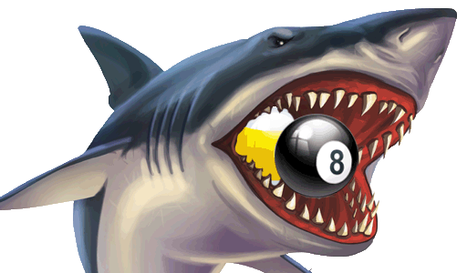
OBG MEN'S BILLIARD CLUB
SHARK'S CLUB
Spring 2022

MOST WIN'S THIS SEASON
Mike Ambrosino's, Rough Riders, 4/27/2022, 14
Richard Johnson Jr's, Krazy Eights, 5/11/2022, 14
Zeb Riggs', Tar Heels, 6/1/2022, 14

8-BALL BREAK AND RUN

8-BALL RUN OUT
Jim Turner, Sharp Shooters, 4/20/2022
Pete Fleming, Felt Runners, 5/25/2022

9-BALL BREAK AND RUN
Mike Baumruk, Krazy Eights, 5/4/2022

9-BALL RUN OUT

9-BALL ON THE BREAK
Larry Dobbs, Eight Balls, 5/16/2022
Darwin Rybandt, Sharp Shooters, 5/16/2022
Doug Hanes, The Big Guys, 5/16/2022

