Sheet1
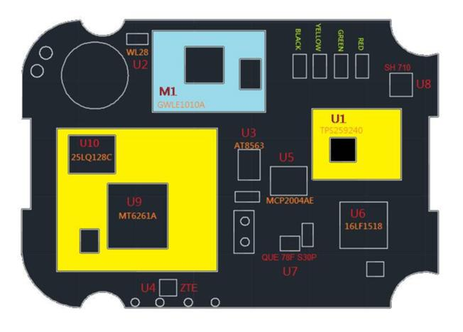
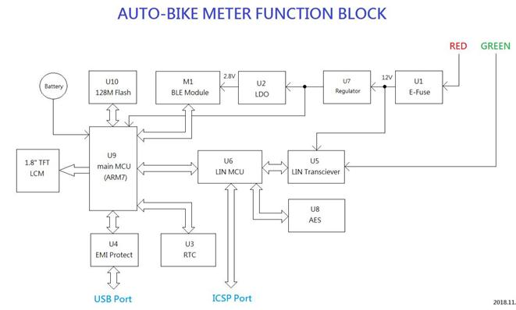
MCU1 | 2
MCU2 | 0.3
BLE | 2
Flash | 1.1666666667

Battery | 0.25
eFuse+Power | 1
PCB(4 layer) | 0
Mechanical+TFT | 6.6666666667

Total | 13.383333333

Module | 28.5

