sunon_testkit_210120
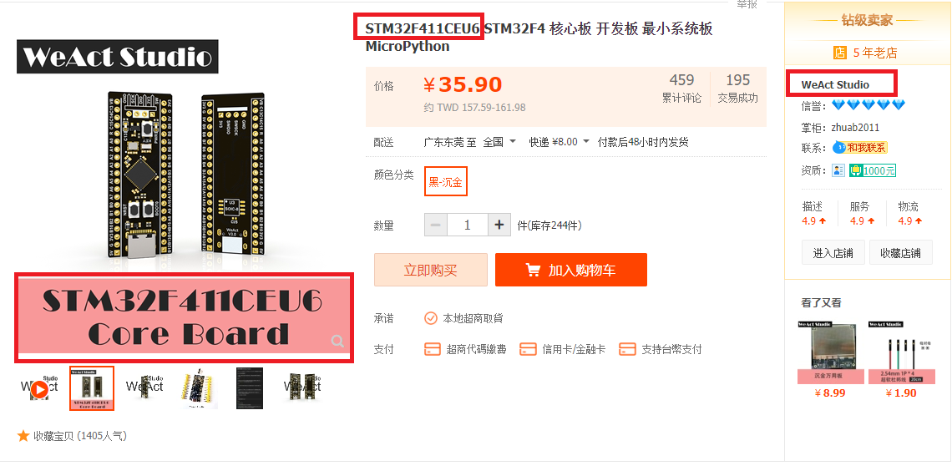
Designator | Quantity | Value | Voltage | LibRef | Note
BZ1 | 1 | HYDZ12095-5V, 5V buzzer, pitch 300mil |  | Buzzer
C1, C2, C5, C7 | 4 | 0.1u | 50V | CAP 0603 | 0603
C3, C4 | 2 | 1u | 50V | CAP 0603 | 0603
C6 | 1 | 100p | 50V | CAP 0603 | 0603
D1 | 1 | 1N4148 |  | DIODE | SOD-123
J9 | 1 | micro USB connector |  | USB-mini-7p | MicroUSB
Q1, Q2 | 2 | MMBT4401 |  | NPN | SOT-23
Q3 | 1 | 2N7002 |  | MOSFET_N_GSD | SOT-23
R1 | 1 | 33 |  | RES 0603 | 0603
R2, R3, R4, R5, R6, R7, R10 | 7 | 1K |  | RES 0603 | 0603
R8, R9 | 2 | 10K |  | RES 0603 | 0603
RLY1 | 1 | 5V PCB 繼電器 TTI TRD-5VDC-SC-CL-R/RAYEX LEG-5 |  | RELAY-SPDT
U1 | 1 | 20 pin排針母座 |  | STM32F4x1CxU6 WeActStudio | 一定要到淘寶此處購買
U2 | 1 | AT24C02 |  | AT24C02C-SSHM-T | SO-8

MCU Module

