BQ25770
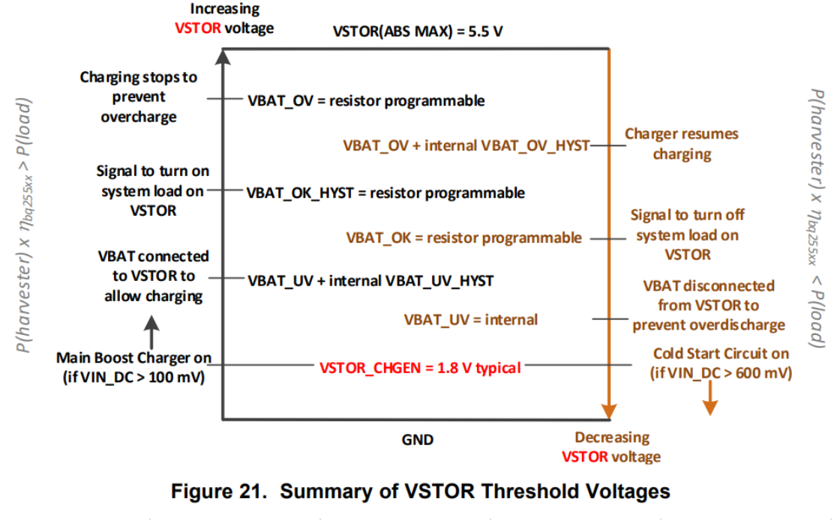
Vbias (V) | 1.21
Buck converter
Rout1 | 178000 | *originally 887k (92D)
Rout2 | 316000 | *originally 1Meg (105)
Vout (V) | 3.3580898876 | Output of buck converter to load, active when V_EN = VSTOR and low when V_EN = GND

Battery Overvoltage Protection |  | Original
Rov1 | 261000 | 887000
Rov2 | 332000 | 1100000
VBAT_OV | 4.1237356322 | 4.0658455468 | Charging stops to prevent overcharge

Battery Voltage within Operating Range |  | original
Rok1 | 178000 | 887000
Rok2 | 316000 | 1200000
Rok3 | 10000 | 300000
VBAT_OK_HYST | 3.4260674157 | 3.2562232244 | Battery threshold for turning ON load on VSTOR
VBAT_OK_PROG | 3.3580898876 | 2.8469785795 | Battery threshold for turning OFF load on VSTOR
Rok1+Rok2+Rok3 < 13Meg
 | *Note these voltages won't 100% match what's on your board. To be sure you have the right voltages, testing and manual tuning is required
 | I got a VBAT_OK_PROG of 3.52V on my board with these Rok values
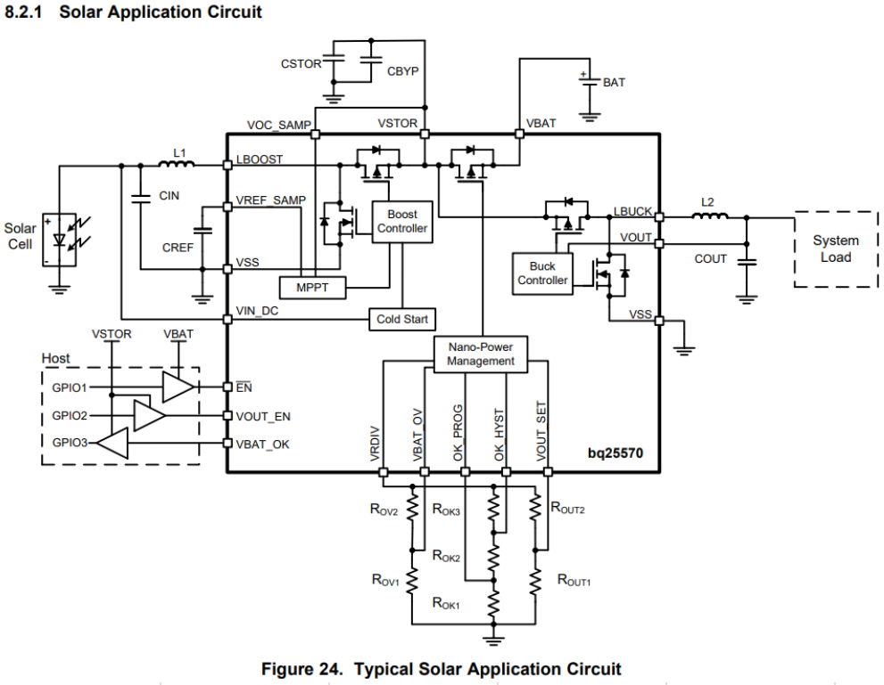
Recommended Config (Solar)
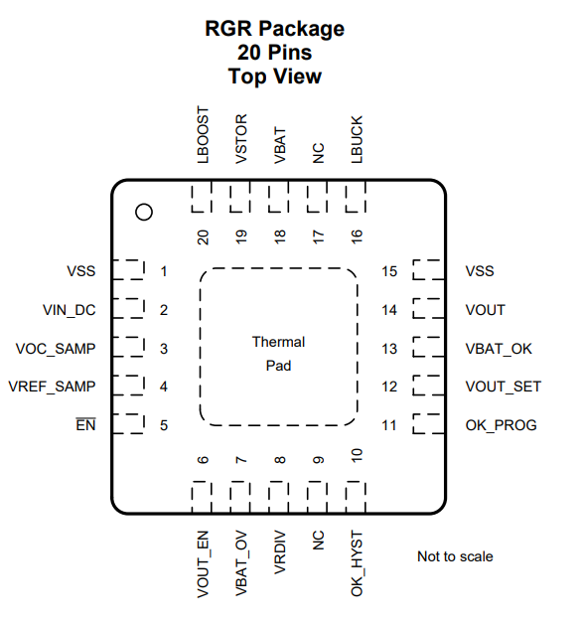
L1 (uH) | 22
L2 (uH) | 10
CIN (uF) | 4.7
CREF (nF) | 10
COUT (uF) | 22
CSTOR (uF) | 4.7
CBYP (nF) | 10
VOC_SAMP connected to VSTOR to sample at 80% of Vin_oc
EN = GND to enable IC

our battery: https://www.amazon.com/dp/B09R7F1VV5
Don't drain below 3.5V
Storage voltage 3.85V
Charging: DC 5V 0.5-2A

