Main
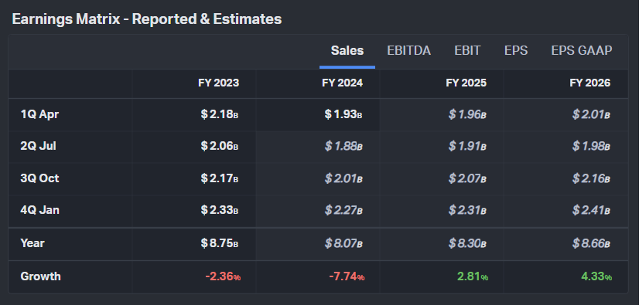
 |  |  | Koyfin Estimates 6/16/2023
Company |  | Source
Price | $27.31
Shares | 95 | 1Q23
Market Cap | 2,597
Cash | 313 | 1Q23
Debt | 451 | 1Q23
EV | 2,735

